Feuil1
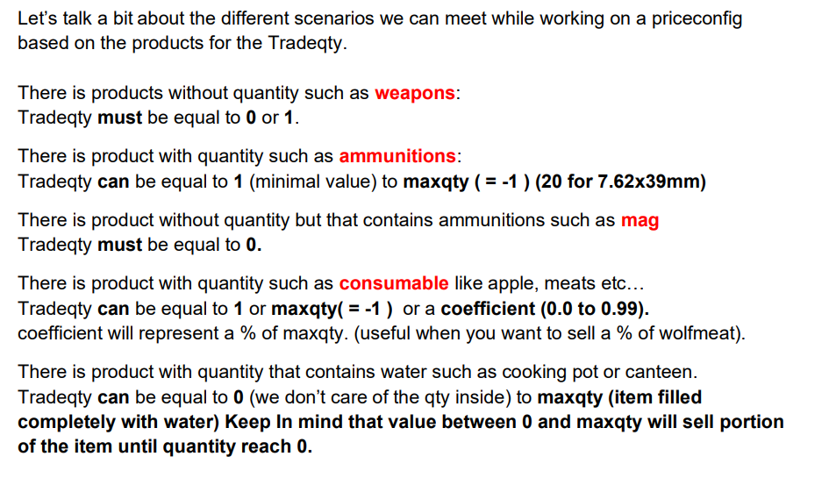
 | 1. x coefficient (float) if we want it specific | 1. n value (int) if we want to define a stock | 1. n value that we need to trade | 1. n value (int) buy value | 1. n value (int) sell value or (float) coefficient based on buyprice
 | 2. -1 if we use the glocal coefficient | 2. -1 if we want unlimited stock | 2. -1 will make it max quantity | 2. -1 can't be buy | 2. -1 can't be sell
 |  |  | 3. x coefficient (float) if we want a % of max qty
Classname | coefficent | max stock | tradequantity | Buyprice | Sellprice | stock = n | DynamicBuyPrice | DynamicSellPrice
Ammo_762x39 | 0.995 | 100 | 10 | 250 | 125 | 1 | 250 | 125

