Sheet1
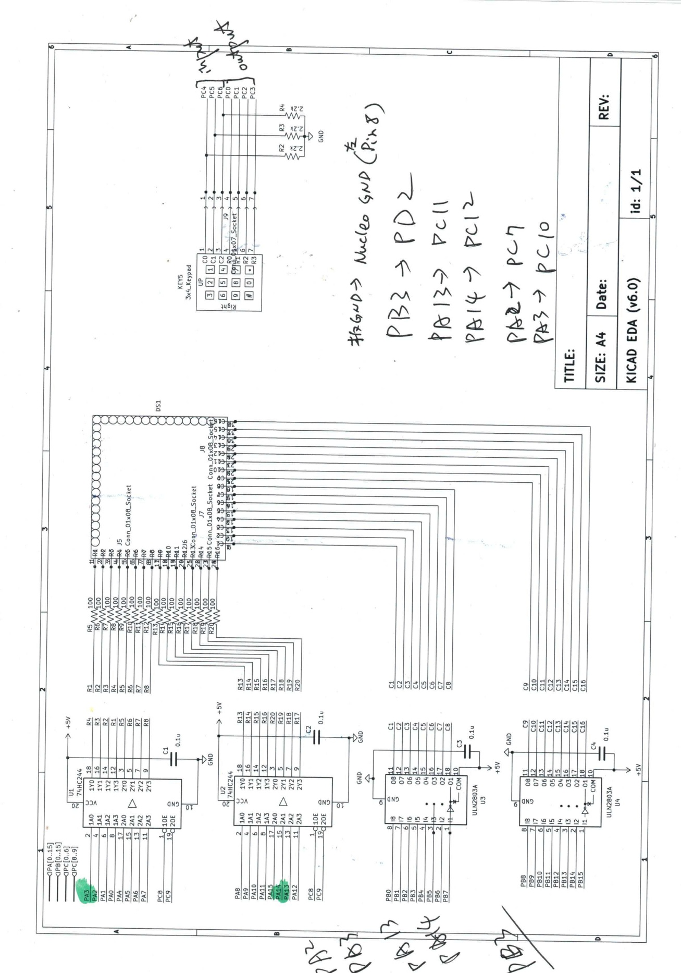
32*32 LED 矩阵 |  |  |  | 键盘 |  |  |  | STM32
PORT | IO | 功能 | 注释 | PORT | IO | 功能 | 注释 | PORT | IO | 功能 | 注释
PA | 0 | LedM-R1 | 行1/Output | PC | 0 | Key-R0 | 行0/Output | PC | 8 | BFOE-1 | 74HC245 线路缓冲器使能 通路1/Output
PA | 1 | LedM-R2 | 行2/Output | PC | 1 | Key-R1 | 行1/Output | PC | 9 | BFOE-2 | 74HC245 线路缓冲器使能 通路2/Output
PA=>PC | 2=>7 | LedM-R3 | 行3/Output | PC | 2 | Key-R2 | 行2/Output
PA=>PC | 3=>10 | LedM-R4 | 行4/Output | PC | 3 | Key-R3 | 行3/Output
PA | 4 | LedM-R5 | 行5/Output | PC | 4 | Key-C0 | 列0/Input/EXTI4
PA | 5 | LedM-R6 | 行6/Output | PC | 5 | Key-C1 | 列1/Input/EXT5
PA | 6 | LedM-R7 | 行7/Output | PC | 6 | Key-C2 | 列2/Input/EXTI6
PA | 7 | LedM-R8 | 行8/Output
PA | 8 | LedM-R9 | 行9/Output
PA | 9 | LedM-R10 | 行10/Output
PA | 10 | LedM-R11 | 行11/Output
PA | 11 | LedM-R12 | 行12/Output
PA | 12 | LedM-R13 | 行13/Output
PA=>PC | 13=>11 | LedM-R14 | 行14/Output
PA=>PC | 14=>12 | LedM-R15 | 行15/Output
PA | 15 | LedM-R16 | 行16/Output

PB | 0 | LedM-C1 | 列1/Output
PB | 1 | LedM-C2 | 列2/Output
PB | 2 | LedM-C3 | 列3/Output
PB=>PD | 3=>2 | LedM-C4 | 列4/Output
PB | 4 | LedM-C5 | 列5/Output
PB | 5 | LedM-C6 | 列6/Output
PB | 6 | LedM-C7 | 列7/Output
PB | 7 | LedM-C8 | 列8/Output
PB | 8 | LedM-C9 | 列9/Output
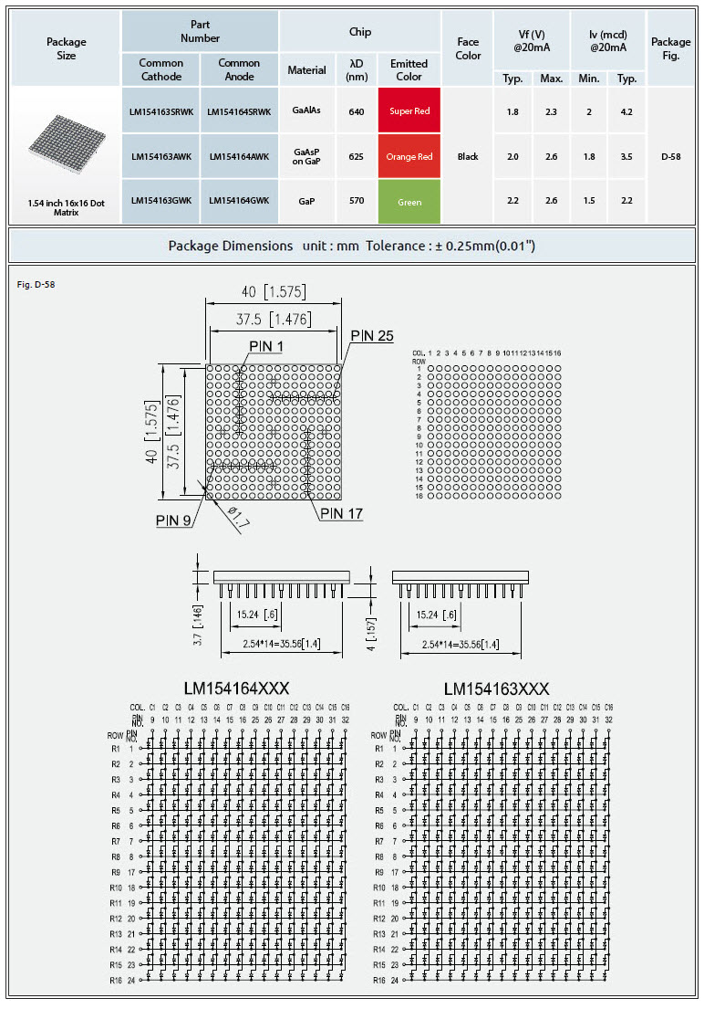
PB | 9 | LedM-C10 | 列10/Output
PB | 10 | LedM-C11 | 列11/Output
PB | 11 | LedM-C12 | 列12/Output
PB | 12 | LedM-C13 | 列13/Output
PB | 13 | LedM-C14 | 列14/Output
PB | 14 | LedM-C15 | 列15/Output
PB | 15 | LedM-C16 | 列16/Output

 |  |  |  |  |  |  |  |  |  |  |  | 74HC244 | https://www.ti.com/lit/ds/symlink/sn74hc244.pdf?ts=1761446374101&ref_url=https%253A%252F%252Fwww.ti.com%252Fproduct%252Fzh-tw%252FSN74HC244
 |  |  |  |  |  |  |  |  |  |  |  | ULN2803A | https://www.st.com/resource/en/datasheet/uln2801a.pdf

