Molecule Structures
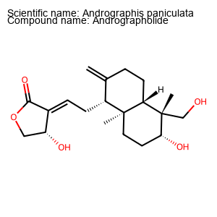
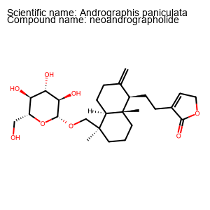
plant | chem | smile | Unnamed: 3 | weight | logp | h_bond_donor | h_bond_acceptors | weight_pass | logp_pass | h_bond_donor_pass | h_bond_acceptors_pass | summary | Structure
Andrographis paniculata | Andrographolide | C[C@@]12CC[C@H]([C@@]([C@H]1CCC(=C)[C@H]2C/C=C/3\[C@@H](COC3=O)O)(C)CO)O |  | 350.20932406 | 1.9626 | 3 | 5 | TRUE | TRUE | TRUE | TRUE | 4
Andrographis paniculata | neoandrographolide | C[C@]1(CCC[C@@]2([C@@H]1CCC(=C)[C@H]2CCC3=CCOC3=O)C)CO[C@H]4[C@@H]([C@H]([C@@H]([C@H](O4)CO)O)O)O |  | 480.27231824 | 1.8452 | 4 | 8 | TRUE | TRUE | TRUE | TRUE | 4
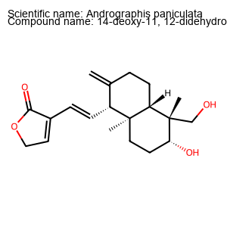
Andrographis paniculata | 14-deoxy-11, 12-didehydroandrographolide | C[C@@]12CC[C@H]([C@@]([C@H]1CCC(=C)[C@H]2/C=C/C3=CCOC3=O)(C)CO)O |  | 332.19875938 | 2.7678 | 2 | 4 | TRUE | TRUE | TRUE | TRUE | 4
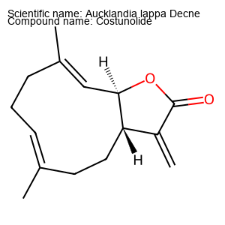
Aucklandia lappa Decne | Costunolide | C/C/1=C\CC/C(=C/[C@@H]2[C@@H](CC1)C(=C)C(=O)O2)/C |  | 232.14632988 | 3.5508 | 0 | 2 | TRUE | TRUE | TRUE | TRUE | 4
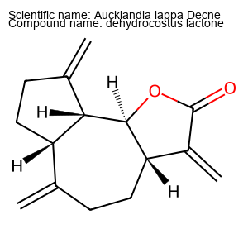
Aucklandia lappa Decne | dehydrocostus lactone | C=C1CC[C@@H]2[C@@H]([C@@H]3[C@H]1CCC3=C)OC(=O)C2=C |  | 230.13067982 | 3.0166 | 0 | 2 | TRUE | TRUE | TRUE | TRUE | 4
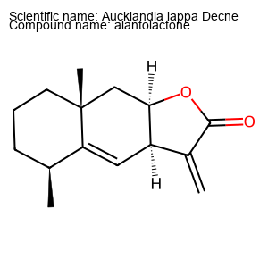
Aucklandia lappa Decne | alantolactone | C[C@H]1CCC[C@]2(C1=C[C@H]3[C@@H](C2)OC(=O)C3=C)C |  | 232.14632988 | 3.2406 | 0 | 2 | TRUE | TRUE | TRUE | TRUE | 4
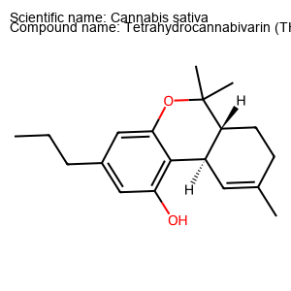
Cannabis sativa | Tetrahydrocannabivarin (THCV) | CCCC1=CC(=C2[C@@H]3C=C(CC[C@H]3C(OC2=C1)(C)C)C)O |  | 286.19328007 | 4.9556 | 1 | 2 | TRUE | TRUE | TRUE | TRUE | 4
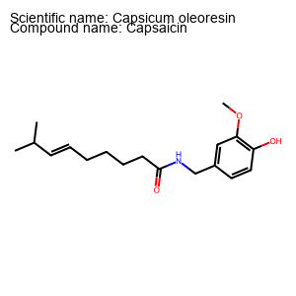
Capsicum oleoresin | Capsaicin | CC(C)/C=C/CCCCC(=O)NCC1=CC(=C(C=C1)O)OC |  | 305.19909372 | 3.7896 | 2 | 3 | TRUE | TRUE | TRUE | TRUE | 4
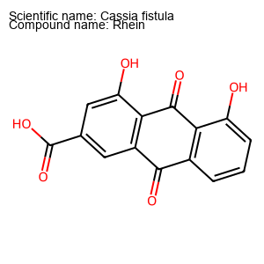
Cassia fistula | Rhein | C1=CC2=C(C(=C1)O)C(=O)C3=C(C2=O)C=C(C=C3O)C(=O)O |  | 284.03208798 | 1.5714 | 3 | 5 | TRUE | TRUE | TRUE | TRUE | 4
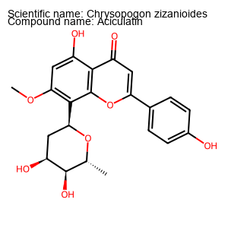
Chrysopogon zizanioides | Aciculatin | C[C@@H]1[C@H]([C@H](C[C@H](O1)C2=C(C=C(C3=C2OC(=CC3=O)C4=CC=C(C=C4)O)O)OC)O)O |  | 414.13146766 | 2.4515 | 4 | 8 | TRUE | TRUE | TRUE | TRUE | 4
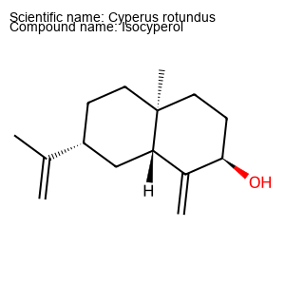
Cyperus rotundus | Isocyperol | CC(=C)[C@@H]1CC[C@]2(CC[C@H](C(=C)[C@@H]2C1)O)C |  | 220.18271539 | 3.696 | 1 | 1 | TRUE | TRUE | TRUE | TRUE | 4
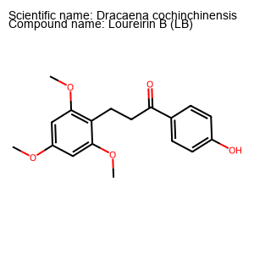
Dracaena cochinchinensis | Loureirin B (LB) | COC1=CC(=C(C(=C1)OC)CCC(=O)C2=CC=C(C=C2)O)OC |  | 316.13107374 | 3.2335 | 1 | 5 | TRUE | TRUE | TRUE | TRUE | 4
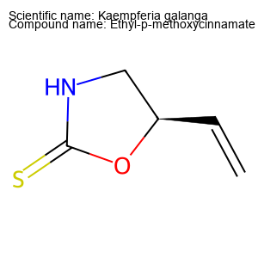
Kaempferia galanga | Ethyl-p-methoxycinnamate | C=C[C@@H]1CNC(=S)O1 |  | 129.02483484 | 0.4457 | 1 | 2 | TRUE | TRUE | TRUE | TRUE | 4
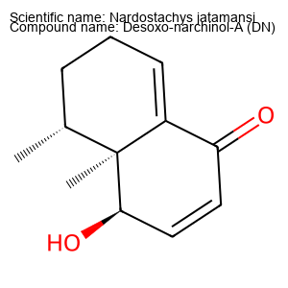
Nardostachys jatamansi | Desoxo-narchinol-A (DN) | C[C@@H]1CCC=C2[C@]1([C@@H](C=CC2=O)O)C |  | 192.11502975 | 1.8488 | 1 | 2 | TRUE | TRUE | TRUE | TRUE | 4
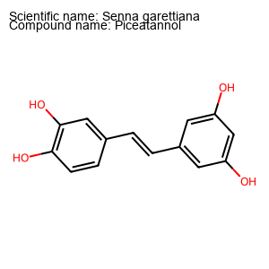
Senna garettiana | Piceatannol | C1=CC(=C(C=C1/C=C/C2=CC(=CC(=C2)O)O)O)O |  | 244.07355886 | 2.6794 | 4 | 4 | TRUE | TRUE | TRUE | TRUE | 4
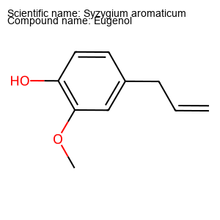
Syzygium aromaticum | Eugenol | COC1=C(C=CC(=C1)CC=C)O |  | 164.08372962 | 2.1293 | 1 | 2 | TRUE | TRUE | TRUE | TRUE | 4
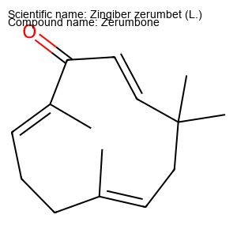
Zingiber zerumbet (L.) | Zerumbone | C/C/1=C\CC(/C=C/C(=O)/C(=C/CC1)/C)(C)C |  | 218.16706532 | 4.2144 | 0 | 1 | TRUE | TRUE | TRUE | TRUE | 4

