Sheet1
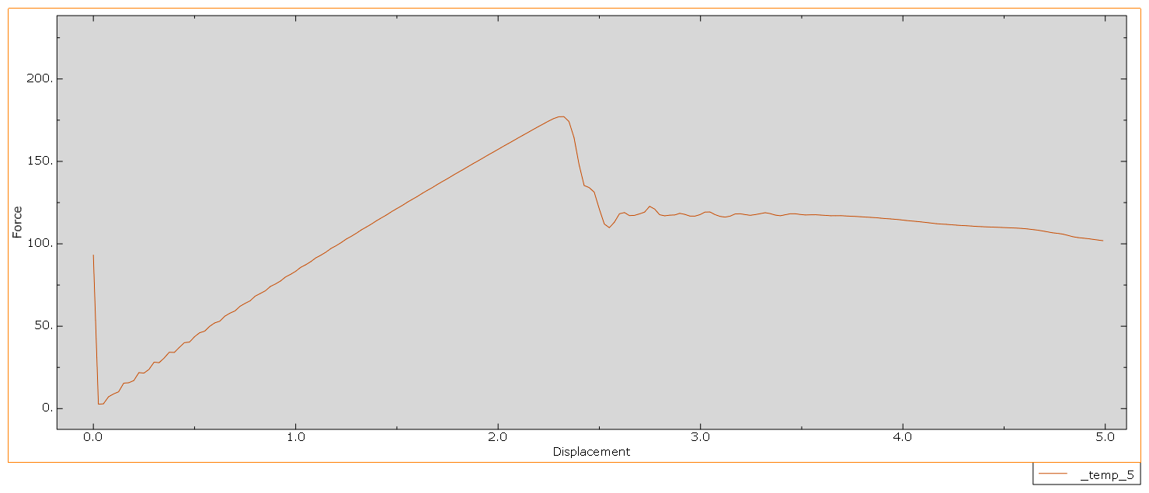
Cruciform Structure | Time | Cell | Displacement | Force2 | Time | Plate | Displacement | Force2 | Time | Tube | Displacement | Force2 | Time | Tube | Displacement | Force2
 | 0.000 |  | 0 | 18.4072 | 0.000 |  | 0 | 581.226 | 0.000 |  | 0 | 93.297 | 0.000 |  | 0 | 6.67367
 | 0.005 |  | 0.0150019 | 52.2895 | 0.005 |  | 0.0252091 | 0.676941 | 0.005 |  | 0.0250022 | 2.64456 | 0.005 |  | 0.0150013 | 27.4023
 | 0.010 |  | 0.0299986 | 55.6966 | 0.010 |  | 0.0500536 | 12.9627 | 0.010 |  | 0.0500098 | 2.89066 | 0.010 |  | 0.029998 | 31.0353
 | 0.015 |  | 0.0449786 | 56.3691 | 0.015 |  | 0.0751025 | 50.0436 | 0.015 |  | 0.0750174 | 7.1705 | 0.015 |  | 0.0449781 | 33.6725
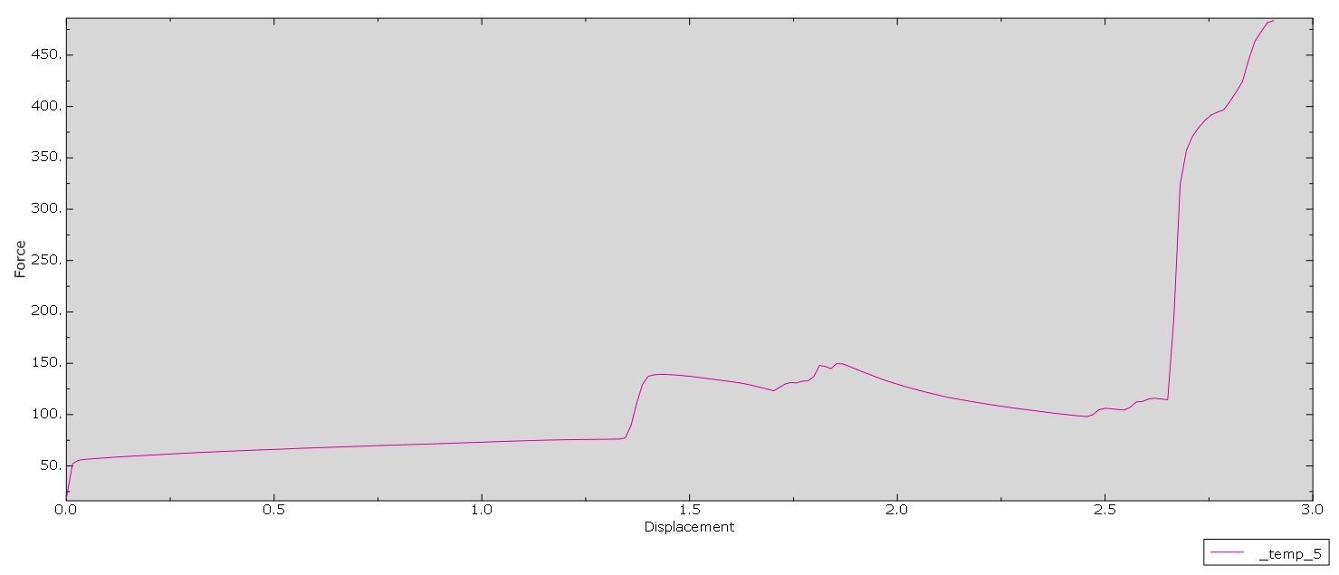
 | 0.020 |  | 0.060011 | 56.8615 | 0.020 |  | 0.100136 | 24.3306 | 0.020 |  | 0.100024 | 8.87658 | 0.020 |  | 0.0600104 | 35.8553
 | 0.025 |  | 0.075017 | 57.3248 | 0.025 |  | 0.125158 | 22.2593 | 0.025 |  | 0.125027 | 10.2079 | 0.025 |  | 0.0750164 | 37.6419
 | 0.030 |  | 0.0900167 | 57.768 | 0.030 |  | 0.150175 | 44.8508 | 0.030 |  | 0.15003 | 15.4376 | 0.030 |  | 0.0900161 | 38.7627
 | 0.035 |  | 0.105017 | 58.2004 | 0.035 |  | 0.175191 | 36.3471 | 0.035 |  | 0.175009 | 15.6839 | 0.035 |  | 0.105017 | 39.3726
 | 0.040 |  | 0.120017 | 58.6192 | 0.040 |  | 0.200211 | 36.0621 | 0.040 |  | 0.200007 | 17.0043 | 0.040 |  | 0.120016 | 39.8401
 | 0.045 |  | 0.135071 | 58.9942 | 0.045 |  | 0.225008 | 26.4149 | 0.045 |  | 0.225024 | 21.8292 | 0.045 |  | 0.13507 | 40.2696
 | 0.050 |  | 0.15015 | 59.3525 | 0.050 |  | 0.250024 | 34.0518 | 0.050 |  | 0.25002 | 21.5236 | 0.050 |  | 0.150149 | 40.6714
 | 0.055 |  | 0.165229 | 59.7003 | 0.055 |  | 0.27504 | 30.849 | 0.055 |  | 0.275027 | 23.7706 | 0.055 |  | 0.165228 | 41.0418
 | 0.060 |  | 0.180309 | 60.0492 | 0.060 |  | 0.300052 | 28.5679 | 0.060 |  | 0.300016 | 28.1635 | 0.060 |  | 0.180308 | 41.3932
 | 0.065 |  | 0.19527 | 60.3886 | 0.065 |  | 0.325068 | 41.7886 | 0.065 |  | 0.325023 | 27.8508 | 0.065 |  | 0.195269 | 41.7187
 | 0.070 |  | 0.210113 | 60.716 | 0.070 |  | 0.35007 | 35.9852 | 0.070 |  | 0.35003 | 30.7018 | 0.070 |  | 0.210113 | 42.0263
 | 0.075 |  | 0.224958 | 61.0537 | 0.075 |  | 0.375068 | 44.3769 | 0.075 |  | 0.375018 | 34.1635 | 0.075 |  | 0.224957 | 42.3156
 | 0.080 |  | 0.239956 | 61.3831 | 0.080 |  | 0.400062 | 33.4348 | 0.080 |  | 0.400026 | 34.0642 | 0.080 |  | 0.2398 | 42.5887
 | 0.085 |  | 0.255117 | 61.7151 | 0.085 |  | 0.425059 | 51.2423 | 0.085 |  | 0.425033 | 37.1674 | 0.085 |  | 0.254591 | 42.8488
 | 0.090 |  | 0.270278 | 62.0547 | 0.090 |  | 0.450039 | 34.2958 | 0.090 |  | 0.450021 | 40.0185 | 0.090 |  | 0.269278 | 43.1019
 | 0.095 |  | 0.28544 | 62.3785 | 0.095 |  | 0.475193 | 22.5039 | 0.095 |  | 0.475028 | 40.3364 | 0.095 |  | 0.283966 | 43.3434
 | 0.100 |  | 0.300601 | 62.6838 | 0.100 |  | 0.500103 | 48.8875 | 0.100 |  | 0.500014 | 43.6066 | 0.100 |  | 0.298653 | 43.5805
 | 0.105 |  | 0.315762 | 62.9846 | 0.105 |  | 0.525202 | 34.1229 | 0.105 |  | 0.525002 | 45.997 | 0.105 |  | 0.313341 | 43.8144
 | 0.110 |  | 0.330924 | 63.2685 | 0.110 |  | 0.550071 | 46.3866 | 0.110 |  | 0.54999 | 46.9574 | 0.110 |  | 0.328029 | 44.04
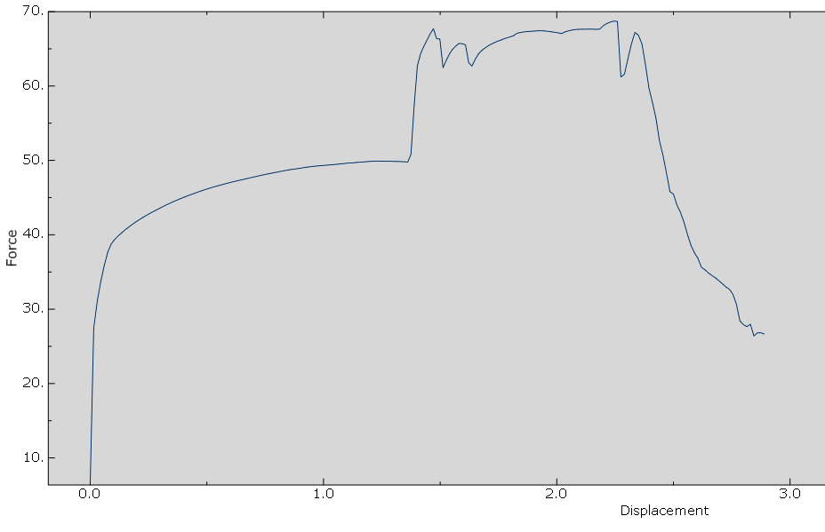
 | 0.115 |  | 0.346085 | 63.5329 | 0.115 |  | 0.575144 | 44.5403 | 0.115 |  | 0.574959 | 49.9397 | 0.115 |  | 0.342716 | 44.2527
 | 0.120 |  | 0.361246 | 63.8036 | 0.120 |  | 0.600008 | 26.8673 | 0.120 |  | 0.599946 | 52.0018 | 0.120 |  | 0.357404 | 44.4608
 | 0.125 |  | 0.376407 | 64.0734 | 0.125 |  | 0.625085 | 40.3493 | 0.125 |  | 0.624934 | 53.0076 | 0.125 |  | 0.372278 | 44.6648
 | 0.130 |  | 0.391095 | 64.3209 | 0.130 |  | 0.650161 | 35.5527 | 0.130 |  | 0.649903 | 56.0754 | 0.130 |  | 0.386965 | 44.852
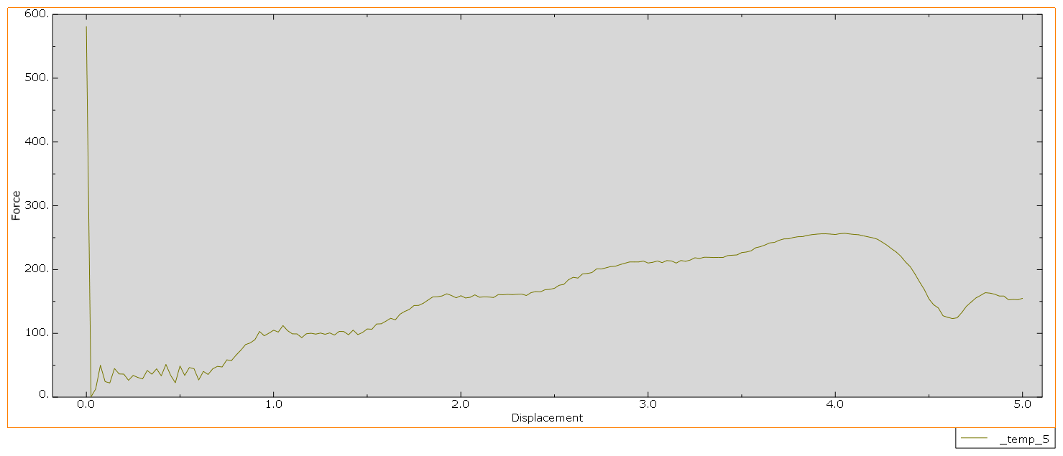
 | 0.135 |  | 0.405782 | 64.5753 | 0.135 |  | 0.675015 | 44.3927 | 0.135 |  | 0.674891 | 57.9062 | 0.135 |  | 0.401653 | 45.0381
 | 0.140 |  | 0.42047 | 64.8345 | 0.140 |  | 0.700076 | 48.2511 | 0.140 |  | 0.699859 | 59.2504 | 0.140 |  | 0.41634 | 45.2198
 | 0.145 |  | 0.435201 | 65.0882 | 0.145 |  | 0.725139 | 47.2815 | 0.145 |  | 0.724847 | 62.101 | 0.145 |  | 0.431028 | 45.3902
 | 0.150 |  | 0.450534 | 65.3472 | 0.150 |  | 0.750203 | 58.4719 | 0.150 |  | 0.749835 | 63.8506 | 0.150 |  | 0.445715 | 45.5585
 | 0.155 |  | 0.465868 | 65.5851 | 0.155 |  | 0.775054 | 57.3668 | 0.155 |  | 0.774804 | 65.3931 | 0.155 |  | 0.460403 | 45.7234
 | 0.160 |  | 0.481201 | 65.8188 | 0.160 |  | 0.800105 | 66.0017 | 0.160 |  | 0.799792 | 68.2424 | 0.160 |  | 0.47509 | 45.8863
 | 0.165 |  | 0.496534 | 66.0431 | 0.165 |  | 0.825144 | 73.6155 | 0.165 |  | 0.82476 | 69.821 | 0.165 |  | 0.489778 | 46.0399
 | 0.170 |  | 0.511868 | 66.2755 | 0.170 |  | 0.850168 | 82.3683 | 0.170 |  | 0.849748 | 71.4579 | 0.170 |  | 0.504371 | 46.1895
 | 0.175 |  | 0.527202 | 66.5286 | 0.175 |  | 0.875153 | 85.0359 | 0.175 |  | 0.874736 | 74.0909 | 0.175 |  | 0.518747 | 46.3249
 | 0.180 |  | 0.542534 | 66.7933 | 0.180 |  | 0.900107 | 89.9734 | 0.180 |  | 0.899705 | 75.6123 | 0.180 |  | 0.533121 | 46.4611
 | 0.185 |  | 0.557868 | 67.0539 | 0.185 |  | 0.925043 | 102.988 | 0.185 |  | 0.924692 | 77.3931 | 0.185 |  | 0.547497 | 46.5892
 | 0.190 |  | 0.573201 | 67.299 | 0.190 |  | 0.950171 | 96.2082 | 0.190 |  | 0.94968 | 79.8736 | 0.190 |  | 0.561872 | 46.7123
 | 0.195 |  | 0.588535 | 67.5235 | 0.195 |  | 0.975072 | 100.296 | 0.195 |  | 0.974649 | 81.4643 | 0.195 |  | 0.576247 | 46.8329
 | 0.200 |  | 0.603868 | 67.7462 | 0.200 |  | 1.00017 | 104.921 | 0.200 |  | 0.999637 | 83.2949 | 0.200 |  | 0.590622 | 46.9515
 | 0.205 |  | 0.619201 | 67.9675 | 0.205 |  | 1.02505 | 102.028 | 0.205 |  | 1.02461 | 85.7144 | 0.205 |  | 0.605926 | 47.0734
 | 0.210 |  | 0.634535 | 68.1722 | 0.210 |  | 1.05013 | 112.249 | 0.210 |  | 1.04959 | 87.2961 | 0.210 |  | 0.62126 | 47.1891
 | 0.215 |  | 0.649868 | 68.3773 | 0.215 |  | 1.07501 | 104.139 | 0.215 |  | 1.07458 | 89.1925 | 0.215 |  | 0.636593 | 47.3001
 | 0.220 |  | 0.665201 | 68.5789 | 0.220 |  | 1.10009 | 99.2073 | 0.220 |  | 1.09955 | 91.4908 | 0.220 |  | 0.651926 | 47.4088
 | 0.225 |  | 0.680535 | 68.7917 | 0.225 |  | 1.12517 | 99.1169 | 0.225 |  | 1.12454 | 93.0865 | 0.225 |  | 0.66726 | 47.5182
 | 0.230 |  | 0.695868 | 69.0007 | 0.230 |  | 1.15004 | 93.2918 | 0.230 |  | 1.14953 | 94.9589 | 0.230 |  | 0.682593 | 47.634
 | 0.235 |  | 0.711201 | 69.2225 | 0.235 |  | 1.17511 | 99.322 | 0.235 |  | 1.17449 | 97.184 | 0.235 |  | 0.697926 | 47.7398
 | 0.240 |  | 0.726535 | 69.4495 | 0.240 |  | 1.20019 | 100.203 | 0.240 |  | 1.19948 | 98.8273 | 0.240 |  | 0.713259 | 47.8523
 | 0.245 |  | 0.741868 | 69.683 | 0.245 |  | 1.22505 | 98.785 | 0.245 |  | 1.22445 | 100.706 | 0.245 |  | 0.728593 | 47.963
 | 0.250 |  | 0.757201 | 69.9088 | 0.250 |  | 1.25012 | 100.498 | 0.250 |  | 1.24948 | 102.85 | 0.250 |  | 0.743926 | 48.064
 | 0.255 |  | 0.771576 | 70.0997 | 0.255 |  | 1.27518 | 98.5735 | 0.255 |  | 1.27456 | 104.537 | 0.255 |  | 0.758301 | 48.1567
 | 0.260 |  | 0.785951 | 70.2794 | 0.260 |  | 1.30001 | 100.673 | 0.260 |  | 1.29964 | 106.407 | 0.260 |  | 0.772676 | 48.2469
 | 0.265 |  | 0.800326 | 70.4537 | 0.265 |  | 1.32501 | 97.3665 | 0.265 |  | 1.32471 | 108.468 | 0.265 |  | 0.787051 | 48.3366
 | 0.270 |  | 0.814701 | 70.6435 | 0.270 |  | 1.3502 | 103.011 | 0.270 |  | 1.34979 | 110.209 | 0.270 |  | 0.801426 | 48.4243
 | 0.275 |  | 0.829076 | 70.8401 | 0.275 |  | 1.37515 | 102.84 | 0.275 |  | 1.37487 | 112.031 | 0.275 |  | 0.815801 | 48.5129
 | 0.280 |  | 0.843451 | 71.0311 | 0.280 |  | 1.40008 | 97.7629 | 0.280 |  | 1.39996 | 114.06 | 0.280 |  | 0.830176 | 48.5971
 | 0.285 |  | 0.857826 | 71.2066 | 0.285 |  | 1.425 | 105.092 | 0.285 |  | 1.42502 | 115.827 | 0.285 |  | 0.844551 | 48.6814
 | 0.290 |  | 0.872201 | 71.3826 | 0.290 |  | 1.45013 | 98.0033 | 0.290 |  | 1.45002 | 117.613 | 0.290 |  | 0.858926 | 48.7626
 | 0.295 |  | 0.886576 | 71.5636 | 0.295 |  | 1.47504 | 101.401 | 0.295 |  | 1.47503 | 119.609 | 0.295 |  | 0.873301 | 48.8219
 | 0.300 |  | 0.900951 | 71.7456 | 0.300 |  | 1.50016 | 106.901 | 0.300 |  | 1.50001 | 121.396 | 0.300 |  | 0.887676 | 48.8837
 | 0.305 |  | 0.915327 | 71.9301 | 0.305 |  | 1.52507 | 106.45 | 0.305 |  | 1.52502 | 123.146 | 0.305 |  | 0.902051 | 48.9437
 | 0.310 |  | 0.929701 | 72.1191 | 0.310 |  | 1.55018 | 114.724 | 0.310 |  | 1.55002 | 125.122 | 0.310 |  | 0.916426 | 49.0325
 | 0.315 |  | 0.944077 | 72.3219 | 0.315 |  | 1.57507 | 114.988 | 0.315 |  | 1.57503 | 126.916 | 0.315 |  | 0.930801 | 49.097
 | 0.320 |  | 0.958451 | 72.5287 | 0.320 |  | 1.60017 | 119.176 | 0.320 |  | 1.60001 | 128.645 | 0.320 |  | 0.945176 | 49.1475
 | 0.325 |  | 0.972826 | 72.7369 | 0.325 |  | 1.62506 | 123.65 | 0.325 |  | 1.62502 | 130.599 | 0.325 |  | 0.959551 | 49.2025
 | 0.330 |  | 0.987201 | 72.9384 | 0.330 |  | 1.65015 | 121.188 | 0.330 |  | 1.65003 | 132.39 | 0.330 |  | 0.973926 | 49.2487
 | 0.335 |  | 1.00147 | 73.1362 | 0.335 |  | 1.67504 | 130.043 | 0.335 |  | 1.67501 | 134.113 | 0.335 |  | 0.988301 | 49.291
 | 0.340 |  | 1.01522 | 73.3368 | 0.340 |  | 1.70012 | 134.383 | 0.340 |  | 1.70002 | 136.022 | 0.340 |  | 1.00274 | 49.3271
 | 0.345 |  | 1.02897 | 73.5366 | 0.345 |  | 1.72518 | 137.557 | 0.345 |  | 1.72502 | 137.817 | 0.345 |  | 1.01735 | 49.3602
 | 0.350 |  | 1.04272 | 73.7378 | 0.350 |  | 1.75002 | 143.713 | 0.350 |  | 1.75003 | 139.536 | 0.350 |  | 1.0311 | 49.3993
 | 0.355 |  | 1.05647 | 73.9349 | 0.355 |  | 1.77507 | 143.862 | 0.355 |  | 1.77501 | 141.405 | 0.355 |  | 1.04485 | 49.435
 | 0.360 |  | 1.07022 | 74.1226 | 0.360 |  | 1.80011 | 147.286 | 0.360 |  | 1.80002 | 143.201 | 0.360 |  | 1.0586 | 49.4813
 | 0.365 |  | 1.08397 | 74.2941 | 0.365 |  | 1.82515 | 152.29 | 0.365 |  | 1.82502 | 144.914 | 0.365 |  | 1.07235 | 49.528
 | 0.370 |  | 1.09772 | 74.4578 | 0.370 |  | 1.85018 | 157.118 | 0.370 |  | 1.85003 | 146.738 | 0.370 |  | 1.0861 | 49.5714
 | 0.375 |  | 1.11147 | 74.63 | 0.375 |  | 1.87501 | 157.346 | 0.375 |  | 1.87502 | 148.545 | 0.375 |  | 1.09985 | 49.6151
 | 0.380 |  | 1.12522 | 74.8018 | 0.380 |  | 1.90004 | 158.681 | 0.380 |  | 1.90002 | 150.253 | 0.380 |  | 1.1136 | 49.6547
 | 0.385 |  | 1.13897 | 74.9592 | 0.385 |  | 1.92507 | 162.053 | 0.385 |  | 1.92503 | 152.04 | 0.385 |  | 1.12735 | 49.6718
 | 0.390 |  | 1.15272 | 75.1148 | 0.390 |  | 1.95009 | 159.285 | 0.390 |  | 1.95001 | 153.849 | 0.390 |  | 1.1411 | 49.7191
 | 0.395 |  | 1.16647 | 75.2338 | 0.395 |  | 1.97512 | 155.691 | 0.395 |  | 1.97502 | 155.55 | 0.395 |  | 1.15485 | 49.7583
 | 0.400 |  | 1.18022 | 75.3451 | 0.400 |  | 2.00015 | 159.035 | 0.400 |  | 2.00002 | 157.306 | 0.400 |  | 1.1686 | 49.7877
 | 0.405 |  | 1.19397 | 75.4479 | 0.405 |  | 2.02517 | 155.429 | 0.405 |  | 2.02503 | 159.104 | 0.405 |  | 1.18235 | 49.8186
 | 0.410 |  | 1.20772 | 75.545 | 0.410 |  | 2.0502 | 156.594 | 0.410 |  | 2.05002 | 160.802 | 0.410 |  | 1.1961 | 49.853
 | 0.415 |  | 1.22147 | 75.6276 | 0.415 |  | 2.07502 | 160.348 | 0.415 |  | 2.07502 | 162.534 | 0.415 |  | 1.20985 | 49.8827
 | 0.420 |  | 1.23522 | 75.7045 | 0.420 |  | 2.10004 | 156.577 | 0.420 |  | 2.10003 | 164.317 | 0.420 |  | 1.2236 | 49.8987
 | 0.425 |  | 1.24897 | 75.7728 | 0.425 |  | 2.12507 | 157.204 | 0.425 |  | 2.12501 | 166.02 | 0.425 |  | 1.23735 | 49.9025
 | 0.430 |  | 1.26272 | 75.8358 | 0.430 |  | 2.1501 | 156.909 | 0.430 |  | 2.15002 | 167.726 | 0.430 |  | 1.2511 | 49.8926
 | 0.435 |  | 1.27647 | 75.8969 | 0.435 |  | 2.17512 | 156.236 | 0.435 |  | 2.17502 | 169.482 | 0.435 |  | 1.26485 | 49.8856
 | 0.440 |  | 1.29022 | 75.9637 | 0.440 |  | 2.20015 | 160.828 | 0.440 |  | 2.20003 | 171.182 | 0.440 |  | 1.2786 | 49.8801
 | 0.445 |  | 1.30397 | 76.0361 | 0.445 |  | 2.22516 | 160.515 | 0.445 |  | 2.22501 | 172.838 | 0.445 |  | 1.29235 | 49.8734
 | 0.450 |  | 1.31772 | 76.1028 | 0.450 |  | 2.25018 | 161.174 | 0.450 |  | 2.25002 | 174.502 | 0.450 |  | 1.3061 | 49.8607
 | 0.455 |  | 1.33147 | 76.1672 | 0.455 |  | 2.27519 | 160.726 | 0.455 |  | 2.27503 | 176.011 | 0.455 |  | 1.31985 | 49.8509
 | 0.460 |  | 1.34522 | 77.3145 | 0.460 |  | 2.3002 | 161.3 | 0.460 |  | 2.30001 | 177.099 | 0.460 |  | 1.3336 | 49.8327
 | 0.465 |  | 1.35897 | 89.4366 | 0.465 |  | 2.32521 | 161.588 | 0.465 |  | 2.32502 | 177.165 | 0.465 |  | 1.34735 | 49.8087
 | 0.470 |  | 1.37272 | 111.214 | 0.470 |  | 2.35002 | 159.309 | 0.470 |  | 2.35002 | 174.211 | 0.470 |  | 1.3611 | 49.7804
 | 0.475 |  | 1.38647 | 129.271 | 0.475 |  | 2.37503 | 163.864 | 0.475 |  | 2.37503 | 164.446 | 0.475 |  | 1.37485 | 50.8163
 | 0.480 |  | 1.40022 | 137.295 | 0.480 |  | 2.40004 | 165.474 | 0.480 |  | 2.40001 | 148.027 | 0.480 |  | 1.3886 | 57.3157
 | 0.485 |  | 1.41397 | 138.696 | 0.485 |  | 2.42505 | 165.093 | 0.485 |  | 2.42502 | 135.362 | 0.485 |  | 1.40235 | 62.7341
 | 0.490 |  | 1.42772 | 139.095 | 0.490 |  | 2.45005 | 168.423 | 0.490 |  | 2.45002 | 134.096 | 0.490 |  | 1.4161 | 64.3349
 | 0.495 |  | 1.44147 | 139.07 | 0.495 |  | 2.47505 | 169.039 | 0.495 |  | 2.47485 | 131.323 | 0.495 |  | 1.42985 | 65.322
 | 0.500 |  | 1.45522 | 138.85 | 0.500 |  | 2.50004 | 170.631 | 0.500 |  | 2.4997 | 121.207 | 0.500 |  | 1.4436 | 66.1684
 | 0.505 |  | 1.46897 | 138.47 | 0.505 |  | 2.52504 | 175.386 | 0.505 |  | 2.52461 | 112.015 | 0.505 |  | 1.45735 | 67.0155
 | 0.510 |  | 1.48272 | 137.996 | 0.510 |  | 2.55004 | 176.799 | 0.510 |  | 2.54961 | 109.768 | 0.510 |  | 1.4711 | 67.7157
 | 0.515 |  | 1.49647 | 137.47 | 0.515 |  | 2.57504 | 184.109 | 0.515 |  | 2.57455 | 113.124 | 0.515 |  | 1.48485 | 66.3526
 | 0.520 |  | 1.51022 | 136.792 | 0.520 |  | 2.60003 | 187.87 | 0.520 |  | 2.5994 | 118.208 | 0.520 |  | 1.4986 | 66.319
 | 0.525 |  | 1.52397 | 136.095 | 0.525 |  | 2.62524 | 186.656 | 0.525 |  | 2.62425 | 118.945 | 0.525 |  | 1.51235 | 62.4566
 | 0.530 |  | 1.53772 | 135.383 | 0.530 |  | 2.65023 | 193.261 | 0.530 |  | 2.6491 | 117.085 | 0.530 |  | 1.5261 | 63.4441
 | 0.535 |  | 1.55147 | 134.649 | 0.535 |  | 2.67523 | 193.881 | 0.535 |  | 2.67393 | 117.259 | 0.535 |  | 1.53985 | 64.3031
 | 0.540 |  | 1.56522 | 133.915 | 0.540 |  | 2.70022 | 195.327 | 0.540 |  | 2.69878 | 118.153 | 0.540 |  | 1.5536 | 64.9359
 | 0.545 |  | 1.57897 | 133.19 | 0.545 |  | 2.72521 | 201.12 | 0.545 |  | 2.72363 | 119.195 | 0.545 |  | 1.56735 | 65.372
 | 0.550 |  | 1.59272 | 132.476 | 0.550 |  | 2.7502 | 200.852 | 0.550 |  | 2.74846 | 122.741 | 0.550 |  | 1.5811 | 65.723
 | 0.555 |  | 1.60647 | 131.743 | 0.555 |  | 2.77518 | 202.776 | 0.555 |  | 2.77331 | 121.083 | 0.555 |  | 1.59485 | 65.685
 | 0.560 |  | 1.62022 | 130.911 | 0.560 |  | 2.80016 | 204.671 | 0.560 |  | 2.79816 | 117.63 | 0.560 |  | 1.6086 | 65.5415
 | 0.565 |  | 1.63397 | 129.885 | 0.565 |  | 2.82515 | 205.211 | 0.565 |  | 2.82301 | 116.967 | 0.565 |  | 1.62235 | 63.1225
 | 0.570 |  | 1.64772 | 128.719 | 0.570 |  | 2.85013 | 207.727 | 0.570 |  | 2.84784 | 117.377 | 0.570 |  | 1.6361 | 62.6737
 | 0.575 |  | 1.66147 | 127.407 | 0.575 |  | 2.87511 | 209.839 | 0.575 |  | 2.87269 | 117.485 | 0.575 |  | 1.64985 | 63.551
 | 0.580 |  | 1.67522 | 126.048 | 0.580 |  | 2.90009 | 211.9 | 0.580 |  | 2.89754 | 118.49 | 0.580 |  | 1.6636 | 64.2925
 | 0.585 |  | 1.68897 | 124.697 | 0.585 |  | 2.92508 | 211.92 | 0.585 |  | 2.92237 | 117.837 | 0.585 |  | 1.67735 | 64.7422
 | 0.590 |  | 1.70272 | 123.175 | 0.590 |  | 2.95005 | 211.957 | 0.590 |  | 2.94721 | 116.825 | 0.590 |  | 1.6911 | 65.0799
 | 0.595 |  | 1.71647 | 126.556 | 0.595 |  | 2.97502 | 213.311 | 0.595 |  | 2.97206 | 116.778 | 0.595 |  | 1.70485 | 65.3767
 | 0.600 |  | 1.73022 | 129.879 | 0.600 |  | 2.99999 | 210.253 | 0.600 |  | 2.99691 | 117.665 | 0.600 |  | 1.7186 | 65.6219
 | 0.605 |  | 1.74397 | 131.224 | 0.605 |  | 3.02516 | 211.393 | 0.605 |  | 3.02174 | 119.231 | 0.605 |  | 1.73235 | 65.8253
 | 0.610 |  | 1.75772 | 130.862 | 0.610 |  | 3.05013 | 213.475 | 0.610 |  | 3.04659 | 119.309 | 0.610 |  | 1.7461 | 66.0165
 | 0.615 |  | 1.77147 | 132.531 | 0.615 |  | 3.0751 | 210.879 | 0.615 |  | 3.07144 | 117.706 | 0.615 |  | 1.75985 | 66.1646
 | 0.620 |  | 1.78522 | 132.934 | 0.620 |  | 3.10007 | 214.077 | 0.620 |  | 3.09629 | 116.64 | 0.620 |  | 1.7736 | 66.3417
 | 0.625 |  | 1.79897 | 137.1 | 0.625 |  | 3.12504 | 213.511 | 0.625 |  | 3.12112 | 116.191 | 0.625 |  | 1.78735 | 66.4815
 | 0.630 |  | 1.81272 | 147.911 | 0.630 |  | 3.15021 | 210.17 | 0.630 |  | 3.14597 | 116.761 | 0.630 |  | 1.8011 | 66.6175
 | 0.635 |  | 1.82647 | 146.89 | 0.635 |  | 3.17518 | 214.215 | 0.635 |  | 3.17082 | 118.091 | 0.635 |  | 1.81485 | 66.7637
 | 0.640 |  | 1.84022 | 144.748 | 0.640 |  | 3.20015 | 212.938 | 0.640 |  | 3.19565 | 118.219 | 0.640 |  | 1.8286 | 67.0792
 | 0.645 |  | 1.85397 | 149.625 | 0.645 |  | 3.22511 | 214.919 | 0.645 |  | 3.2205 | 117.718 | 0.645 |  | 1.84235 | 67.183
 | 0.650 |  | 1.86772 | 149.408 | 0.650 |  | 3.25027 | 218.511 | 0.650 |  | 3.24535 | 117.281 | 0.650 |  | 1.8561 | 67.2543
 | 0.655 |  | 1.88147 | 147.418 | 0.655 |  | 3.27522 | 217.422 | 0.655 |  | 3.2702 | 117.708 | 0.655 |  | 1.86985 | 67.3031
 | 0.660 |  | 1.89522 | 145.178 | 0.660 |  | 3.30018 | 219.362 | 0.660 |  | 3.29503 | 118.267 | 0.660 |  | 1.8836 | 67.3421
 | 0.665 |  | 1.90897 | 142.888 | 0.665 |  | 3.32513 | 219.239 | 0.665 |  | 3.31987 | 118.876 | 0.665 |  | 1.89735 | 67.3687
 | 0.670 |  | 1.92272 | 140.723 | 0.670 |  | 3.35008 | 218.907 | 0.670 |  | 3.34472 | 118.293 | 0.670 |  | 1.9111 | 67.4071
 | 0.675 |  | 1.93647 | 138.56 | 0.675 |  | 3.37523 | 219.083 | 0.675 |  | 3.36955 | 117.41 | 0.675 |  | 1.92485 | 67.4254
 | 0.680 |  | 1.95022 | 136.394 | 0.680 |  | 3.40017 | 218.974 | 0.680 |  | 3.3944 | 117.01 | 0.680 |  | 1.9386 | 67.4243
 | 0.685 |  | 1.96397 | 134.295 | 0.685 |  | 3.42511 | 221.894 | 0.685 |  | 3.41925 | 117.635 | 0.685 |  | 1.95235 | 67.388
 | 0.690 |  | 1.97772 | 132.451 | 0.690 |  | 3.45005 | 222.557 | 0.690 |  | 3.4441 | 118.228 | 0.690 |  | 1.9661 | 67.3348
 | 0.695 |  | 1.99147 | 130.643 | 0.695 |  | 3.47519 | 222.978 | 0.695 |  | 3.46893 | 118.204 | 0.695 |  | 1.97985 | 67.2698
 | 0.700 |  | 2.00568 | 128.929 | 0.700 |  | 3.50012 | 226.636 | 0.700 |  | 3.49378 | 117.781 | 0.700 |  | 1.99359 | 67.2071
 | 0.705 |  | 2.02068 | 127.111 | 0.705 |  | 3.52505 | 227.533 | 0.705 |  | 3.51863 | 117.487 | 0.705 |  | 2.00734 | 67.1311
 | 0.710 |  | 2.03568 | 125.407 | 0.710 |  | 3.55018 | 229.378 | 0.710 |  | 3.54346 | 117.59 | 0.710 |  | 2.0211 | 67.0453
 | 0.715 |  | 2.05068 | 123.768 | 0.715 |  | 3.5751 | 234.247 | 0.715 |  | 3.56831 | 117.613 | 0.715 |  | 2.03493 | 67.2688
 | 0.720 |  | 2.06568 | 122.222 | 0.720 |  | 3.60023 | 235.925 | 0.720 |  | 3.59316 | 117.431 | 0.720 |  | 2.04993 | 67.4101
 | 0.725 |  | 2.08068 | 120.732 | 0.725 |  | 3.62515 | 238.621 | 0.725 |  | 3.61801 | 117.248 | 0.725 |  | 2.06493 | 67.5134
 | 0.730 |  | 2.09568 | 119.221 | 0.730 |  | 3.65006 | 241.836 | 0.730 |  | 3.64284 | 117.021 | 0.730 |  | 2.07993 | 67.5869
 | 0.735 |  | 2.11068 | 117.803 | 0.735 |  | 3.67517 | 242.597 | 0.735 |  | 3.66769 | 117.028 | 0.735 |  | 2.09493 | 67.6246
 | 0.740 |  | 2.12568 | 116.499 | 0.740 |  | 3.70009 | 245.966 | 0.740 |  | 3.69253 | 117.058 | 0.740 |  | 2.10993 | 67.6304
 | 0.745 |  | 2.14068 | 115.412 | 0.745 |  | 3.72519 | 248.059 | 0.745 |  | 3.71738 | 116.893 | 0.745 |  | 2.12493 | 67.6312
 | 0.750 |  | 2.15568 | 114.334 | 0.750 |  | 3.75009 | 248.209 | 0.750 |  | 3.74221 | 116.72 | 0.750 |  | 2.13993 | 67.6481
 | 0.755 |  | 2.17068 | 113.27 | 0.755 |  | 3.77519 | 250.246 | 0.755 |  | 3.76706 | 116.604 | 0.755 |  | 2.15493 | 67.6373
 | 0.760 |  | 2.18568 | 112.284 | 0.760 |  | 3.80009 | 251.474 | 0.760 |  | 3.79191 | 116.4 | 0.760 |  | 2.16993 | 67.6129
 | 0.765 |  | 2.20068 | 111.257 | 0.765 |  | 3.82517 | 251.681 | 0.765 |  | 3.81674 | 116.198 | 0.765 |  | 2.18493 | 67.6575
 | 0.770 |  | 2.21568 | 110.24 | 0.770 |  | 3.85006 | 253.63 | 0.770 |  | 3.84159 | 116.011 | 0.770 |  | 2.19993 | 68.1244
 | 0.775 |  | 2.23068 | 109.305 | 0.775 |  | 3.87514 | 254.749 | 0.775 |  | 3.86644 | 115.844 | 0.775 |  | 2.21493 | 68.4089
 | 0.780 |  | 2.24568 | 108.417 | 0.780 |  | 3.90022 | 255.509 | 0.780 |  | 3.89129 | 115.541 | 0.780 |  | 2.22993 | 68.6012
 | 0.785 |  | 2.26068 | 107.565 | 0.785 |  | 3.92509 | 256.036 | 0.785 |  | 3.91612 | 115.278 | 0.785 |  | 2.24493 | 68.721
 | 0.790 |  | 2.27568 | 106.648 | 0.790 |  | 3.95016 | 256.094 | 0.790 |  | 3.94097 | 115.074 | 0.790 |  | 2.25993 | 68.6757
 | 0.795 |  | 2.29068 | 105.833 | 0.795 |  | 3.97523 | 255.584 | 0.795 |  | 3.96582 | 114.821 | 0.795 |  | 2.27493 | 61.189
 | 0.800 |  | 2.30568 | 105.024 | 0.800 |  | 4.0001 | 254.994 | 0.800 |  | 3.99065 | 114.527 | 0.800 |  | 2.28993 | 61.5839
 | 0.805 |  | 2.32068 | 104.268 | 0.805 |  | 4.02517 | 256.294 | 0.805 |  | 4.0155 | 114.151 | 0.805 |  | 2.30493 | 63.6639
 | 0.810 |  | 2.33568 | 103.476 | 0.810 |  | 4.05024 | 256.855 | 0.810 |  | 4.04035 | 113.857 | 0.810 |  | 2.31993 | 65.6508
 | 0.815 |  | 2.35068 | 102.715 | 0.815 |  | 4.07531 | 255.872 | 0.815 |  | 4.06519 | 113.582 | 0.815 |  | 2.33493 | 67.2009
 | 0.820 |  | 2.36568 | 101.939 | 0.820 |  | 4.10015 | 255.097 | 0.820 |  | 4.09002 | 113.274 | 0.820 |  | 2.34993 | 66.8177
 | 0.825 |  | 2.38068 | 101.184 | 0.825 |  | 4.12519 | 254.559 | 0.825 |  | 4.11487 | 112.948 | 0.825 |  | 2.36493 | 65.6727
 | 0.830 |  | 2.39568 | 100.5 | 0.830 |  | 4.15018 | 252.844 | 0.830 |  | 4.13972 | 112.57 | 0.830 |  | 2.37993 | 62.8882
 | 0.835 |  | 2.41068 | 99.84 | 0.835 |  | 4.17531 | 251.293 | 0.835 |  | 4.16455 | 112.213 | 0.835 |  | 2.39493 | 59.7307
 | 0.840 |  | 2.42568 | 99.2197 | 0.840 |  | 4.20023 | 249.746 | 0.840 |  | 4.1895 | 111.964 | 0.840 |  | 2.40993 | 57.802
 | 0.845 |  | 2.44068 | 98.6187 | 0.845 |  | 4.22513 | 247.544 | 0.845 |  | 4.21451 | 111.802 | 0.845 |  | 2.42493 | 55.6973
 | 0.850 |  | 2.45568 | 97.992 | 0.850 |  | 4.25024 | 242.978 | 0.850 |  | 4.23951 | 111.548 | 0.850 |  | 2.43993 | 52.6451
 | 0.855 |  | 2.47068 | 99.9835 | 0.855 |  | 4.27514 | 238.395 | 0.855 |  | 4.2645 | 111.32 | 0.855 |  | 2.45493 | 50.7187
 | 0.860 |  | 2.48568 | 104.88 | 0.860 |  | 4.30024 | 232.587 | 0.860 |  | 4.2895 | 111.106 | 0.860 |  | 2.46993 | 48.324
 | 0.865 |  | 2.50068 | 106.138 | 0.865 |  | 4.32514 | 227.524 | 0.865 |  | 4.31451 | 110.958 | 0.865 |  | 2.48493 | 45.7897
 | 0.870 |  | 2.51568 | 105.6 | 0.870 |  | 4.35024 | 220.759 | 0.870 |  | 4.33951 | 110.75 | 0.870 |  | 2.49993 | 45.4783
 | 0.875 |  | 2.53068 | 104.996 | 0.875 |  | 4.37516 | 211.834 | 0.875 |  | 4.3645 | 110.533 | 0.875 |  | 2.51493 | 43.9912
 | 0.880 |  | 2.54568 | 104.425 | 0.880 |  | 4.40029 | 204.434 | 0.880 |  | 4.3895 | 110.385 | 0.880 |  | 2.52993 | 43.0242
 | 0.885 |  | 2.56068 | 107.2 | 0.885 |  | 4.42521 | 193.082 | 0.885 |  | 4.41451 | 110.252 | 0.885 |  | 2.54493 | 41.7196
 | 0.890 |  | 2.57568 | 112.374 | 0.890 |  | 4.45035 | 180.46 | 0.890 |  | 4.4395 | 110.134 | 0.890 |  | 2.55993 | 40.075
 | 0.895 |  | 2.59068 | 112.892 | 0.895 |  | 4.47527 | 168.633 | 0.895 |  | 4.4645 | 110.021 | 0.895 |  | 2.57493 | 38.5971
 | 0.900 |  | 2.60568 | 115.37 | 0.900 |  | 4.5002 | 153.873 | 0.900 |  | 4.48951 | 109.899 | 0.900 |  | 2.58993 | 37.5818
 | 0.905 |  | 2.62068 | 115.929 | 0.905 |  | 4.52513 | 144.847 | 0.905 |  | 4.51451 | 109.768 | 0.905 |  | 2.60493 | 36.8348
 | 0.910 |  | 2.63568 | 115.138 | 0.910 |  | 4.55026 | 139.769 | 0.910 |  | 4.5395 | 109.642 | 0.910 |  | 2.61993 | 35.6365
 | 0.915 |  | 2.65068 | 114.454 | 0.915 |  | 4.5752 | 127.547 | 0.915 |  | 4.5645 | 109.513 | 0.915 |  | 2.63493 | 35.2942
 | 0.920 |  | 2.66568 | 195.189 | 0.920 |  | 4.60015 | 125.12 | 0.920 |  | 4.58951 | 109.301 | 0.920 |  | 2.64993 | 34.8752
 | 0.925 |  | 2.68068 | 323.905 | 0.925 |  | 4.62532 | 123.219 | 0.925 |  | 4.6145 | 109.032 | 0.925 |  | 2.66493 | 34.5221
 | 0.930 |  | 2.69568 | 357.3 | 0.930 |  | 4.65027 | 124.34 | 0.930 |  | 4.6395 | 108.667 | 0.930 |  | 2.67993 | 34.2085
 | 0.935 |  | 2.71068 | 371.291 | 0.935 |  | 4.67523 | 132.555 | 0.935 |  | 4.66451 | 108.293 | 0.935 |  | 2.69493 | 33.8177
 | 0.940 |  | 2.72568 | 379.739 | 0.940 |  | 4.70019 | 142.451 | 0.940 |  | 4.68951 | 107.797 | 0.940 |  | 2.70993 | 33.4066
 | 0.945 |  | 2.74068 | 386.65 | 0.945 |  | 4.72534 | 148.983 | 0.945 |  | 4.7145 | 107.239 | 0.945 |  | 2.72493 | 32.9853
 | 0.950 |  | 2.75568 | 391.835 | 0.950 |  | 4.75029 | 155.384 | 0.950 |  | 4.7395 | 106.678 | 0.950 |  | 2.73993 | 32.6774
 | 0.955 |  | 2.77068 | 394.541 | 0.955 |  | 4.77525 | 159.429 | 0.955 |  | 4.76451 | 106.334 | 0.955 |  | 2.75493 | 32.0059
 | 0.960 |  | 2.78568 | 396.848 | 0.960 |  | 4.80041 | 163.753 | 0.960 |  | 4.78949 | 105.876 | 0.960 |  | 2.76993 | 30.6651
 | 0.965 |  | 2.80068 | 405.069 | 0.965 |  | 4.82535 | 163.086 | 0.965 |  | 4.8145 | 105.118 | 0.965 |  | 2.78493 | 28.4121
 | 0.970 |  | 2.81568 | 414.247 | 0.970 |  | 4.85028 | 161.463 | 0.970 |  | 4.83951 | 104.296 | 0.970 |  | 2.79993 | 27.9174
 | 0.975 |  | 2.83068 | 424.342 | 0.975 |  | 4.87541 | 158.542 | 0.975 |  | 4.86451 | 103.774 | 0.975 |  | 2.81493 | 27.6474
 | 0.980 |  | 2.84568 | 445.632 | 0.980 |  | 4.90031 | 158.531 | 0.980 |  | 4.8895 | 103.448 | 0.980 |  | 2.82993 | 27.9669
 | 0.985 |  | 2.86068 | 463.57 | 0.985 |  | 4.92537 | 152.477 | 0.985 |  | 4.9145 | 103.115 | 0.985 |  | 2.84493 | 26.3876
 | 0.990 |  | 2.87568 | 472.852 | 0.990 |  | 4.95024 | 153.152 | 0.990 |  | 4.93951 | 102.69 | 0.990 |  | 2.85993 | 26.8131
 | 0.995 |  | 2.89068 | 481.723 | 0.995 |  | 4.97533 | 152.72 | 0.995 |  | 4.96451 | 102.272 | 0.995 |  | 2.87493 | 26.8254
 | 1.000 |  | 2.90568 | 483.695 | 1.000 |  | 5.00021 | 154.958 | 1.000 |  | 4.98949 | 101.858 | 1.000 |  | 2.88993 | 26.6587

