Sheet1
Keterangan:
 | Primary Key
 | Foreign Key

UNF
OrderID | ShippingID | ReceiverID | ReceiverName | ReceiverPhoneNumber | ShippingDestination | SenderID | SenderName | SenderPhoneNumber | ShippingOrigin | ItemID | ItemName | Quantity | Weight (kg) | UnitPrice | ShippingPrice (per kg) | TotalPrice | ShippingDate | DeliveryStatus | OrderDate | CourierID | CourierCompany
OR001 | SH001 | R001 | Evelyn Carter | +1-212-555-0198 | New York | S001 | Charlotte Evans | +1-310-555-0123 | Los Angeles | I002 | Laptop | 2 | 2 | Rp10,000,000 | Rp10,000 | Rp20,010,000 | 2024-11-05 | Shipped | 2024-11-01 | C001 | FedEx
OR002 | SH002 | R002 | James Harrison | +81-3-4567-8901 | Tokyo | S002 | Benjamin Foster | +44-20-7946-0958 | London | I004 | Sack of rice | 3 | 10 | Rp50,000 | Rp50,000 | Rp200,000 | 2024-11-07 | In Transit | 2024-11-03 | C002 | UPS
OR003 | SH003 | R003 | Sophia Bennett | +49-30-9876-5432 | Berlin | S003 | Amelia Scott | +33-1-2345-6789 | Paris | I005 | Table | 1 | 13 | Rp1,000,000 | Rp65,000 | Rp1,065,000 | 2024-11-10 | Out for Delivery | 2024-11-06 | C003 | DHL Express
OR004 | SH004 | R004 | Alexander Gray | +61-2-8765-4321 | Sydney | S004 | Lucas Reed | +82-2-9876-5432 | Seoul | I001 | Refrigerator | 2 | 30 | Rp5,000,000 | Rp150,000 | Rp10,150,000 | 2024-11-12 | Delivered | 2024-11-08 | C004 | TNT
OR005 | SH005 | R005 | Olivia Morgan | +971-4-567-1234 | Dubai | S004 | Lucas Reed | +82-2-9876-5432 | Seoul | I003 | Gaming Chair | 4 | 17 | Rp2,000,000 | Rp85,000 | Rp8,085,000 | 2024-11-15 | Pending | 2024-11-10 | C005 | Aramex
OR006 | SH006 | R006 | Henry Thompson | +27-21-345-6789 | Cape Town | S001 | Charlotte Evans | +1-310-555-0123 | Los Angeles | I006 | Table Lamp | 1 | 2 | Rp50,000 | Rp10,000 | Rp60,000 | 2024-11-18 | Returned | 2024-11-13 | C006 | USPS
OR007 | SH007 | R007 | Isabella Brooks | +55-11-2345-6789 | São Paulo | S003 | Amelia Scott | +33-1-2345-6789 | Paris | I002 | Laptop | 3 | 2 | Rp10,000,000 | Rp10,000 | Rp30,010,000 | 2024-11-20 | Failed Delivery | 2024-11-16 | C007 | Prime Logistics

1NF
TrOrder
OrderID | ShippingID | ReceiverID | ReceiverName | ReceiverPhoneNumber | ShippingDestination | SenderID | SenderName | SenderPhoneNumber | ShippingOrigin | ItemID | ItemName | Quantity | Weight (kg) | UnitPrice | ShippingPrice (per kg) | ShippingDate | DeliveryStatus | OrderDate | CourierID | CourierCompany
OR001 | SH001 | R001 | Evelyn Carter | +1-212-555-0198 | New York | S001 | Charlotte Evans | +1-310-555-0123 | Los Angeles | I002 | Laptop | 2 | 2 | Rp10,000,000 | Rp10,000 | 2024-11-05 | Shipped | 2024-11-01 | C001 | FedEx
OR002 | SH002 | R002 | James Harrison | +81-3-4567-8901 | Tokyo | S002 | Benjamin Foster | +44-20-7946-0958 | London | I004 | Sack of rice | 3 | 10 | Rp50,000 | Rp50,000 | 2024-11-07 | In Transit | 2024-11-03 | C002 | UPS
OR003 | SH003 | R003 | Sophia Bennett | +49-30-9876-5432 | Berlin | S003 | Amelia Scott | +33-1-2345-6789 | Paris | I005 | Table | 1 | 13 | Rp1,000,000 | Rp65,000 | 2024-11-10 | Out for Delivery | 2024-11-06 | C003 | DHL Express
OR004 | SH004 | R004 | Alexander Gray | +61-2-8765-4321 | Sydney | S004 | Lucas Reed | +82-2-9876-5432 | Seoul | I001 | Refrigerator | 2 | 30 | Rp5,000,000 | Rp150,000 | 2024-11-12 | Delivered | 2024-11-08 | C004 | TNT
OR005 | SH005 | R005 | Olivia Morgan | +971-4-567-1234 | Dubai | S004 | Lucas Reed | +82-2-9876-5432 | Seoul | I003 | Gaming Chair | 4 | 17 | Rp2,000,000 | Rp85,000 | 2024-11-15 | Pending | 2024-11-10 | C005 | Aramex
OR006 | SH006 | R006 | Henry Thompson | +27-21-345-6789 | Cape Town | S001 | Charlotte Evans | +1-310-555-0123 | Los Angeles | I006 | Table Lamp | 1 | 2 | Rp50,000 | Rp10,000 | 2024-11-18 | Returned | 2024-11-13 | C006 | USPS
OR007 | SH007 | R007 | Isabella Brooks | +55-11-2345-6789 | São Paulo | S003 | Amelia Scott | +33-1-2345-6789 | Paris | I002 | Laptop | 3 | 2 | Rp10,000,000 | Rp10,000 | 2024-11-20 | Failed Delivery | 2024-11-16 | C007 | Prime Logistics

2NF
TrOrder
OrderID | ShippingID | ReceiverID | SenderID | SenderName | SenderPhoneNumber | ItemID | ItemName | Quantity | Weight (kg) | UnitPrice | OrderDate
OR001 | SH001 | R001 | S001 | Charlotte Evans | +1-310-555-0123 | I002 | Laptop | 2 | 2 | Rp10,000,000 | 2024-11-01
OR002 | SH002 | R002 | S002 | Benjamin Foster | +44-20-7946-0958 | I004 | Sack of rice | 3 | 10 | Rp50,000 | 2024-11-03
OR003 | SH003 | R003 | S003 | Amelia Scott | +33-1-2345-6789 | I005 | Table | 1 | 13 | Rp1,000,000 | 2024-11-06
OR004 | SH004 | R004 | S004 | Lucas Reed | +82-2-9876-5432 | I001 | Refrigerator | 2 | 30 | Rp5,000,000 | 2024-11-08
OR005 | SH005 | R005 | S004 | Lucas Reed | +82-2-9876-5432 | I003 | Gaming Chair | 4 | 17 | Rp2,000,000 | 2024-11-10
OR006 | SH006 | R006 | S001 | Charlotte Evans | +1-310-555-0123 | I006 | Table Lamp | 1 | 2 | Rp50,000 | 2024-11-13
OR007 | SH007 | R007 | S003 | Amelia Scott | +33-1-2345-6789 | I002 | Laptop | 3 | 2 | Rp10,000,000 | 2024-11-16

MsReceiver |  |  |  | MsCourier |  |  | MsShipping
ReceiverID | ReceiverName | ReceiverPhoneNumber |  | CourierID | CourierCompany |  | ShippingID | ShippingDestination | ShippingOrigin | ShippingDate | DeliveryStatus | ItemID | CourierID
R001 | Evelyn Carter | +1-212-555-0198 |  | C001 | FedEx |  | SH001 | New York | Los Angeles | 2024-11-05 | Shipped | I002 | C001
R002 | James Harrison | +81-3-4567-8901 |  | C002 | UPS |  | SH002 | Tokyo | London | 2024-11-07 | In Transit | I004 | C002
R003 | Sophia Bennett | +49-30-9876-5432 |  | C003 | DHL Express |  | SH003 | Berlin | Paris | 2024-11-10 | Out for Delivery | I005 | C003
R004 | Alexander Gray | +61-2-8765-4321 |  | C004 | TNT |  | SH004 | Sydney | Seoul | 2024-11-12 | Delivered | I001 | C004
R005 | Olivia Morgan | +971-4-567-1234 |  | C005 | Aramex |  | SH005 | Dubai | Seoul | 2024-11-15 | Pending | I003 | C005
R006 | Henry Thompson | +27-21-345-6789 |  | C006 | USPS |  | SH006 | Cape Town | Los Angeles | 2024-11-18 | Returned | I006 | C006
R007 | Isabella Brooks | +55-11-2345-6789 |  | C007 | Prime Logistics |  | SH007 | São Paulo | Paris | 2024-11-20 | Failed Delivery | I002 | C007

3NF
TrOrder
OrderID | ShippingID | ReceiverID | SenderID | ItemID | Quantity | OrderDate
OR001 | SH001 | R001 | S001 | I002 | 2 | 2024-11-01
OR002 | SH002 | R002 | S002 | I004 | 3 | 2024-11-03
OR003 | SH003 | R003 | S003 | I005 | 1 | 2024-11-06
OR004 | SH004 | R004 | S004 | I001 | 2 | 2024-11-08
OR005 | SH005 | R005 | S004 | I003 | 4 | 2024-11-10
OR006 | SH006 | R006 | S001 | I006 | 1 | 2024-11-13
OR007 | SH007 | R007 | S003 | I002 | 3 | 2024-11-16

MsReceiver |  |  |  | MsCourier |  |  | MsShipping
ReceiverID | ReceiverName | ReceiverPhoneNumber |  | CourierID | CourierCompany |  | ShippingID | ShippingDestination | ShippingOrigin | ShippingDate | DeliveryStatus | ItemID | CourierID
R001 | Evelyn Carter | +1-212-555-0198 |  | C001 | FedEx |  | SH001 | New York | Los Angeles | 2024-11-05 | Shipped | I002 | C001
R002 | James Harrison | +81-3-4567-8901 |  | C002 | UPS |  | SH002 | Tokyo | London | 2024-11-07 | In Transit | I004 | C002
R003 | Sophia Bennett | +49-30-9876-5432 |  | C003 | DHL Express |  | SH003 | Berlin | Paris | 2024-11-10 | Out for Delivery | I005 | C003
R004 | Alexander Gray | +61-2-8765-4321 |  | C004 | TNT |  | SH004 | Sydney | Seoul | 2024-11-12 | Delivered | I001 | C004
R005 | Olivia Morgan | +971-4-567-1234 |  | C005 | Aramex |  | SH005 | Dubai | Seoul | 2024-11-15 | Pending | I003 | C005
R006 | Henry Thompson | +27-21-345-6789 |  | C006 | USPS |  | SH006 | Cape Town | Los Angeles | 2024-11-18 | Returned | I006 | C006
R007 | Isabella Brooks | +55-11-2345-6789 |  | C007 | Prime Logistics |  | SH007 | São Paulo | Paris | 2024-11-20 | Failed Delivery | I002 | C007

MsItem |  |  |  |  | MsSender
ItemID | ItemName | Weight (kg) | UnitPrice |  | SenderID | SenderName | SenderPhoneNumber
I002 | Laptop | 2 | Rp10,000,000 |  | S001 | Charlotte Evans | +1-310-555-0123
I004 | Sack of rice | 10 | Rp50,000 |  | S002 | Benjamin Foster | +44-20-7946-0958
I005 | Table | 13 | Rp1,000,000 |  | S003 | Amelia Scott | +33-1-2345-6789
I001 | Refrigerator | 30 | Rp5,000,000 |  | S004 | Lucas Reed | +82-2-9876-5432
I003 | Gaming Chair | 17 | Rp2,000,000 |  | S004 | Lucas Reed | +82-2-9876-5432
I006 | Table Lamp | 2 | Rp50,000 |  | S001 | Charlotte Evans | +1-310-555-0123
I002 | Laptop | 2 | Rp10,000,000 |  | S003 | Amelia Scott | +33-1-2345-6789

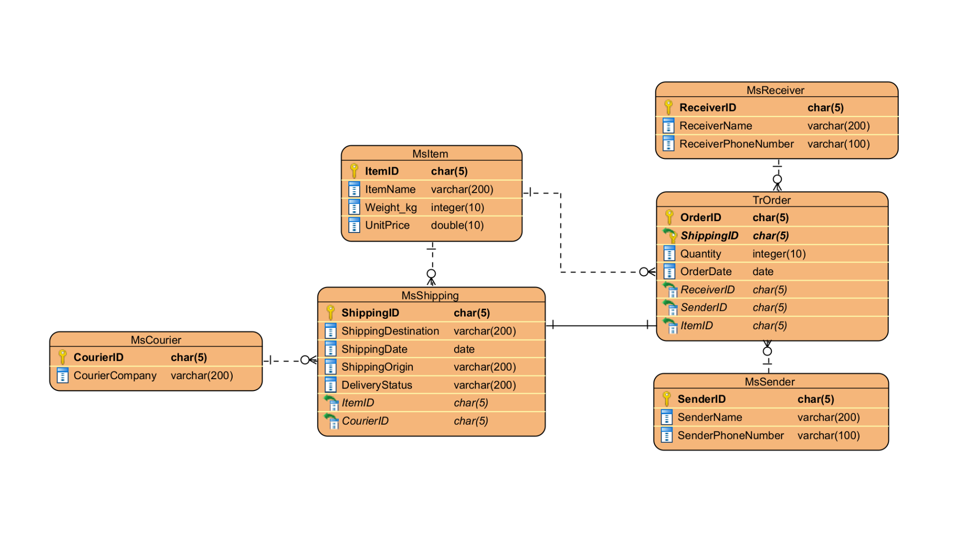
ERD

