Sheet1
WCRR data
1

Supplier create form
WISR form approval
Download PDF
Approval manual
Upload pdf approved
Submit to TMMIN
Reply WISR on system
Approval on system

No. WISR form otomatis

Supplier create submission form
Upload pdf approved
Submit to TMMIN
Reply WISR on system
Approval on system
WISR form approval

2

Dashboard interface
Phase |  | UR | Project Name |  |  | Page
Block Name |  |  |  | Function Name | Created | By
Document Name |  |  | Function Outline - Screen | Title | Updated | By

Description

 | 3. SCREEN IMAGE (Main Menu)
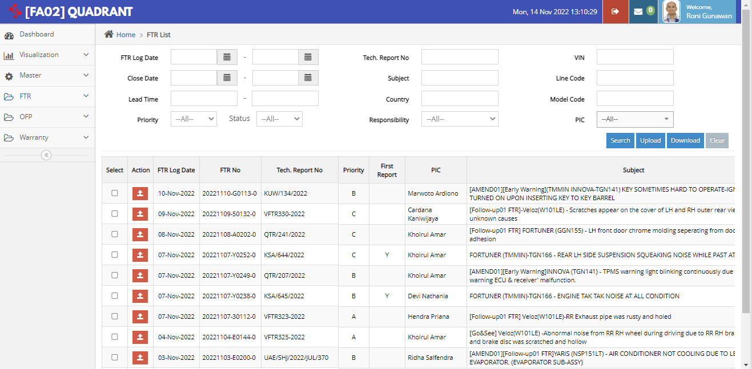

WISR

WISR Creation Date
Supplier Code
~
Business Type
WISR No.

WISR Type

WISR Status

Search
Clear
WISR

Create WISR
Dowload List
detail

New Menu
- WISR creation date
- WISR No. (hyperlink)
- WISR Type
- OFP
- Part Name
- Line Code --> confirm to TMA
- Qty WCRR
- Total Amount WCRR
- Re-currence ID
- F.Dist for Charge Back
- Requested Allocation to Mfg.
- Status
- Reply Status (Agree/Disagree)
- Final PDF
- WCUBE2 master update date (see more detail)
- Re-settlement date (see more detail)
- Re-settlement month (see more detail)
- Total TWC (see more detail)
- Total amount (see more detail)
- Reason/comment (see more detail)
- Submission Date (see more detail)
- Approval Process (see more detail) --> submit for approval
- Finalization Date (see more detail)

Create WISR
Phase |  | UR | Project Name |  |  | Page
Block Name |  |  |  | Function Name | Created | By
Document Name |  |  | Function Outline - Screen | Title | Updated | By

Description

 | 3. SCREEN IMAGE (Main Menu)

WISR > Create WISR

1. WISR Information

WISR Creation Date

Business Type
*
To :

Supplier
*

WISR No.
*
WISR-VE-26-001-NDI
WISR
- Allocation change
Requester's Comment
WISR Type
*
- Charge back to Dist.
Requested Allocation to Mfg.
F.Dist for Charge Back
Free Text
Part No
*

Part Name
text
*
Settlement Month
yyyymm
~
yyyymm
Attachment
Description
File Name
WISR Supplier Approval
WISR Supplier.pdf
Add

Line code
*
multichoice
Distributor
*
SMS Code
*
multichoice

Re-currence ID
*

Refresh WCRR Data
Delete WCRR Data
Save
Download PDF
Submit to TMMIN

No
No
No
No
Select
No
No
No
Settlement month
F.Dist
OFP

No
TWC No
OFP No
VIN
LO Date
T1
T2
Repair Date
Km
OFP Receive Date
Appearance
Performance
Overhaul
Root Cause
Root Cause Judgment

No
TWC No
OFP No
VIN
LO Date
T1
T2
Repair Date
Km
OFP Receive Date
Appearance
Performance
Overhaul
Root Cause
Root Cause Judgment

No
TWC No
OFP No
VIN
LO Date
T1
T2
Repair Date
Km
OFP Receive Date
Appearance
Performance
Overhaul
Root Cause
Root Cause Judgment

Proposal Reply

Agree with Requester
Save
Edit
Withdraw
Submit Approval
We have update W-CUBE2 master on:
We have re-settlement on:
dd-mmm-yyy

Claim will be re-settled on Settlement month:
dd-mmm-yyy
Total TWC:
Approve
Total Cost: Pay Back to requester
Rejct

Disagree

Reason/Comment:
free text

Result of Checking Proposal

1. EPC Confirmation

2. Routing Confirmation

3. Claim Confirmation

4. Other Confirmation

