Cat_occ_indiv
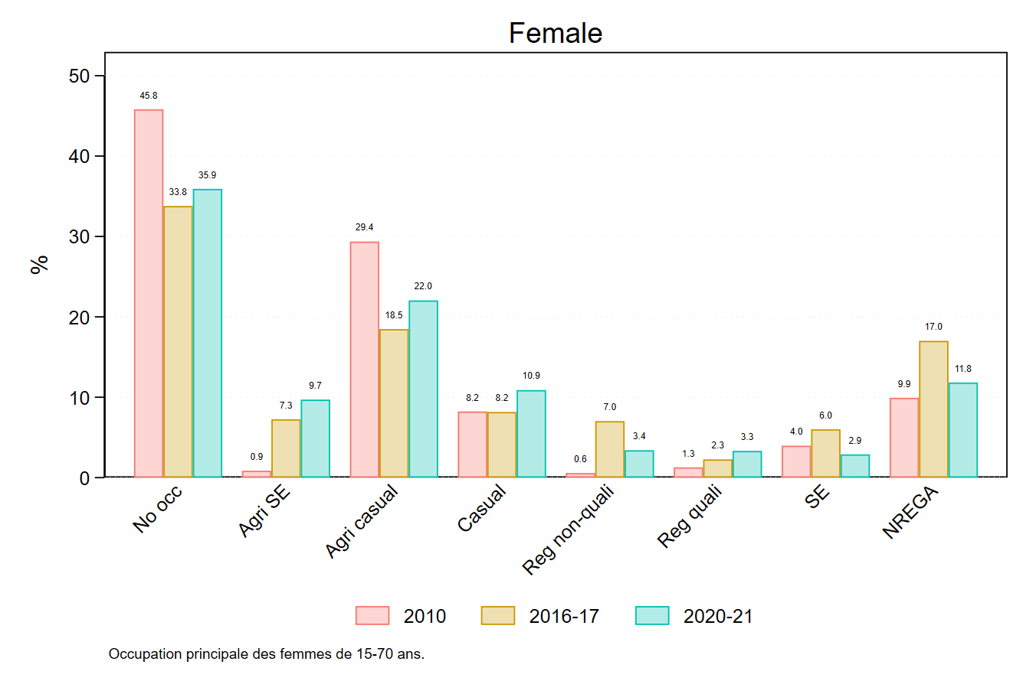
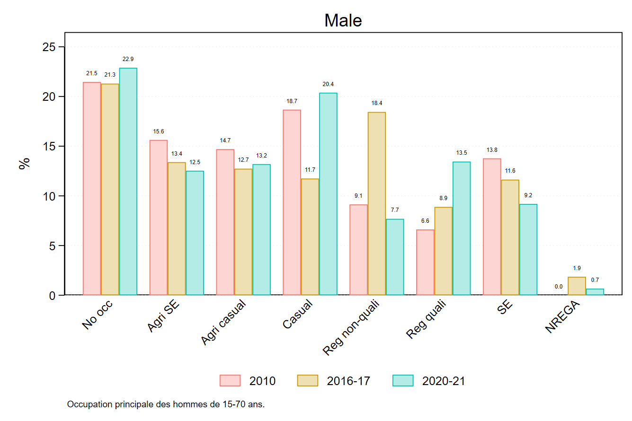

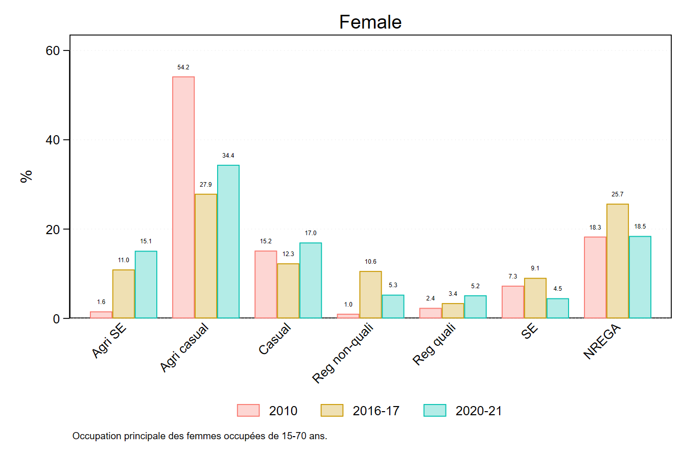
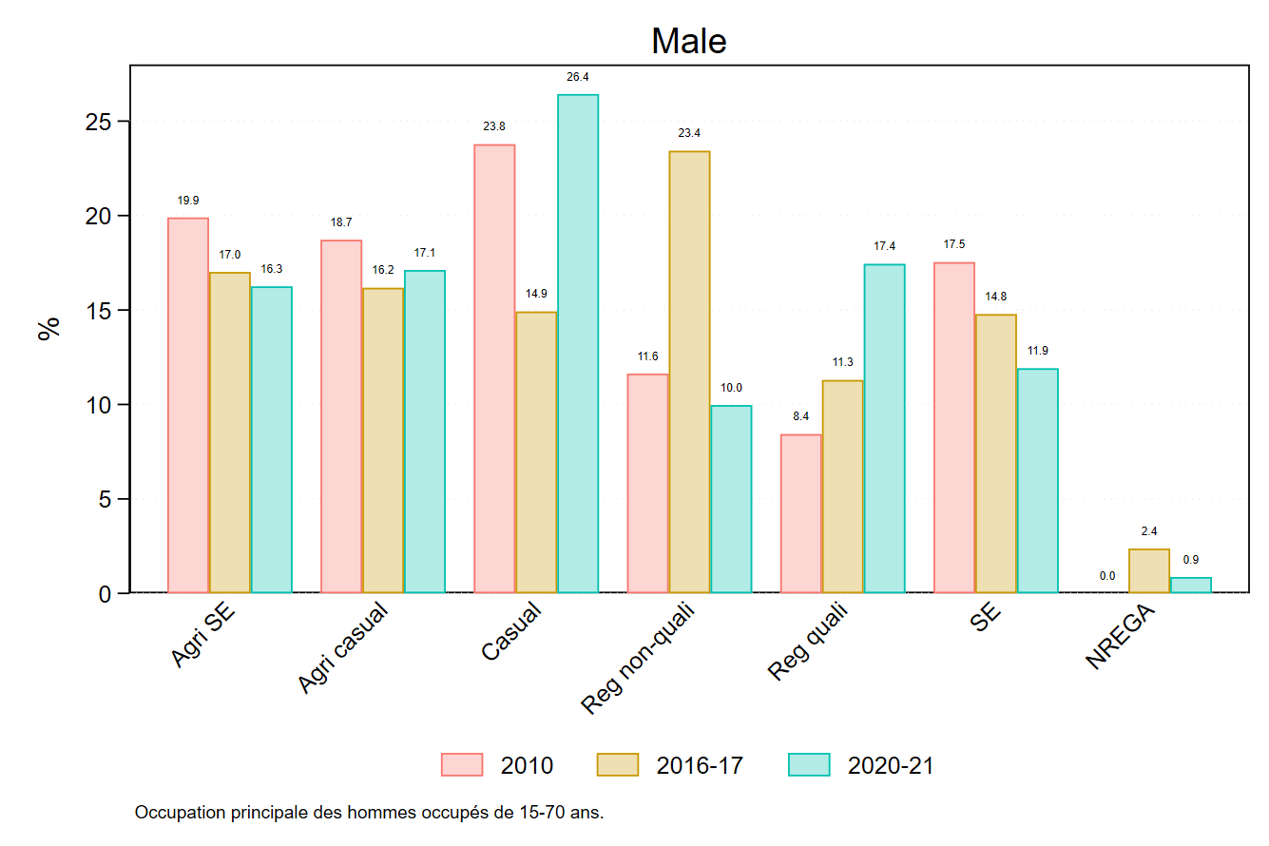

Cat_inc_indiv
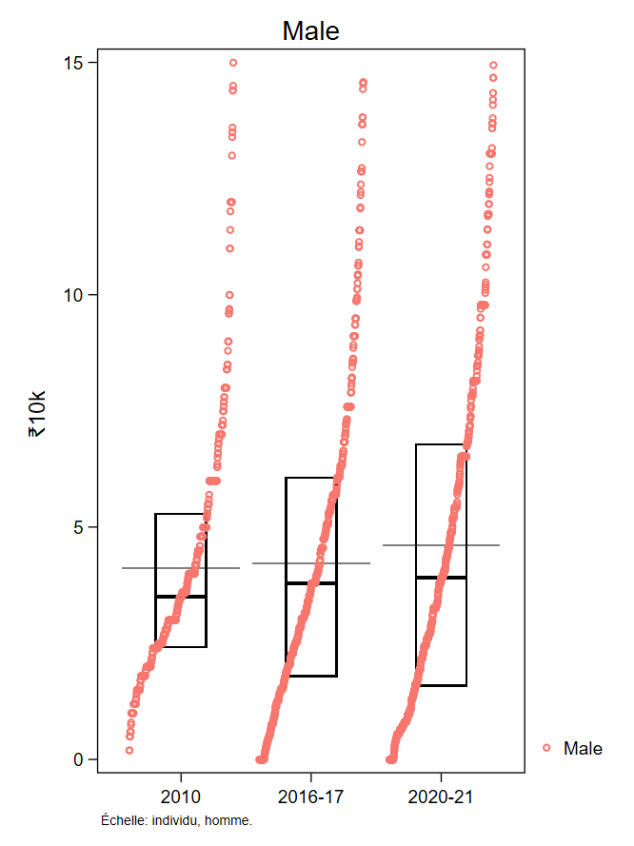
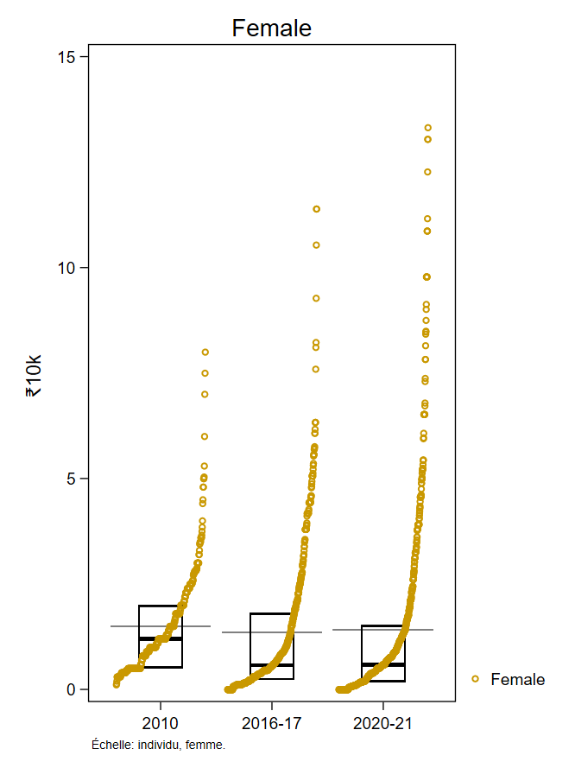

Le bas de la boite représente le premier quartile. Le haut représente le troisième. La barre noire, épaisse, au milieu représente la médiane. La barre transversale grise représente la moyenne.

Chez les hommes, nous voyons que la boite est de plus en plus grande, ce qui montre un accroissement des inégalités : les 25% les plus riches deviennent plus riches, les 25 % les plus pauvres deviennent plus pauvres.

L'échelle est en pour 10,000 roupies, donc: 5=50,000 roupies, 10=100,000 roupies, etc. Il s'agit du revenu annuel.

Cat_inc_HH
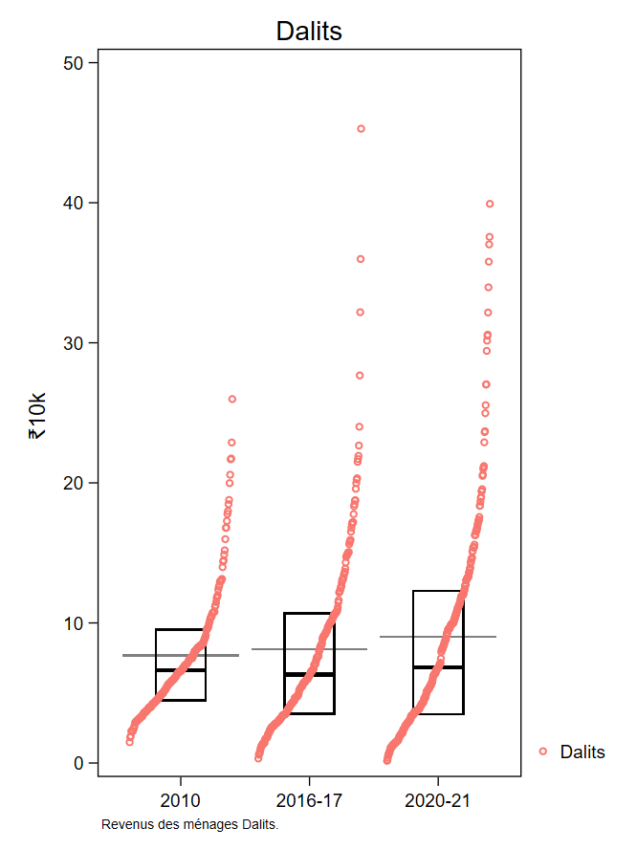
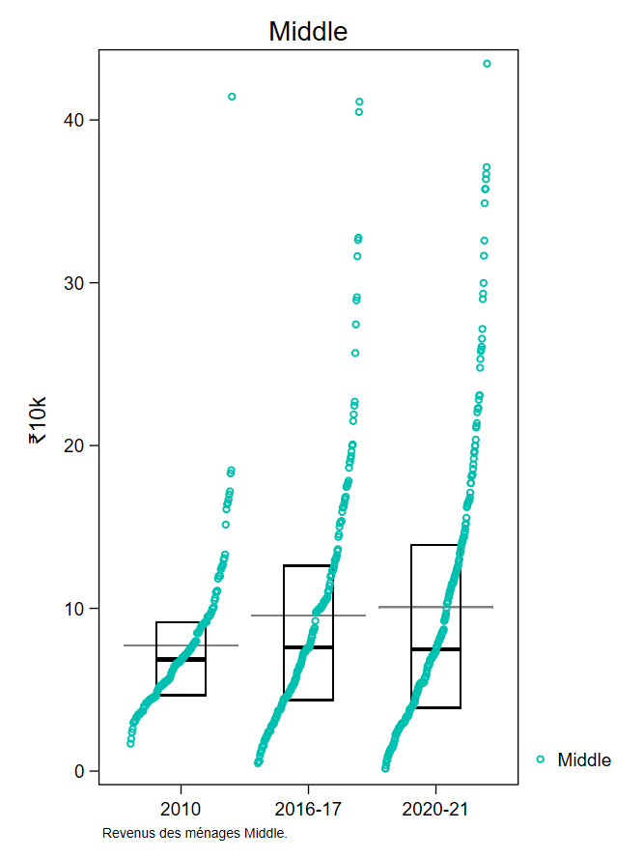
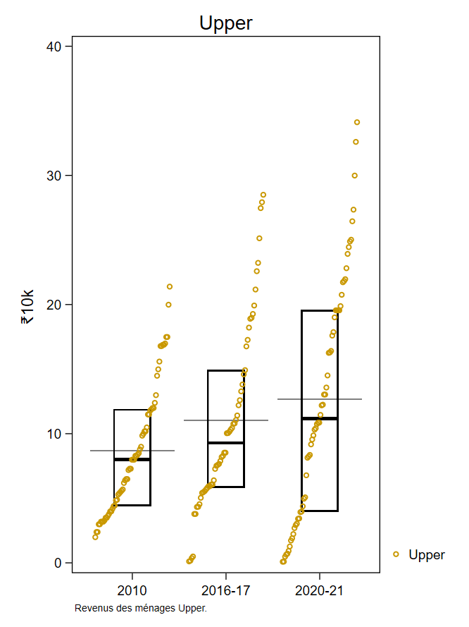
L'échelle est en pour 10,000 roupies, donc: 10=100,000 roupies, 20=200,000 roupies, etc. Il s'agit du revenu annuel des ménages.

Le bas de la boite représente le premier quartile. Le haut représente le troisième. La barre noire, épaisse, au milieu représente la médiane. La barre transversale grise représente la moyenne.

Contrib_enum
