DB structure
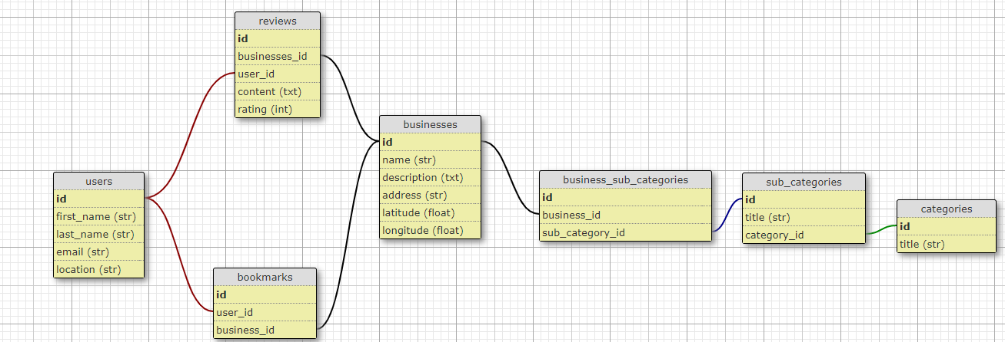
SubCategories |  | Categories |  | Link to Schema
title | id | title | id
Clothes | 1 | Fashion | 1
Sportswear | 2 | Fashion | 1
Shoes | 3 | Fashion | 1
Accessories | 4 | Fashion | 1
Vegetarian | 5 | Food | 2
Vegan | 6 | Food | 2
Meat | 7 | Food | 2
Furniture | 8 | Home | 3
Decor | 9 | Home | 3
Appliances | 10 | Home | 3
Banking | 11 | Finance | 4
Investment | 12 | Finance | 4
Luggage | 13 | Travel | 5
Accommodation | 14 | Travel | 5
Experiences | 15 | Travel | 5
Mobility | 16 | Travel | 5
Electricity | 17 | Energy | 6
Gas | 18 | Energy | 6
Water | 19 | Energy | 6
Events | 20 | Community Hub | 7
Workshops | 21 | Community Hub | 7
Webinars | 22 | Community Hub | 7
Marketplaces | 23 | Community Hub | 7

