Sheet1
链接 | Resource Name | Number of Files | Total File Size
magnet:?xt=urn:btih:103f2691d4e66bead6f3f10e53a654a7069c5f8f | Wicked.21.08.27.Kenna.James.The.Red.Room.XXX.1080p.MP4-WRB[rarbg] | 4 | 1006.42 MB | 
magnet:?xt=urn:btih:7259dbb573bb65450a53477c67a9c71c35cb338d | WildOnCam.21.08.02.Rosalyn.Sphinx.Hardcore.XXX.1080p.MP4-WRB[rarbg] | 4 | 4.21 GB |  |  |  |  | 
magnet:?xt=urn:btih:5cd9b37e8fefaaa740f5174381a6036b8cf1c678 | WildOnCam.21.08.03.Alexis.Tae.And.Delilah.Day.Lesbian.XXX.1080p.MP4-WRB[rarbg] | 4 | 4.36 GB |  |  |  |  | 
magnet:?xt=urn:btih:c709000aea40e4bdcadb704862a012c189dce517 | WildOnCam.21.08.04.Brighton.Blaze.Solo.XXX.1080p.MP4-WRB[rarbg] | 4 | 4.33 GB |  |  |  |  | 
magnet:?xt=urn:btih:f84b548356a8ed073e64b5013e8f8566d0d97e22 | WildOnCam.21.08.05.Madison.Morgan.Hardcore.XXX.1080p.MP4-WRB[rarbg] | 4 | 4.31 GB |  |  |  |  | 
magnet:?xt=urn:btih:cf36f5d8a30bb7aa198194d27604b67ee606b178 | WildOnCam.21.08.06.Apryl.Rein.Solo.XXX.1080p.MP4-WRB[rarbg] | 4 | 4.30 GB |  | 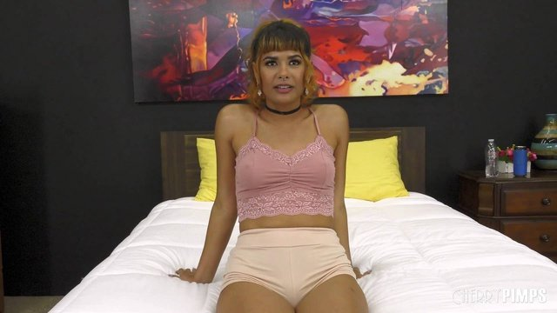 |  | 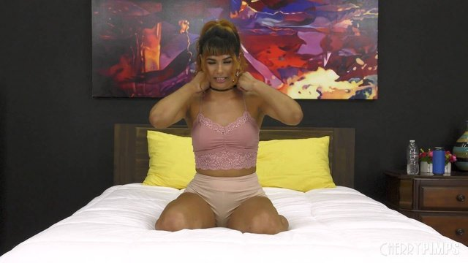 | 
magnet:?xt=urn:btih:3e2fb721cf8fdfe2b1b5992af04be62e4e33ad62 | WildOnCam.21.08.09.Kimmy.Kimm.And.Madison.Summers.Lesbian.XXX.1080p.MP4-WRB[rarbg] | 4 | 4.32 GB |  |  |  |  | 
magnet:?xt=urn:btih:b7e34f0ab1f2c89205614928b490b3256b9cfafd | WildOnCam.21.08.10.Haley.Spades.Solo.XXX.1080p.MP4-WRB[rarbg] | 4 | 4.31 GB |  |  |  |  | 
magnet:?xt=urn:btih:ae1abc2878a20989b8516f7b6b0bb61bffbf0c69 | WildOnCam.21.08.11.Vivian.Taylor.Hardcore.XXX.1080p.MP4-WRB[rarbg] | 4 | 4.32 GB | 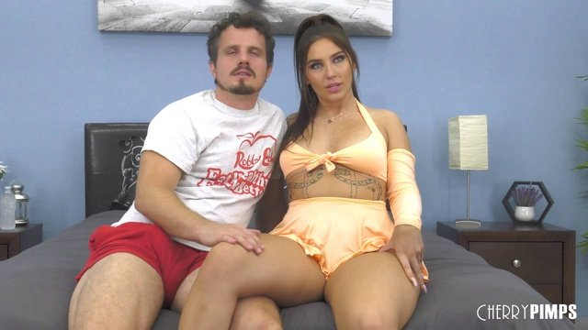 |  |  |  | 
magnet:?xt=urn:btih:c82f9d83ea84294f8b717072610d899bad49fc2a | WildOnCam.21.08.12.Eve.Marlowe.Solo.XXX.1080p.MP4-WRB[rarbg] | 4 | 4.35 GB |  |  |  |  | 
magnet:?xt=urn:btih:4c5f18c1156f6369ff33ab963e31cbdecb5967af | WildOnCam.21.08.13.Avery.Jane.Hardcore.XXX.1080p.MP4-WRB[rarbg] | 5 | 2.42 GB |  |  |  |  | 
magnet:?xt=urn:btih:76979bbe52667aedcbc16cf94d661d5bb486cd7f | WildOnCam.21.08.16.Jesse.Pony.Hardcore.XXX.1080p.MP4-WRB[rarbg] | 4 | 4.33 GB |  |  |  |  | 
magnet:?xt=urn:btih:b7271852dc7e813480ee63ee4da4902cd7b07bce | WildOnCam.21.08.17.Sophia.Burns.Hardcore.XXX.1080p.MP4-WRB[rarbg] | 4 | 4.35 GB |  |  |  |  | 
magnet:?xt=urn:btih:9f982292798eabaa586f34320761aa2280e72d22 | WildOnCam.21.08.18.Ava.Sinclaire.Solo.XXX.1080p.MP4-WRB[rarbg] | 4 | 4.32 GB |  |  |  |  | 
magnet:?xt=urn:btih:f400ce9336cf4dcaeced51fb5efa1644d3d8c982 | WildOnCam.21.08.19.Ailee.Anne.And.Amari.Anne.Lesbian.XXX.1080p.MP4-WRB[rarbg] | 4 | 4.34 GB |  |  |  |  | 
magnet:?xt=urn:btih:4cc2050373ee2e09bb74ab46bd1309ebd1c62587 | WildOnCam.21.08.20.Caitlin.Bell.Solo.XXX.1080p.MP4-WRB[rarbg] | 4 | 4.34 GB |  |  |  |  | 
magnet:?xt=urn:btih:ac8e21aa824bc8c73121277728d6d42454829e5a | WildOnCam.21.08.23.Maya.Kendrick.Solo.XXX.1080p.MP4-WRB[rarbg] | 4 | 4.34 GB |  |  |  |  | 
magnet:?xt=urn:btih:ae36f88c2fb4fdeef21efa10645e0c82c1678929 | WildOnCam.21.08.24.Daisie.Belle.Hardcore.XXX.1080p.MP4-WRB[rarbg] | 4 | 4.36 GB |  |  |  |  | 
magnet:?xt=urn:btih:c7a8e1212c2cf72ec734c48cf339bec16a9dd553 | WildOnCam.21.08.25.Charlie.Valentine.Hardcore.XXX.1080p.MP4-WRB[rarbg] | 4 | 4.34 GB |  |  |  |  | 
magnet:?xt=urn:btih:a0b0cdbc6e77297e23badb93e7c3e9256b284f88 | WildOnCam.21.08.26.Madi.Laine.Solo.XXX.1080p.MP4-WRB[rarbg] | 4 | 4.33 GB |  |  |  |  | 
magnet:?xt=urn:btih:8d41c8e4a5de4e9889c3ab4f4c397cf670720ce7 | WildOnCam.21.08.27.Minxx.Marley.And.Scarlet.Skies.Lesbian.XXX.1080p.MP4-WRB[rarbg] | 4 | 4.31 GB |  |  |  |  | 
magnet:?xt=urn:btih:d27d69c54c7b18c8f4680fe70d2a78853791fc34 | WildOnCam.21.08.30.Shay.Sights.Hardcore.XXX.1080p.MP4-WRB[rarbg] | 4 | 4.34 GB |  |  |  |  | 
magnet:?xt=urn:btih:a6dfac1568867bbadf0eac118aa2a880f35d9a09 | WoodmanCastingX.21.07.18.Jasmin.Spice.Casting.Hard.XXX.1080p.MP4-NBQ[rarbg] | 4 | 4.20 GB |  |  |  |  | 
magnet:?xt=urn:btih:6375a6baaa8e1baf7cb20928c18075e196703a56 | WoodmanCastingX.21.07.20.Virginy.Lovely.Chess.And.Gape.With.Two.Men.XXX.1080p.MP4-NBQ[rarbg] | 4 | 2.75 GB |  |  |  |  | 
magnet:?xt=urn:btih:2a3f66e84f53219e024578345a455046c8acb8b3 | WoodmanCastingX.21.07.27.Olivia.Sparkle.Area.X69.XXX.1080p.MP4-NBQ[rarbg] | 4 | 2.02 GB |  |  |  | 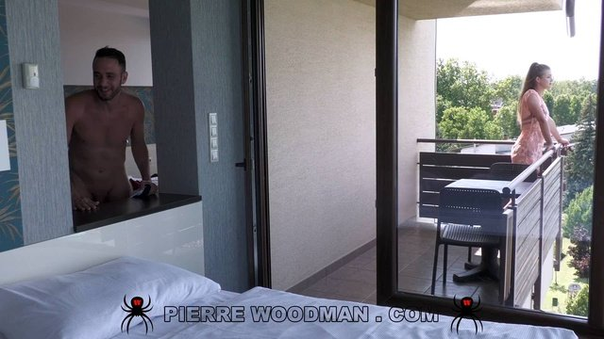 | 
magnet:?xt=urn:btih:269a61e967ad9f9ba5ef380cb60a6e0bc9dbe3db | WoodmanCastingX.21.07.30.Matty.Casting.Hard.XXX.1080p.MP4-NBQ[rarbg] | 4 | 6.46 GB |  |  |  |  | 
magnet:?xt=urn:btih:80147fd56528bf393e2f5f8cb7087f436f915d30 | WoodmanCastingX.21.07.31.Sharon.White.Wsg.16.XXX.1080p.MP4-NBQ[rarbg] | 4 | 2.08 GB |  |  | 
magnet:?xt=urn:btih:ea43ee06e3413ffc8be892a725175b003a959068 | WoodmanCastingX.21.08.05.Sweety.Layne.Area.X69.XXX.1080p.MP4-NBQ[rarbg] | 4 | 1.08 GB |  |  |  |  | 
magnet:?xt=urn:btih:5baa41a12bb1ab6d67e9639840873f612a58f11d | WoodmanCastingX.21.08.06.Marina.Gold.Casting.Hard.XXX.1080p.MP4-NBQ[rarbg] | 4 | 5.76 GB |  |  |  |  | 
magnet:?xt=urn:btih:8a83396a8f62de1ded73a8ae705a937725a38a2e | WoodmanCastingX.21.08.10.Blue.Angel.Casting.Hard.Updated.XXX.1080p.MP4-NBQ[rarbg] | 4 | 6.40 GB |  |  |  |  | 
magnet:?xt=urn:btih:7f5b1459c32997f7aca92526b191906c613c2ca1 | WoodmanCastingX.21.08.12.Sunny.Coleens.CPX.7.XXX.1080p.MP4-NBQ[rarbg] | 4 | 3.17 GB |  |  |  | 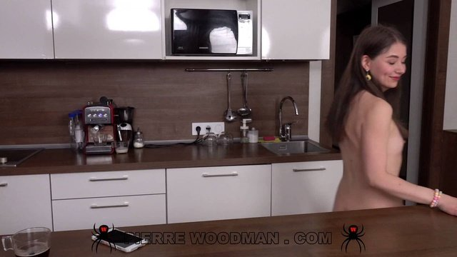 | 
magnet:?xt=urn:btih:cf8747af4f594aab18a8b3ee43a938636065089a | WoodmanCastingX.21.08.20.Clara.Mia.Casting.Hard.Updated.XXX.1080p.MP4-NBQ[rarbg] | 4 | 15.92 GB |  |  |  |  | 
magnet:?xt=urn:btih:4bb17911cd5b17083ff2374a2d3f9486e967f88b | X-Angels.21.08.02.Mulan.XXX.2160p.MP4-WRB[rarbg] | 5 | 2.09 GB |  |  |  |  | 
magnet:?xt=urn:btih:bbba84e950013fece5f8a0e2ab51a6f31a8595c3 | X-Angels.21.08.18.Lana.Lelani.XXX.2160p.MP4-WRB[rarbg] | 4 | 2.73 GB |  |  |  |  | 
magnet:?xt=urn:btih:896f290a43a8d70ef5f069741535583dc2a5e44a | X-Art.21.08.14.Mishel.Dark.What.She.Does.When.Thinking.Of.You.XXX.2160p.MP4-WRB[rarbg] | 4 | 3.30 GB |  |  |  |  | 
magnet:?xt=urn:btih:5237769f390383361eb662056e590adeeee153a0 | X-Art.21.08.17.Kate.Quinn.Sex.With.Our.Sweetheart.XXX.2160p.MP4-WRB[rarbg] | 4 | 5.17 GB |  |  |  |  | 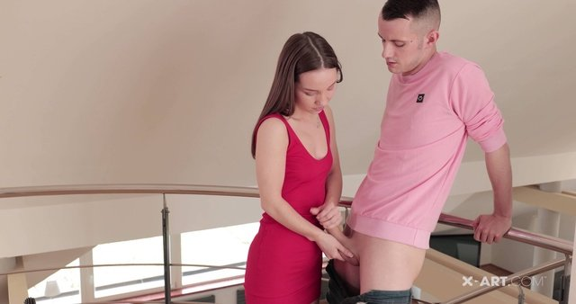
magnet:?xt=urn:btih:b49d3575df242419c6971e318ba413dc2c80fdf5 | X-Sensual.21.08.27.Akira.Drago.And.Sofi.Li.Bisex.Art.Students.Share.Cock.XXX.1080p.MP4-WRB[rarbg] | 4 | 2.25 GB |  |  |  |  | 
magnet:?xt=urn:btih:4cce67ed0186a337aff422fb62b7dcf37d63824d | YoungLibertines.21.08.21.Lana.Broks.Teens.Make.POV.Home.Vid.And.More.XXX.1080p.MP4-WRB[rarbg] | 4 | 2.67 GB |  |  |  |  | 
magnet:?xt=urn:btih:3203567833a5348a18552b25e55c6761a182cae0 | YoungSexParties.21.08.03.Iris.Kiss.And.Regina.Rich.Bisexual.Gals.Share.Cock.XXX.2160p.MP4-WRB[rarbg] | 4 | 4.50 GB |  |  |  |  | 
magnet:?xt=urn:btih:366F4988CFAE8DD5C3925EA7D00676AA09F19721 | HD-720pの強推精品 泰國超唯美的大奶模特性愛視訊 Vol.01：Clara | 77 | 2.17 GB
magnet:?xt=urn:btih:14EC57B6F7C45C80711622411BFF8E3C9A81A619 | HD-720pの強推精品 泰國超唯美的大奶模特性愛視訊 Vol.02：Amara&Natalie | 61 | 923.68 MB |  |  |  |  | 
magnet:?xt=urn:btih:F227297C562154BFEA3AE6BCAEB6DC07615EF71E | HD-720pの強推精品 泰國超唯美的大奶模特性愛視訊 Vol.03：Winny Sung大戰西洋白人雞巴 | 62 | 1.04 GB |  |  |  |  | 
magnet:?xt=urn:btih:7A3959F482FDF076FBC60D8CF398D03F574499AA | HD-720pの強推精品 泰國超唯美的大奶模特性愛視訊 Vol.04：Laila的豹紋巨乳極致誘惑 | 64 | 770.69 MB |  |  |  |  | 
magnet:?xt=urn:btih:658ACACADA677B42DB26A4B9EDE9868E454845AE | HD-720pの強推精品 泰國超唯美的大奶模特性愛視訊 Vol.05：為嫵媚的美穴G奶推油潮噴 | 63 | 663.17 MB |  |  |  |  | 
magnet:?xt=urn:btih:3C0BCDD67BFA45003116F30FD9E2D7D7B382F285 | HD-720pの強推精品 泰國超唯美的大奶模特性愛視訊 Vol.06：Yoko推油自慰 11V | 95 | 2.99 GB |  |  |  |  | 
magnet:?xt=urn:btih:6486ABAE258B10E755E44C2F3D540A3F3425AA9D | HD-720pの強推精品 泰國超唯美的大奶模特性愛視訊 Vol.07：Amara女同道具自慰 12V | 94 | 2.39 GB |  |  |  |  | 
magnet:?xt=urn:btih:33475F50A95BAA7BCE0562324B59C87998BC28FD | HD-720pの強推精品 泰國超唯美的大奶模特性愛視訊 Vol.08：Winny Sung道具手淫後口交被西洋猛男恨肏4V+222p | 95 | 1.41 GB |  |  |  | 
magnet:?xt=urn:btih:6B7550ED2F45E99E86435B37927C07E75719A99D | HD-720pの強推精品 泰國超唯美的大奶模特性愛視訊 Vol.09：Natalie Wang酒店享受靈巧指舌的快感 7V+1934p | 102 | 3.33 GB |  |  |  |  | 
magnet:?xt=urn:btih:0DEB6602B9E4753BB2422F847348DC36EA690DB3 | HD-720pの強推精品 泰國超唯美的大奶模特性愛視訊 Vol.10：Winny Sung一襲紅裙赴約酒店花樣還蠻多的3V | 86 | 1.13 GB |  |  |  |  | 
magnet:?xt=urn:btih:F36438DBDCFB74E3AC2A15D184F66A2E77D3ED96 | HD-720pの獨家！強推高清精品！盜攝漂亮美女洗浴 人妻母狗的性福 | 82 | 1.27 GB |  |  |  |  | 

