Sheet1
链接 | Resource Name | Number of Files | Total File Size
magnet:?xt=urn:btih:57ea17ad957558ebe959f59ab4e542ff3e9dd69c | AbbyWinters.17.10.02.Peggie.Solo.XXX.1080p.MP4-KTR[rarbg] | 3 | 5.00 GB |  |  |  |  | 
magnet:?xt=urn:btih:f60830e56ed2a7b893cd66da76d3f622d86d2497 | AbbyWinters.18.02.12.Marina.T.Solo.XXX.1080p.MP4-KTR[rarbg] | 3 | 2.76 GB | 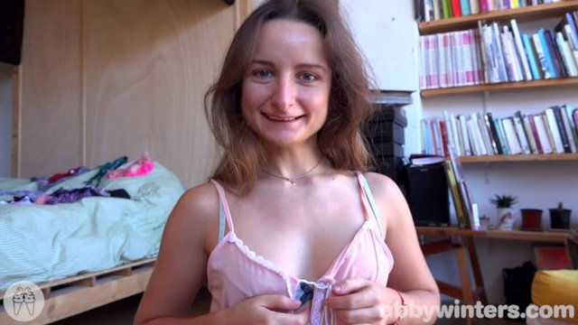 |  |  |  | 
magnet:?xt=urn:btih:f953812f483e9153286b49d246c9643cf3a98d11 | AbbyWinters.18.03.02.Yessica.Solo.XXX.1080p.MP4-KTR[rarbg] | 3 | 3.10 GB |  |  |  |  | 
magnet:?xt=urn:btih:123aa70f33f8c127b7854982e3cfee2e0f1855c3 | AbbyWinters.17.11.10.Rose.K.Solo.XXX.1080p.MP4-KTR[rarbg] | 3 | 3.33 GB |  |  | 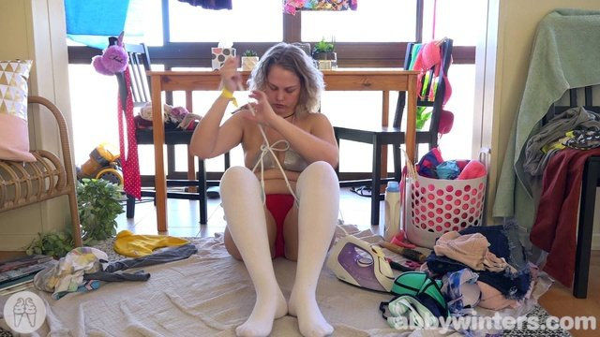 | 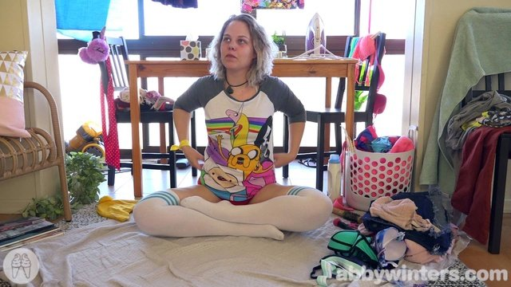 | 
magnet:?xt=urn:btih:34e582a564d6d44a3d17d3dce54799748e77f60d | AbbyWinters.17.10.06.Jenna.R.Solo.XXX.1080p.MP4-KTR[rarbg] | 3 | 3.11 GB |  |  |  |  | 
magnet:?xt=urn:btih:510774bb4e29734d8c04f192823933ee5ec82dea | AbbyWinters.17.06.20.Dominika.Intimate.Moments.XXX.1080p.MP4-KTR[rarbg] | 3 | 1.10 GB |  |  |  |  | 
magnet:?xt=urn:btih:cec81ba4fd323aa72ed118b17489688d250565a8 | AbbyWinters.17.04.17.Monica.M.Solo.XXX.2160p.MP4-KTR[rarbg] | 3 | 2.80 GB |  |  |  |  | 
magnet:?xt=urn:btih:15c574aa29ba851946894fa162a837f7499e2879 | AbbyWinters.17.04.10.Beatrix.Solo.XXX.1080p.MP4-KTR[rarbg] | 3 | 2.57 GB | 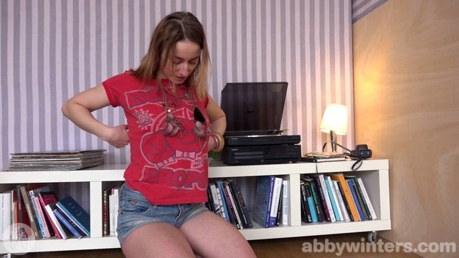 |  |  |  | 
magnet:?xt=urn:btih:fd903b39cc1aa26b7ea10dac1b61719d4a7da8c3 | AbbyWinters.17.03.10.Alexandra.Solo.XXX.1080p.MP4-KTR[rarbg] | 3 | 2.60 GB |  |  |  |  | 
magnet:?xt=urn:btih:62f5aca067281bfd610b7218a4e3343d384c767c | AbbyWinters.18.03.12.Kayla.J.Solo.XXX.1080p.MP4-KTR[rarbg] | 4 | 3.22 GB |  |  | 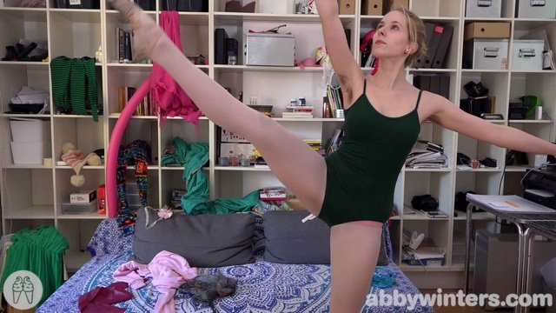 |  | 
magnet:?xt=urn:btih:db4174e618b048fcbe5da1c89821386c9154bae3 | AbbyWinters.17.01.13.Paulina.Solo.XXX.1080p.MP4-KTR[rarbg] | 3 | 3.45 GB |  | 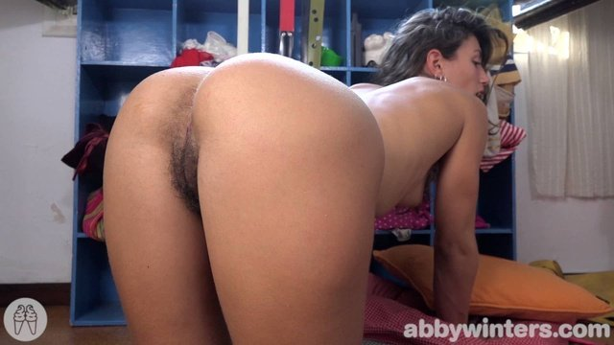 |  |  | 
magnet:?xt=urn:btih:764edb93dc336a90a7c5039e978d53706577e716 | AbbyWinters.17.02.10.Minks.Solo.XXX.1080p.MP4-KTR[rarbg] | 3 | 2.82 GB |  |  |  |  | 
magnet:?xt=urn:btih:3878c9413a1fd07360b6b6587593ee7a02c2f620 | AbbyWinters.18.04.23.Brianna.T.Solo.XXX.1080p.MP4-KTR[rarbg] | 3 | 2.05 GB |  |  |  |  | 
magnet:?xt=urn:btih:0809e35d3da2d0a32b715c9ef81279ab56545b01 | AbbyWinters.16.10.07.Chloe.V.Solo.XXX.1080p.MP4-KTR[rarbg] | 3 | 1.44 GB |  |  |  |  | 
magnet:?xt=urn:btih:64c2d9033c4509dc04a7d205380f40e4b39e47bd | AbbyWinters.16.10.04.Anastasia.D.Intimate.Moments.XXX.1080p.MP4-KTR[rarbg] | 3 | 1.12 GB |  |  |  |  | 
magnet:?xt=urn:btih:c19e282f7de090251ca79b379973a2b9ce1c1bd9 | AbbyWinters.18.02.20.Jenna.R.Intimate.Moments.XXX.1080p.MP4-KTR[rarbg] | 3 | 676.04 MB |  |  |  |  | 
magnet:?xt=urn:btih:de38dcef28a50952f088b4086244af41073ffcb8 | AbbyWinters.16.02.12.Mona.Intimate.Moments.XXX.1080p.MP4-KTR[rarbg] | 3 | 894.74 MB |  | 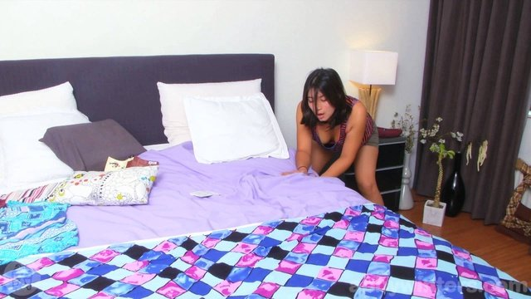 |  |  | 
magnet:?xt=urn:btih:58617f73670d5f26ed324f68baa90f404afe6698 | AbbyWinters.18.02.26.Fabiana.Solo.XXX.1080p.MP4-KTR[rarbg] | 3 | 1.73 GB |  |  |  |  | 
magnet:?xt=urn:btih:20a510fa7c380e25399a74a4bbabf05ee7c291d7 | AbbyWinters.16.06.10.Mihaela.Solo.XXX.1080p.MP4-KTR[rarbg] | 3 | 2.39 GB |  |  |  |  | 
magnet:?xt=urn:btih:e85a45397819440da375a69bfeeaf95c487cff3d | AbbyWinters.18.02.19.Arina.Solo.XXX.1080p.MP4-KTR[rarbg] | 3 | 3.04 GB |  |  |  |  | 
magnet:?xt=urn:btih:b888e92aacb19f1865e16781e95131b697488a23 | AbbyWinters.18.04.20.Mona.Solo.XXX.1080p.MP4-KTR[rarbg] | 3 | 2.44 GB |  |  |  |  | 
magnet:?xt=urn:btih:a95f03ff713881c6f0cf97f8c019e9e5afd012b8 | AbbyWinters.18.02.16.Ella.C.Solo.XXX.1080p.MP4-KTR[rarbg] | 4 | 3.93 GB |  |  |  |  | 
magnet:?xt=urn:btih:a154223efd53f5895554429f2025041cc3986f4e | AbbyWinters.18.01.26.Tahlia.J.Solo.XXX.1080p.MP4-KTR[rarbg] | 3 | 3.33 GB |  |  |  |  | 
magnet:?xt=urn:btih:d6e486adf1c9ed22c81bb106bea24ff98c31f010 | AbbyWinters.18.01.15.Elsa.M.Solo.XXX.1080p.MP4-KTR[rarbg] | 3 | 3.32 GB |  |  |  |  | 
magnet:?xt=urn:btih:c87987836769723dcf656201e618f3c3f8141f85 | AbbyWinters.18.01.12.Zane.Solo.XXX.1080p.MP4-KTR[rarbg] | 3 | 2.83 GB |  |  |  |  | 
magnet:?xt=urn:btih:da58f21ab14c039de482a9a34623f9f79a7cbccd | AbbyWinters.18.04.27.Audrey.Solo.XXX.1080p.MP4-KTR[rarbg] | 3 | 3.75 GB |  |  |  |  | 
magnet:?xt=urn:btih:0323cd4aa66f1d2931393a4972bfd721aecfd0a0 | AbbyWinters.18.05.11.Iriana.Solo.XXX.1080p.MP4-KTR[rarbg] | 3 | 3.51 GB |  |  |  |  | 
magnet:?xt=urn:btih:12554190cbf8da6ce956657f8076ce98adbb7e95 | AbbyWinters.18.05.14.Scarlett.J.Solo.XXX.1080p.MP4-KTR[rarbg] | 3 | 3.41 GB |  |  |  |  | 
magnet:?xt=urn:btih:b0683d1142d6d4f28d41d91821060ba67ab7e7fc | AbbyWinters.18.05.04.Camilla.Solo.XXX.1080p.MP4-KTR[rarbg] | 3 | 2.40 GB |  |  |  |  | 
magnet:?xt=urn:btih:5a6d219094aaf8f689f58b4d7b0caa1587239fe9 | AbbyWinters.18.04.30.Gemma.B.Solo.XXX.1080p.MP4-KTR[rarbg] | 3 | 3.08 GB | 
magnet:?xt=urn:btih:ccbba9cbd75cdd73b2c244b2cca28fe2e0e9d5cb | AbbyWinters.18.05.18.Andreea.Solo.XXX.1080p.MP4-KTR[rarbg] | 3 | 3.15 GB |  |  |  |  | 
magnet:?xt=urn:btih:749a24be28b4da565893c7c622f0723c135e7fe9 | AbbyWinters.18.05.21.Vika.Solo.XXX.1080p.MP4-KTR[rarbg] | 3 | 2.23 GB |  |  |  |  | 
magnet:?xt=urn:btih:cbe844f2b092978780bd67eb83fd5f28a227e5b1 | AbbyWinters.18.05.28.Martina.E.Solo.XXX.1080p.MP4-KTR[rarbg] | 3 | 1.54 GB |  |  |  |  | 
magnet:?xt=urn:btih:78df98d25819673861987dd37fd740fd8ea9539e | AbbyWinters.18.05.25.Daniela.D.Solo.XXX.1080p.MP4-KTR[rarbg] | 4 | 3.32 GB |  |  | 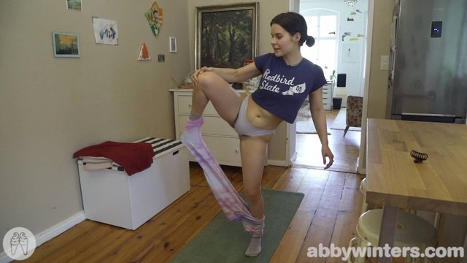 |  | 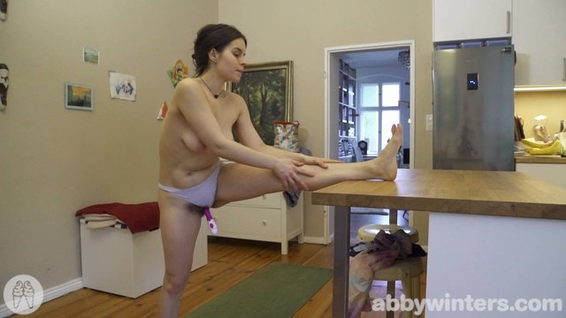
magnet:?xt=urn:btih:f65ff63216a927a8eeb549d7016b8c99bdfc82e9 | AbbyWinters.18.06.04.Adriana.E.Solo.XXX.1080p.MP4-KTR[rarbg] | 3 | 2.43 GB |  |  |  |  | 
magnet:?xt=urn:btih:3339d0aa9afbd6978e963f15ee45c1e88451b13b | AbbyWinters.18.06.01.Ella.C.Solo.XXX.1080p.MP4-KTR[rarbg] | 3 | 3.61 GB |  |  |  |  | 
magnet:?xt=urn:btih:d910aae7af7139330ad18f439be9f76af751bd0e | AbbyWinters.18.06.15.Cristina.R.Solo.XXX.1080p.MP4-KTR[rarbg] | 3 | 2.35 GB |  |  |  |  | 
magnet:?xt=urn:btih:9fc9b6c70cf046fdc052ceec0a572e81c484bff0 | AbbyWinters.18.06.18.Elah.Solo.XXX.1080p.MP4-KTR[rarbg] | 3 | 1.80 GB |  |  |  |  | 
magnet:?xt=urn:btih:12c6adee9c7fbc381ac2c3c3345c3186c299813f | AbbyWinters.18.06.12.Peggie.Intimate.Moments.XXX.1080p.MP4-KTR[rarbg] | 3 | 1018.57 MB |  |  |  |  | 
magnet:?xt=urn:btih:f35baf7ef1004cb6d2ee38eb63c70aad9ee6ca7e | AbbyWinters.18.06.22.Sonya.Solo.XXX.1080p.MP4-KTR[rarbg] | 3 | 1.98 GB |  |  |  |  | 
magnet:?xt=urn:btih:65929952abb4f1000e37e7798039ea487da08667 | AbbyWinters.18.06.26.Zane.Intimate.Moments.XXX.1080p.MP4-KTR[rarbg] | 3 | 583.50 MB |  |  |  |  | 
magnet:?xt=urn:btih:0b682f0deb478ef37165ea57383cf6ff5ba9b241 | AbbyWinters.18.06.25.Dalia.Solo.XXX.1080p.MP4-KTR[rarbg] | 3 | 2.60 GB | 
magnet:?xt=urn:btih:ade4d229c6a9e46abc726d520c5d6dded65d410f | AbbyWinters.18.07.10.Daniela.D.Intimate.Moments.XXX.1080p.MP4-KTR[rarbg] | 3 | 695.05 MB |  |  |  |  | 
magnet:?xt=urn:btih:9b448c3ae44c024c6a6019eafb0565810ca48831 | AbbyWinters.18.06.29.Luciana.Solo.XXX.1080p.MP4-KTR[rarbg] | 3 | 3.94 GB |  |  |  |  | 
magnet:?xt=urn:btih:0957a20f48382f6316b6e3b1399f6fa79ff0f1eb | AbbyWinters.18.07.13.Sarah.Q.Solo.XXX.1080p.MP4-KTR[rarbg] | 3 | 2.59 GB |  |  |  |  | 
magnet:?xt=urn:btih:21d2cacd88d5f1d363579b280beb9150482ef791 | AbbyWinters.18.07.06.Dasha.D.Solo.XXX.1080p.MP4-KTR[rarbg] | 3 | 2.24 GB |  |  |  |  | 
magnet:?xt=urn:btih:253fbab0c9c21bb0a6cf6e572f88baa533fe00e9 | AbbyWinters.18.07.20.Charlee.Solo.XXX.1080p.MP4-KTR[rarbg] | 3 | 3.23 GB | 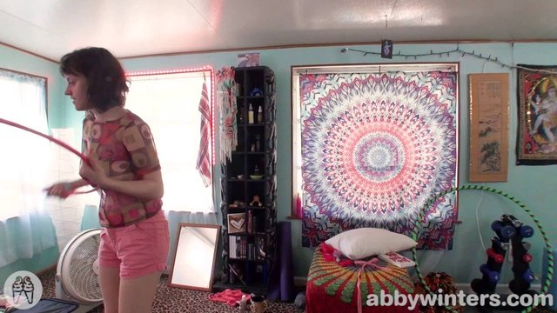 |  |  |  | 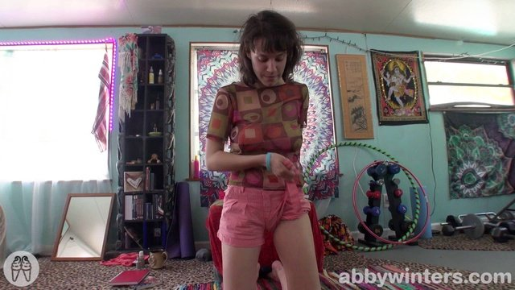
magnet:?xt=urn:btih:07026beaae627b4e6f1106e987187afc57efff56 | AbbyWinters.18.08.06.Claudia.V.Solo.XXX.1080p.MP4-KTR[rarbg] | 3 | 2.60 GB |  |  |  |  | 
magnet:?xt=urn:btih:03afdff36d62c72d9f9ce598de34187662211a2a | AbbyWinters.18.08.10.Alexandra.Solo.XXX.1080p.MP4-KTR[rarbg] | 3 | 2.10 GB |  |  |  |  | 
magnet:?xt=urn:btih:d3235884beb9cebcaa46cde97fb2767b67cab18f | AbbyWinters.18.07.30.Jada.S.Solo.XXX.1080p.MP4-KTR[rarbg] | 3 | 2.51 GB |  |  |  | 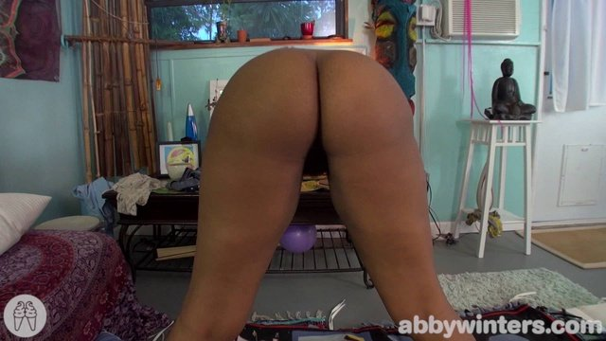 | 

