Sheet1
链接 | Resource Name | Number of Files | Total File Size
magnet:?xt=urn:btih:6bf3c2a3b621761533d18dbdc44acbef729e7db0 | SheWillCheat.21.08.13.Ana.Foxxx.XXX.1080p.MP4-WRB[rarbg] | 4 | 456.73 MB |  |  |  |  | 
magnet:?xt=urn:btih:585962bfb4449f0f1487776ef09ca91561925dbf | SheWillCheat.21.08.27.Demi.Sutra.XXX.1080p.MP4-WRB[rarbg] | 4 | 505.26 MB |  |  |  |  | 
magnet:?xt=urn:btih:cfaf91c72339fe3e846c17a9b8606230e1940200 | Shoplyfter.21.08.04.Alona.Bloom.The.Hairbrush.XXX.1080p.MP4-WRB[rarbg] | 4 | 3.48 GB |  |  | 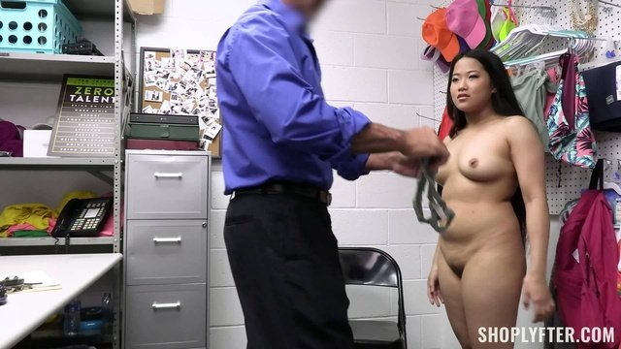 |  | 
magnet:?xt=urn:btih:48f57efc645427abc63bd9a14cb4a4ad78776848 | Shoplyfter.21.08.11.Penelope.Kay.The.Runaway.XXX.1080p.MP4-WRB[rarbg] | 4 | 4.64 GB |  |  |  |  | 
magnet:?xt=urn:btih:5352e7d1d528c76c98bf2f37df7e3e118d301e51 | Shoplyfter.21.08.18.Angel.Youngs.The.Inside.Job.XXX.1080p.MP4-WRB[rarbg] | 4 | 4.31 GB |  |  |  | 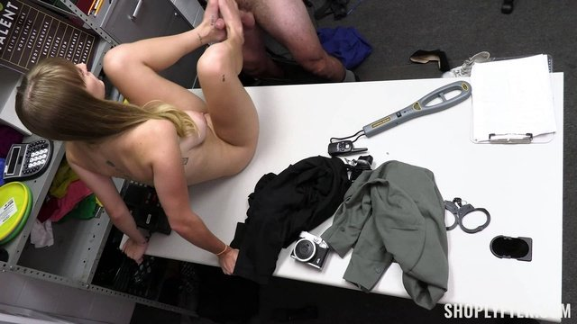 | 
magnet:?xt=urn:btih:d71885227c11639415c4445a7489f07b59f609ec | Shoplyfter.21.08.25.Maya.Woulfe.An.Extra.Watchful.Eye.XXX.1080p.MP4-WRB[rarbg] | 4 | 5.14 GB |  |  |  |  | 
magnet:?xt=urn:btih:dd4cb63a283050099f4378116b48f4a974925667 | ShoplyfterMylf.21.08.14.Nova.Sky.Stolen.Supplies.And.Demand.XXX.1080p.MP4-WRB[rarbg] | 4 | 4.67 GB |  |  |  |  | 
magnet:?xt=urn:btih:94b0546caf6fe4e94a9722f0ea074699266ad8b3 | ShoplyfterMylf.21.08.28.Rory.Knox.And.Ryan.Keely.Mean.Female.Officer.XXX.1080p.MP4-WRB[rarbg] | 4 | 4.28 GB |  |  |  |  | 
magnet:?xt=urn:btih:09b29446069e88379ebe6e94cf1ac4ebb4794600 | SinfulXXX.21.08.06.Shalina.Devine.XXX.1080p.MP4-WRB[rarbg] | 4 | 3.38 GB |  |  |  |  | 
magnet:?xt=urn:btih:3436e7ba9d574d35ebe895d3a7b355ee423ce395 | SinfulXXX.21.08.13.Stacy.Bloom.XXX.1080p.MP4-WRB[rarbg] | 4 | 3.09 GB |  |  |  |  | 
magnet:?xt=urn:btih:aa7e06848bebc4ab05baa364d5710bb97347f6af | SinfulXXX.21.08.20.My.Sinful.Orgy.Part.1.XXX.1080p.MP4-WRB[rarbg] | 4 | 2.85 GB |  |  |  |  | 
magnet:?xt=urn:btih:151a5ad93cf9f27f1007ece5abfa1eef908b2670 | SinfulXXX.21.08.27.Shalina.Devine.XXX.1080p.MP4-WRB[rarbg] | 4 | 3.27 GB |  |  |  |  | 
magnet:?xt=urn:btih:40fc948a1ff007157204593f5c04e9c6abd3e8da | SisLovesMe.21.08.06.Kyler.Quinn.Stepsiblings.Share.The.Bed.XXX.1080p.MP4-WRB[rarbg] | 4 | 4.19 GB |  |  |  |  | 
magnet:?xt=urn:btih:294dfe3629818a5ef4d1cdbcafd327dc30baff4f | SisLovesMe.21.08.13.Celestina.Blooms.Summertime.Seduction.XXX.1080p.MP4-WRB[rarbg] | 4 | 3.89 GB |  |  |  |  | 
magnet:?xt=urn:btih:95825332c81d265aca9584c1b054f61bc662de92 | SisLovesMe.21.08.20.Scarlett.Hampton.Games.With.A.Twist.XXX.1080p.MP4-WRB[rarbg] | 4 | 3.82 GB |  |  |  |  | 
magnet:?xt=urn:btih:b8ee2aa3751e5888384b91f1829cde32ef41759f | SisLovesMe.21.08.27.Haley.Spades.Stepsisters.V.Card.XXX.1080p.MP4-WRB[rarbg] | 4 | 4.23 GB |  |  |  |  | 
magnet:?xt=urn:btih:7c3d090ad012330169d9eb2743bb653efb8a717f | SisSwap.21.08.01.Haley.Spades.And.Minxx.Marley.Stepsisters.Teenie.Bikinis.XXX.1080p.MP4-WRB[rarbg] | 4 | 4.10 GB |  |  |  |  | 
magnet:?xt=urn:btih:cfe41ca4f9e89f6af0a61d78e3178962a78b24c6 | SisSwap.21.08.15.Samantha.Reigns.And.Angel.Youngs.Operation.Stepbro.Swap.XXX.1080p.MP4-WRB[rarbg] | 4 | 3.37 GB |  |  |  |  | 
magnet:?xt=urn:btih:f263e7ea33b5565b679cea2044b901628f64e5a4 | SisSwap.21.08.29.Gia.Di.Bella.And.Celestina.Blooms.A.Daring.Sleepover.XXX.1080p.MP4-WRB[rarbg] | 4 | 3.78 GB |  |  |  |  | 
magnet:?xt=urn:btih:a3ac61ba4acde3e877b3d8c1ee7e9a35b7bbd853 | SlaveMouth.21.06.03.Lexi.Grey.My.Filthy.Mouth.Your.Sick.Commands.XXX.1080p.MP4-FETiSH[rarbg] | 4 | 2.23 GB |  | 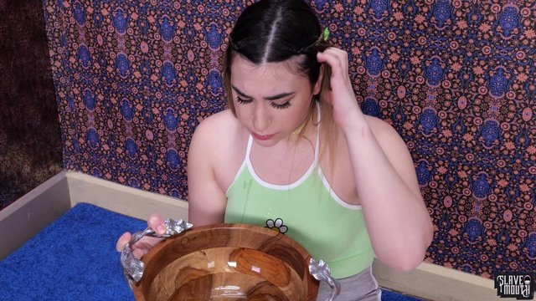 |  |  | 
magnet:?xt=urn:btih:f84de5908d1818962f81f53e07fea0efe8f5fe0a | SlutInspection.21.07.29.Natalie.Brooks.And.Serena.Santos.XXX.1080p.MP4-WRB[rarbg] | 5 | 1.73 GB |  |  |  |  | 
magnet:?xt=urn:btih:d58edc31013208c7e202ebf3d54e748cd495f440 | SouthernSins.21.08.04.Stevie.Green.Bound.Hairy.Beauty.XXX.1080p.MP4-WRB[rarbg] | 4 | 1.58 GB |  |  |  |  | 
magnet:?xt=urn:btih:bf9d0a846848434819846e586131ee4770051e8d | Sperma-Studio.21.08.11.SperMarie.And.Elina.Fuck.Day.XXX.1080p.MP4-WRB[rarbg] | 4 | 2.59 GB |  |  |  |  | 
magnet:?xt=urn:btih:df44479f066c035cc5a525aa8c6fba9af8fae614 | SpyFam.21.08.14.Kyler.Quinn.Horny.Stepsis.XXX.2160p.MP4-WRB[rarbg] | 4 | 4.08 GB |  |  |  |  | 
magnet:?xt=urn:btih:5804e539f101dcdf91b5f9f43c8f2def6c56f65a | Squirted.21.08.06.Lala.Ivey.Squirter.Lala.Is.Fire.XXX.1080p.MP4-WRB[rarbg] | 4 | 941.08 MB |  |  |  |  | 
magnet:?xt=urn:btih:f11ba8ce733edbd80f5bd60d67550b560dea1b94 | Squirted.21.08.20.Aubree.Valentine.Aubrees.First.Squirt.XXX.1080p.MP4-WRB[rarbg] | 4 | 928.27 MB |  |  |  |  | 
magnet:?xt=urn:btih:2f87ec4c662c1ededc69e2377205247ddd43f642 | StayHomeMilf.21.08.08.Lolly.Dames.The.Perfect.Incentive.XXX.1080p.MP4-WRB[rarbg] | 4 | 5.62 GB |  |  |  |  | 
magnet:?xt=urn:btih:5d72e205e60ccee260dcf8558c65a16d0d2f2686 | StayHomeMilf.21.08.16.Clea.Gaultier.Mommys.Medicine.XXX.1080p.MP4-WRB[rarbg] | 4 | 2.91 GB |  |  |  |  | 
magnet:?xt=urn:btih:af4613a5d154b3c74be87f5430078a0c91a4e18a | StayHomePOV.21.08.15.Serena.Santos.And.Natalie.Brooks.Best.Friends.Share.You.XXX.1080p.MP4-WRB[rarbg] | 4 | 2.93 GB |  |  |  |  | 
magnet:?xt=urn:btih:4d1dedb02ee5383835a64ab0af570c48b07269db | StepSiblingsCaught.21.08.01.Eliza.Ibarra.August.2021.Flavor.Of.The.Month.XXX.2160p.MP4-WRB[rarbg] | 4 | 2.86 GB |  |  |  |  | 
magnet:?xt=urn:btih:6c166571e286e932fa79a10f067e4890b34b0d76 | StepSiblingsCaught.21.08.14.Harley.Haze.My.Step.Sisters.Titty.Popped.Out.XXX.2160p.MP4-WRB[rarbg] | 4 | 4.00 GB |  |  |  |  | 
magnet:?xt=urn:btih:9321e8700bb0639cabc7e59db8a10ba564ae1d3f | StepSiblingsCaught.21.08.20.Minxx.Marii.I.Took.My.Stepsister.On.A.Picnic.XXX.2160p.MP4-WRB[rarbg] | 4 | 3.41 GB |  |  |  |  | 
magnet:?xt=urn:btih:eaf1b429c8fdeff9d492cfc97a96f1da94448ac3 | StepSiblingsCaught.21.08.29.Ivi.Rein.What.Kind.Of.Porn.Are.You.Watching.XXX.2160p.MP4-WRB[rarbg] | 4 | 3.55 GB |  |  |  |  | 
magnet:?xt=urn:btih:610228c11fc9499d03f673a924b2614822e8b80d | StrandedTeens.21.08.31.Serenia.Keer.Desperate.Cockhunter.XXX.1080p.MP4-WRB[rarbg] | 4 | 1.43 GB |  |  |  |  | 
magnet:?xt=urn:btih:a961cbec66b93b7a8b2d00722fda9291901d6970 | SuckThisDick.E01.Kaitlyn.Katsaros.XXX.1080p.MP4-FETiSH[rarbg] | 4 | 734.25 MB |  |  |  |  | 
magnet:?xt=urn:btih:000452fc98e11b6daf0d34e56ce7a13c6f74859b | SuckThisDick.E02.Leda.Lotharia.XXX.1080p.MP4-FETiSH[rarbg] | 4 | 1.05 GB |  |  |  |  | 
magnet:?xt=urn:btih:b511bbdb03137cf87dace8865be9ec929ff942d5 | SuckThisDick.E03.Emori.Pleezer.XXX.1080p.MP4-FETiSH[rarbg] | 4 | 1.12 GB |  |  |  |  | 
magnet:?xt=urn:btih:95ed757125a2082ca99dc5501aa4311cfdaccf5e | SuckThisDick.E04.Katilyn.Katsaros.2.XXX.1080p.MP4-FETiSH[rarbg] | 4 | 1.06 GB | 
magnet:?xt=urn:btih:d7f73e29853bcdb8f2abd0690bfbd9f7123282cc | SuckThisDick.E05.Mazzy.Grace.XXX.1080p.MP4-FETiSH[rarbg] | 4 | 1.01 GB |  |  |  |  | 
magnet:?xt=urn:btih:3cfa35c5c730e49f6171888ba563bbc25d104383 | SuckThisDick.E06.Melody.Foxx.XXX.1080p.MP4-FETiSH[rarbg] | 4 | 1.24 GB |  |  |  |  | 
magnet:?xt=urn:btih:d288733a1c3184aff7322bc4abd975b49a7f8704 | SuckThisDick.E07.Laney.Grey.XXX.1080p.MP4-FETiSH[rarbg] | 4 | 825.94 MB |  |  |  |  | 
magnet:?xt=urn:btih:0f256b272726282a05972a6352c1b80420232a49 | SuckThisDick.E08.Katilyn.Katsaros.3.XXX.1080p.MP4-FETiSH[rarbg] | 4 | 1.88 GB |  |  |  |  | 
magnet:?xt=urn:btih:78e4567a02f964cd802d48adb9181eab7af6c792 | SuckThisDick.E09.Mazzy.Grace.2.XXX.1080p.MP4-FETiSH[rarbg] | 4 | 1.41 GB |  |  |  |  | 
magnet:?xt=urn:btih:93fb43b4b6bc23d86d2cf0d4fc5828274279bde9 | SuckThisDick.E10.Chloe.Temple.XXX.1080p.MP4-FETiSH[rarbg] | 4 | 1.16 GB | 
magnet:?xt=urn:btih:28b7800f2759e72d3ac813e34a6f823d765db65f | SuckThisDick.E11.Emma.Hix.XXX.1080p.MP4-FETiSH[rarbg] | 4 | 1.30 GB |  |  |  |  | 
magnet:?xt=urn:btih:99e5cebf9a6dae3f76d34686be096e7e9c8ce286 | SuckThisDick.E12.Winter.Bell.XXX.1080p.MP4-FETiSH[rarbg] | 4 | 1.31 GB |  |  |  |  | 
magnet:?xt=urn:btih:8298ad77865cac3f5499bf9707993d4a731b975e | SuckThisDick.E13.Viva.Athena.XXX.1080p.MP4-FETiSH[rarbg] | 4 | 1.23 GB |  |  |  |  | 
magnet:?xt=urn:btih:7eaa7dd5c92eb85986d24930b3336c49463b8b03 | SuckThisDick.E14.Valentina.XXX.1080p.MP4-FETiSH[rarbg] | 4 | 1.28 GB |  |  |  |  | 
magnet:?xt=urn:btih:37b1895c19c09fe1cdfad0f616ac1248b3f58dfb | SuckThisDick.E15.Layla.Love.XXX.1080p.MP4-FETiSH[rarbg] | 4 | 1.27 GB |  |  |  |  | 
magnet:?xt=urn:btih:64a4056317041717ca6b52260e914106470b5d1c | SuckThisDick.E16.Emma.Hix.2.XXX.1080p.MP4-FETiSH[rarbg] | 4 | 1.02 GB |  |  |  |  | 

