Sheet1
链接 | Resource Name | Number of Files | Total File Size
magnet:?xt=urn:btih:355d12377ce54b6e99dde03c70ca0f0c46ff8a34 | AbbyWinters.15.05.29.Caity.Solo.XXX.1080p.MP4-KTR[rarbg] | 3 | 1.41 GB |  |  |  |  | 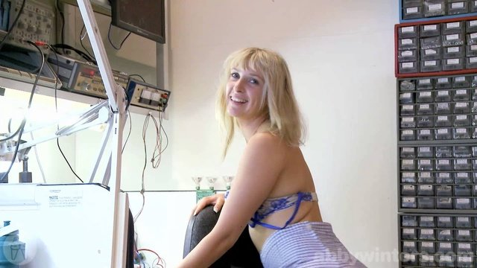
magnet:?xt=urn:btih:72198f4a843db4356aa2a768dddde4749b38749c | AbbyWinters.15.04.24.Noa.Solo.XXX.1080p.MP4-KTR[rarbg] | 3 | 1.20 GB |  | 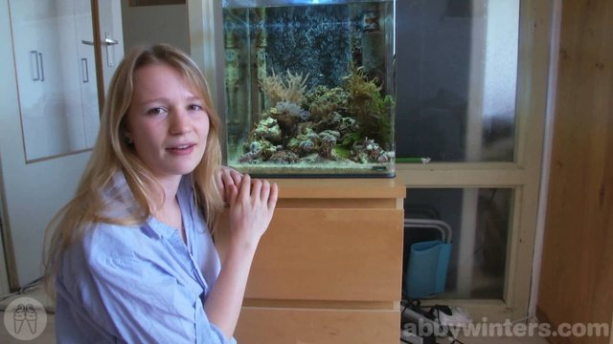 |  |  | 
magnet:?xt=urn:btih:6d282d80d6c0203fde9387f5f073bc1d07441292 | AbbyWinters.15.05.18.Deea.Solo.XXX.1080p.MP4-KTR[rarbg] | 3 | 725.67 MB
magnet:?xt=urn:btih:641e78872e5cf75716aa01eb2545b268bf284840 | AbbyWinters.15.05.15.Blanca.Solo.XXX.1080p.MP4-KTR[rarbg] | 3 | 842.61 MB
magnet:?xt=urn:btih:c0350a5d061f1049b92d87736a398d605c0060c7 | AbbyWinters.15.04.10.Sasha.M.Intimate.Moments.XXX.1080p.MP4-KTR[rarbg] | 3 | 716.79 MB
magnet:?xt=urn:btih:1683138d8bd5e66da9eaf17fc0c7b8dd33efc545 | AbbyWinters.15.04.10.Luna.Solo.XXX.1080p.MP4-KTR[rarbg] | 3 | 1.59 GB
magnet:?xt=urn:btih:b0dc0d1be6cf1d221e8a9a64b52c79d440e3a31a | AbbyWinters.15.04.17.Immie.Intimate.Moments.XXX.1080p.MP4-KTR[rarbg] | 3 | 408.39 MB
magnet:?xt=urn:btih:6b24736093e3f8d68e02ed40ff89d7b198950f12 | AbbyWinters.15.05.01.Maia.Solo.XXX.1080p.MP4-KTR[rarbg] | 3 | 1.44 GB |  |  |  |  | 
magnet:?xt=urn:btih:224448165757ef19f91dcab338658e8568f8001f | AbbyWinters.15.06.12.Thais.Intimate.Moments.XXX.1080p.MP4-KTR[rarbg] | 3 | 840.12 MB |  |  |  |  | 
magnet:?xt=urn:btih:df9a243eabc33fa6fafe614dd683165a746734e8 | AbbyWinters.15.05.22.Lulu.Intimate.Moments.XXX.1080p.MP4-KTR[rarbg] | 3 | 622.69 MB
magnet:?xt=urn:btih:805da0d05a084f8d503df368091dfcf93e1b9370 | AbbyWinters.15.05.11.Delilah.Solo.XXX.1080p.MP4-KTR[rarbg] | 3 | 754.43 MB
magnet:?xt=urn:btih:bad9b6817906b7cd2583f60532f1001435388afe | AbbyWinters.15.06.05.Hania.Intimate.Moments.XXX.1080p.MP4-KTR[rarbg] | 3 | 380.79 MB |  |  |  |  | 
magnet:?xt=urn:btih:9cc91964b3bb1aa63b026f194c2fe393ec8eee9d | AbbyWinters.15.06.08.Liese.Solo.XXX.1080p.MP4-KTR[rarbg] | 3 | 605.80 MB |  |  |  |  | 
magnet:?xt=urn:btih:461fe9df91c42a1f7f6b3e1ce03e29eea8408fa0 | AbbyWinters.15.04.17.Willa.Solo.XXX.1080p.MP4-KTR[rarbg] | 3 | 875.42 MB
magnet:?xt=urn:btih:85d0524144ba18e6bba8895b20cf178a9d1ac169 | AbbyWinters.15.05.08.Sasha.M.Intimate.Moments.XXX.1080p.MP4-KTR[rarbg] | 3 | 764.81 MB | 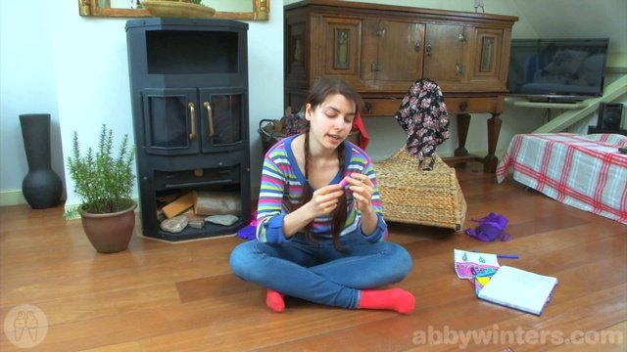 | 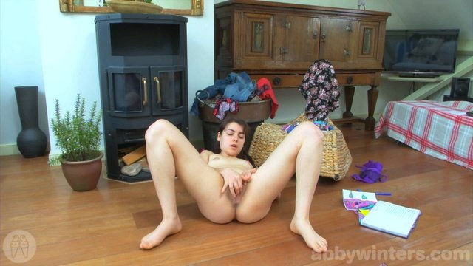 |  | 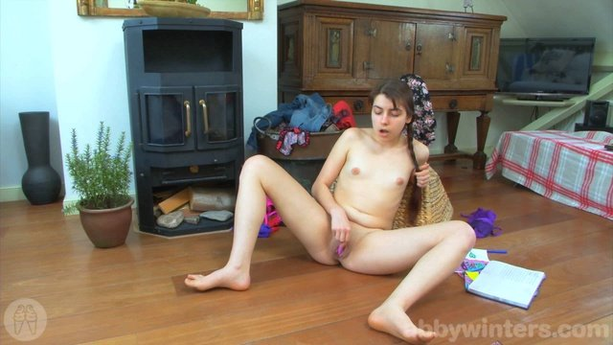 | 
magnet:?xt=urn:btih:da9a0ce046f0b481d70d19fc5053df92a4c61db7 | AbbyWinters.15.05.22.Carmen.M.Solo.XXX.1080p.MP4-KTR[rarbg] | 3 | 1.13 GB
magnet:?xt=urn:btih:cfd7ffc933d697a65b3a88aa437f907c6e5b9561 | AbbyWinters.15.04.27.Billie.T.Solo.XXX.1080p.MP4-KTR[rarbg] | 3 | 1016.23 MB
magnet:?xt=urn:btih:4685f1e680bf72d6f73e1496bfa74f65fe24cb80 | AbbyWinters.15.07.03.Gina.J.Solo.XXX.1080p.MP4-KTR[rarbg] | 3 | 1.05 GB |  |  |  |  | 
magnet:?xt=urn:btih:4f5c3a7eace706a1c35d3e96892210ccb2c5c0e3 | AbbyWinters.15.06.01.Sarra.Solo.XXX.1080p.MP4-KTR[rarbg] | 3 | 342.05 MB |  |  |  |  | 
magnet:?xt=urn:btih:082c1941a2d3afe27af0916e9c2008b30a1820f6 | AbbyWinters.15.06.29.Kirsa.Solo.XXX.1080p.MP4-KTR[rarbg] | 3 | 996.79 MB |  |  |  |  | 
magnet:?xt=urn:btih:2a2433b0de237a1d6ed902680b0c5949955f2f2f | AbbyWinters.15.05.04.Bobbie.Solo.XXX.1080p.MP4-KTR[rarbg] | 3 | 876.84 MB
magnet:?xt=urn:btih:be0638b3092ad4eb1eeaaa92ae4393d65f4f2aab | AbbyWinters.15.06.19.Mila.Solo.XXX.1080p.MP4-KTR[rarbg] | 3 | 1.19 GB |  |  |  |  | 
magnet:?xt=urn:btih:d6478e41270d58ad86f5e926adbc2a61d376131f | AbbyWinters.15.07.20.Livia.V.Solo.XXX.1080p.MP4-KTR[rarbg] | 3 | 1.00 GB |  |  |  |  | 
magnet:?xt=urn:btih:09b6ba9798a7deca15b04b0b45c4c9e4f517b5a8 | AbbyWinters.15.04.20.Monica.M.Solo.XXX.1080p.MP4-KTR[rarbg] | 3 | 1.36 GB |  |  |  |  | 
magnet:?xt=urn:btih:f86754526f14e478fbc49d753e2d93465454879f | AbbyWinters.15.05.25.Sadiyah.Solo.XXX.1080p.MP4-KTR[rarbg] | 3 | 617.70 MB |  |  |  |  | 
magnet:?xt=urn:btih:b37bb7b3538461ce3457450723e83387f6c9fd18 | AbbyWinters.15.06.26.Yara.Solo.XXX.1080p.MP4-KTR[rarbg] | 3 | 1000.03 MB |  |  |  |  | 
magnet:?xt=urn:btih:d23339c270c4d9a3c32926486f8062caa3f26042 | AbbyWinters.15.06.05.Louise.B.Solo.XXX.1080p.MP4-KTR[rarbg] | 3 | 841.81 MB |  |  |  |  | 
magnet:?xt=urn:btih:056c20a91eb78f8b84b7f4cb74fdb8487f4671fc | AbbyWinters.15.07.06.Remie.Solo.XXX.1080p.MP4-KTR[rarbg] | 3 | 786.03 MB |  |  |  |  | 
magnet:?xt=urn:btih:d787c0fc2843af6087d7526489860380d44542d7 | AbbyWinters.15.08.07.Ophelia.Solo.XXX.1080p.MP4-KTR[rarbg] | 3 | 762.68 MB |  |  |  |  | 
magnet:?xt=urn:btih:1bff162a63922ca4ab0a171d78e11e36f5aa7093 | AbbyWinters.15.06.15.Chiara.Solo.XXX.1080p.MP4-KTR[rarbg] | 3 | 779.62 MB |  |  |  |  | 
magnet:?xt=urn:btih:6b81852df3d0366b5660e2c7f97c269d7aa81e7a | AbbyWinters.15.06.26.Anahi.Intimate.Moments.XXX.1080p.MP4-KTR[rarbg] | 3 | 790.40 MB | 
magnet:?xt=urn:btih:cb6ef0f6b47c8b99c109faf63645cec2f15851b9 | AbbyWinters.15.06.12.Jada.Solo.XXX.1080p.MP4-KTR[rarbg] | 3 | 824.08 MB | 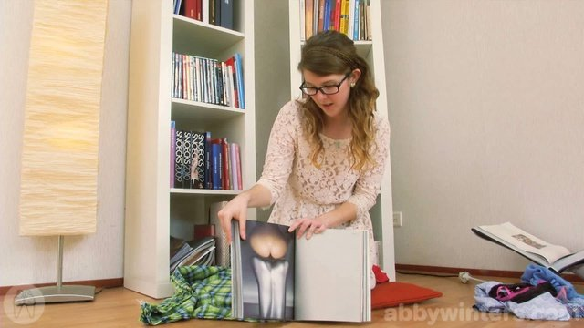 |  |  |  | 
magnet:?xt=urn:btih:9b88a53c840f9c0c12b4f4cd4d01141ba10b3eed | AbbyWinters.15.06.19.Elisa.Intimate.Moments.XXX.1080p.MP4-KTR[rarbg] | 3 | 1.41 GB |  |  |  |  | 
magnet:?xt=urn:btih:3289e6d529c7913635c35086a1212268e9a62e32 | AbbyWinters.15.05.15.Tahlia.J.Intimate.Moments.XXX.1080p.MP4-KTR[rarbg] | 3 | 692.77 MB
magnet:?xt=urn:btih:5e0dde61e75e30b50d76e412077482c5be5498ce | AbbyWinters.15.05.29.Anjali.Intimate.Moments.XXX.1080p.MP4-KTR[rarbg] | 3 | 825.19 MB |  |  |  | 
magnet:?xt=urn:btih:a3c4fd591d0775e39082478e2ec94693d8252d83 | AbbyWinters.15.08.03.Zina.Solo.XXX.1080p.MP4-KTR[rarbg] | 3 | 597.97 MB |  |  |  |  | 
magnet:?xt=urn:btih:d101f5c53f9d910cd8abac14ceb489abaf29bf59 | AbbyWinters.15.07.13.Addie.Solo.XXX.1080p.MP4-KTR[rarbg] | 3 | 593.84 MB |  |  |  |  | 
magnet:?xt=urn:btih:2afab2260ccf9fabdda34170b470b5fb28593388 | AbbyWinters.15.07.17.Elisa.Intimate.Moments.XXX.1080p.MP4-KTR[rarbg] | 3 | 823.18 MB | 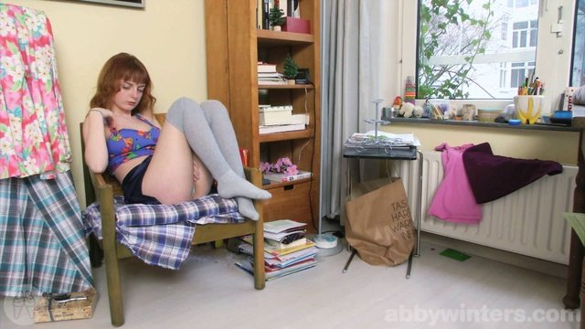 |  |  |  | 
magnet:?xt=urn:btih:c1aeef2f1b2fa1aeb1ccd769defa9be555e40ab8 | AbbyWinters.15.07.24.Maia.Intimate.Moments.XXX.1080p.MP4-KTR[rarbg] | 3 | 286.01 MB |  |  |  |  | 
magnet:?xt=urn:btih:1d4418c6aa1d979a7f17715cf20fd249a4c49640 | AbbyWinters.15.08.11.Luna.Intimate.Moments.XXX.1080p.MP4-KTR[rarbg] | 3 | 515.84 MB | 
magnet:?xt=urn:btih:a618e953c5a1390e4284d7da604f5c272656d546 | AbbyWinters.15.07.31.Marysa.Intimate.Moments.XXX.1080p.MP4-KTR[rarbg] | 3 | 355.44 MB |  |  |  |  | 
magnet:?xt=urn:btih:8cbfef5b72cf6f9f25fc1af979187453175beee9 | AbbyWinters.15.07.24.Luna.Solo.XXX.1080p.MP4-KTR[rarbg] | 3 | 1.03 GB |  |  |  |  | 
magnet:?xt=urn:btih:4a58835ee3d714b1f90904d182a1eaad61823506 | AbbyWinters.15.07.31.Yale.Solo.XXX.1080p.MP4-KTR[rarbg] | 3 | 1.21 GB |  |  |  |  | 
magnet:?xt=urn:btih:0aef854ec4a7d0dadac198cdf68bba378fe4d150 | AbbyWinters.15.08.10.Amalia.Solo.XXX.1080p.MP4-KTR[rarbg] | 3 | 845.93 MB |  |  | 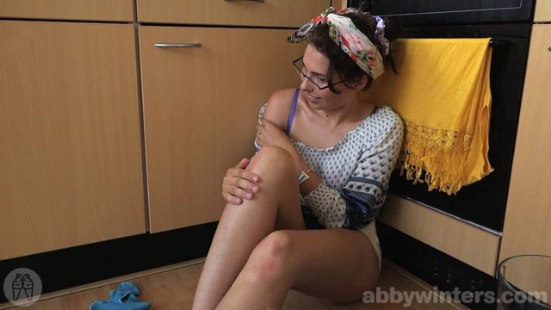 |  | 
magnet:?xt=urn:btih:855b5cbd1099c9be93137e164595e9e748204e19 | AbbyWinters.15.08.14.Katherine.F.Solo.XXX.1080p.MP4-KTR[rarbg] | 3 | 1.52 GB |  |  |  |  | 
magnet:?xt=urn:btih:aa8ec1140ba0f6c0f0e0a11e160c4f027c7afffa | AbbyWinters.15.08.17.Ashley.L.Solo.XXX.1080p.MP4-KTR[rarbg] | 3 | 861.68 MB |  |  |  |  | 
magnet:?xt=urn:btih:63be5da48ed0e83a37d8c87c5d7444c75f333f2f | AbbyWinters.15.08.24.Laura.N.Solo.XXX.1080p.MP4-KTR[rarbg] | 3 | 793.87 MB |  |  |  |  | 
magnet:?xt=urn:btih:51724fea7b9428bd586365ed240c45afbf9e56af | AbbyWinters.15.08.21.Carmen.M.Intimate.Moments.XXX.1080p.MP4-KTR[rarbg] | 3 | 377.50 MB |  |  |  |  | 
magnet:?xt=urn:btih:1d8977b624e89343175fc23d3fb0759e3ada8ccf | AbbyWinters.15.08.14.Dani.L.Intimate.Moments.XXX.1080p.MP4-KTR[rarbg] | 3 | 487.38 MB | 
magnet:?xt=urn:btih:507b74f634d6d6f38db5165b2f2e58df25be2689 | AbbyWinters.15.08.21.Bobbie.Solo.XXX.1080p.MP4-KTR[rarbg] | 3 | 1004.13 MB |  |  |  |  | 

