Sheet1
链接 | Resource Name | Number of Files | Total File Size
magnet:?xt=urn:btih:c52a35f7d298a6d43e5dc071bf49e4495e4cd59a | AbbyWinters.15.08.25.Ophelia.Intimate.Moments.XXX.1080p.MP4-KTR[rarbg] | 3 | 669.25 MB
magnet:?xt=urn:btih:cf063cb8ee1d556c4152bdcd40026b8718cf1fdb | AbbyWinters.15.08.28.Ivanna.Solo.XXX.1080p.MP4-KTR[rarbg] | 3 | 1.10 GB
magnet:?xt=urn:btih:381c99a598dcfcdb22d638c87ca91f6cbc7957af | AbbyWinters.15.08.28.Luna.Intimate.Moments.XXX.1080p.MP4-KTR[rarbg] | 3 | 748.55 MB
magnet:?xt=urn:btih:78474e76e17e0c0021ee4ddb0421e7885764793d | AbbyWinters.15.08.31.Christina.Solo.XXX.1080p.MP4-KTR[rarbg] | 3 | 1.42 GB
magnet:?xt=urn:btih:12332862a4d3e4ee0b9c13710b4e15688121d6d9 | AbbyWinters.15.09.04.Flora.Solo.XXX.1080p.MP4-KTR[rarbg] | 3 | 989.16 MB
magnet:?xt=urn:btih:9119a8392c81e938e85e0fab3e4b2baf947a93a0 | AbbyWinters.15.09.04.Lana.S.Intimate.Moments.XXX.1080p.MP4-KTR[rarbg] | 3 | 510.80 MB
magnet:?xt=urn:btih:9b13bf1443fa0500e8f64325060d13344cc2aa27 | AbbyWinters.15.09.07.Alba.Solo.XXX.1080p.MP4-KTR[rarbg] | 3 | 1.24 GB
magnet:?xt=urn:btih:cac25fd3d405d1e34c836d4f0d04f40d1a98edbb | AbbyWinters.15.09.08.Brooklyn.Intimate.Moments.XXX.1080p.MP4-KTR[rarbg] | 3 | 471.65 MB
magnet:?xt=urn:btih:45fe678f731ab99f74bc37d16ea14005323c3fb8 | AbbyWinters.15.09.14.Laura.N.Solo.XXX.1080p.MP4-KTR[rarbg] | 3 | 977.14 MB
magnet:?xt=urn:btih:e3116626d184340f4d29e5200cf4785dab379532 | AbbyWinters.15.09.11.Gala.Solo.XXX.1080p.MP4-KTR[rarbg] | 3 | 1.03 GB | 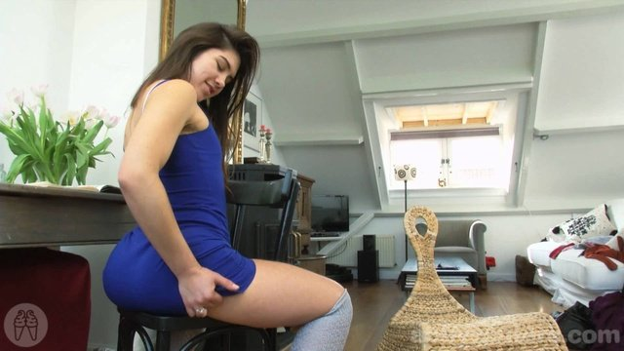 |  | 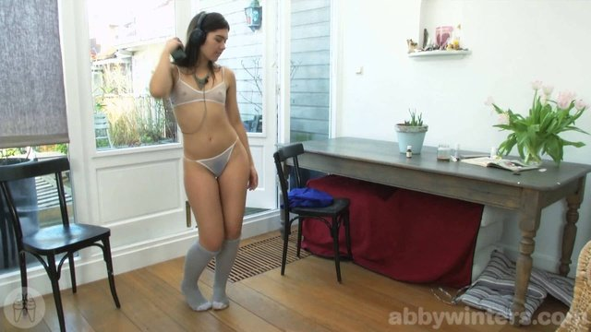 | 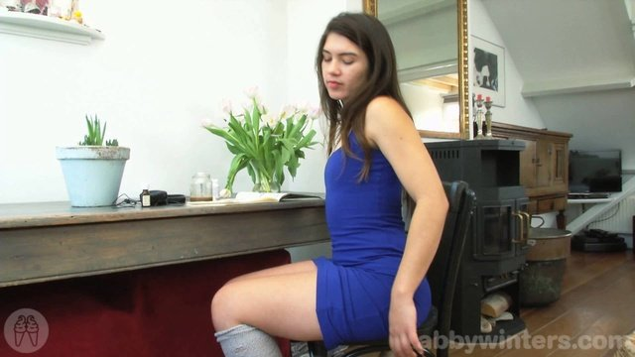 | 
magnet:?xt=urn:btih:9637690c6c034d74313f36561c47182dd8bdebcd | AbbyWinters.15.09.11.Blanca.Intimate.Moments.XXX.1080p.MP4-KTR[rarbg] | 3 | 1.03 GB
magnet:?xt=urn:btih:d7f95d76126a0387b39284ab411d385036e99d83 | AbbyWinters.15.09.25.Billie.T.Intimate.Moments.XXX.1080p.MP4-KTR[rarbg] | 3 | 453.15 MB
magnet:?xt=urn:btih:942c9c3201536d7f9cf1ca4a8c9243afff5c939b | AbbyWinters.15.11.06.Hania.Solo.XXX.1080p.MP4-KTR[rarbg] | 3 | 871.92 MB |  |  | 
magnet:?xt=urn:btih:13e26e9f79948c167e91549888d5de992969059a | AbbyWinters.15.10.12.Amber.Solo.XXX.1080p.MP4-KTR[rarbg] | 3 | 706.15 MB |  |  |  | 
magnet:?xt=urn:btih:35636cdc0dbaf70a3ff64eb175b625f92f7d5c82 | AbbyWinters.15.11.02.Paula.B.Solo.XXX.1080p.MP4-KTR[rarbg] | 3 | 1.71 GB |  |  | 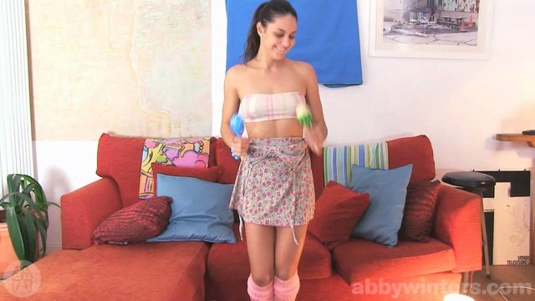 | 
magnet:?xt=urn:btih:60d384e9873972a5de2e439275930d94cd11f597 | AbbyWinters.15.10.05.Lynn.Solo.XXX.1080p.MP4-KTR[rarbg] | 3 | 1.51 GB |  |  |  |  | 
magnet:?xt=urn:btih:b535f9016ecb4579f9a2cf63081c5dc614b4122d | AbbyWinters.15.11.09.Lexi.B.Solo.XXX.1080p.MP4-KTR[rarbg] | 3 | 1.35 GB |  |  |  |  | 
magnet:?xt=urn:btih:691d89b59b91fbcc4728254d87b4ca4e788ca95e | AbbyWinters.15.11.20.Flora.Intimate.Moments.XXX.1080p.MP4-KTR[rarbg] | 3 | 546.45 MB |  |  |  |  | 
magnet:?xt=urn:btih:61e57130ad76afc3b562c2c4f6688b4f2e9216cc | AbbyWinters.15.11.23.Alina.Solo.XXX.1080p.MP4-KTR[rarbg] | 3 | 1.29 GB |  |  | 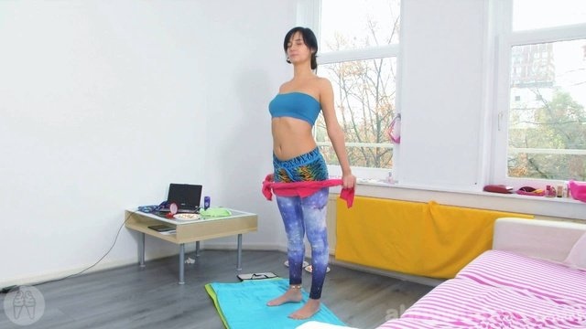 |  | 
magnet:?xt=urn:btih:3fb17d0fb6c1d815b5941aac138d24d09f6fad40 | AbbyWinters.15.11.30.Vivi.Solo.XXX.1080p.MP4-KTR[rarbg] | 3 | 1.18 GB |  |  |  |  | 
magnet:?xt=urn:btih:e75518e271b778a1cbe73531fb54498709e30815 | AbbyWinters.15.11.27.Claudia.S.Solo.XXX.1080p.MP4-KTR[rarbg] | 3 | 1.36 GB |  |  |  |  | 
magnet:?xt=urn:btih:0a6e1f53f7061bff97e608e703ab7079d8db68dd | AbbyWinters.15.11.20.Remie.Solo.XXX.1080p.MP4-KTR[rarbg] | 3 | 1.04 GB | 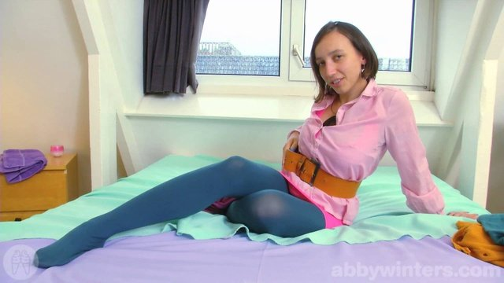 |  |  |  | 
magnet:?xt=urn:btih:aad8c8b108bb18adcaca932c0e6cc0c90d10361b | AbbyWinters.15.11.13.Rosalyn.Intimate.Moments.XXX.1080p.MP4-KTR[rarbg] | 3 | 426.03 MB |  |  |  |  | 
magnet:?xt=urn:btih:f247837cfd84e8d19597b64af06188f35601f6cb | AbbyWinters.15.11.16.Andreea.Solo.XXX.1080p.MP4-KTR[rarbg] | 3 | 1.26 GB |  |  |  | 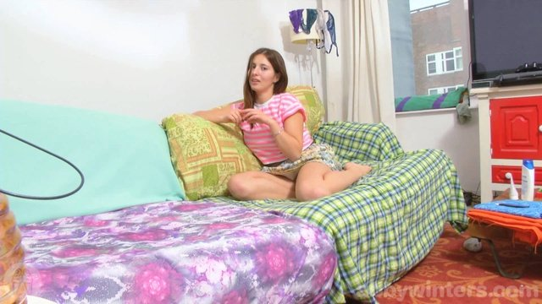 | 
magnet:?xt=urn:btih:5713cd6b3a6ae1220da752be0c6fb0281769896a | AbbyWinters.15.11.13.Maia.Solo.XXX.1080p.MP4-KTR[rarbg] | 3 | 1.32 GB |  |  |  |  | 
magnet:?xt=urn:btih:0e271f0a332cc8bdf34e7b475c9260c3c2e7dad6 | AbbyWinters.15.11.06.Laura.N.Intimate.Moments.XXX.1080p.MP4-KTR[rarbg] | 3 | 601.70 MB |  |  | 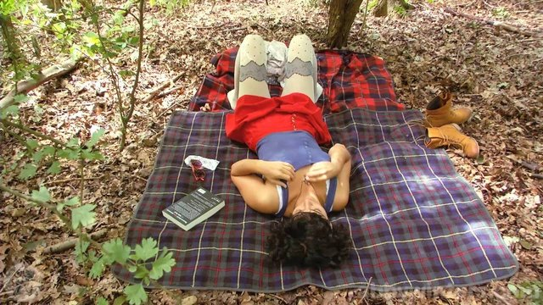 | 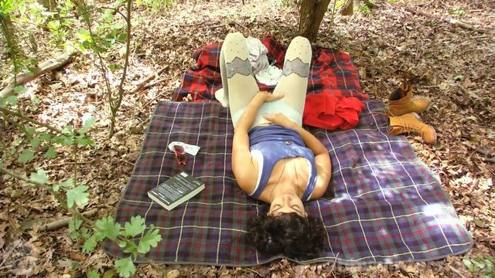 | 
magnet:?xt=urn:btih:012ec44e4cfa572295743dd948b99e449dd94331 | AbbyWinters.15.12.04.Bobbie.Intimate.Moments.XXX.1080p.MP4-KTR[rarbg] | 3 | 426.42 MB |  |  | 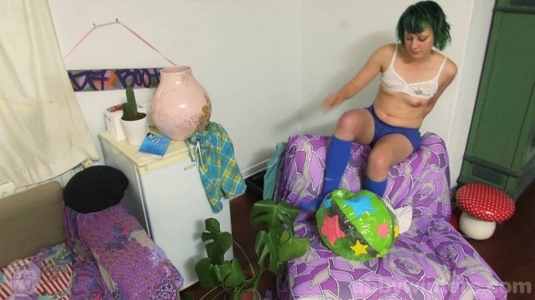 |  | 
magnet:?xt=urn:btih:98bbd10ff2854371254d8486d0393ec0a47088d6 | AbbyWinters.15.10.02.Livia.V.Solo.XXX.1080p.MP4-KTR[rarbg] | 3 | 1.04 GB
magnet:?xt=urn:btih:021da1fb7b31a9a5d56df3218bc5ccd2a31229bc | AbbyWinters.15.09.28.Mona.Solo.XXX.1080p.MP4-KTR[rarbg] | 3 | 1.04 GB
magnet:?xt=urn:btih:b8a9b5b34dc1a684c445c1f16b34c23c1d0ab94c | AbbyWinters.15.10.02.Ivanna.Intimate.Moments.XXX.1080p.MP4-KTR[rarbg] | 3 | 473.78 MB
magnet:?xt=urn:btih:6189a4bd1c2a2e4393fab07650140e997871093e | AbbyWinters.15.12.07.Chloe.V.Solo.XXX.1080p.MP4-KTR[rarbg] | 3 | 1.32 GB |  |  |  |  | 
magnet:?xt=urn:btih:263b40c49bbf90ac3b2fdeba1f854e2d4fabb837 | AbbyWinters.15.09.25.Addie.Solo.XXX.1080p.MP4-KTR[rarbg] | 3 | 926.49 MB
magnet:?xt=urn:btih:dfc486422db6ec7f971be58f42c7fc59e44813f7 | AbbyWinters.15.09.21.Isa.Solo.XXX.1080p.MP4-KTR[rarbg] | 3 | 834.43 MB
magnet:?xt=urn:btih:f79730636b702cdb76aa5100586a10f49472db8d | AbbyWinters.15.09.18.Ella.C.Solo.XXX.1080p.MP4-KTR[rarbg] | 3 | 900.28 MB |  |  |  | 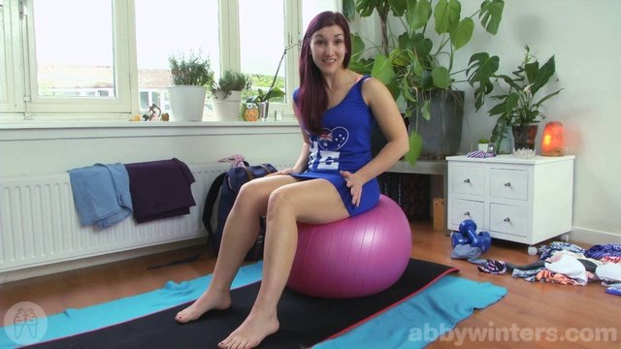 | 
magnet:?xt=urn:btih:7fdf6054388cbb304c5661d9c04b179ebdf2db86 | AbbyWinters.15.12.04.Ashley.L.Solo.XXX.1080p.MP4-KTR[rarbg] | 3 | 1.33 GB |  |  |  |  | 
magnet:?xt=urn:btih:363a2f75ba8ca8585b8a8cd2971b082e00b16514 | AbbyWinters.15.12.11.Luna.Intimate.Moments.XXX.1080p.MP4-KTR[rarbg] | 3 | 456.24 MB |  |  |  |  | 
magnet:?xt=urn:btih:1a518a1fbafa7a06cea91125d3e6b8d0f66fc647 | AbbyWinters.15.12.14.Alexandra.Solo.XXX.1080p.MP4-KTR[rarbg] | 3 | 1.81 GB |  | 
magnet:?xt=urn:btih:454b88d927880c40d365073b098bd577db6cf4b6 | AbbyWinters.15.12.11.Maia.Solo.XXX.1080p.MP4-KTR[rarbg] | 3 | 708.67 MB |  |  |  |  | 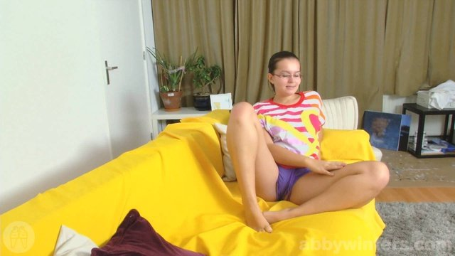
magnet:?xt=urn:btih:a551a95d44cfa79b29949fbc0227b50d0a99e16d | AbbyWinters.15.12.18.Alba.Solo.XXX.1080p.MP4-KTR[rarbg] | 3 | 1.16 GB |  |  |  |  | 
magnet:?xt=urn:btih:f44745374ece64a36252897136f58aaa3e55c29c | AbbyWinters.15.12.18.Liese.Intimate.Moments.XXX.1080p.MP4-KTR[rarbg] | 3 | 413.75 MB |  |  |  |  | 
magnet:?xt=urn:btih:9ec1b8c8e4b877a8b50308e1ee0ca2db78d8241c | AbbyWinters.15.12.21.Tiffany.Solo.XXX.1080p.MP4-KTR[rarbg] | 3 | 1.05 GB |  |  |  | 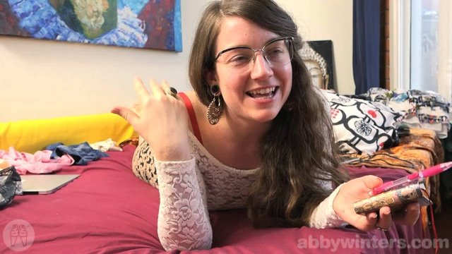 | 
magnet:?xt=urn:btih:9c8b683fc8a26153d20dbb59c6eeb465e49e3e4a | AbbyWinters.15.12.25.Lynn.Solo.XXX.1080p.MP4-KTR[rarbg] | 3 | 1.27 GB |  |  |  |  | 
magnet:?xt=urn:btih:007bfb0c33da82b726c88dd58c050171fab826e2 | AbbyWinters.15.12.25.Sabina.M.Intimate.Moments.XXX.1080p.MP4-KTR[rarbg] | 3 | 531.49 MB |  |  |  |  | 
magnet:?xt=urn:btih:fceaeef48be211ee66ffc2d08f5d7be0e9553d1b | AbbyWinters.15.12.28.Cristina.R.Solo.XXX.1080p.MP4-KTR[rarbg] | 3 | 638.96 MB |  |  | 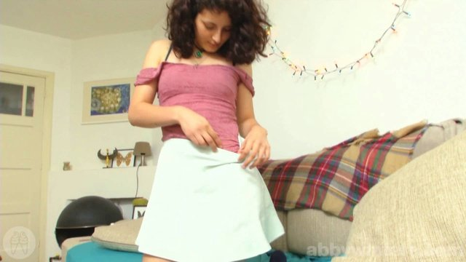 |  | 
magnet:?xt=urn:btih:e53ac4212054641e85b23e8df0ba8f8dc1c7e9ba | AbbyWinters.16.01.15.Alba.Intimate.Moments.XXX.1080p.MP4-KTR[rarbg] | 3 | 893.56 MB |  |  |  |  | 
magnet:?xt=urn:btih:cee143d5d26f79db22959093e0598fe186fea308 | AbbyWinters.16.01.11.Katherine.J.Solo.XXX.1080p.MP4-KTR[rarbg] | 3 | 1.14 GB |  |  |  |  | 
magnet:?xt=urn:btih:eee78d8f82d3c71f962fe0a40404efc64187e0d8 | AbbyWinters.16.01.15.Andreea.Solo.XXX.1080p.MP4-KTR[rarbg] | 3 | 1.16 GB |  | 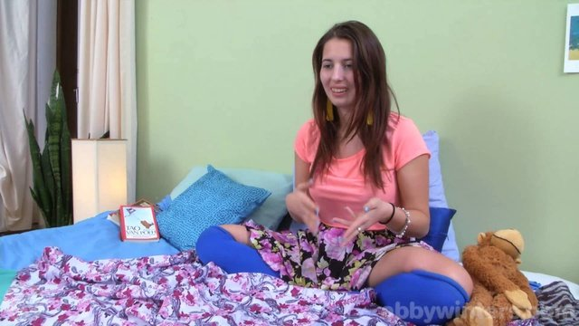 |  |  | 
magnet:?xt=urn:btih:43a0443b3c637f251785841192b6f6eb99efee66 | AbbyWinters.16.02.12.Billie.T.Solo.XXX.1080p.MP4-KTR[rarbg] | 3 | 977.86 MB |  |  |  |  | 
magnet:?xt=urn:btih:272dcf62352e8c1fd93f40ff1fffda7c84e417e8 | AbbyWinters.16.10.03.Carrie.B.Solo.XXX.1080p.MP4-KTR[rarbg] | 3 | 2.34 GB | 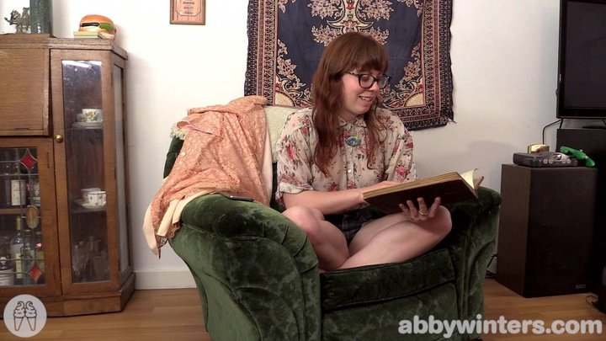
magnet:?xt=urn:btih:81b8f1def0766e3612d8c0566101c9a586b2a22b | AbbyWinters.17.05.12.Katerina.G.Solo.XXX.1080p.MP4-KTR[rarbg] | 3 | 1.67 GB | 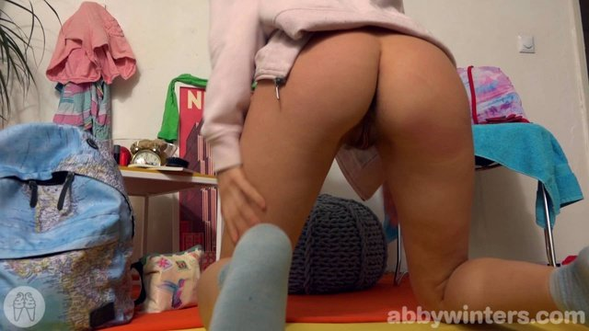 |  |  |  | 

