Sheet1
链接 | Resource Name | Number of Files | Total File Size
magnet:?xt=urn:btih:B287D6523982FE4DEE62CBF6C070127EDA67176E | 08.jux612 | 25 | 911.36 MB
magnet:?xt=urn:btih:64A5C375DEA959E9F20753562DAE265EB925100B | JBD-186.1080p.mkv | 1 | 3.16 GB |  |  |  |  | 
magnet:?xt=urn:btih:AC7ABE8A52B82EAC49E15D3CC386C0B50F2632ED | 第一會所新片@SIS001@(死夜悪)(SHKD-607)パニック4_淫辱へのカウントダウン_本田岬 | 9 | 2.80 GB |  |  |  |  | 
magnet:?xt=urn:btih:C6D4E7231A610414B89722E81136F154EA9212AE | JUX-544.1080p.mkv | 1 | 3.26 GB |  |  |  |  | 
magnet:?xt=urn:btih:A09A59D0883878C7143E288B6187BED3F3B8B029 | 【每日更新119dvd.com】JUX-518.mkv | 1 | 3.22 GB |  |  |  |  | 
magnet:?xt=urn:btih:E34A6ADF410F54023E8B393BED5AF895C2B3138D | JUX-496 | 3 | 3.28 GB |  |  |  |  | 
magnet:?xt=urn:btih:7CB1FC6ACBB1F62AAFB39CE690E38BE9A343A883 | 【Thz.la】RBD-643.1080p | 5 | 2.94 GB |  |  |  |  | 
magnet:?xt=urn:btih:3D38DB08D6577A2F0AEDB45336CAB329D5C09F85 | RBD-636 | 2 | 2.81 GB |  |  |  |  | 
magnet:?xt=urn:btih:A4DA3BF44291773D31EC359C7FE36798F8D18BAE | RBD-625-FHD | 41 | 4.46 GB |  |  |  |  | 
magnet:?xt=urn:btih:70FDF16292298E30E0304225BEDCD659C25FACCC | ATID-243_720_x_404 | 3 | 1.78 GB |  |  |  |  | 
magnet:?xt=urn:btih:32F77995FF35ED8BDCF25E225609FBAD70C60433 | [FHD]ADN-031.mkv | 1 | 3.08 GB |  |  |  |  | 
magnet:?xt=urn:btih:76221B05374FE05EE5FA51BA8AF6507760656BAB | 第一會所新片@SIS001@(熟れコミ)(URE-015)漫画家中華なるとの原点！！義父～敦子～本田岬_浜崎真緒_1 | 10 | 3.32 GB |  |  |  |  | 
magnet:?xt=urn:btih:0CF8D674223F8D7B1E5D520795476757DE78B978 | ADN-023 | 2 | 3.05 GB |  |  |  |  | 
magnet:?xt=urn:btih:DA24E7133D9E7E8C361E40714F1967DD1BFEED59 | 第一會所新片@SIS001@(龍縛)(RBD-583)俺が惚れたマルタイの女_本田岬 | 9 | 3.06 GB |  |  |  |  | 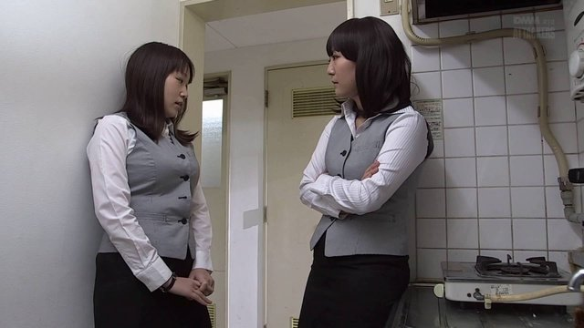
magnet:?xt=urn:btih:229E26EA5CA881D04C1C4A2EC8EDDFECAD2EF738 | RBD-569.wmv | 1 | 1.00 GB |  |  |  |  | 
magnet:?xt=urn:btih:C65EAAA59E1EF6DEDE0078082F54CE8C00CFC92D | SSPD-109 | 2 | 7.44 GB |  |  |  |  | 
magnet:?xt=urn:btih:E7F0F365A43861459BB26F44C1B25A0CC20A174E | RBD545AVI | 53 | 1.13 GB | 
magnet:?xt=urn:btih:70ADD10782D1C2B7F1AB781F195C2C028F5C2007 | ADN004.mp4 | 1 | 885.34 MB |  |  |  |  | 
magnet:?xt=urn:btih:05C95DFC976C20EFE84D126B1290378760949DBD | ebod318.avi | 1 | 1.08 GB |  |  |  |  | 
magnet:?xt=urn:btih:38F2B32BA7486F9BDFC67A35A5548214706082C6 | (龍縛)(RBD-525)監禁された美人キャスター いつになったら自由になれますか…。本田岬.wmv | 1 | 5.00 GB |  |  |  |  | 
magnet:?xt=urn:btih:6CA5F4A4BE7AA217B3E97EF026A72B156213CC42 | mild-861 | 7 | 1.35 GB |  |  |  |  | 
magnet:?xt=urn:btih:1B2937FB5E49E5CF63606191AE35235C50B1813E | BF268AVI | 46 | 1.36 GB |  |  |  |  | 
magnet:?xt=urn:btih:4B9945791B9A857563C25DF700B5E29E54DF1FCF | SHKD_512@oldman | 4 | 3.70 GB | 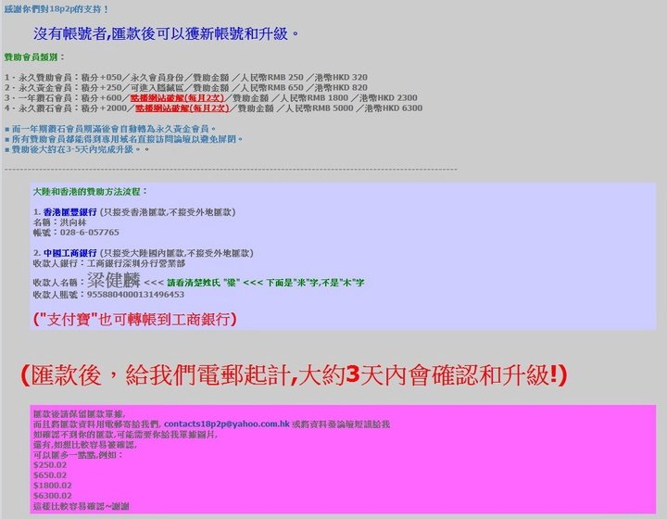
magnet:?xt=urn:btih:B313BC08FA0A31009AE9AC48D5D37D4B2B917077 | ONSD_714-D9@oldman | 5 | 7.27 GB | 
magnet:?xt=urn:btih:F02682CD5A6375FFE3685850E1E1A2B92C1195D1 | MILD-848.mp4 | 1 | 2.14 GB |  |  |  |  | 
magnet:?xt=urn:btih:02319F3E62B32FFB7A42DF78DBC18190B280855C | MILD-844.mp4 | 1 | 2.21 GB |  |  |  |  | 
magnet:?xt=urn:btih:236249769D30DFF43EAB8E473CDE572BF113BBBF | MILD830AVI | 43 | 1.21 GB |  |  |  |  | 
magnet:?xt=urn:btih:23D7F9D5B92FF5AB39808D3E2EA97F733C21D906 | tanw或yk3325@MILD_839 | 33 | 4.36 GB | 
magnet:?xt=urn:btih:51ACD3466D98B93E14380A5C820A8454F0FBDC94 | ONSD-695.mp4 | 1 | 2.72 GB
magnet:?xt=urn:btih:9F2166DD78D05855B90FA907230842A8829AD406 | [ONSD-689] 高画質フェラチオ顔射100連発8時間 濃厚バキューム編 | 3 | 5.43 GB |  |  |  |  | 
magnet:?xt=urn:btih:90CD0FBF84B28DF9CE479F8F6A4E4E785564537F | SOE880 | 6 | 1.56 GB |  |  |  |  | 
magnet:?xt=urn:btih:72AF5613F5F820161EECC8AE476B0840CE1603F5 | soe-869.wmv | 1 | 1.65 GB |  |  |  |  | 
magnet:?xt=urn:btih:145F7EA6C33436E4C1F31DDE1086E93D9DFDB86D | soe-859.wmv | 1 | 2.22 GB |  |  |  |  | 
magnet:?xt=urn:btih:2A40352F2B3B127CDD8A19995C15A1B2E6FB5AB8 | soe-847.wmv | 1 | 1.59 GB |  |  |  |  | 
magnet:?xt=urn:btih:208427F343074997C79C208CC42562E9C1319FC3 | WANZ-416 | 3 | 1.09 GB |  |  |  |  | 
magnet:?xt=urn:btih:5A84228D52FA2021E162A03BFC6382768FB21C34 | HND231AVI | 58 | 1.80 GB |  |  |  |  | 
magnet:?xt=urn:btih:E2E1414C9FDD0947CCDA1079C3E091A7C7921F76 | MUKD-356 | 2 | 2.40 GB
magnet:?xt=urn:btih:CE33C60057A0B4B2ADE51E7A805A13BC77B9A96B | GVG-227.avi | 1 | 1.34 GB |  |  |  |  | 
magnet:?xt=urn:btih:1145D115042E19C6E3158E86790EE91DB802326B | KAWD-683 | 1 | 2.18 GB |  |  |  |  | 
magnet:?xt=urn:btih:113AD1F1617A73BD17293D1D5C3BFDBCAB9A99A9 | BBI-206.mp4 | 1 | 2.28 GB |  |  |  |  | 
magnet:?xt=urn:btih:91A5B489AA6A89427097EFA6F96A6ACCBAC23259 | PLA-051 | 1 | 2.49 GB |  |  |  |  | 
magnet:?xt=urn:btih:076956EBF5616942660ABF0AFF833A511685A7BE | WANZ396AVI | 49 | 1.17 GB |  |  |  |  | 
magnet:?xt=urn:btih:FF45F1E7434577CEF324A866EEE2F63E5E15304E | JUX704 | 2 | 1.12 GB
magnet:?xt=urn:btih:ECE113C0349448FFF069F01471EFA429398FC5B8 | TPPN078AVI | 49 | 1.17 GB |  |  |  |  | 
magnet:?xt=urn:btih:34D60432E56B9AE6595CE1B580B21E169D6F357E | SUPD133AVI | 49 | 1.82 GB | 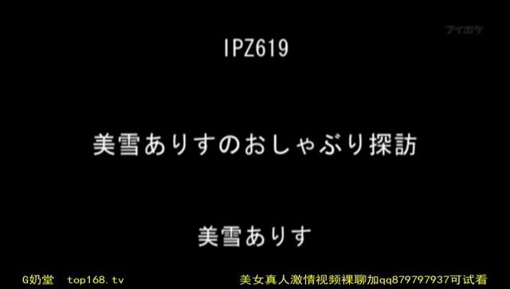 |  |  |  | 
magnet:?xt=urn:btih:1B336267F9CD5347FCA3144E0A08FBF833ADC411 | MIDE-259 | 3 | 1.97 GB |  |  |  |  | 
magnet:?xt=urn:btih:EB1CC4FE94B713BC7F46F7A78969516198F360F4 | MIDE-247.avi | 1 | 1.14 GB |  |  |  |  | 
magnet:?xt=urn:btih:CBB53665B05EA2C4DA0887DF2E67BCA77235F1AC | [Thz.la]MIDE-240.1080p | 5 | 4.14 GB |  |  |  |  | 
magnet:?xt=urn:btih:2D5BE1D0904113C93FB73228C55DB2F98AC8D997 | MIDE-234.1080p.mkv | 1 | 4.96 GB |  |  |  |  | 
magnet:?xt=urn:btih:7D17496ED4B50ECF3301D30BB9769018E3565E2D | IKUJAV.COM_MIDE-226.1080p | 4 | 5.00 GB

