Sheet1
链接 | Resource Name | Number of Files | Total File Size
magnet:?xt=urn:btih:ac4dc901583056fb75b7a7f23e72b4ab23cca556 | AbbyWinters.18.07.27.Caramel.S.Solo.XXX.1080p.MP4-KTR[rarbg] | 3 | 2.78 GB |  |  |  |  | 
magnet:?xt=urn:btih:c8be2c15ff78ae5aafbcdb5a4c56a0eb340da3f3 | AbbyWinters.18.06.11.Violet.R.Solo.XXX.1080p.MP4-KTR[rarbg] | 3 | 3.32 GB |  |  |  |  | 
magnet:?xt=urn:btih:7c5ab38b9cd54158b61be0c9c1a0f31618964717 | AbbyWinters.18.07.23.Naomi.V.Solo.XXX.1080p.MP4-KTR[rarbg] | 3 | 2.37 GB |  |  |  |  | 
magnet:?xt=urn:btih:5f5517a12e2254f742a2a2e20b3bddc6d7628dc5 | AbbyWinters.18.07.16.Chen.Solo.XXX.1080p.MP4-KTR[rarbg] | 3 | 2.49 GB |  |  |  |  | 
magnet:?xt=urn:btih:8ebe770466a90ba59a1ae17a7bcfc9de6dbda821 | AbbyWinters.18.08.13.Nikolina.Solo.XXX.1080p.MP4-KTR[rarbg] | 3 | 2.73 GB |  |  | 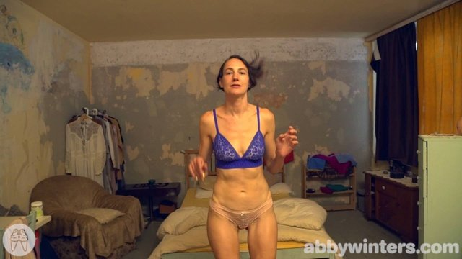 |  | 
magnet:?xt=urn:btih:873a359f4c8a098d01db2582c8d2f3f7d34cba3a | AbbyWinters.18.08.20.Mille.Solo.XXX.1080p.MP4-KTR[rarbg] | 3 | 4.03 GB |  |  |  |  | 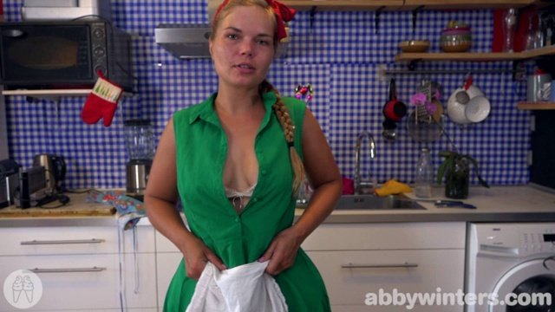
magnet:?xt=urn:btih:2e0ecff7bc4d87cdc0a8d5bdb794cfaa6c7047b6 | AbbyWinters.18.08.17.Dasha.D.Solo.XXX.1080p.MP4-KTR[rarbg] | 3 | 2.08 GB |  |  |  |  | 
magnet:?xt=urn:btih:e60b8f747cdc135212bf088262b4a77d4b4a16a2 | AbbyWinters.18.08.27.Brina.Solo.XXX.1080p.MP4-KTR[rarbg] | 3 | 2.63 GB |  |  |  |  | 
magnet:?xt=urn:btih:f991f1b4c6a005351b48f45c88e913bba0369cbc | AbbyWinters.18.08.24.Ellie.B.Solo.XXX.1080p.MP4-KTR[rarbg] | 3 | 1.95 GB |  | 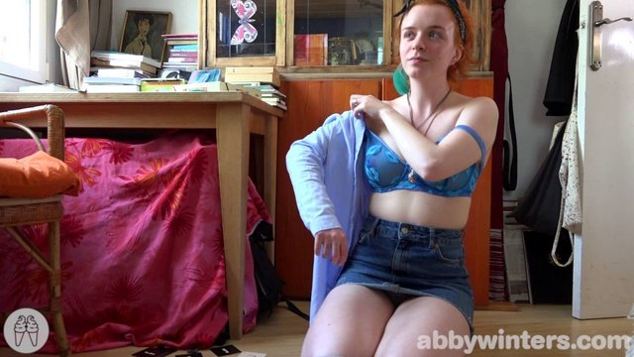 |  |  | 
magnet:?xt=urn:btih:57d2bb14d6c4834a2b93b896c575e217ec91f3e6 | AbbyWinters.18.08.21.Marina.T.Intimate.Moments.XXX.1080p.MP4-KTR[rarbg] | 3 | 1.68 GB | 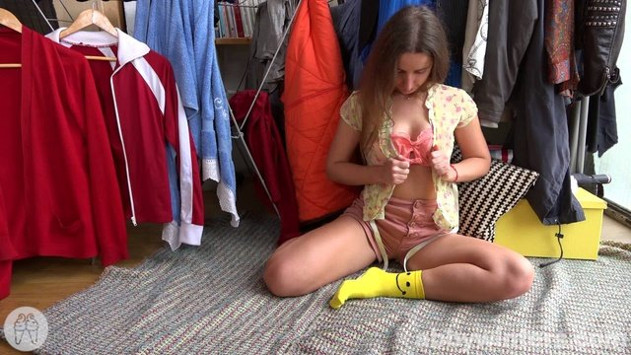 | 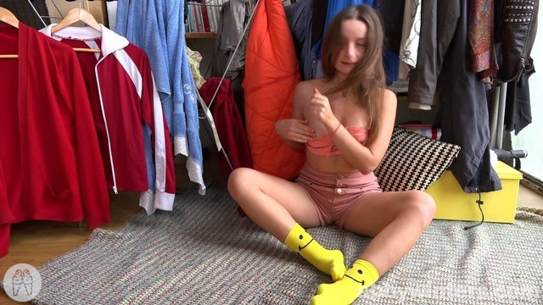 |  |  | 
magnet:?xt=urn:btih:59407c49867be14c147ce1d3e6c2fce21bb492cb | AbbyWinters.18.08.31.Elsa.M.Solo.XXX.1080p.MP4-KTR[rarbg] | 3 | 2.87 GB |  |  |  |  | 
magnet:?xt=urn:btih:a4b1857ab81b10d47a592ad9fbf9951ce530f0e0 | AbbyWinters.18.09.17.Fernanda.Solo.XXX.1080p.MP4-KTR[rarbg] | 3 | 2.25 GB |  |  |  |  | 
magnet:?xt=urn:btih:bc950726780807a8450a9bf89bd8991c0fe41ce0 | AbbyWinters.18.09.18.Sonya.Intimate.Moments.XXX.1080p.MP4-KTR[rarbg] | 3 | 1.43 GB |  |  |  |  | 
magnet:?xt=urn:btih:cf02e34cdd25f4a130df64c33ac6a4c1e069701d | AbbyWinters.18.09.14.Lucia.M.Solo.XXX.1080p.MP4-KTR[rarbg] | 3 | 2.27 GB |  |  |  |  | 
magnet:?xt=urn:btih:0219a5f266eb0ff534bc8645533149fb853ddaa6 | AbbyWinters.18.09.07.Serena.Solo.XXX.1080p.MP4-KTR[rarbg] | 3 | 2.59 GB |  | 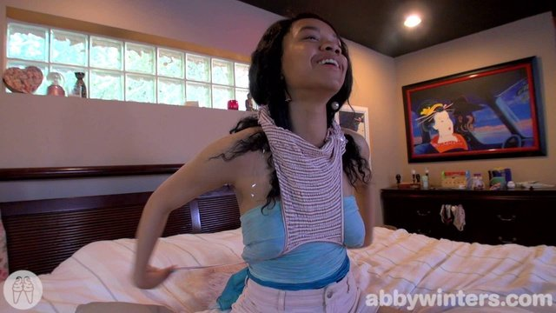 |  |  | 
magnet:?xt=urn:btih:5abfc9a405e0ad3465a4a17bf2f70979275b8afa | AbbyWinters.18.09.21.Roslin.Solo.XXX.1080p.MP4-KTR[rarbg] | 3 | 2.38 GB | 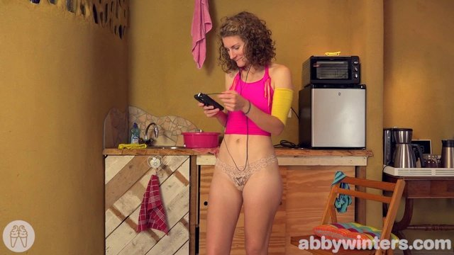 |  |  |  | 
magnet:?xt=urn:btih:8dc155f90c9b5a97b936958d9de15edebdf25f54 | AbbyWinters.18.09.24.Juliette.M.Solo.XXX.1080p.MP4-KTR[rarbg] | 3 | 2.84 GB |  |  |  |  | 
magnet:?xt=urn:btih:7487c5a7e36f4dd1102345f32b4a1af3a5d7d58e | AbbyWinters.18.10.01.Zhen.Solo.XXX.1080p.MP4-KTR[rarbg] | 3 | 3.20 GB |  |  |  |  | 
magnet:?xt=urn:btih:c0781de7123ae17dcdfa2d565fb7553a39869e28 | AbbyWinters.18.09.28.Dalia.Solo.XXX.1080p.MP4-KTR[rarbg] | 3 | 2.61 GB |  |  |  |  | 
magnet:?xt=urn:btih:8a71be0ad0cf5bb0a96fe406788d6f7e98f3ef9e | AbbyWinters.18.10.02.Yessica.Intimate.Moments.XXX.1080p.MP4-KTR[rarbg] | 3 | 750.64 MB |  | 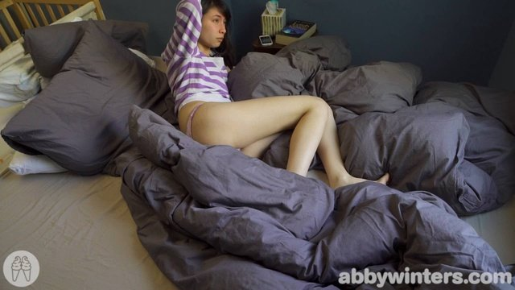 |  |  | 
magnet:?xt=urn:btih:306ec3613b7de1ca7d0db10a08b11b66358e7983 | AbbyWinters.18.10.08.Hanne.Solo.XXX.1080p.MP4-KTR[rarbg] | 3 | 3.05 GB |  |  |  |  | 
magnet:?xt=urn:btih:f9485d87bd7e79e3d3b745bb803b03956e82af11 | AbbyWinters.18.10.15.Tilly.B.Solo.XXX.1080p.MP4-KTR[rarbg] | 3 | 2.61 GB |  |  |  |  | 
magnet:?xt=urn:btih:870d68145e8db7eae2d7bbda92f5c17bfb67efd5 | AbbyWinters.18.10.12.Dalia.Solo.XXX.1080p.MP4-KTR[rarbg] | 3 | 2.17 GB |  | 
magnet:?xt=urn:btih:a5d26bf4bc8d2dada981e644e982c3cc2a752daa | AbbyWinters.18.10.19.Sabrina.V.Solo.XXX.1080p.MP4-KTR[rarbg] | 3 | 2.01 GB |  |  |  |  | 
magnet:?xt=urn:btih:5f38e82dc1813f8b66db77227c578c20e1bfdbf8 | AbbyWinters.18.10.26.Irene.A.Solo.XXX.1080p.MP4-KTR[rarbg] | 3 | 2.21 GB |  |  |  |  | 
magnet:?xt=urn:btih:5adc837d4217fdac97d349c51a20370b9631c060 | AbbyWinters.18.10.22.Vika.Solo.XXX.1080p.MP4-KTR[rarbg] | 3 | 2.78 GB | 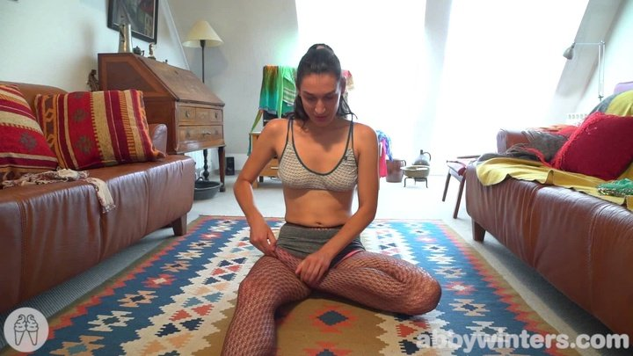
magnet:?xt=urn:btih:fd3db973acbf018b2b827ab415e2f24405058d8b | AbbyWinters.18.11.02.Martina.E.Solo.XXX.1080p.MP4-KTR[rarbg] | 3 | 2.79 GB |  | 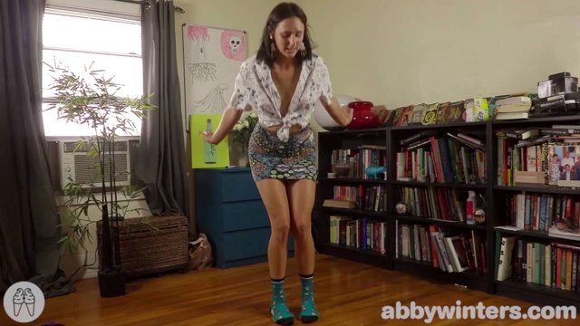 |  |  | 
magnet:?xt=urn:btih:99bcca1a9059b19e8efc2edff0b0e1f3e19501e3 | AbbyWinters.18.11.05.Sophia.G.Solo.XXX.1080p.MP4-KTR[rarbg] | 3 | 3.34 GB |  |  |  |  | 
magnet:?xt=urn:btih:2e4fbe473cc5fdb156ba2d11fc40be574779cff4 | AbbyWinters.18.10.30.Olga.V.Intimate.Moments.XXX.1080p.MP4-KTR[rarbg] | 3 | 1.07 GB |  |  |  | 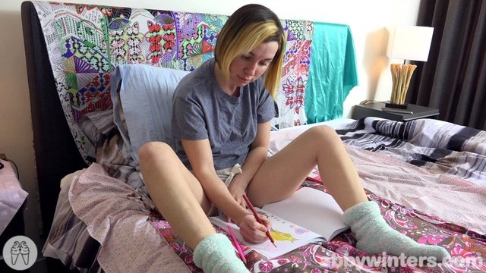 | 
magnet:?xt=urn:btih:f295c4fc02ed711eeed361dd52ca7f3fb531e079 | AbbyWinters.18.10.29.Mary.J.Solo.XXX.1080p.MP4-KTR[rarbg] | 3 | 4.53 GB |  |  |  |  | 
magnet:?xt=urn:btih:cc4b9644bd1f1a7b22f8171f8a893f9784d4c160 | AbbyWinters.18.11.09.Anais.V.Solo.XXX.1080p.MP4-KTR[rarbg] | 3 | 2.46 GB |  |  |  |  | 
magnet:?xt=urn:btih:0a3818459a7317e9f99968d2e613f772f9f632f2 | AbbyWinters.18.11.12.Jayla.Solo.XXX.1080p.MP4-KTR[rarbg] | 3 | 2.58 GB |  |  |  |  | 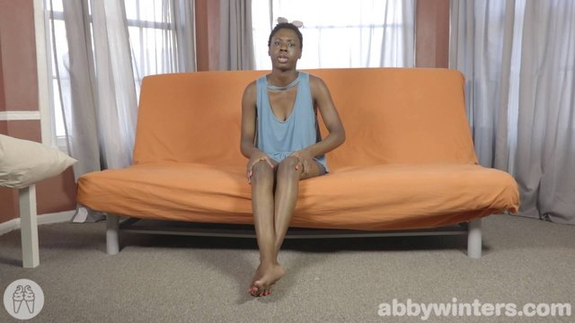
magnet:?xt=urn:btih:91cd68f59f26f8ebb550987424bb4d560c708aa3 | AbbyWinters.18.11.13.Sarah.Q.Intimate.Moments.XXX.1080p.MP4-KTR[rarbg] | 3 | 762.32 MB |  |  |  |  | 
magnet:?xt=urn:btih:61960f3ce5a6b22c255c60174da23bf7c8b03692 | AbbyWinters.18.11.26.Molly.B.Solo.XXX.1080p.MP4-KTR[rarbg] | 3 | 2.80 GB |  |  |  |  | 
magnet:?xt=urn:btih:17ab3e7eafc3e2ba322475d74484e5b4cae86afc | AbbyWinters.18.11.16.Rosie.B.Solo.XXX.1080p.MP4-KTR[rarbg] | 3 | 3.31 GB |  |  |  |  | 
magnet:?xt=urn:btih:7b97aced3e64593d0b8abadae93fd7086e9bcbc2 | AbbyWinters.18.11.23.Tanya.S.Solo.XXX.1080p.MP4-KTR[rarbg] | 3 | 2.63 GB |  |  |  |  | 
magnet:?xt=urn:btih:3d7beb17eb5db07bea822bcd83a900a8fe8e1d41 | AbbyWinters.18.11.19.Masha.Solo.XXX.1080p.MP4-KTR[rarbg] | 3 | 1.93 GB |  |  |  |  | 
magnet:?xt=urn:btih:fe986c5bdc16cef66a0fbec82193f9459d3187de | AbbyWinters.18.11.30.Rose.K.Solo.XXX.1080p.MP4-KTR[rarbg] | 3 | 3.50 GB |  |  |  |  | 
magnet:?xt=urn:btih:961a8c08ef12ff40748020d95ccb7637024257b4 | AbbyWinters.18.12.03.Leire.Solo.XXX.1080p.MP4-KTR[rarbg] | 3 | 2.09 GB |  |  |  |  | 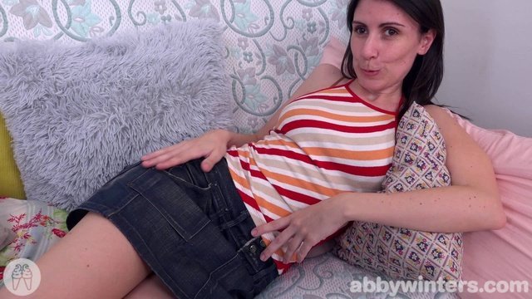
magnet:?xt=urn:btih:dbb98d67baf49348d9ca143f603eae0a87ffc6f3 | AbbyWinters.18.12.07.Danai.Solo.XXX.1080p.MP4-KTR[rarbg] | 3 | 1.85 GB | 
magnet:?xt=urn:btih:85c7d32574a1a2ea012c89755f59e6eab95a0243 | AbbyWinters.18.12.10.Zina.B.Solo.XXX.1080p.MP4-KTR[rarbg] | 3 | 3.98 GB |  |  |  |  | 
magnet:?xt=urn:btih:bbcc6fa12dfc25ebf3b20f8218721173f443eea7 | AbbyWinters.18.12.14.Kayla.J.Solo.XXX.1080p.MP4-KTR[rarbg] | 3 | 2.91 GB |  |  |  |  | 
magnet:?xt=urn:btih:648faca900f91265bcbf4a56fadcc437ddc3020a | AbbyWinters.18.12.17.Maddie.Solo.XXX.1080p.MP4-KTR[rarbg] | 3 | 3.66 GB |  |  |  |  | 
magnet:?xt=urn:btih:3b1c0e038381ae0470d0840e3116d6af3d51a796 | AbbyWinters.18.12.21.Taylor.V.Solo.XXX.1080p.MP4-KTR[rarbg] | 3 | 3.11 GB |  |  |  |  | 
magnet:?xt=urn:btih:01516f29bcfd44b1441d37236443ff70dad9d971 | AbbyWinters.18.12.28.Ronnie.Solo.XXX.1080p.MP4-KTR[rarbg] | 3 | 2.97 GB |  |  |  |  | 
magnet:?xt=urn:btih:c06d07b2481c09a4046d5e286ab625d45cb5126a | AbbyWinters.18.12.24.Sienna.G.Solo.XXX.1080p.MP4-KTR[rarbg] | 3 | 2.77 GB |  |  |  |  | 
magnet:?xt=urn:btih:76b5b40ed3608504b6a1b4c41b304ef4c3a7b134 | AbbyWinters.18.12.31.Nina.B.Solo.XXX.1080p.MP4-KTR[rarbg] | 3 | 3.05 GB | 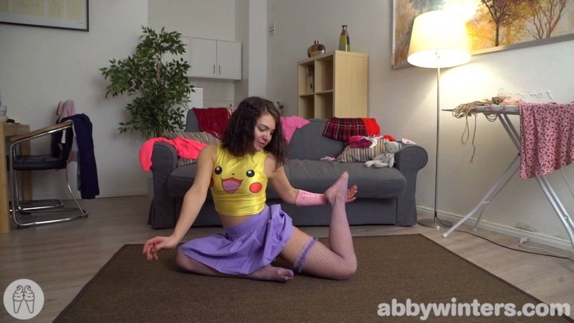
magnet:?xt=urn:btih:36bf70248218a6a6c0987adcd96799f2788c2a29 | AbbyWinters.19.01.11.Zhen.Solo.XXX.1080p.MP4-KTR[rarbg] | 3 | 3.06 GB |  |  |  |  | 
magnet:?xt=urn:btih:47f0e43dbbb01fd2e36b8e353c4eeeec1aee61a0 | AbbyWinters.19.01.14.Veronyka.Solo.XXX.1080p.MP4-KTR[rarbg] | 3 | 2.46 GB |  | 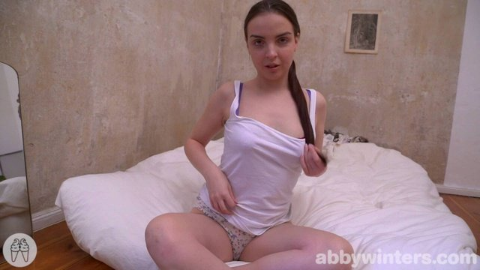 |  |  | 
magnet:?xt=urn:btih:7735ba5cced4e98c1379a28ab0e3ef6cc09a41d2 | AbbyWinters.19.01.21.Juniper.Solo.XXX.1080p.MP4-KTR[rarbg] | 4 | 2.63 GB |  |  |  |  | 

