Login
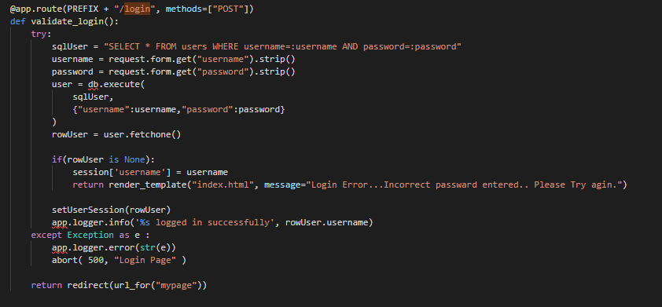

users
user_id | username | firstname | lastname | password | created_at
1 | Hakata | Hiroshi | Igarashi | hiro1128 | 2019-02-24 12019-02-24 19:10:16.031767

