关闭防火墙
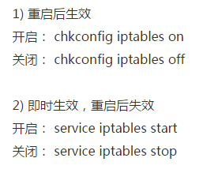
关闭防火墙

开启远程桌面
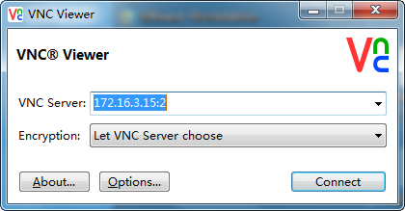
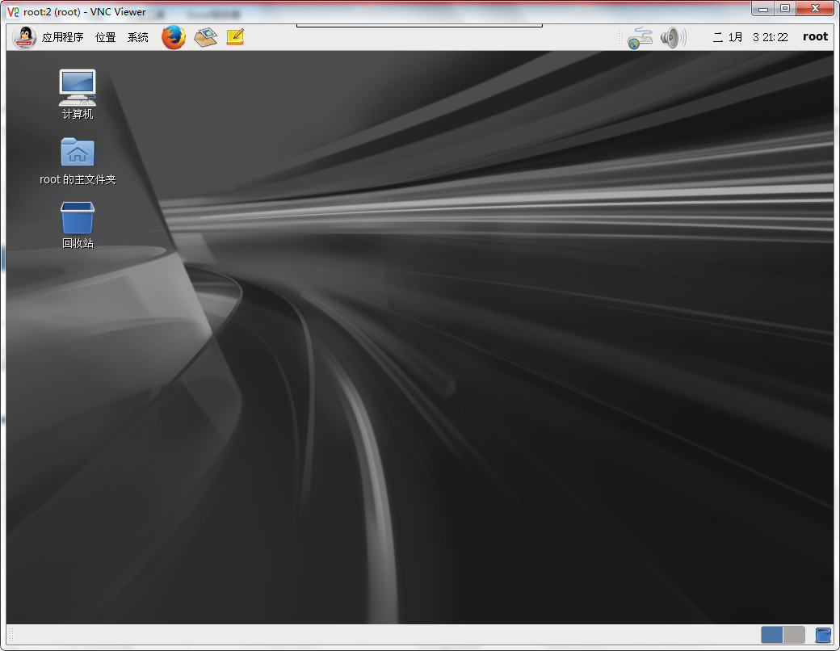
挂载光盘 | mount -t iso9660 /dev/cdrom /media/
 | ls /media/

 |  | cd /media/Packages/
cd 到 软件包 |  | rpm -ivh tigervnc-server-1.1.0-16.el6.x86_64.rpm

开启远程服务端 |  | vncserver
设置密码 |  | 123456
 |  | 123456
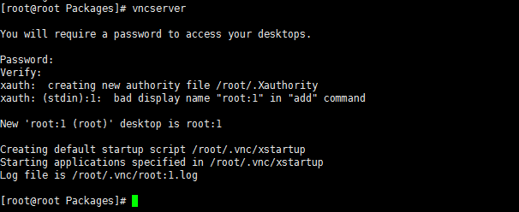

修改文件 | vim ~/.vnc/xstartup
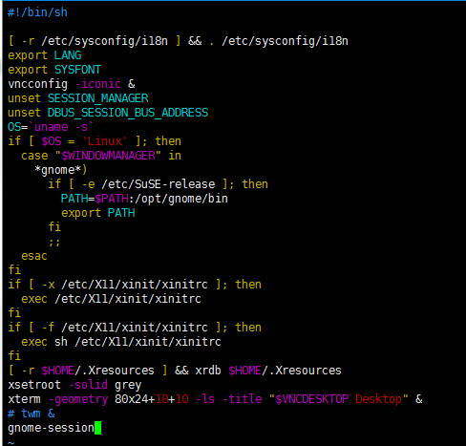

重启服务 | vncserver

杀死服务1 | vncserver -kill :1

windows上安装客户端 并连接

修改参数
vim /etc/sysctl.conf
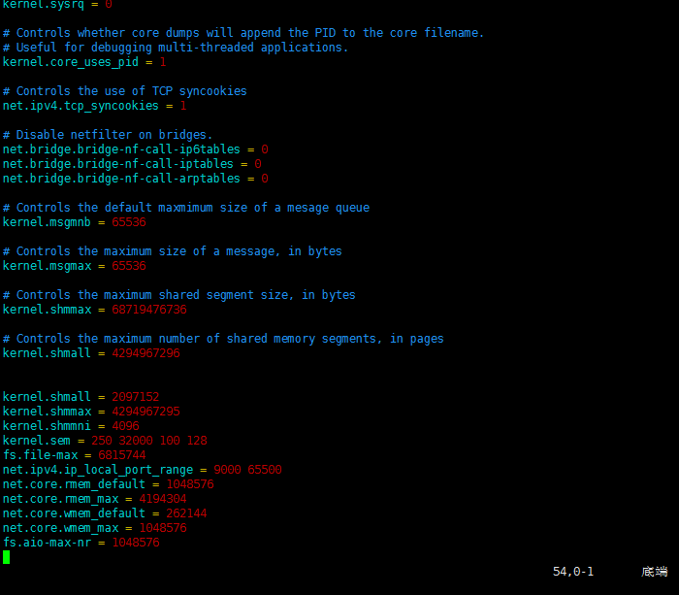

生效 | sysctl -p
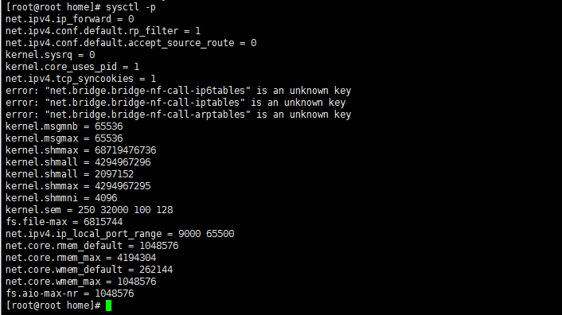

vim /etc/security/limits.conf
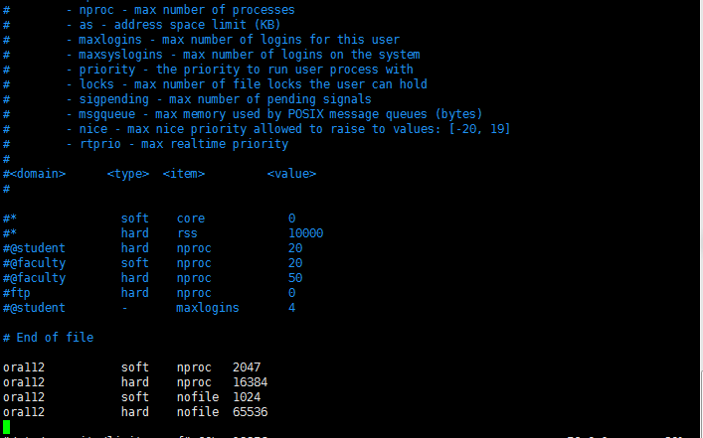

重新登录肯定能生效（也许不用重新登）

vim /etc/profile
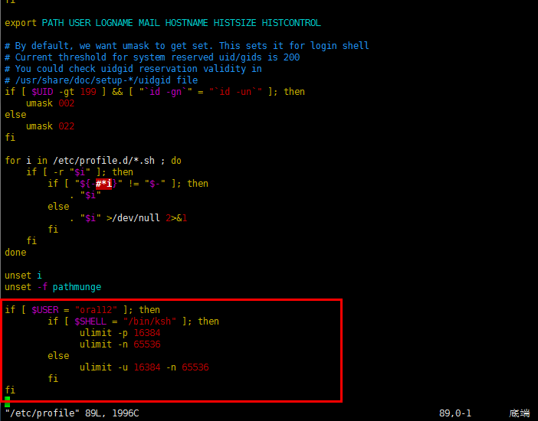

重新登录生效

vim /home/ora112/.bash_profile
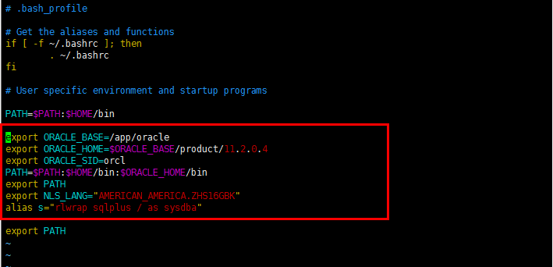

 |  | orcl15 和后期netca 设置的 sid 要一样

在ora112用户下执行 source /home/ora112/.bash_profile

vim /etc/hosts

hostname
保存文件就会立即生效

cd ~
ls
vim .bash_profile
s
. .bash_profile
s

cp文件
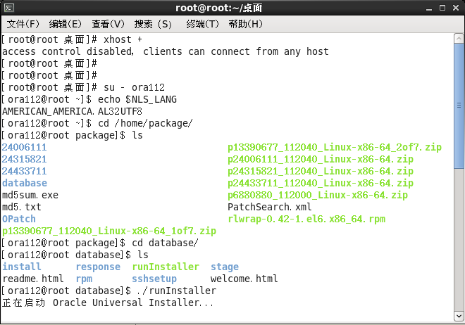
挂载硬盘
mount sdd1 /mnt
cd /mnt
cp pacakge /home

授权
chmod u+x r*
chmod u+x p*
ll
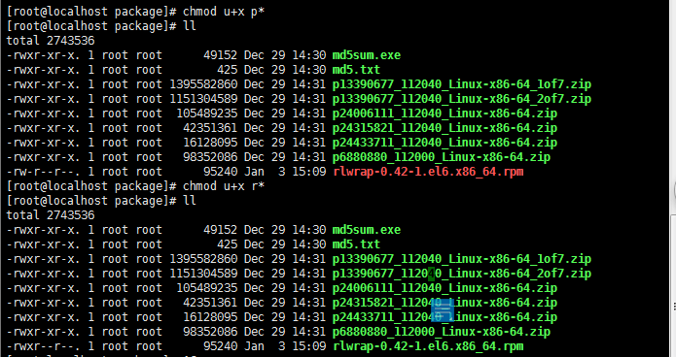

验证文件 | cat md5.txt
1616f61789891a56eafd40de79f58f28 *p13390677_112040_Linux-x86-64_1of7.zip
67ba1e68a4f581b305885114768443d3 *p13390677_112040_Linux-x86-64_2of7.zip
952458e119946b106e4c8e9e5b25f0a2 *p24006111_112040_Linux-x86-64.zip
9e0ab832de4a4e87f26210a0df0f7dc6 *p24315821_112040_Linux-x86-64.zip
195bd01bb97b31eee9ba8b9db478e26b *p24433711_112040_Linux-x86-64.zip
5059cc598b65a70ce6709e846f8adaa0 *p6880880_112000_Linux-x86-64.zip

卸载硬盘
umount /mnt

rpm -ivh rlwrap-0.42-1.el6.x86_64.rpm

使用 ora112 用户解压
一个个解压文件
unzip p24006111_112040_Linux-x86-64.zip
unzip p24315821_112040_Linux-x86-64.zip
unzip p24433711_112040_Linux-x86-64.zip
unzip p13390677_112040_Linux-x86-64_1of7.zip
unzip p13390677_112040_Linux-x86-64_2of7.zip
unzip p6880880_112000_Linux-x86-64.zip
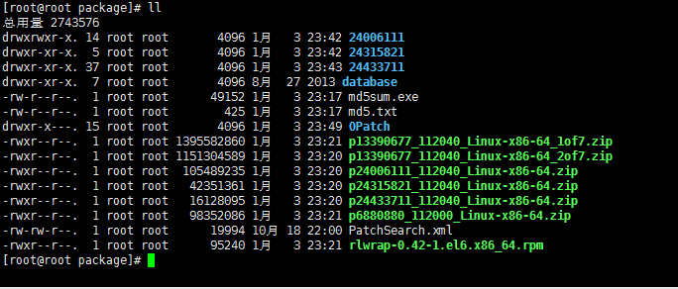

使用 ora112 用户解压可以忽略这步
chown ora112:oinstall -R 24433711
chown ora112:oinstall -R 24315821
chown ora112:oinstall -R 24006111
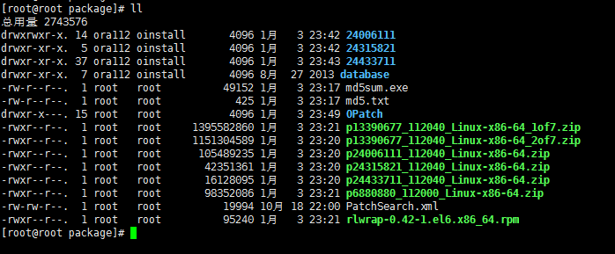
chown ora112:oinstall -R database

安装 dbms
xhost +
su - ora112
./runInstaller

dbms安装
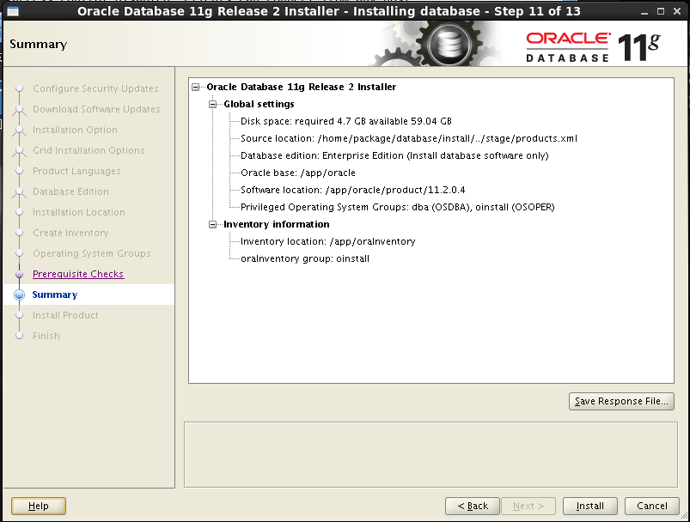
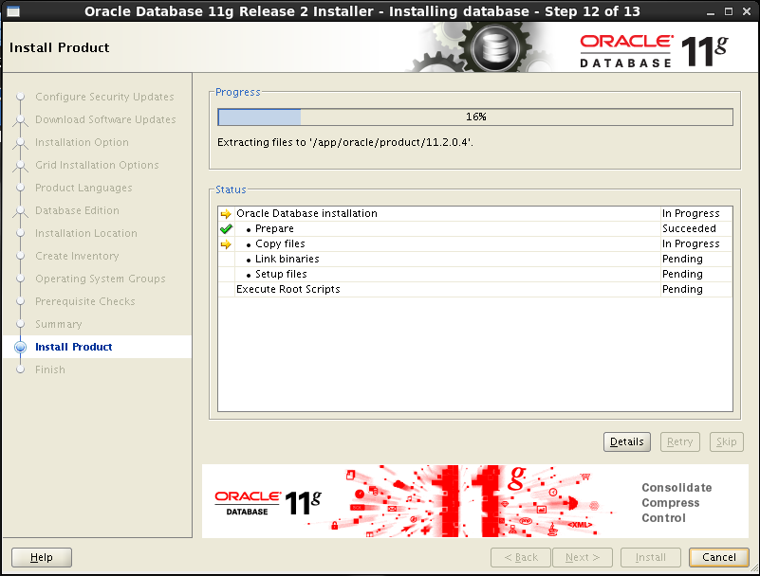
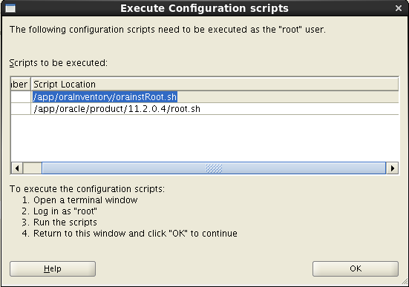
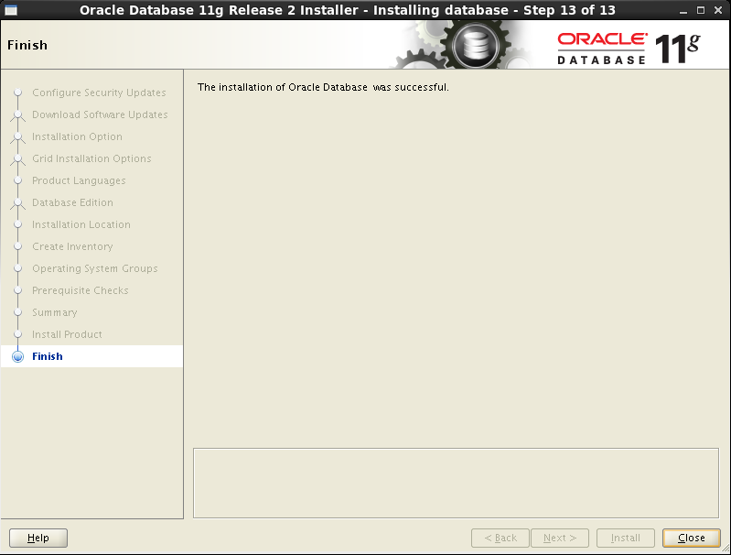
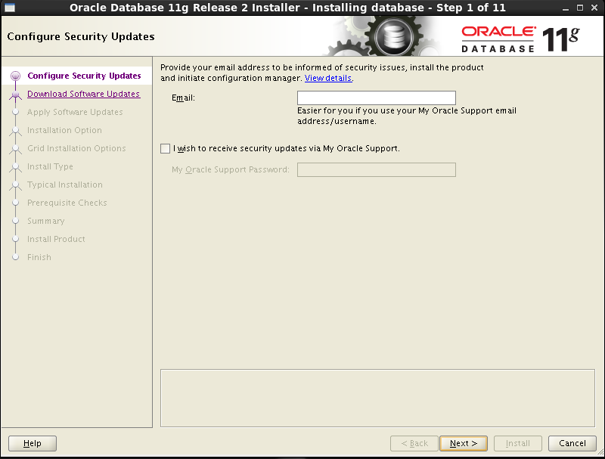

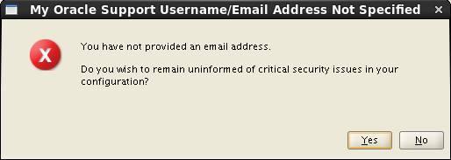

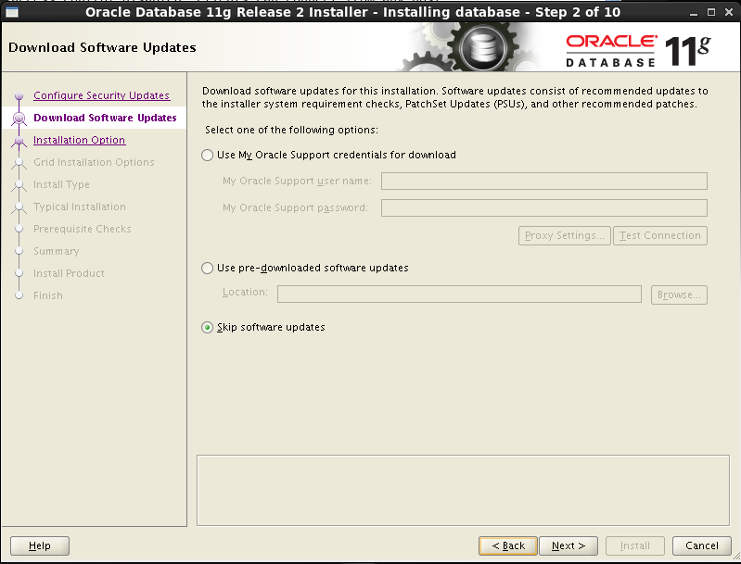

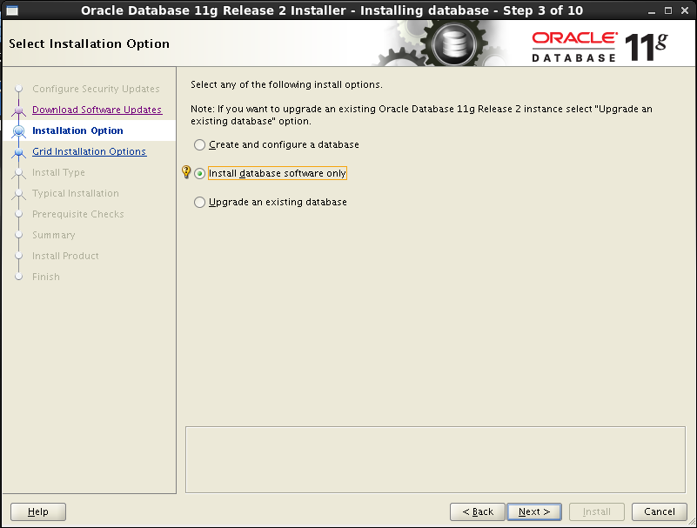

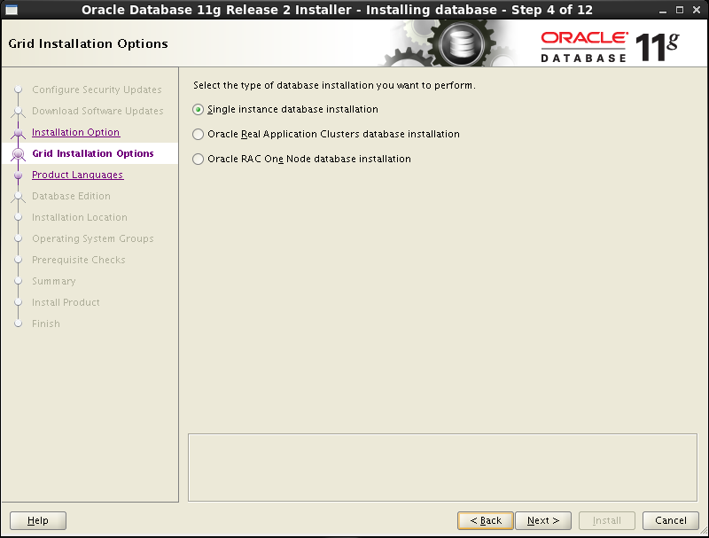

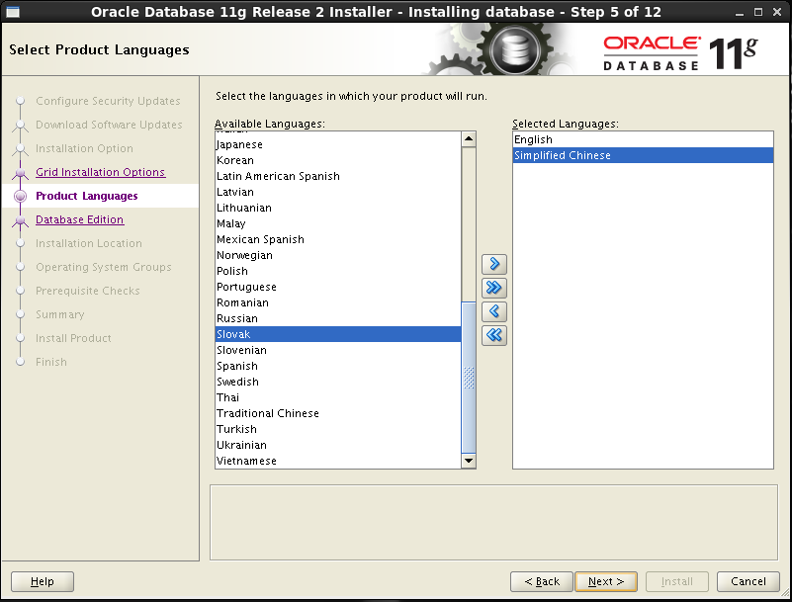

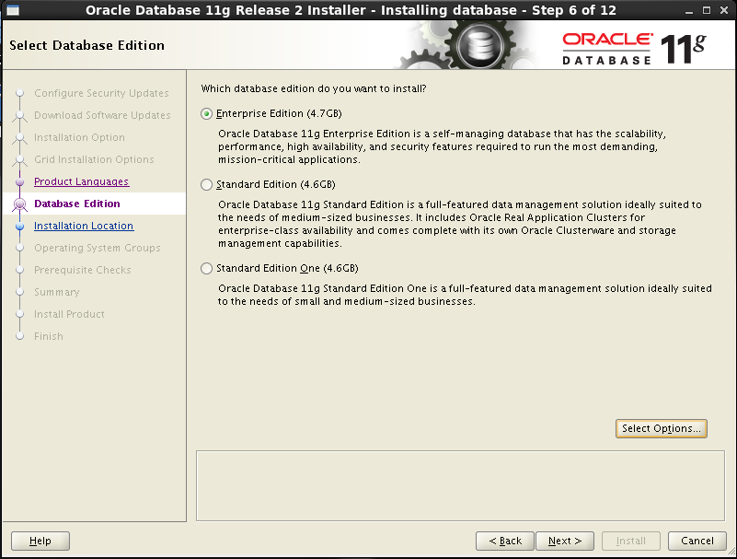

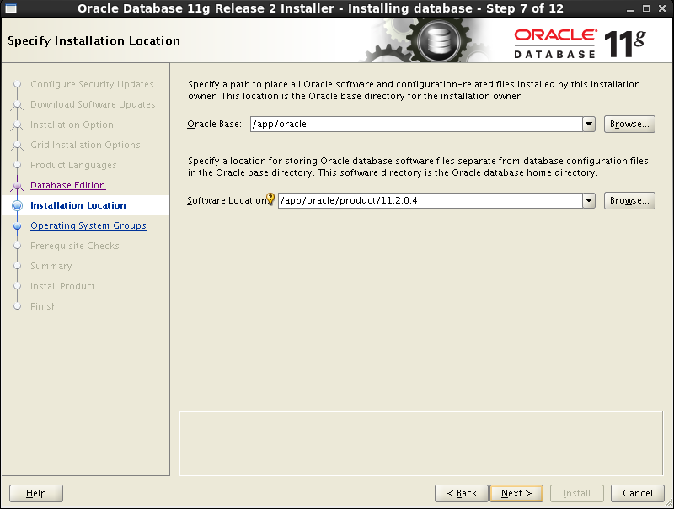

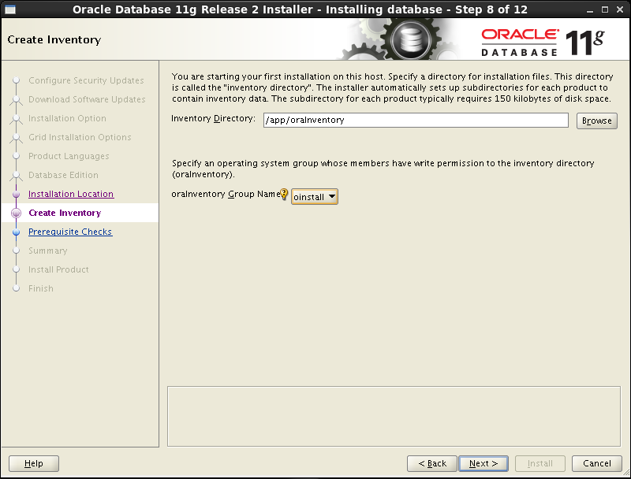

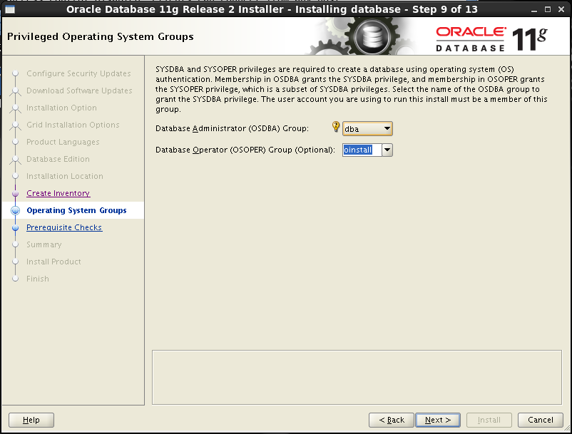

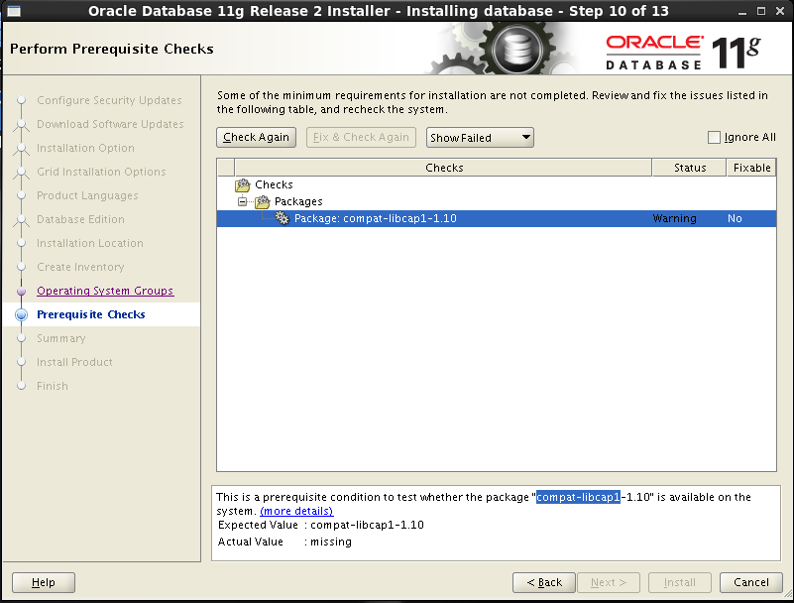

安装完 提示的软件点击

提示需要的软件

root用户
安装compat-libcap1
cd /media/
ls
cd Packages/
rpm -ivh compat-libcap1-1.10-1.x86_64.rpm

check again

打补丁
cd $ORACLE_HOME
cd /app/oracle/product/11.2.0.4
ls

su ora112
移走 Opath
mv OPatch OPatch.bak

把我们的放进去
root
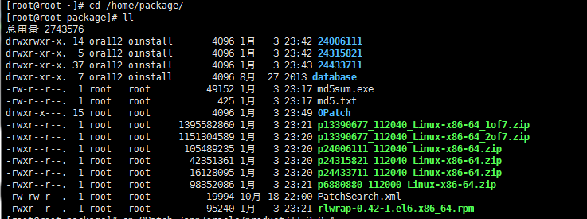

ora112

root 改变组

ora112
cd OPatch
./opatch apply /home/package/24006111
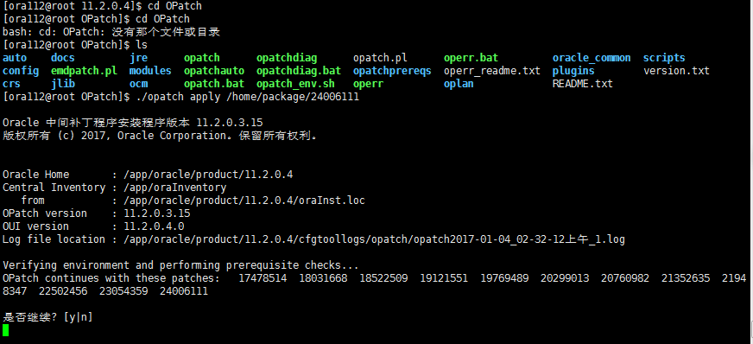
 | ./opatch apply /home/db/24006111
 | y
 | a@b.c

 | NONE
 | NONE
 | y

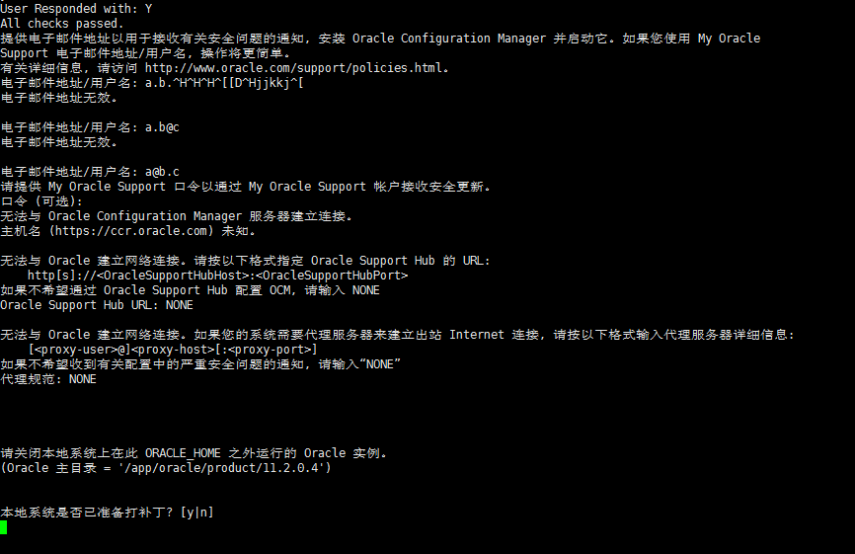

………

确认：
./opatch lsinventory
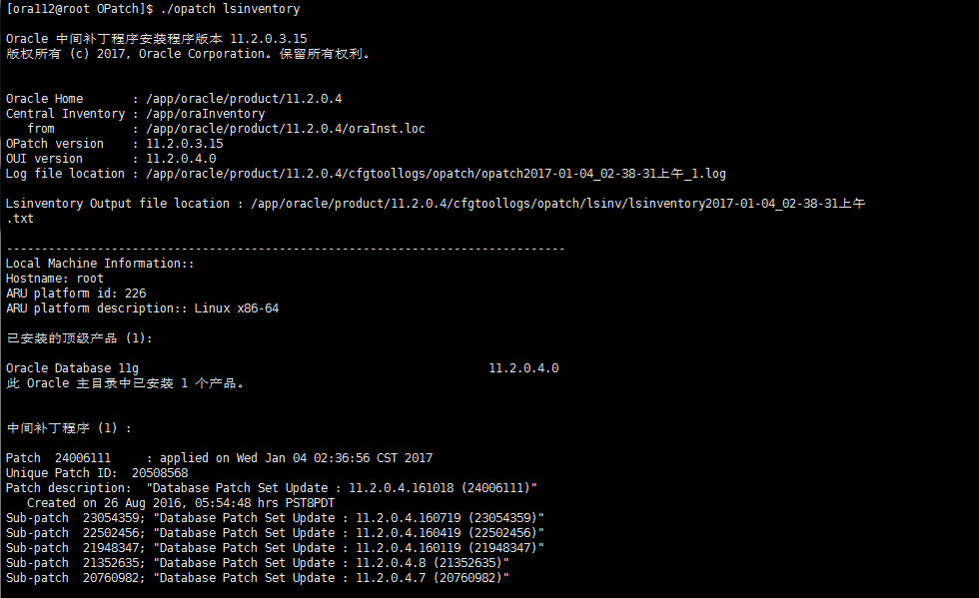

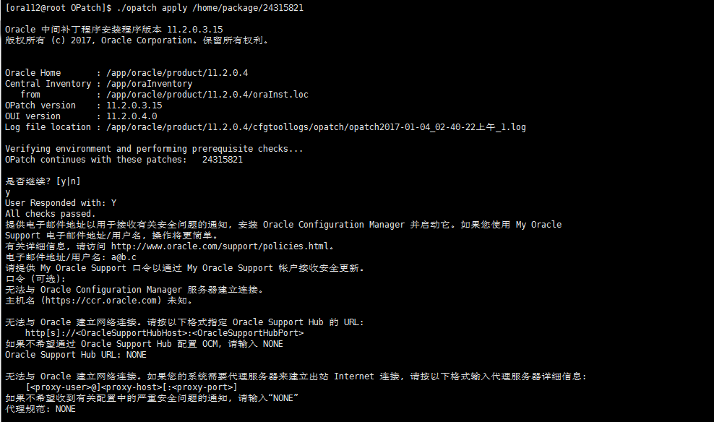
第二个补丁
./opatch apply /home/package/24315821
 | ./opatch apply /home/db/24315821
 | y
 | a@b.c

 | NONE
 | NONE
 | y

……
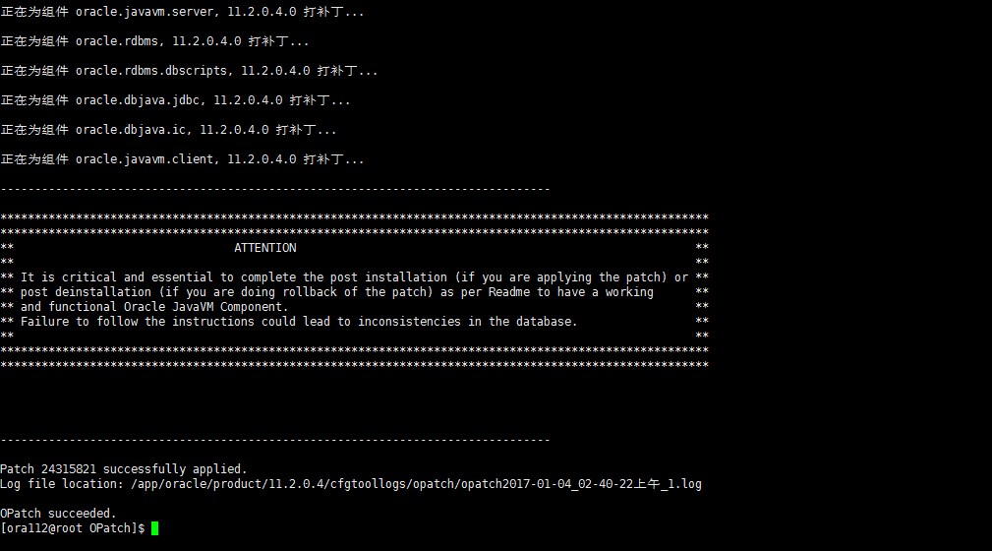

确认：
./opatch lsinventory
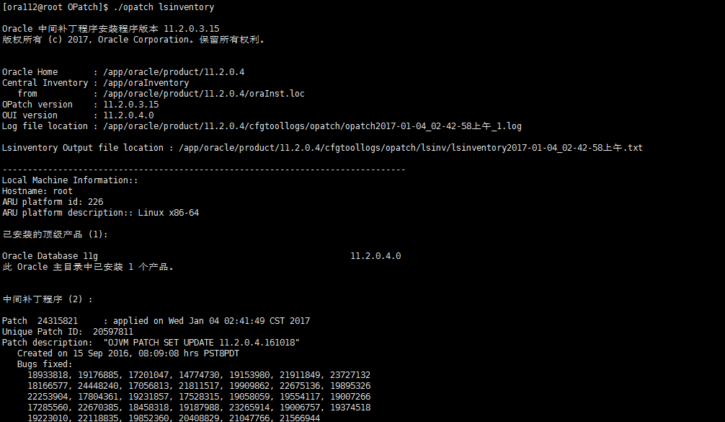

第三个 不用

dbca安装
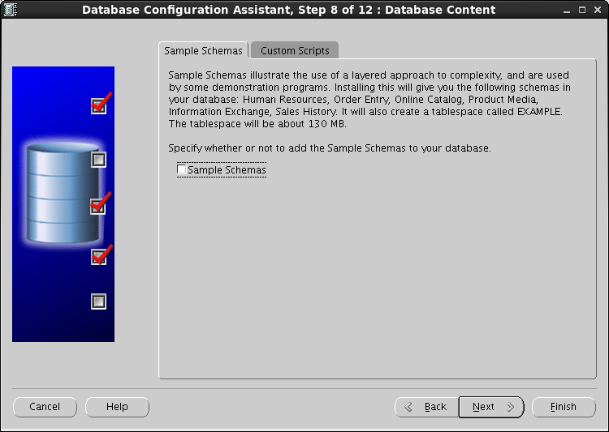
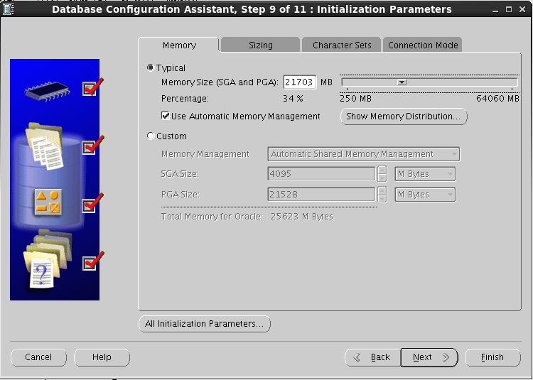
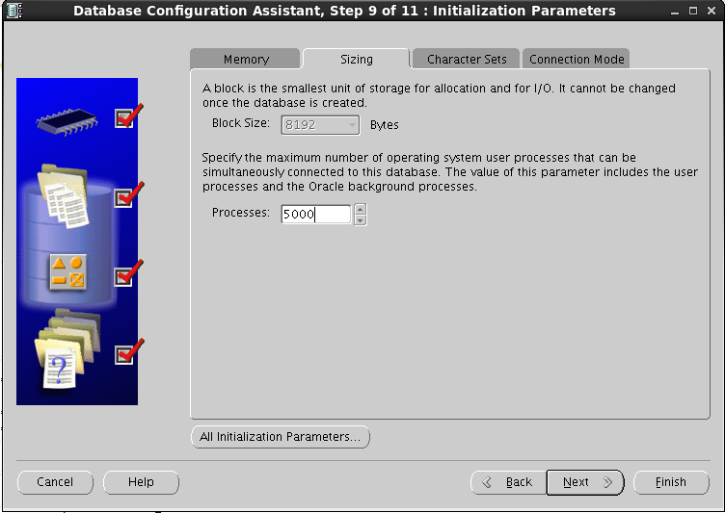
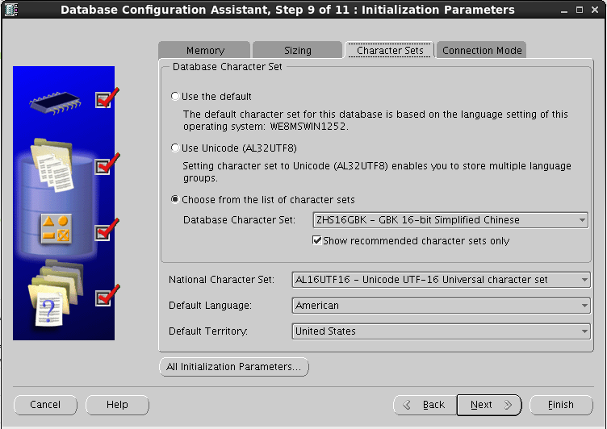
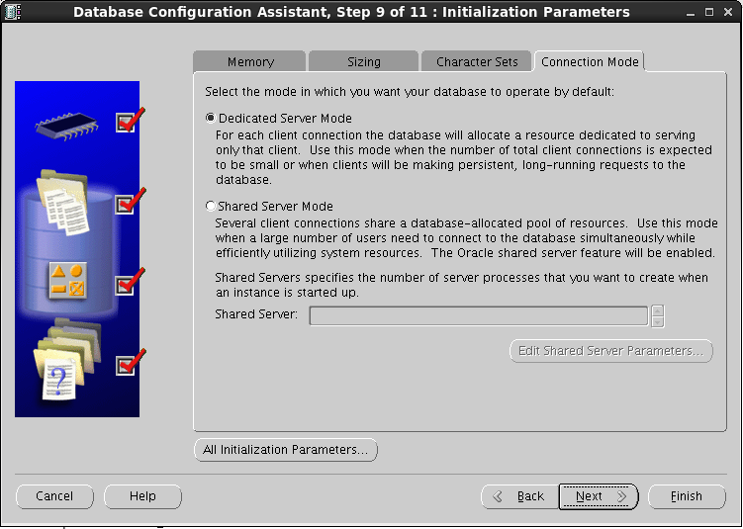
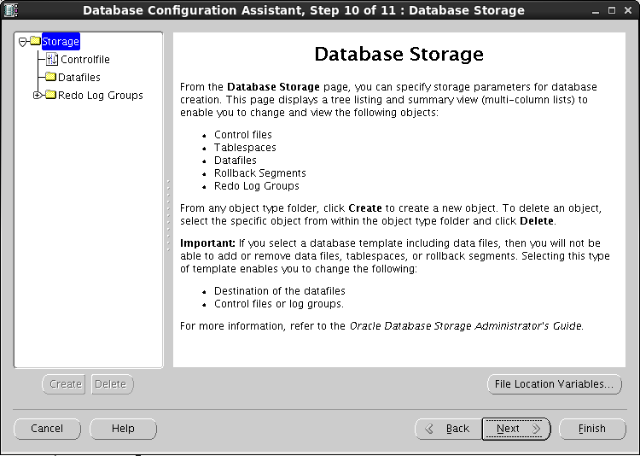
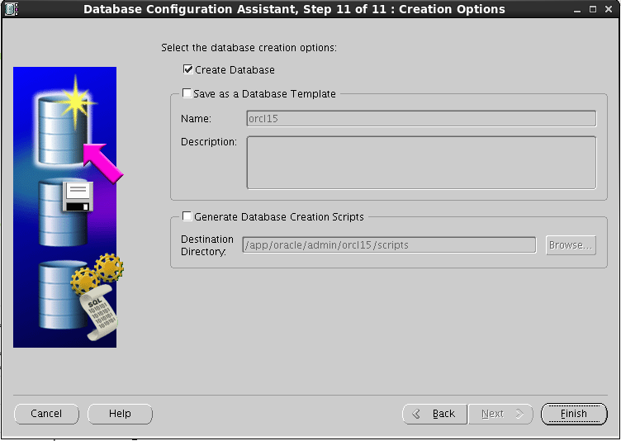
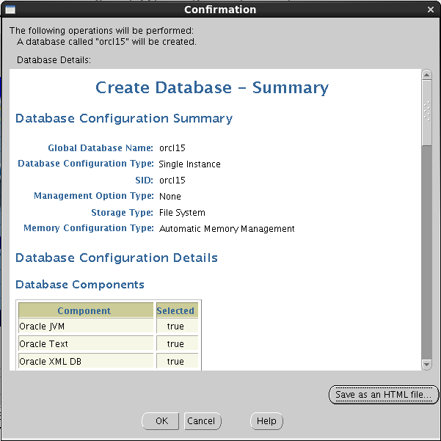
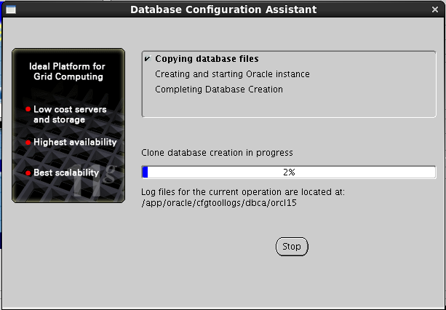
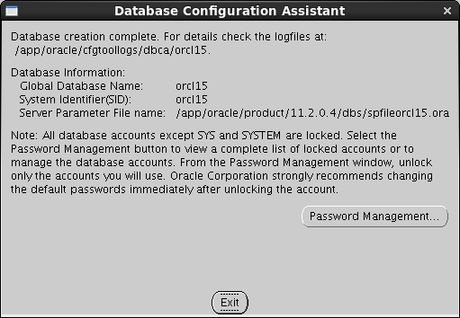
su ora112 | 切到 oracle 用户下
echo $LANG | 查看语言
export LANG=en_US.UTF-8 | 设置临时语言为 英语utf8
cd /app/oracle/product/11.2.0.4/bin/ | 切换到$ORACLE_HOME/bin
. /dbca | 执行 当前路径下的 dbca

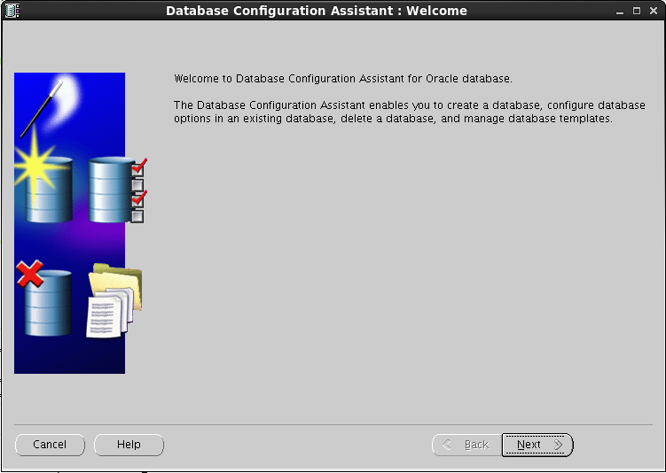

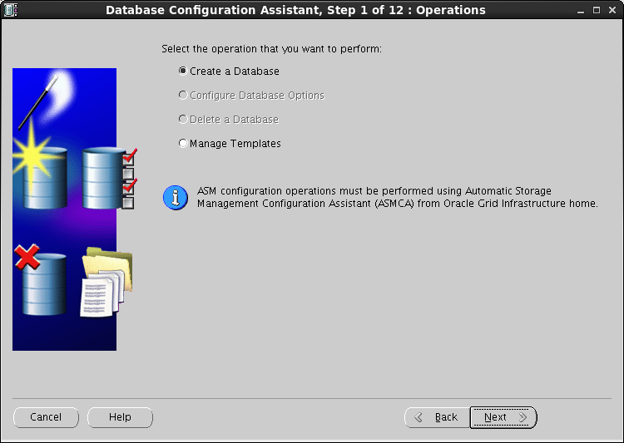

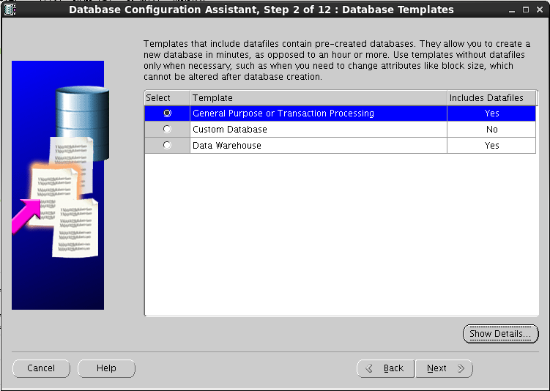

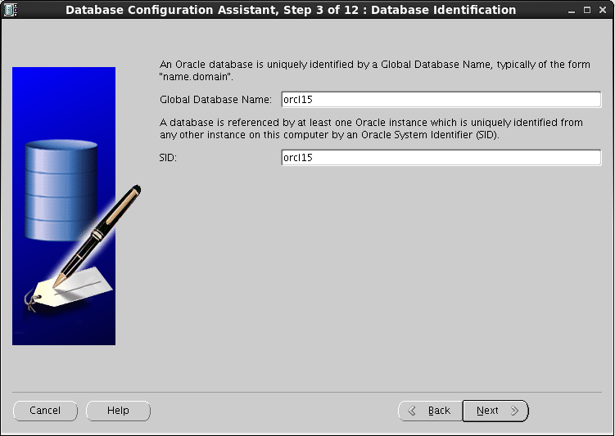





 |  | 123456
 |  | 123456





 |  | 手动设置大小 1000000000

恢复
备份文件路径
/home/bak/BACKUPSET
挂载硬盘
cp文件

开始恢复数据

准备工作
su ora112
cd $ORACLE_HOME/dbs


echo $ORACLE_BASE
echo $ORACLE_HOME
echo $ORACLE_SID
echo $NLS_LANG


shutdown immediate |  | 无条件关闭
 |  | shutdown abort
 |  | 执行完成后关闭
 |  | shutdown immediate

删除文件
rm initorcl.ora initorcl.ora.bak
ls
rm spfileorcl.ora spfileorcl.ora.bak | 建议使用 mv 重命名 rm 删除没法 找到了
ls | cd $ORACLE_HOME/dbs
 | mv initorcl.ora initorcl.ora.bak
 | mv spfileorcl.ora spfileorcl.ora.bak

开始恢复
vim $ORACLE_HOME/dbs/initorcl15.ora

 | compatible='11.2.0.4.0' |  | 现场应该是
 | db_name=orcl15 |  | db_name=orcli2
 | db_recovery_file_dest=/home/bak |  | 现场是恢复文件的位置
 | db_recovery_file_dest_size=10000000g |  | db_recovery_file_dest=/mnt/fra
 | memory_target=10g

vim /home/ora112/.bash_profile


使生效
. /home/ora112/.bash_profile

sqlplus
startup nomount


修改组
chown ora112:oinstall -R /home/bak


查看 15 的导出日志 vim log_level0_170105.log


cd $ORACLE_HOME/bin
rman target /


rman |  |  | 现场是
restore spfile to pfile "/app/oracle/product/11.2.0.1/dbs/initorcl15.ora" from "/home/bak/ORCL15/autobackup/2017_01_05/o1_mf_s_932434581_d6tdnp6z_.bkp"; |  |  | restore spfile to pfile "/app/oracle/product/11.2.0.1/dbs/initorcl15.ora" from "/mnt/fra/orcli2/autobackup/2016_12_28/s_931748244.10846.931748251";

su ora112 |  |  | 现场是
vim /app/oracle/product/11.2.0.1/dbs/initorcl15.ora |  |  | vim /app/oracle/product/11.2.0.1/dbs/initorcli2.ora
删掉之前添加的


sqlplus
create spfile from pfile;
shutdown abort
startup nomount

ora112
mkdir -p /app/oracle/oradata/orcl15
chown -R ora112:oinstall /app/oracle/oradata/orcl15

mkdir -p /app/oracle/admin/orcl15/adump
chown -R ora112:oinstall /app/oracle/admin/orcl15/adump

sqlplus
startup nomount;

 |  |  | 现场
rman
exit
rman target / |  |  | restore controlfile from "/mnt/fra/orcli2/autobackup/2016_12_28/s_931748244.10846.931748251";
restore controlfile from "/home/bak/ORCL15/autobackup/2017_01_05/o1_mf_s_932434581_d6tdnp6z_.bkp";

sqlplus
alter database mount;

恢复文件位置验证
set linesize 100
set pagesize 9999
select FILE#,name from v$datafile;


set linesize 100
set pagesize 9999
select * from v$logfile;


 |  |  | catalog start with '/mnt/fra';
rman |  |  | crosscheck backup;
catalog start with '/home/bak';


监测
crosscheck backup;


sqlplus
--估算文件恢复之后占用的大小：
select sum(blocks)*8/1024/1024 from v$backup_datafile;

set linesize 500
set pagesize 9999
col a for a400
select replace('set newname for datafile '||FILE#||' to '''||name||''';','+DATA','/home/oradata') a from v$datafile;


 |  |  | 现场
vim test.rman |  |  | run {
run { |  |  | set newname for datafile 1 to '/home/oradata/orcli2/datafile/system.808.928155679';
set newname for datafile 1 to '/app/oracle/oradata/orcl15/system01.dbf'; |  |  | set newname for datafile 2 to '/home/oradata/orcli2/datafile/sysaux.809.928155679';
set newname for datafile 2 to '/app/oracle/oradata/orcl15/sysaux01.dbf'; |  |  | set newname for datafile 3 to '/home/oradata/orcli2/datafile/undotbs1.810.928155679';
set newname for datafile 3 to '/app/oracle/oradata/orcl15/undotbs01.dbf'; |  |  | set newname for datafile 4 to '/home/oradata/orcli2/datafile/users.811.928155679';
set newname for datafile 4 to '/app/oracle/oradata/orcl15/users01.dbf'; |  |  | set newname for datafile 5 to '/home/oradata/orcli2/datafile/zhcx_data_001.dbf';
set newname for datafile 5 to '/app/oracle/oradata/orcl15/zhcx_data001.dbf'; |  |  | set newname for datafile 6 to '/home/oradata/orcli2/datafile/zhcx_data_002.dbf';
set newname for datafile 6 to '/app/oracle/oradata/orcl15/zhcx_index001.dbf'; |  |  | set newname for datafile 7 to '/home/oradata/orcli2/datafile/zhcx_data_003.dbf';
restore database; |  |  | set newname for datafile 8 to '/home/oradata/orcli2/datafile/zhcx_data_004.dbf';
switch datafile all; |  |  | set newname for datafile 9 to '/home/oradata/orcli2/datafile/zhcx_data_005.dbf';
} |  |  | set newname for datafile 10 to '/home/oradata/orcli2/datafile/zhcx_data_006.dbf';
 |  |  | set newname for datafile 11 to '/home/oradata/orcli2/datafile/zhcx_data_007.dbf';
 |  |  | set newname for datafile 12 to '/home/oradata/orcli2/datafile/zhcx_data_008.dbf';
 |  |  | set newname for datafile 13 to '/home/oradata/orcli2/datafile/zhcx_data_009.dbf';
 |  |  | set newname for datafile 14 to '/home/oradata/orcli2/datafile/zhcx_data_010.dbf';
 |  |  | set newname for datafile 15 to '/home/oradata/orcli2/datafile/zhcx_data_011.dbf';
 |  |  | set newname for datafile 16 to '/home/oradata/orcli2/datafile/zhcx_data_012.dbf';
 |  |  | set newname for datafile 17 to '/home/oradata/orcli2/datafile/zhcx_data_013.dbf';
 |  |  | set newname for datafile 18 to '/home/oradata/orcli2/datafile/zhcx_data_014.dbf';
 |  |  | set newname for datafile 19 to '/home/oradata/orcli2/datafile/zhcx_data_015.dbf';
 |  |  | set newname for datafile 20 to '/home/oradata/orcli2/datafile/zhcx_data_016.dbf';
 |  |  | set newname for datafile 21 to '/home/oradata/orcli2/datafile/zhcx_data_017.dbf';
 |  |  | set newname for datafile 22 to '/home/oradata/orcli2/datafile/zhcx_data_018.dbf';
 |  |  | set newname for datafile 23 to '/home/oradata/orcli2/datafile/zhcx_data_019.dbf';
 |  |  | set newname for datafile 24 to '/home/oradata/orcli2/datafile/zhcx_data_020.dbf';
 |  |  | set newname for datafile 25 to '/home/oradata/orcli2/datafile/zhcx_data_021.dbf';
 |  |  | set newname for datafile 26 to '/home/oradata/orcli2/datafile/zhcx_data_022.dbf';
rman target / |  |  | set newname for datafile 27 to '/home/oradata/orcli2/datafile/zhcx_data_023.dbf';
@/test.rman |  |  | set newname for datafile 28 to '/home/oradata/orcli2/datafile/zhcx_data_024.dbf';

 |  |  | set newname for datafile 29 to '/home/oradata/orcli2/datafile/zhcx_data_025.dbf';
 |  |  | set newname for datafile 30 to '/home/oradata/orcli2/datafile/zhcx_data_026.dbf';
 |  |  | set newname for datafile 31 to '/home/oradata/orcli2/datafile/zhcx_data_027.dbf';
 |  |  | set newname for datafile 32 to '/home/oradata/orcli2/datafile/zhcx_data_028.dbf';
 |  |  | set newname for datafile 33 to '/home/oradata/orcli2/datafile/zhcx_data_029.dbf';
 |  |  | set newname for datafile 34 to '/home/oradata/orcli2/datafile/zhcx_data_030.dbf';
 |  |  | set newname for datafile 35 to '/home/oradata/orcli2/datafile/zhcx_data_031.dbf';
 |  |  | set newname for datafile 36 to '/home/oradata/orcli2/datafile/zhcx_data_032.dbf';
 |  |  | set newname for datafile 37 to '/home/oradata/orcli2/datafile/zhcx_data_033.dbf';
 |  |  | set newname for datafile 38 to '/home/oradata/orcli2/datafile/zhcx_data_034.dbf';
 |  |  | set newname for datafile 39 to '/home/oradata/orcli2/datafile/zhcx_data_035.dbf';
 |  |  | set newname for datafile 40 to '/home/oradata/orcli2/datafile/zhcx_data_036.dbf';
 |  |  | set newname for datafile 41 to '/home/oradata/orcli2/datafile/zhcx_data_037.dbf';
 |  |  | set newname for datafile 42 to '/home/oradata/orcli2/datafile/zhcx_data_038.dbf';
 |  |  | set newname for datafile 43 to '/home/oradata/orcli2/datafile/zhcx_data_039.dbf';
 |  |  | set newname for datafile 44 to '/home/oradata/orcli2/datafile/zhcx_data_040.dbf';
 |  |  | set newname for datafile 45 to '/home/oradata/orcli2/datafile/zhcx_data_041.dbf';
 |  |  | set newname for datafile 46 to '/home/oradata/orcli2/datafile/zhcx_data_042.dbf';
 |  |  | set newname for datafile 47 to '/home/oradata/orcli2/datafile/zhcx_data_043.dbf';
 |  |  | set newname for datafile 48 to '/home/oradata/orcli2/datafile/zhcx_data_044.dbf';
 |  |  | set newname for datafile 49 to '/home/oradata/orcli2/datafile/zhcx_data_045.dbf';
 |  |  | set newname for datafile 50 to '/home/oradata/orcli2/datafile/zhcx_data_046.dbf';
 |  |  | set newname for datafile 51 to '/home/oradata/orcli2/datafile/zhcx_data_047.dbf';
 |  |  | set newname for datafile 52 to '/home/oradata/orcli2/datafile/zhcx_data_048.dbf';
 |  |  | set newname for datafile 53 to '/home/oradata/orcli2/datafile/zhcx_data_049.dbf';
 |  |  | set newname for datafile 54 to '/home/oradata/orcli2/datafile/zhcx_data_050.dbf';
 |  |  | set newname for datafile 55 to '/home/oradata/orcli2/datafile/zhcx_data_051.dbf';
 |  |  | set newname for datafile 56 to '/home/oradata/orcli2/datafile/zhcx_data_052.dbf';
 |  |  | set newname for datafile 57 to '/home/oradata/orcli2/datafile/zhcx_data_053.dbf';
 |  |  | set newname for datafile 58 to '/home/oradata/orcli2/datafile/zhcx_data_054.dbf';
 |  |  | set newname for datafile 59 to '/home/oradata/orcli2/datafile/zhcx_data_055.dbf';
 |  |  | set newname for datafile 60 to '/home/oradata/orcli2/datafile/zhcx_data_056.dbf';
 |  |  | set newname for datafile 61 to '/home/oradata/orcli2/datafile/zhcx_data_057.dbf';
 |  |  | set newname for datafile 62 to '/home/oradata/orcli2/datafile/zhcx_data_058.dbf';
 |  |  | set newname for datafile 63 to '/home/oradata/orcli2/datafile/zhcx_data_059.dbf';
 |  |  | set newname for datafile 64 to '/home/oradata/orcli2/datafile/zhcx_data_060.dbf';
recover database; |  |  | set newname for datafile 65 to '/home/oradata/orcli2/datafile/zhcx_data_061.dbf';

 |  |  | set newname for datafile 66 to '/home/oradata/orcli2/datafile/zhcx_data_062.dbf';
 |  |  | set newname for datafile 67 to '/home/oradata/orcli2/datafile/zhcx_data_063.dbf';
 |  |  | set newname for datafile 68 to '/home/oradata/orcli2/datafile/zhcx_data_064.dbf';
 |  |  | set newname for datafile 69 to '/home/oradata/orcli2/datafile/zhcx_data_065.dbf';
 |  |  | set newname for datafile 70 to '/home/oradata/orcli2/datafile/zhcx_data_066.dbf';
 |  |  | set newname for datafile 71 to '/home/oradata/orcli2/datafile/zhcx_data_067.dbf';
 |  |  | set newname for datafile 72 to '/home/oradata/orcli2/datafile/zhcx_data_068.dbf';
 |  |  | set newname for datafile 73 to '/home/oradata/orcli2/datafile/zhcx_data_069.dbf';
alter database open resetlogs; |  |  | set newname for datafile 74 to '/home/oradata/orcli2/datafile/zhcx_data_070.dbf';
 |  |  | set newname for datafile 75 to '/home/oradata/orcli2/datafile/zhcx_data_071.dbf';
 |  |  | set newname for datafile 76 to '/home/oradata/orcli2/datafile/zhcx_data_072.dbf';
 |  |  | set newname for datafile 77 to '/home/oradata/orcli2/datafile/zhcx_data_073.dbf';
 |  |  | set newname for datafile 78 to '/home/oradata/orcli2/datafile/zhcx_data_074.dbf';
 |  |  | set newname for datafile 79 to '/home/oradata/orcli2/datafile/zhcx_data_075.dbf';
 |  |  | set newname for datafile 80 to '/home/oradata/orcli2/datafile/zhcx_data_076.dbf';
 |  |  | set newname for datafile 81 to '/home/oradata/orcli2/datafile/zhcx_data_077.dbf';
 |  |  | set newname for datafile 82 to '/home/oradata/orcli2/datafile/zhcx_data_078.dbf';
 |  |  | set newname for datafile 83 to '/home/oradata/orcli2/datafile/zhcx_data_079.dbf';
 |  |  | set newname for datafile 84 to '/home/oradata/orcli2/datafile/zhcx_data_080.dbf';
 |  |  | set newname for datafile 85 to '/home/oradata/orcli2/datafile/zhcx_data_081.dbf';
 |  |  | set newname for datafile 86 to '/home/oradata/orcli2/datafile/zhcx_data_082.dbf';
 |  |  | set newname for datafile 87 to '/home/oradata/orcli2/datafile/zhcx_data_083.dbf';
 |  |  | set newname for datafile 88 to '/home/oradata/orcli2/datafile/zhcx_data_084.dbf';
 |  |  | set newname for datafile 89 to '/home/oradata/orcli2/datafile/zhcx_data_085.dbf';
 |  |  | set newname for datafile 90 to '/home/oradata/orcli2/datafile/zhcx_data_086.dbf';
 |  |  | set newname for datafile 91 to '/home/oradata/orcli2/datafile/zhcx_data_087.dbf';
 |  |  | set newname for datafile 92 to '/home/oradata/orcli2/datafile/zhcx_data_088.dbf';
 |  |  | set newname for datafile 93 to '/home/oradata/orcli2/datafile/zhcx_data_089.dbf';
 |  |  | set newname for datafile 94 to '/home/oradata/orcli2/datafile/zhcx_data_090.dbf';
 |  |  | set newname for datafile 95 to '/home/oradata/orcli2/datafile/zhcx_data_091.dbf';
 |  |  | set newname for datafile 96 to '/home/oradata/orcli2/datafile/zhcx_data_092.dbf';
 |  |  | set newname for datafile 97 to '/home/oradata/orcli2/datafile/zhcx_data_093.dbf';
 |  |  | set newname for datafile 98 to '/home/oradata/orcli2/datafile/zhcx_data_094.dbf';

 |  |  | set newname for datafile 99 to '/home/oradata/orcli2/datafile/zhcx_data_095.dbf';
 |  |  | set newname for datafile 100 to '/home/oradata/orcli2/datafile/zhcx_data_096.dbf';
 |  |  | set newname for datafile 101 to '/home/oradata/orcli2/datafile/zhcx_data_097.dbf';
 |  |  | set newname for datafile 102 to '/home/oradata/orcli2/datafile/zhcx_data_098.dbf';
 |  |  | set newname for datafile 103 to '/home/oradata/orcli2/datafile/zhcx_data_099.dbf';
 |  |  | set newname for datafile 104 to '/home/oradata/orcli2/datafile/zhcx_data_100.dbf';
 |  |  | set newname for datafile 105 to '/home/oradata/orcli2/datafile/zhcx_data_101.dbf';
 |  |  | set newname for datafile 106 to '/home/oradata/orcli2/datafile/zhcx_data_102.dbf';
 |  |  | set newname for datafile 107 to '/home/oradata/orcli2/datafile/zhcx_data_103.dbf';
 |  |  | set newname for datafile 108 to '/home/oradata/orcli2/datafile/zhcx_data_104.dbf';
 |  |  | set newname for datafile 109 to '/home/oradata/orcli2/datafile/zhcx_data_105.dbf';
 |  |  | set newname for datafile 110 to '/home/oradata/orcli2/datafile/zhcx_data_106.dbf';
 |  |  | set newname for datafile 111 to '/home/oradata/orcli2/datafile/zhcx_data_107.dbf';
 |  |  | set newname for datafile 112 to '/home/oradata/orcli2/datafile/zhcx_data_108.dbf';
 |  |  | set newname for datafile 113 to '/home/oradata/orcli2/datafile/zhcx_data_109.dbf';
 |  |  | set newname for datafile 114 to '/home/oradata/orcli2/datafile/zhcx_data_110.dbf';
 |  |  | set newname for datafile 115 to '/home/oradata/orcli2/datafile/zhcx_data_111.dbf';
 |  |  | set newname for datafile 116 to '/home/oradata/orcli2/datafile/zhcx_data_112.dbf';
 |  |  | set newname for datafile 117 to '/home/oradata/orcli2/datafile/zhcx_data_113.dbf';
 |  |  | set newname for datafile 118 to '/home/oradata/orcli2/datafile/zhcx_data_114.dbf';
 |  |  | set newname for datafile 119 to '/home/oradata/orcli2/datafile/zhcx_data_115.dbf';
 |  |  | set newname for datafile 120 to '/home/oradata/orcli2/datafile/zhcx_data_116.dbf';
 |  |  | set newname for datafile 121 to '/home/oradata/orcli2/datafile/zhcx_data_117.dbf';
 |  |  | set newname for datafile 122 to '/home/oradata/orcli2/datafile/zhcx_data_118.dbf';
 |  |  | set newname for datafile 123 to '/home/oradata/orcli2/datafile/zhcx_data_119.dbf';
 |  |  | set newname for datafile 124 to '/home/oradata/orcli2/datafile/zhcx_data_120.dbf';
 |  |  | set newname for datafile 125 to '/home/oradata/orcli2/datafile/zhcx_data_121.dbf';
 |  |  | set newname for datafile 126 to '/home/oradata/orcli2/datafile/zhcx_data_122.dbf';
 |  |  | set newname for datafile 127 to '/home/oradata/orcli2/datafile/zhcx_data_123.dbf';
 |  |  | set newname for datafile 128 to '/home/oradata/orcli2/datafile/zhcx_data_124.dbf';
 |  |  | set newname for datafile 129 to '/home/oradata/orcli2/datafile/zhcx_data_125.dbf';
 |  |  | set newname for datafile 130 to '/home/oradata/orcli2/datafile/zhcx_data_126.dbf';
 |  |  | set newname for datafile 131 to '/home/oradata/orcli2/datafile/zhcx_data_127.dbf';
 |  |  | set newname for datafile 132 to '/home/oradata/orcli2/datafile/zhcx_data_128.dbf';
 |  |  | set newname for datafile 133 to '/home/oradata/orcli2/datafile/zhcx_data_129.dbf';
 |  |  | set newname for datafile 134 to '/home/oradata/orcli2/datafile/zhcx_data_130.dbf';
 |  |  | set newname for datafile 135 to '/home/oradata/orcli2/datafile/zhcx_data_131.dbf';
 |  |  | set newname for datafile 136 to '/home/oradata/orcli2/datafile/zhcx_data_132.dbf';
 |  |  | set newname for datafile 137 to '/home/oradata/orcli2/datafile/zhcx_data_133.dbf';
alter database open resetlogs; |  |  | set newname for datafile 138 to '/home/oradata/orcli2/datafile/zhcx_data_134.dbf';
 |  |  | set newname for datafile 139 to '/home/oradata/orcli2/datafile/zhcx_data_135.dbf';
 |  |  | set newname for datafile 140 to '/home/oradata/orcli2/datafile/zhcx_data_136.dbf';
 |  |  | set newname for datafile 141 to '/home/oradata/orcli2/datafile/zhcx_data_137.dbf';
 |  |  | set newname for datafile 142 to '/home/oradata/orcli2/datafile/zhcx_data_138.dbf';
 |  |  | set newname for datafile 143 to '/home/oradata/orcli2/datafile/zhcx_data_139.dbf';
 |  |  | set newname for datafile 144 to '/home/oradata/orcli2/datafile/zhcx_data_140.dbf';
 |  |  | set newname for datafile 145 to '/home/oradata/orcli2/datafile/zhcx_data_141.dbf';
 |  |  | set newname for datafile 146 to '/home/oradata/orcli2/datafile/zhcx_data_142.dbf';
 |  |  | set newname for datafile 147 to '/home/oradata/orcli2/datafile/zhcx_data_143.dbf';
 |  |  | set newname for datafile 148 to '/home/oradata/orcli2/datafile/zhcx_data_144.dbf';
 |  |  | set newname for datafile 149 to '/home/oradata/orcli2/datafile/zhcx_data_145.dbf';
 |  |  | set newname for datafile 150 to '/home/oradata/orcli2/datafile/zhcx_data_146.dbf';
 |  |  | set newname for datafile 151 to '/home/oradata/orcli2/datafile/zhcx_data_147.dbf';
 |  |  | set newname for datafile 152 to '/home/oradata/orcli2/datafile/zhcx_data_148.dbf';
 |  |  | set newname for datafile 153 to '/home/oradata/orcli2/datafile/zhcx_data_149.dbf';
 |  |  | set newname for datafile 154 to '/home/oradata/orcli2/datafile/zhcx_data_150.dbf';
 |  |  | set newname for datafile 155 to '/home/oradata/orcli2/datafile/zhcx_data_151.dbf';
 |  |  | set newname for datafile 156 to '/home/oradata/orcli2/datafile/zhcx_data_152.dbf';
 |  |  | set newname for datafile 157 to '/home/oradata/orcli2/datafile/zhcx_data_153.dbf';
 |  |  | set newname for datafile 158 to '/home/oradata/orcli2/datafile/zhcx_data_154.dbf';
 |  |  | set newname for datafile 159 to '/home/oradata/orcli2/datafile/zhcx_data_155.dbf';
 |  |  | set newname for datafile 160 to '/home/oradata/orcli2/datafile/zhcx_data_156.dbf';
 |  |  | set newname for datafile 161 to '/home/oradata/orcli2/datafile/zhcx_data_157.dbf';
 |  |  | set newname for datafile 162 to '/home/oradata/orcli2/datafile/zhcx_data_158.dbf';
 |  |  | set newname for datafile 163 to '/home/oradata/orcli2/datafile/zhcx_data_159.dbf';
 |  |  | set newname for datafile 164 to '/home/oradata/orcli2/datafile/zhcx_data_160.dbf';
 |  |  | set newname for datafile 165 to '/home/oradata/orcli2/datafile/zhcx_data_161.dbf';
 |  |  | set newname for datafile 166 to '/home/oradata/orcli2/datafile/zhcx_data_162.dbf';
 |  |  | set newname for datafile 167 to '/home/oradata/orcli2/datafile/zhcx_data_163.dbf';
 |  |  | set newname for datafile 168 to '/home/oradata/orcli2/datafile/zhcx_data_164.dbf';
 |  |  | set newname for datafile 169 to '/home/oradata/orcli2/datafile/zhcx_data_165.dbf';
 |  |  | set newname for datafile 170 to '/home/oradata/orcli2/datafile/zhcx_data_166.dbf';
 |  |  | set newname for datafile 171 to '/home/oradata/orcli2/datafile/zhcx_data_167.dbf';
 |  |  | set newname for datafile 172 to '/home/oradata/orcli2/datafile/zhcx_data_168.dbf';
 |  |  | set newname for datafile 173 to '/home/oradata/orcli2/datafile/zhcx_data_169.dbf';
 |  |  | set newname for datafile 174 to '/home/oradata/orcli2/datafile/zhcx_data_170.dbf';
 |  |  | set newname for datafile 175 to '/home/oradata/orcli2/datafile/zhcx_data_171.dbf';
 |  |  | set newname for datafile 176 to '/home/oradata/orcli2/datafile/zhcx_data_172.dbf';
 |  |  | set newname for datafile 177 to '/home/oradata/orcli2/datafile/zhcx_data_173.dbf';
 |  |  | set newname for datafile 178 to '/home/oradata/orcli2/datafile/zhcx_data_174.dbf';
 |  |  | set newname for datafile 179 to '/home/oradata/orcli2/datafile/zhcx_data_175.dbf';
 |  |  | set newname for datafile 180 to '/home/oradata/orcli2/datafile/zhcx_data_176.dbf';
 |  |  | set newname for datafile 181 to '/home/oradata/orcli2/datafile/zhcx_data_177.dbf';
 |  |  | set newname for datafile 182 to '/home/oradata/orcli2/datafile/zhcx_data_178.dbf';
 |  |  | set newname for datafile 183 to '/home/oradata/orcli2/datafile/zhcx_data_179.dbf';
 |  |  | set newname for datafile 184 to '/home/oradata/orcli2/datafile/zhcx_data_180.dbf';
 |  |  | set newname for datafile 185 to '/home/oradata/orcli2/datafile/zhcx_data_181.dbf';
 |  |  | set newname for datafile 186 to '/home/oradata/orcli2/datafile/zhcx_data_182.dbf';
 |  |  | set newname for datafile 187 to '/home/oradata/orcli2/datafile/zhcx_data_183.dbf';
 |  |  | set newname for datafile 188 to '/home/oradata/orcli2/datafile/zhcx_data_184.dbf';
 |  |  | set newname for datafile 189 to '/home/oradata/orcli2/datafile/zhcx_data_185.dbf';
 |  |  | set newname for datafile 190 to '/home/oradata/orcli2/datafile/zhcx_data_186.dbf';
 |  |  | set newname for datafile 191 to '/home/oradata/orcli2/datafile/zhcx_data_187.dbf';
 |  |  | set newname for datafile 192 to '/home/oradata/orcli2/datafile/zhcx_data_188.dbf';
 |  |  | set newname for datafile 193 to '/home/oradata/orcli2/datafile/zhcx_data_189.dbf';
 |  |  | set newname for datafile 194 to '/home/oradata/orcli2/datafile/zhcx_data_190.dbf';
 |  |  | set newname for datafile 195 to '/home/oradata/orcli2/datafile/zhcx_data_191.dbf';
 |  |  | set newname for datafile 196 to '/home/oradata/orcli2/datafile/zhcx_data_192.dbf';
 |  |  | set newname for datafile 197 to '/home/oradata/orcli2/datafile/zhcx_data_193.dbf';
 |  |  | set newname for datafile 198 to '/home/oradata/orcli2/datafile/zhcx_data_194.dbf';
 |  |  | set newname for datafile 199 to '/home/oradata/orcli2/datafile/zhcx_data_195.dbf';
 |  |  | set newname for datafile 200 to '/home/oradata/orcli2/datafile/zhcx_data_196.dbf';
 |  |  | set newname for datafile 201 to '/home/oradata/orcli2/datafile/zhcx_data_197.dbf';
 |  |  | set newname for datafile 202 to '/home/oradata/orcli2/datafile/zhcx_data_198.dbf';
 |  |  | set newname for datafile 203 to '/home/oradata/orcli2/datafile/zhcx_data_199.dbf';
 |  |  | set newname for datafile 204 to '/home/oradata/orcli2/datafile/zhcx_data_200.dbf';
 |  |  | set newname for datafile 205 to '/home/oradata/orcli2/datafile/zhcx_data_201.dbf';
 |  |  | set newname for datafile 206 to '/home/oradata/orcli2/datafile/zhcx_data_202.dbf';
 |  |  | set newname for datafile 207 to '/home/oradata/orcli2/datafile/zhcx_data_203.dbf';
 |  |  | set newname for datafile 208 to '/home/oradata/orcli2/datafile/zhcx_data_204.dbf';
 |  |  | set newname for datafile 209 to '/home/oradata/orcli2/datafile/zhcx_data_205.dbf';
 |  |  | set newname for datafile 210 to '/home/oradata/orcli2/datafile/zhcx_data_206.dbf';
 |  |  | set newname for datafile 211 to '/home/oradata/orcli2/datafile/zhcx_data_207.dbf';
 |  |  | set newname for datafile 212 to '/home/oradata/orcli2/datafile/zhcx_data_208.dbf';
 |  |  | set newname for datafile 213 to '/home/oradata/orcli2/datafile/zhcx_data_209.dbf';
 |  |  | set newname for datafile 214 to '/home/oradata/orcli2/datafile/zhcx_data_210.dbf';
 |  |  | set newname for datafile 215 to '/home/oradata/orcli2/datafile/zhcx_data_211.dbf';
 |  |  | set newname for datafile 216 to '/home/oradata/orcli2/datafile/zhcx_data_212.dbf';
 |  |  | set newname for datafile 217 to '/home/oradata/orcli2/datafile/zhcx_data_213.dbf';
 |  |  | set newname for datafile 218 to '/home/oradata/orcli2/datafile/zhcx_data_214.dbf';
 |  |  | set newname for datafile 219 to '/home/oradata/orcli2/datafile/zhcx_data_215.dbf';
 |  |  | set newname for datafile 220 to '/home/oradata/orcli2/datafile/zhcx_data_216.dbf';
 |  |  | set newname for datafile 221 to '/home/oradata/orcli2/datafile/zhcx_data_217.dbf';
 |  |  | set newname for datafile 222 to '/home/oradata/orcli2/datafile/zhcx_data_218.dbf';
 |  |  | set newname for datafile 223 to '/home/oradata/orcli2/datafile/zhcx_data_219.dbf';
 |  |  | set newname for datafile 224 to '/home/oradata/orcli2/datafile/zhcx_data_220.dbf';
 |  |  | set newname for datafile 225 to '/home/oradata/orcli2/datafile/zhcx_data_221.dbf';
 |  |  | set newname for datafile 226 to '/home/oradata/orcli2/datafile/zhcx_data_222.dbf';
 |  |  | set newname for datafile 227 to '/home/oradata/orcli2/datafile/zhcx_data_223.dbf';
 |  |  | set newname for datafile 228 to '/home/oradata/orcli2/datafile/zhcx_data_224.dbf';
 |  |  | set newname for datafile 229 to '/home/oradata/orcli2/datafile/zhcx_data_225.dbf';
 |  |  | set newname for datafile 230 to '/home/oradata/orcli2/datafile/zhcx_data_226.dbf';
 |  |  | set newname for datafile 231 to '/home/oradata/orcli2/datafile/zhcx_data_227.dbf';
 |  |  | set newname for datafile 232 to '/home/oradata/orcli2/datafile/zhcx_data_228.dbf';
 |  |  | set newname for datafile 233 to '/home/oradata/orcli2/datafile/zhcx_data_229.dbf';
 |  |  | set newname for datafile 234 to '/home/oradata/orcli2/datafile/zhcx_data_230.dbf';
 |  |  | set newname for datafile 235 to '/home/oradata/orcli2/datafile/zhcx_data_231.dbf';
 |  |  | set newname for datafile 236 to '/home/oradata/orcli2/datafile/zhcx_data_232.dbf';
 |  |  | set newname for datafile 237 to '/home/oradata/orcli2/datafile/zhcx_data_233.dbf';
 |  |  | set newname for datafile 238 to '/home/oradata/orcli2/datafile/zhcx_data_234.dbf';
 |  |  | set newname for datafile 239 to '/home/oradata/orcli2/datafile/zhcx_data_235.dbf';
 |  |  | set newname for datafile 240 to '/home/oradata/orcli2/datafile/zhcx_data_236.dbf';
 |  |  | set newname for datafile 241 to '/home/oradata/orcli2/datafile/zhcx_data_237.dbf';
 |  |  | set newname for datafile 242 to '/home/oradata/orcli2/datafile/zhcx_data_238.dbf';
 |  |  | set newname for datafile 243 to '/home/oradata/orcli2/datafile/zhcx_data_239.dbf';
 |  |  | set newname for datafile 244 to '/home/oradata/orcli2/datafile/zhcx_data_240.dbf';
 |  |  | set newname for datafile 245 to '/home/oradata/orcli2/datafile/zhcx_data_241.dbf';
 |  |  | set newname for datafile 246 to '/home/oradata/orcli2/datafile/zhcx_data_242.dbf';
 |  |  | set newname for datafile 247 to '/home/oradata/orcli2/datafile/zhcx_data_243.dbf';
 |  |  | set newname for datafile 248 to '/home/oradata/orcli2/datafile/zhcx_data_244.dbf';
 |  |  | set newname for datafile 249 to '/home/oradata/orcli2/datafile/zhcx_data_245.dbf';
 |  |  | set newname for datafile 250 to '/home/oradata/orcli2/datafile/zhcx_data_246.dbf';
 |  |  | set newname for datafile 251 to '/home/oradata/orcli2/datafile/zhcx_data_247.dbf';
 |  |  | set newname for datafile 252 to '/home/oradata/orcli2/datafile/zhcx_data_248.dbf';
 |  |  | set newname for datafile 253 to '/home/oradata/orcli2/datafile/zhcx_data_249.dbf';
 |  |  | set newname for datafile 254 to '/home/oradata/orcli2/datafile/zhcx_data_250.dbf';
 |  |  | set newname for datafile 255 to '/home/oradata/orcli2/datafile/zhcx_data_251.dbf';
 |  |  | set newname for datafile 256 to '/home/oradata/orcli2/datafile/zhcx_data_252.dbf';
 |  |  | set newname for datafile 257 to '/home/oradata/orcli2/datafile/zhcx_data_253.dbf';
 |  |  | set newname for datafile 258 to '/home/oradata/orcli2/datafile/zhcx_data_254.dbf';
 |  |  | set newname for datafile 259 to '/home/oradata/orcli2/datafile/zhcx_data_255.dbf';
 |  |  | set newname for datafile 260 to '/home/oradata/orcli2/datafile/zhcx_data_256.dbf';
 |  |  | set newname for datafile 261 to '/home/oradata/orcli2/datafile/zhcx_data_257.dbf';
 |  |  | set newname for datafile 262 to '/home/oradata/orcli2/datafile/zhcx_data_258.dbf';
 |  |  | set newname for datafile 263 to '/home/oradata/orcli2/datafile/zhcx_data_259.dbf';
 |  |  | set newname for datafile 264 to '/home/oradata/orcli2/datafile/zhcx_data_260.dbf';
 |  |  | set newname for datafile 265 to '/home/oradata/orcli2/datafile/zhcx_data_261.dbf';
 |  |  | set newname for datafile 266 to '/home/oradata/orcli2/datafile/zhcx_data_262.dbf';
 |  |  | set newname for datafile 267 to '/home/oradata/orcli2/datafile/zhcx_data_263.dbf';
 |  |  | set newname for datafile 268 to '/home/oradata/orcli2/datafile/zhcx_data_264.dbf';
 |  |  | set newname for datafile 269 to '/home/oradata/orcli2/datafile/zhcx_data_265.dbf';
 |  |  | set newname for datafile 270 to '/home/oradata/orcli2/datafile/zhcx_data_266.dbf';
 |  |  | set newname for datafile 271 to '/home/oradata/orcli2/datafile/zhcx_data_267.dbf';
 |  |  | set newname for datafile 272 to '/home/oradata/orcli2/datafile/zhcx_data_268.dbf';
 |  |  | set newname for datafile 273 to '/home/oradata/orcli2/datafile/zhcx_data_269.dbf';
 |  |  | set newname for datafile 274 to '/home/oradata/orcli2/datafile/zhcx_data_270.dbf';
 |  |  | set newname for datafile 275 to '/home/oradata/orcli2/datafile/zhcx_data_271.dbf';
 |  |  | set newname for datafile 276 to '/home/oradata/orcli2/datafile/zhcx_data_272.dbf';
 |  |  | set newname for datafile 277 to '/home/oradata/orcli2/datafile/zhcx_data_273.dbf';
 |  |  | set newname for datafile 278 to '/home/oradata/orcli2/datafile/zhcx_data_274.dbf';
 |  |  | set newname for datafile 279 to '/home/oradata/orcli2/datafile/zhcx_data_275.dbf';
 |  |  | set newname for datafile 280 to '/home/oradata/orcli2/datafile/zhcx_data_276.dbf';
 |  |  | set newname for datafile 281 to '/home/oradata/orcli2/datafile/zhcx_data_277.dbf';
 |  |  | set newname for datafile 282 to '/home/oradata/orcli2/datafile/zhcx_data_278.dbf';
 |  |  | set newname for datafile 283 to '/home/oradata/orcli2/datafile/zhcx_data_279.dbf';
 |  |  | set newname for datafile 284 to '/home/oradata/orcli2/datafile/zhcx_data_280.dbf';
 |  |  | set newname for datafile 285 to '/home/oradata/orcli2/datafile/zhcx_data_281.dbf';
 |  |  | set newname for datafile 286 to '/home/oradata/orcli2/datafile/zhcx_data_282.dbf';
 |  |  | set newname for datafile 287 to '/home/oradata/orcli2/datafile/zhcx_data_283.dbf';
 |  |  | set newname for datafile 288 to '/home/oradata/orcli2/datafile/zhcx_data_284.dbf';
 |  |  | set newname for datafile 289 to '/home/oradata/orcli2/datafile/zhcx_data_285.dbf';
 |  |  | set newname for datafile 290 to '/home/oradata/orcli2/datafile/zhcx_data_286.dbf';
 |  |  | set newname for datafile 291 to '/home/oradata/orcli2/datafile/zhcx_data_287.dbf';
 |  |  | set newname for datafile 292 to '/home/oradata/orcli2/datafile/zhcx_data_288.dbf';
 |  |  | set newname for datafile 293 to '/home/oradata/orcli2/datafile/zhcx_data_289.dbf';
 |  |  | set newname for datafile 294 to '/home/oradata/orcli2/datafile/zhcx_data_290.dbf';
 |  |  | set newname for datafile 295 to '/home/oradata/orcli2/datafile/zhcx_data_291.dbf';
 |  |  | set newname for datafile 296 to '/home/oradata/orcli2/datafile/zhcx_data_292.dbf';
 |  |  | set newname for datafile 297 to '/home/oradata/orcli2/datafile/zhcx_data_293.dbf';
 |  |  | set newname for datafile 298 to '/home/oradata/orcli2/datafile/zhcx_data_294.dbf';
 |  |  | set newname for datafile 299 to '/home/oradata/orcli2/datafile/zhcx_data_295.dbf';
 |  |  | set newname for datafile 300 to '/home/oradata/orcli2/datafile/zhcx_data_296.dbf';
 |  |  | set newname for datafile 301 to '/home/oradata/orcli2/datafile/zhcx_data_297.dbf';
 |  |  | set newname for datafile 302 to '/home/oradata/orcli2/datafile/zhcx_data_298.dbf';
 |  |  | set newname for datafile 303 to '/home/oradata/orcli2/datafile/zhcx_data_299.dbf';
 |  |  | set newname for datafile 304 to '/home/oradata/orcli2/datafile/zhcx_data_300.dbf';
 |  |  | set newname for datafile 305 to '/home/oradata/orcli2/datafile/zhcx_index.1121.929807617';
 |  |  | set newname for datafile 306 to '/home/oradata/orcli2/datafile/zhcx_index.1122.929807685';
 |  |  | set newname for datafile 307 to '/home/oradata/orcli2/datafile/zhcx_index.1123.929807691';
 |  |  | set newname for datafile 308 to '/home/oradata/orcli2/datafile/zhcx_index.1124.929807699';
 |  |  | set newname for datafile 309 to '/home/oradata/orcli2/datafile/zhcx_index.1125.929807703';
 |  |  | set newname for datafile 310 to '/home/oradata/orcli2/datafile/zhcx_index.1126.929807709';
 |  |  | set newname for datafile 311 to '/home/oradata/orcli2/datafile/zhcx_index.1127.929807713';
 |  |  | set newname for datafile 312 to '/home/oradata/orcli2/datafile/zhcx_index.1128.929807717';
 |  |  | set newname for datafile 313 to '/home/oradata/orcli2/datafile/zhcx_index.1129.929807725';
 |  |  | set newname for datafile 314 to '/home/oradata/orcli2/datafile/zhcx_index.1130.929807729';
 |  |  | set newname for datafile 315 to '/home/oradata/orcli2/datafile/zhcx_index.1131.929807739';
 |  |  | set newname for datafile 316 to '/home/oradata/orcli2/datafile/zhcx_index.1132.929807745';
 |  |  | set newname for datafile 317 to '/home/oradata/orcli2/datafile/zhcx_index.1133.929807751';
 |  |  | set newname for datafile 318 to '/home/oradata/orcli2/datafile/zhcx_index.1134.929807757';
 |  |  | set newname for datafile 319 to '/home/oradata/orcli2/datafile/zhcx_index.1135.929807763';
 |  |  | set newname for datafile 320 to '/home/oradata/orcli2/datafile/zhcx_index.1136.929807769';
 |  |  | set newname for datafile 321 to '/home/oradata/orcli2/datafile/zhcx_index.1137.929807773';
 |  |  | set newname for datafile 322 to '/home/oradata/orcli2/datafile/zhcx_index.1138.929807777';
 |  |  | set newname for datafile 323 to '/home/oradata/orcli2/datafile/zhcx_index.1139.929807785';
 |  |  | set newname for datafile 324 to '/home/oradata/orcli2/datafile/zhcx_index.1140.929807795';
 |  |  | set newname for datafile 325 to '/home/oradata/orcli2/datafile/zhcx_index.1141.929807807';
 |  |  | set newname for datafile 326 to '/home/oradata/orcli2/datafile/zhcx_index.1142.929807825';
 |  |  | set newname for datafile 327 to '/home/oradata/orcli2/datafile/zhcx_index.1143.929807833';
 |  |  | set newname for datafile 328 to '/home/oradata/orcli2/datafile/zhcx_index.1144.929807839';
 |  |  | set newname for datafile 329 to '/home/oradata/orcli2/datafile/zhcx_index.1145.929807849';
 |  |  | set newname for datafile 330 to '/home/oradata/orcli2/datafile/zhcx_index.1146.929807861';
 |  |  | set newname for datafile 331 to '/home/oradata/orcli2/datafile/zhcx_index.1147.929807869';
 |  |  | set newname for datafile 332 to '/home/oradata/orcli2/datafile/zhcx_index.1148.929807877';
 |  |  | set newname for datafile 333 to '/home/oradata/orcli2/datafile/zhcx_index.1149.929807883';
 |  |  | set newname for datafile 334 to '/home/oradata/orcli2/datafile/zhcx_index.1150.929807893';
 |  |  | set newname for datafile 335 to '/home/oradata/orcli2/datafile/zhcx_index.1151.929807907';
 |  |  | set newname for datafile 336 to '/home/oradata/orcli2/datafile/zhcx_index.1152.929807927';
 |  |  | set newname for datafile 337 to '/home/oradata/orcli2/datafile/zhcx_index.1153.929807933';
 |  |  | set newname for datafile 338 to '/home/oradata/orcli2/datafile/zhcx_index.1154.929807943';
 |  |  | set newname for datafile 339 to '/home/oradata/orcli2/datafile/zhcx_index.1155.929807951';
 |  |  | set newname for datafile 340 to '/home/oradata/orcli2/datafile/zhcx_index.1156.929807959';
 |  |  | set newname for datafile 341 to '/home/oradata/orcli2/datafile/zhcx_index.1157.929807965';
 |  |  | set newname for datafile 342 to '/home/oradata/orcli2/datafile/zhcx_index.1158.929807973';
 |  |  | set newname for datafile 343 to '/home/oradata/orcli2/datafile/zhcx_index.1159.929807981';
 |  |  | set newname for datafile 344 to '/home/oradata/orcli2/datafile/zhcx_index.1160.929807991';
 |  |  | set newname for datafile 345 to '/home/oradata/orcli2/datafile/zhcx_index.1161.929807999';
 |  |  | set newname for datafile 346 to '/home/oradata/orcli2/datafile/zhcx_index.1162.929808025';
 |  |  | restore database;
 |  |  | switch datafile all;
 |  |  | }

netca监听安装








su ora112 | 使用oracle用户登录
echo $LANG | 查看语言
export LANG=en_US.UTF-8 | 修改语言
cd /app/oracle/product/11.2.0.4/bin/ | cd 到路径
. netca | 启动监听配置工具

ntf共享磁盘搭建
备份文件路径
关盘安装
挂载硬盘

开始恢复数据
su ora112
cd $ORACLE_HOME/dbs

备份服务器：
mkdir -p /home/test
chown -R ora112:oinstall /home/test

vim /etc/exports
/home/test 192.168.1.11(rw,sync,no_root_squash)

service rpcbind start
service nfs start

----------------
数据库服务器：
mkdir -p /home/abc | mkdir -p /home/bak
chown -R ora112:oinstall /home/abc | chown -R ora112:oinstall /home/bak


mount -t nfs 172.16.3.15:/home/test /home/abc | mount -t nfs 172.16.3.15:/home/test /home/bak

说明成功启动（注意：在centos 6.x之后的版本showmount -e 后面一定要指定ip，否则会卡在那，也没输出，5.x的版本可以不指定）

开启归档
root
mkdir /home/bak

chown ora112:oinstall -R /home/bak

1.开启归档
set linesize 300
show parameter db_recovery_file_dest
alter system set db_recovery_file_dest='/home/bak' scope=both; | --到现场之后应该是nfs服务器提供的位置
alter system set db_recovery_file_dest_size=10000000g scope=both;
show parameter db_recovery_file_dest


archive log list;
shutdown immediate;
startup mount;
alter database archivelog;
alter database open;


验证：
archive log list

ll /home/bak

alter system archive log current; | 失败情况下 先查看文件组 再尝试切换日志，
 | 3、解决办法：
 | 清除非归档的日志。
 | select group#,sequence#,archived,status from v$log;
 | 该结果会显示哪些日志没有归档，结果显示第3组日志还没有归档。这有可能就是脏日志。我们可以清除掉这组日志。
ll /home/bak | 4、清除
 | alter database clear unarchived logfile group 3;
 | 5、执行完以上操作后尝试切换日志组
 | alter system switch logfile;

ll /home/bak/ORCL/archivelog/2016_12_28

 | --------删除归档日志

 | rman target / -----进入rman工具窗口
 | crosscheck archivelog all; --运行这个命令可以把无效的expired的archivelog标出来。
 | delete noprompt archivelog until time "sysdate -3"; -- -即删除3天前的归档日志

RMAN备份
2.rman备份：

level0:full | 每周六23:00
level1:Cumulative |  | 每周三23:00
level1:Differential |  | 每周日、一、二、四、五23:00

Cumulative-----累积增量每次都是从全备开始为起点一直到目前数据的变化。
Differential------差异增量每次都是从上一次增量备份为起点到目前的数据变化。

0及备份

su ora112
cd /app/oracle/product/11.2.0.4/


mkdir /home/bak/BACKUPSET

mkdir $ORACLE_HOME/bak

cd $ORACLE_HOME/bak

vim bp0.rman

 |  |  | run{
 |  |  |  | allocate channel c1 device type disk MAXPIECESIZE 2000 M;#分配通道（本质是一个连接Oracle的会话）
 |  |  |  | allocate channel c2 device type disk MAXPIECESIZE 2000 M;
 |  |  |  | allocate channel c3 device type disk MAXPIECESIZE 2000 M;
 |  |  |  | allocate channel c4 device type disk MAXPIECESIZE 2000 M;
 |  |  |  | allocate channel c5 device type disk MAXPIECESIZE 2000 M;
 |  |  | configure controlfile autobackup on; #设置自动备份控制文件和参数文件
 |  |  | #set backup copies 3;#设置生成2个和备份一模一样的副本。（占用空间，慎用）
 |  |  | CONFIGURE RETENTION POLICY TO REDUNDANCY 2;#保留2次的0级备份（保留策略之一）
 |  |  | #configure retention policy to recovery window of 3650 days;#最多保留能恢复3650天的备份。（保留策略之一）。
 |  |  | #注意：当前的程序会根据环境变量BACKUP_TOTAL_SIZE的大小（以MB为单位）保证闪回恢复区的文件总大小不超过该大小,远不能触发3650天的保留策略（这是我自己写策略）;若调小最大保留天数的值，则有可能先触发最大保留天数。
 |  |  | crosscheck backup; #检测磁盘上的备份并告知控制文件。
 |  |  |  | crosscheck copy of archivelog all;#检测磁盘上的归档并告知控制文件
 |  |  | backup as compressed backupset incremental level=0 database format '/home/bak/BACKUPSET/bak_%T_%U_level0.bak' tag='level0' plus archivelog;
 |  |  |  | #sql 'alter system archive log current';
 |  |  |  | delete noprompt archivelog all completed before 'sysdate-7'; #删除7天前生成的所有归档。（保留归档是为了能够在这7天的期间做不完全恢复。）
 |  |  |  | #delete noprompt expired backup; #删除过期的备份。
 |  |  |  | #delete noprompt backup of database completed before 'sysdate - 16'; #删除16天内的备份。
 |  |  |  | release channel c1; #释放通道
 |  |  |  | release channel c2;
 |  |  |  | release channel c3;
 |  |  |  | release channel c4;
 |  |  |  | release channel c5;
 |  |  |  | }
 |  |  | allocate channel for maintenance type disk;
 |  |  | delete obsolete device type disk;#删除超出保存策略的备份和归档。

 |  |  | exit

cd $ORACLE_HOME/bak
vim bp0.sh

 |  |  |  | #!/bin/bash
 |  |  |  | rman target / @$ORACLE_HOME/bak/bp0.rman log=$ORACLE_HOME/bak/log_level0_`date +%y%m%d`.log

修改执行权限
ll
chmod u+x bp0*
ll

用root用户检验下面的文件能否执行：
su - ora112 -c /app/oracle/product/11.2.0.4/bak/bp0.sh

验证下
cd /home/bak/BACKUPSET/
ll

添加 到系统任务中
crontab -e
0 23 * * 6 su - ora112 -c /app/oracle/product/11.2.0.1/bak/bp0.sh

 |  |  |  |  | 0 23 * * 6 su - ora112 -c /app/oracle/product/11.2.0.1/bak/bp0.sh

检查系统任务
crontab -l

重启系统任务
service crond reload

一级备份 | cumulative

vim bp1.rman


 |  |  |  | run{
 |  |  |  | allocate channel c1 device type disk;
 |  |  |  | allocate channel c2 device type disk;
 |  |  |  | allocate channel c3 device type disk;
 |  |  |  | allocate channel c4 device type disk;
 |  |  |  | allocate channel c5 device type disk;
 |  |  |  | configure controlfile autobackup on;
 |  |  |  | configure retention policy to recovery window of 3650 days;
 |  |  |  | crosscheck backup;
 |  |  |  | #sql 'alter system archive log current';
 |  |  |  | backup incremental level=1 cumulative database format '/home/bak/BACKUPSET/bak_%T_%U_cumulative_level1.bak' tag='cumulative' plus archivelog;
 |  |  |  | #sql 'alter system archive log current';
 |  |  |  | delete noprompt archivelog all completed before 'sysdate-7';
 |  |  |  | crosscheck archivelog all;
 |  |  |  | delete noprompt expired backup;
 |  |  |  | delete noprompt obsolete;
 |  |  |  | delete noprompt backup of database completed before 'sysdate - 16';
 |  |  |  | release channel c1;
 |  |  |  | release channel c2;
 |  |  |  | release channel c3;
 |  |  |  | release channel c4;
 |  |  |  | release channel c5;
 |  |  |  | }
 |  |  |  | exit
编写脚本
vim bp1.sh
 |  |  |  |  | #!/bin/bash
 |  |  |  |  | rman target / @$ORACLE_HOME/bak/bp1.rman log=$ORACLE_HOME/bak/log_cumulative_`date +%y%m%d`.log

修改执行权限
ll
chmod u+x bp1*
ll

用root用户检验下面的文件能否执行：
su - ora112 -c /app/oracle/product/11.2.0.4/bak/bp1.sh

验证下
cd /home/bak/BACKUPSET/
ll

添加 到系统任务中
crontab -e
0 23 * * 3 su - ora112 -c /app/oracle/product/11.2.0.1/bak/bp1.sh

检查系统任务
crontab -l

 |  |  |  |  | 0 23 * * 3 su - ora112 -c /app/oracle/product/11.2.0.1/bak/bp1.sh

重启系统任务
service crond reload

一级备份 | differential

su ora112
vim bp2.rman


 |  |  |  | run{
 |  |  |  | allocate channel c1 device type disk;
 |  |  |  | allocate channel c2 device type disk;
 |  |  |  | allocate channel c3 device type disk;
 |  |  |  | allocate channel c4 device type disk;
 |  |  |  | allocate channel c5 device type disk;
 |  |  |  | configure controlfile autobackup on;
 |  |  |  | configure retention policy to recovery window of 3650 days;
 |  |  |  | crosscheck backup;
 |  |  |  | #sql 'alter system archive log current';
 |  |  |  | backup incremental level=1 database format '/home/bak/BACKUPSET/bak_%T_%U_differential.bak' tag='differential' plus archivelog;
 |  |  |  | #sql 'alter system archive log current';
 |  |  |  | delete noprompt archivelog all completed before 'sysdate-7';
 |  |  |  | crosscheck archivelog all;
 |  |  |  | delete noprompt expired backup;
 |  |  |  | delete noprompt obsolete;
 |  |  |  | delete noprompt backup of database completed before 'sysdate - 16';
 |  |  |  | release channel c1;
 |  |  |  | release channel c2;
 |  |  |  | release channel c3;
 |  |  |  | release channel c4;
 |  |  |  | release channel c5;
 |  |  |  | }
 |  |  |  | exit

编写脚本
vim bp2.sh

 |  |  |  |  | #!/bin/bash
 |  |  |  |  | rman target / @$ORACLE_HOME/bak/bp2.rman log=$ORACLE_HOME/bak/log_differential_`date +%y%m%d`.log

修改执行权限
ll
chmod u+x bp2*
ll


用root用户检验下面的文件能否执行：
su - ora112 -c /app/oracle/product/11.2.0.4/bak/bp2.sh

验证下
cd /home/bak/BACKUPSET/
ll

添加 到系统任务中
crontab -e
0 23 * * 3 su - ora112 -c /app/oracle/product/11.2.0.1/bak/bp1.sh

 |  |  |  | 0 23 * * 0,1,2,4,5 su - ora112 -c /app/oracle/product/11.2.0.1/bak/bp2.sh

检查系统任务
crontab -l

重启系统任务
service crond reload

