Layout_Menu
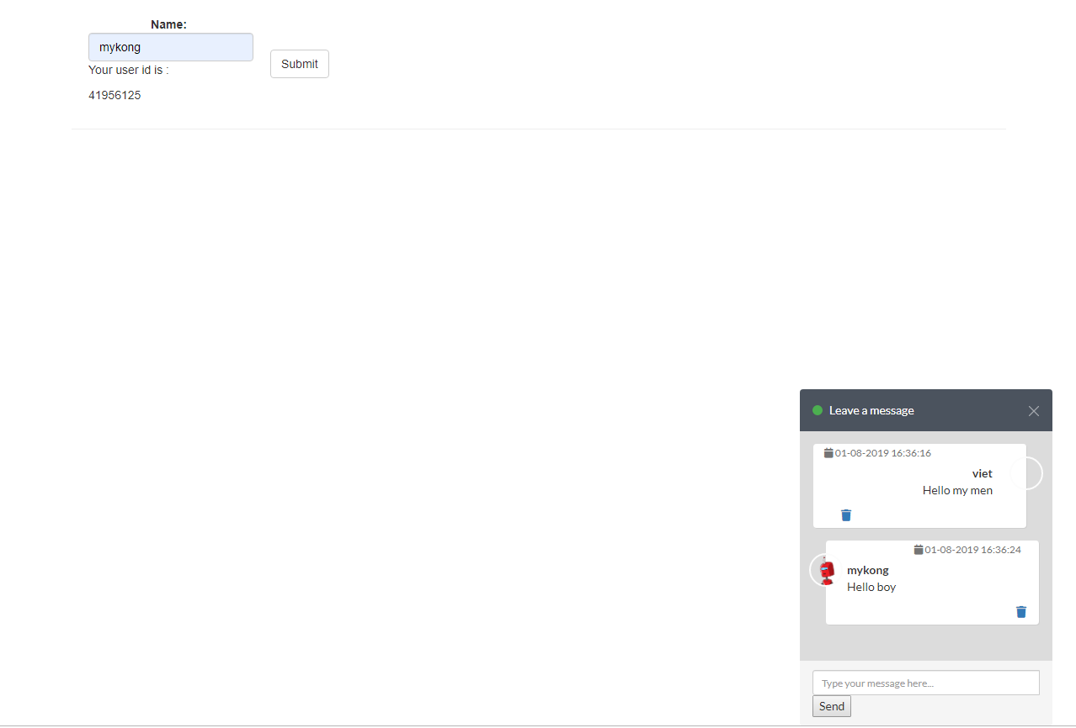
ES001 |  | Live Chat service |  |  |  | Process
 |  |  |  |  |  | Screen Design
Screen ID |  |  | PageUI | Function name | PageUI | Create Date | 2019-01-07 | Creator | H.T.VIET
 |  |  |  |  |  | Update Date | 2019-12-07 | Updater | H.T.VIET

1. Overview

 | The general layout system
 | The general menu system
 | This part is to demonstrate the idea of the English Sound design

2. Screen Design

 | 1.This is Admin page
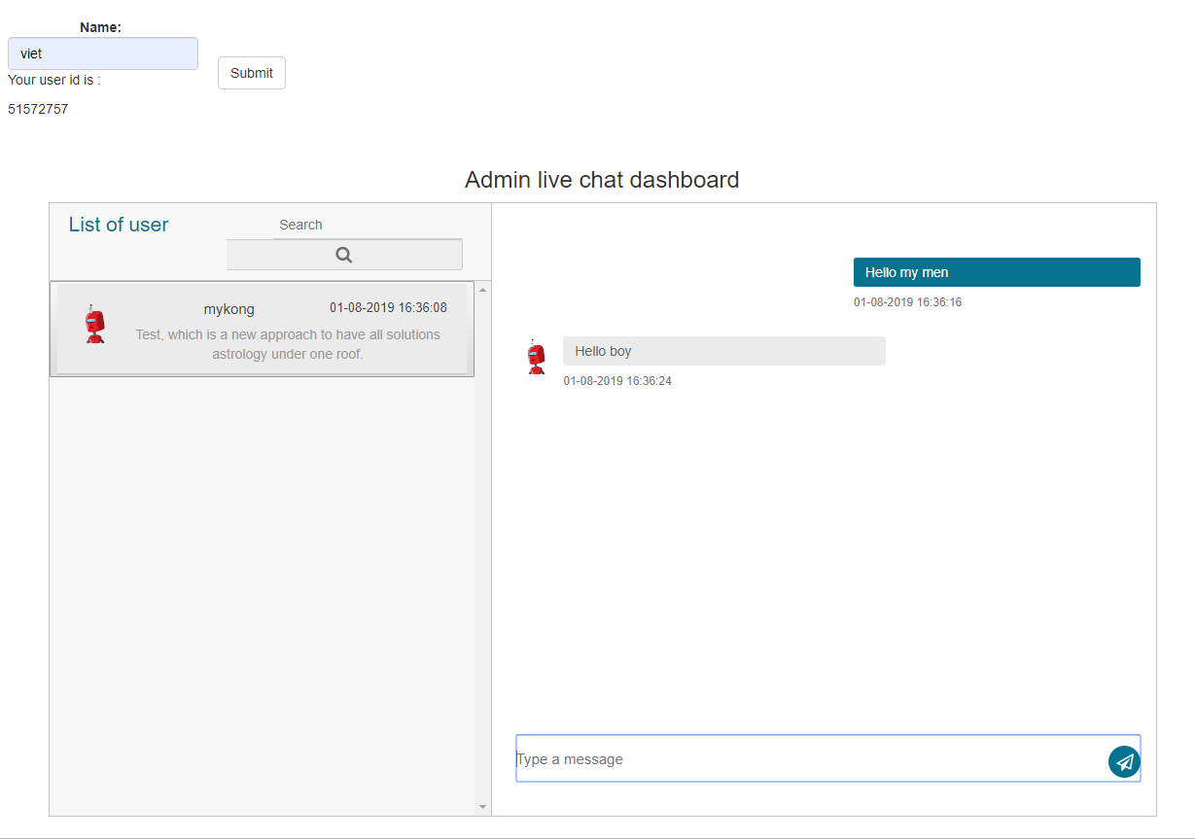

 | 2. This is Client side

