structures
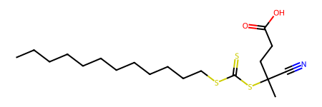
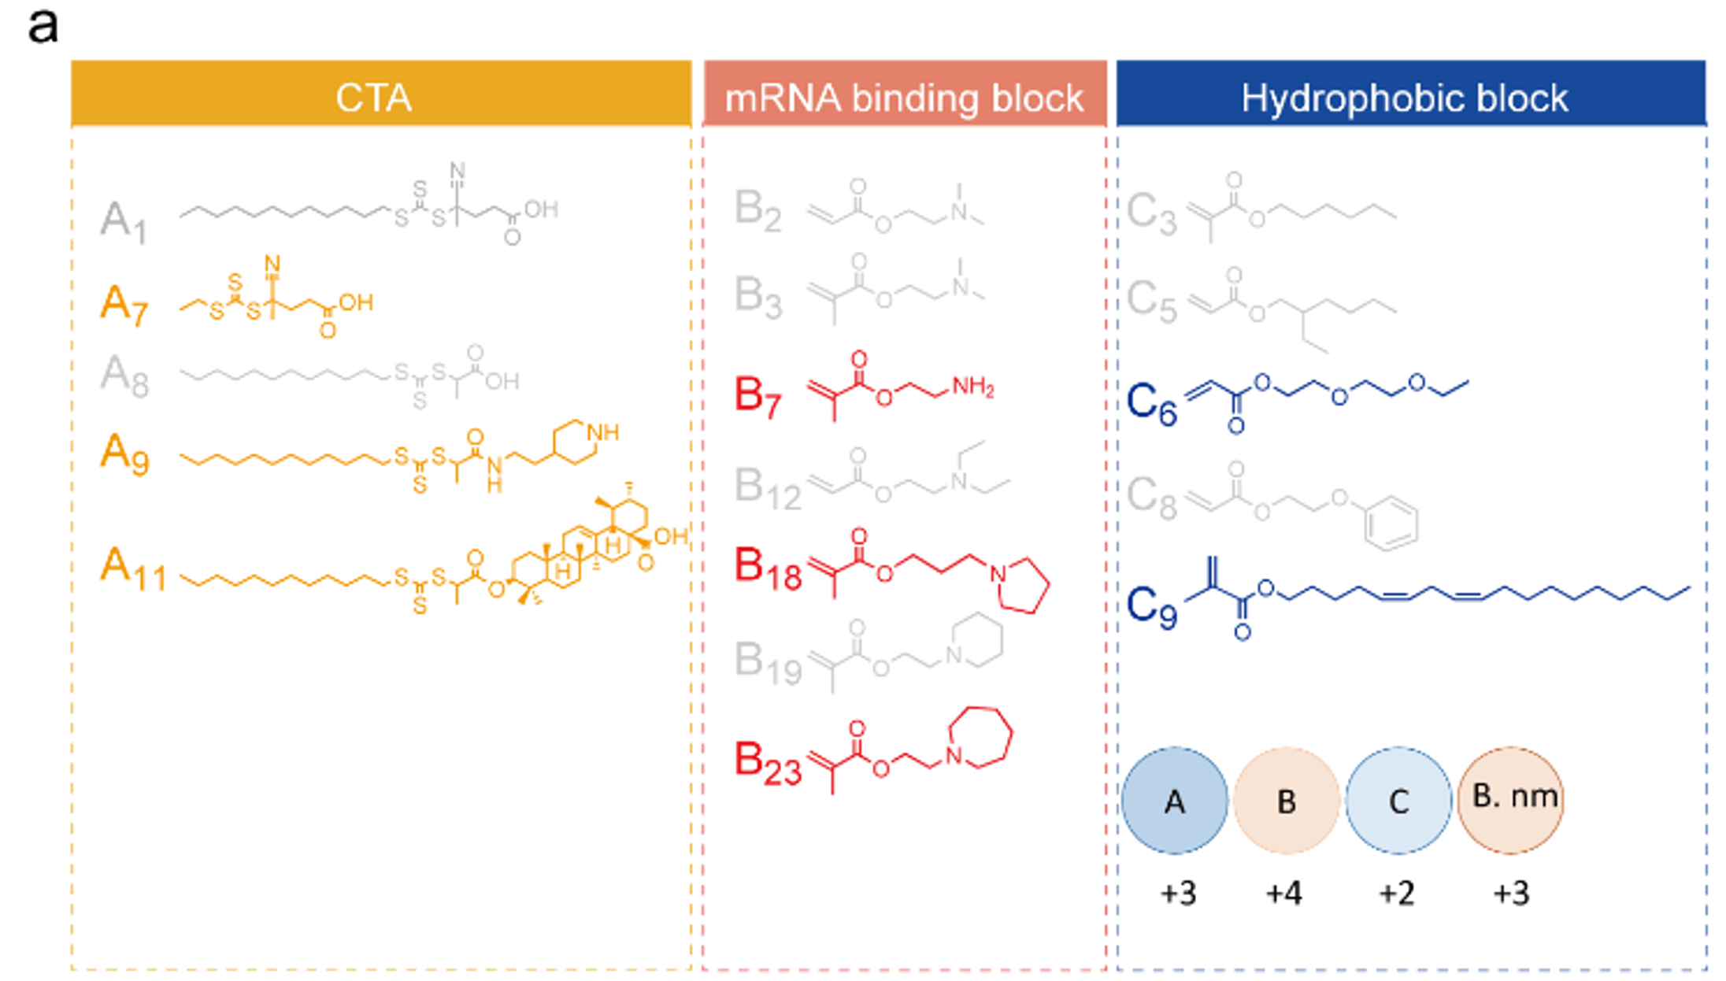
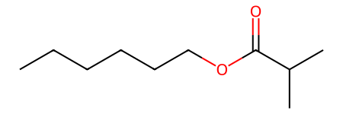

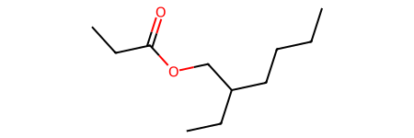
 |  |  |  | C3 | CCCCCCOC(=O)C(C)C
A1 | CCCCCCCCCCCCSC(=S)SC(C)(C#N)CCC(=O)O
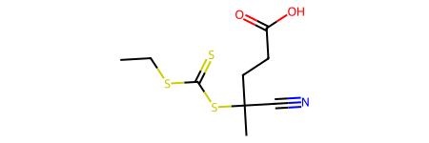

 |  |  |  | C5 | CCCCC(CC)COC(=O)CC
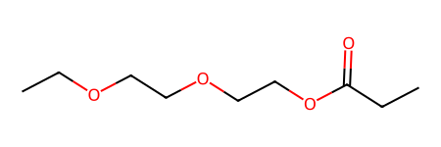
A7 | CCSC(=S)SC(C)(C#N)CCC(=O)O
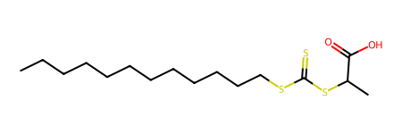

 |  |  |  | C6 | CCOCCOCCOC(=O)CC
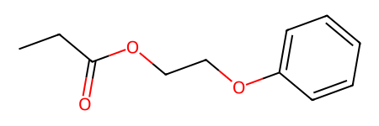

A8 | CCCCCCCCCCCCSC(=S)SC(C)C(=O)O
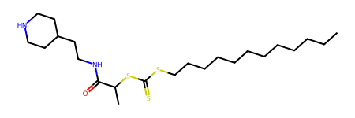

 |  |  |  | C8 | CCC(=O)OCCOc1ccccc1
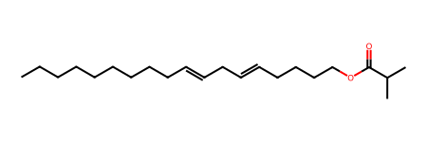

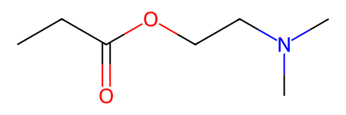
A9 | CCCCCCCCCCCCSC(=S)SC(C)C(=O)NCCC1CCNCC1
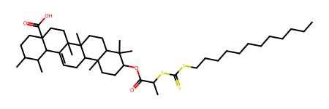

 |  |  |  | C9 | CCCCCCCCCC=CCC=CCCCCOC(=O)C(C)C

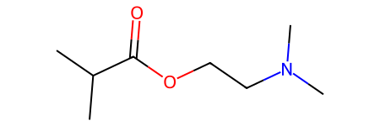
 |  | B2 | CCC(=O)OCCN(C)C
A11 | CCCCCCCCCCCCSC(=S)SC(C)C(=O)OC1CCC2(C)C(CCC3(C)C2CC=C2C4C(C)C(C)CCC4(C(=O)O)CCC23C)C1(C)C

 |  | B3 | CC(C)C(=O)OCCN(C)C
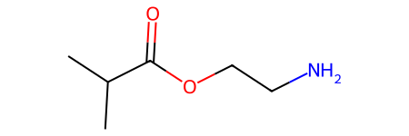

 |  | B7 | CC(C)C(=O)OCCN
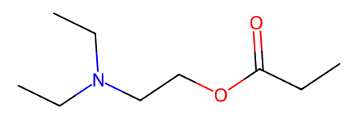

 |  | B12 | CCC(=O)OCCN(CC)CC
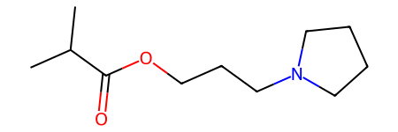

 |  | B18 | CC(C)C(=O)OCCCN1CCCC1
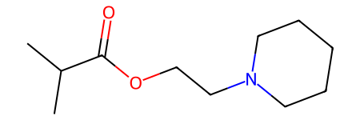

 |  | B19 | CC(C)C(=O)OCCN1CCCCC1
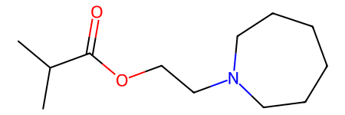

 |  | B23 | CC(C)C(=O)OCCN1CCCCCC1

virtual library_structures
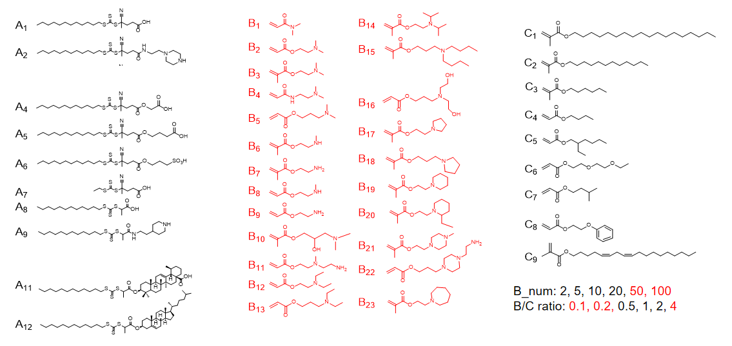
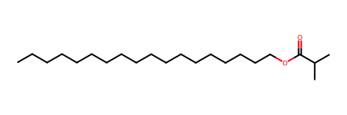

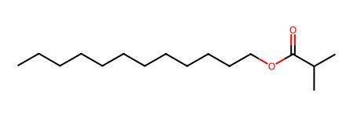
 |  |  |  |  |  |  |  | C1 | CCCCCCCCCCCCCCCCCCOC(=O)C(C)C
A1 | CCCCCCCCCCCCSC(=S)SC(C)(C#N)CCC(=O)O
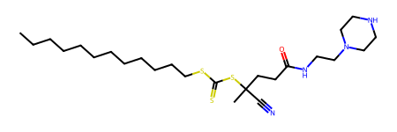

 |  |  |  |  |  |  |  | C2 | CCCCCCCCCCCCOC(=O)C(C)C
A2 | CCCCCCCCCCCCSC(=S)SC(C)(C#N)CCC(=O)NCCN1CCNCC1
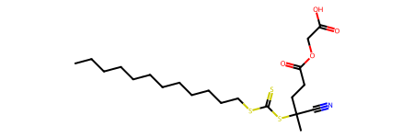

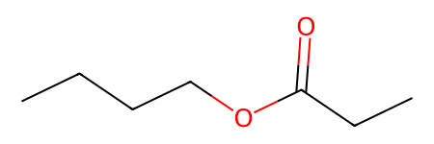
 |  |  |  |  |  |  |  | C3 | CCCCCCOC(=O)C(C)C
A4 | CCCCCCCCCCCCSC(=S)SC(C)(C#N)CCC(=O)OCC(=O)O
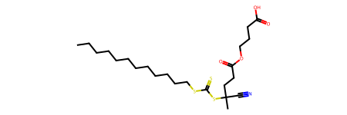

 |  |  |  |  |  |  |  | C4 | CCCCOC(=O)CC
A5 | CCCCCCCCCCCCSC(=S)SC(C)(C#N)CCC(=O)OCCCC(=O)O
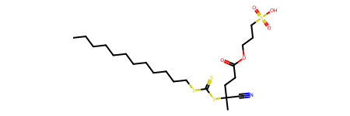

 |  |  |  |  |  |  |  | C5 | CCCCC(CC)COC(=O)CC
A6 | CCCCCCCCCCCCSC(=S)SC(C)(C#N)CCC(=O)OCCCS(=O)(=O)O

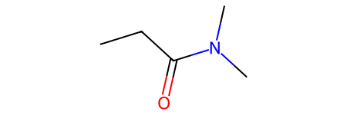
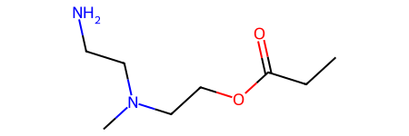
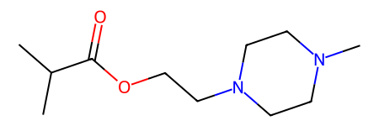

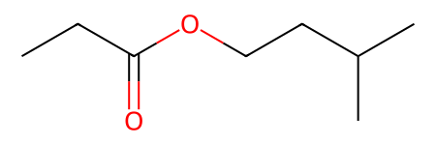
 |  |  |  |  |  |  |  | C6 | CCOCCOCCOC(=O)CC
A7 | CCSC(=S)SC(C)(C#N)CCC(=O)O

 |  | B1 | CCC(=O)N(C)C | B11 | CCC(=O)OCCN(C)CCN | B21 | CC(C)C(=O)OCCN1CCN(C)CC1
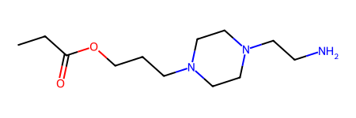

 |  |  |  |  |  |  |  | C7 | CCC(=O)OCCC(C)C
A8 | CCCCCCCCCCCCSC(=S)SC(C)C(=O)O

 |  | B2 | CCC(=O)OCCN(C)C | B12 | CCC(=O)OCCN(CC)CC | B22 | CCC(=O)OCCCN1CCN(CCN)CC1
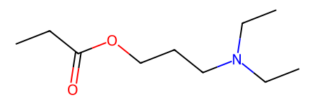

 |  |  |  |  |  |  |  | C8 | CCC(=O)OCCOc1ccccc1
A9 | CCCCCCCCCCCCSC(=S)SC(C)C(=O)NCCC1CCNCC1

 |  | B3 | CC(C)C(=O)OCCN(C)C | B13 | CCC(=O)OCCCN(CC)CC | B23 | CC(C)C(=O)OCCN1CCCCCC1
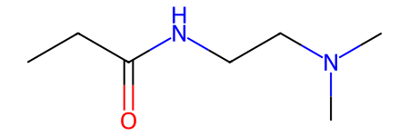
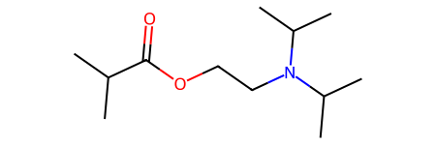

 |  |  |  |  |  |  |  | C9 | CCCCCCCCCC=CCC=CCCCCOC(=O)C(C)C
A11 | CCCCCCCCCCCCSC(=S)SC(C)C(=O)OC1CCC2(C)C(CCC3(C)C2CC=C2C4C(C)C(C)CCC4(C(=O)O)CCC23C)C1(C)C
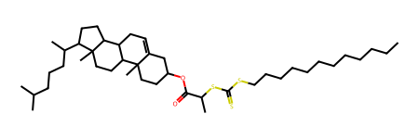
 |  | B4 | CCC(=O)NCCN(C)C | B14 | CC(C)C(=O)OCCN(C(C)C)C(C)C
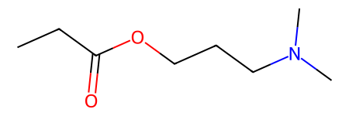
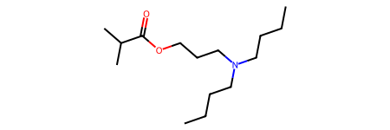

A12 | CCCCCCCCCCCCSC(=S)SC(C)C(=O)OC1CCC2(C)C(=CCC3C2CCC2(C)C(C(C)CCCC(C)C)CCC32)C1

 |  | B5 | CCC(=O)OCCCN(C)C | B15 | CCCCN(CCCC)CCCOC(=O)C(C)C
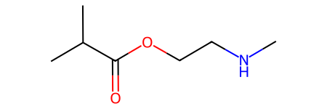
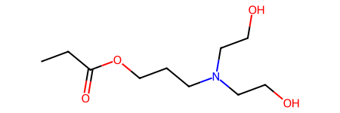

 |  | B6 | CNCCOC(=O)C(C)C | B16 | CCC(=O)OCCCN(CCO)CCO
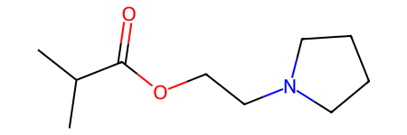

 |  | B7 | CC(C)C(=O)OCCN | B17 | CC(C)C(=O)OCCN1CCCC1
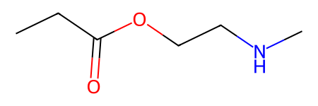

 |  | B8 | CCC(=O)OCCNC | B18 | CC(C)C(=O)OCCCN1CCCC1
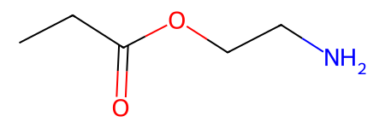

 |  | B9 | CCC(=O)OCCN | B19 | CC(C)C(=O)OCCN1CCCCC1
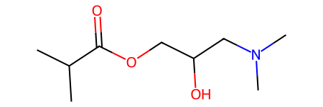
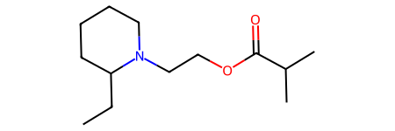

 |  | B10 | CC(C)C(=O)OCC(O)CN(C)C | B20 | CCC1CCCCN1CCOC(=O)C(C)C

