Roll Ups
Analysis of Habitat Suitability within 2025 Survey Sites During Three Survey Periods
Analysis by CORE GIS
2025-12-11
 | Survey Period 1 | Survey Period 2 | Survey Period 3
 | May 14-22 | June 4 - 6 | Jun 10 - 12
Concurrent Imagery Date | May 24 | June 8 | June 15
Suitability decreased1 | 56 | 25 | 23
Suitability increased1 | 25 | 8 | 3
Unique sites surveyed | 81 | 33 | 26

Total detected birds | 21 | 18 | 9
Sites with birds | 14 | 10 | 5
Mean percent hab suitability in sites with birds | 14% | 7% | 4%
Min percent suitable | 0% | 0% | 0%
Max percent suitable | 95% | 49% | 35%
Median percent suitable | 1% | 1% | 0%

1Changes in Suitability are relative to pre-survey habitat suitability, dervied from imagery captured April 23, 2025. The NDVI inputs for pre-survey habitat suitability were *not* adjusted using the regression developed by Jim Hatten in Sep 2025. All of the habitat model outputs for concurrent dates use the regression, which is: var ndvi_corrected = ndvi.expression('-0.0078 + (0.8419 * ndvi)',

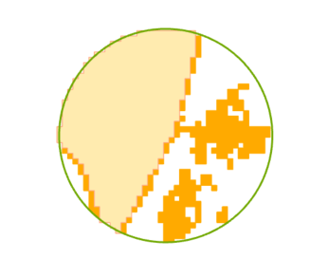
Unadjusted habitat is light orange, adjusted habitat is dark orange
Comparing Habitat Area with Unadjusted and Adjusted NDVI within 140 Survey Sites
 |  | Acres
Unadjusted NDVI suitable habitat |  | 784.9
Adjusted NDVI suitable habitat |  | 1,131.6
Difference |  | 346.7
Percent Difference |  | 44%

