INFO
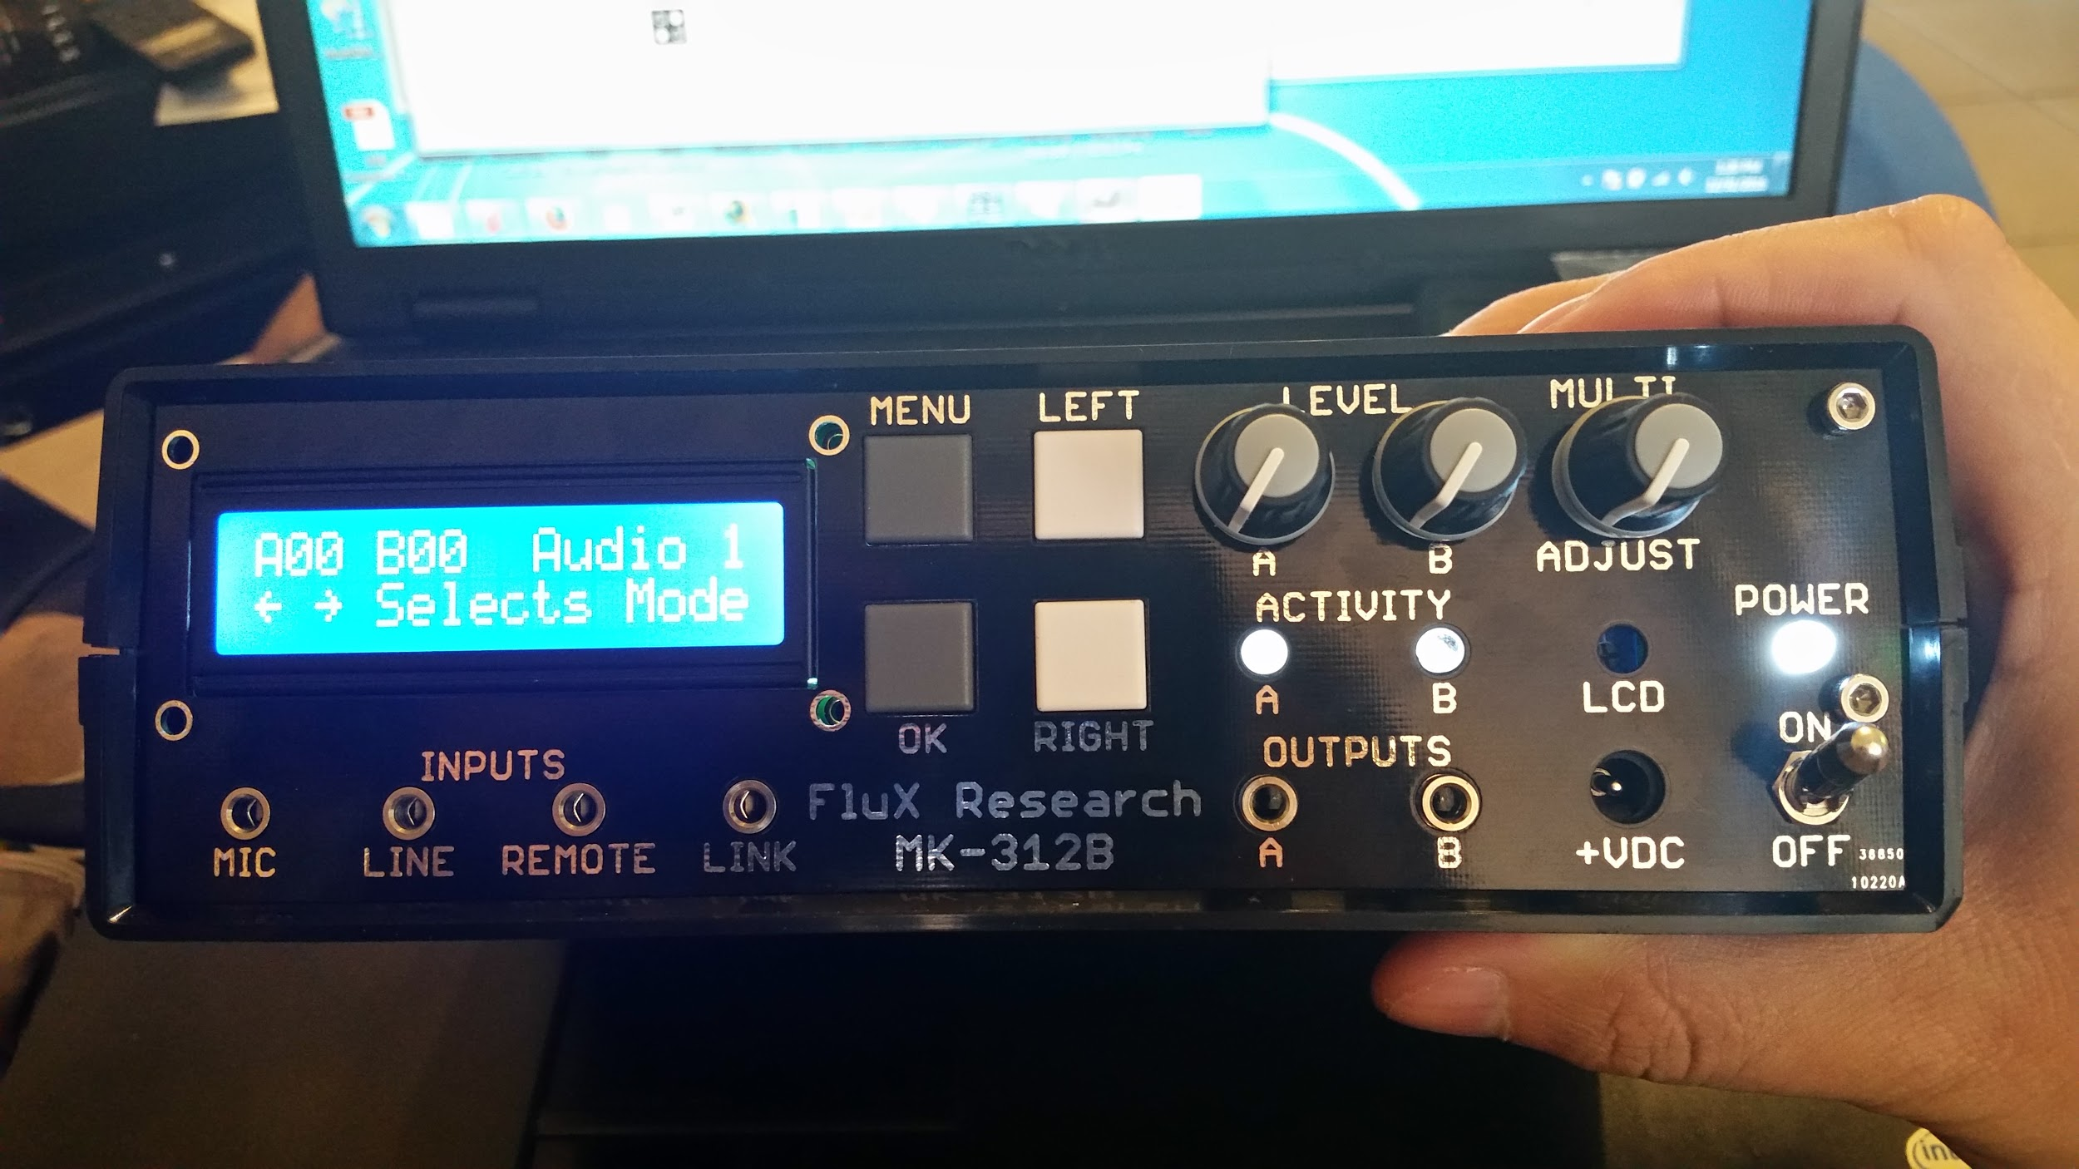
MK-312 BT V1.2 Information
Github Project Home : https://git.io/vMPVF
About
INFO is this Google Sheet - the latest copy of this document lives at http://tinyurl.com/mk312bt-info or https://goo.gl/Ia0wMW
ALLPARTS is a full parts list including all possible options/optional items.
FULLBOM consists of all items in PARTS LIST - sorted for sanity. Enter the number of units you want to produce in the top row and it will math for you.
MOUSERBOM1 contains items in FULL_BOM available from mouser and we select the "recommended" options . This BOM is for 1 UNIT.
NONMOUSER is a list of all the parts you cant get from Mouser with links to where you can get them from
RAWBOM is the output Eagle generates for the V1.1 schematic. This is used for cross checking the other documents.
MOUSERBOM++ contains <at least> twice the number of parts required to build one box (and has many more spares for cheaper components)

MK-312BT V1.2 - Hardware Improvements over original ET-312B
1) Line input modified for matched frequency and level response on left and right channels.
2) Link I/O circuitry replaced with MAX-232CPE For better compatibility (True RS-232 Levels)
3) Provisions for Bluetooth radio, Radio takes over Link I/O when nothing is in the jack
4) New one piece front panel design where LCD, buttons, potentiometers, and LEDs are on the sub panel. Jacks and power switch on mainboard. Cleaner looking design with controls and jacks on 3/4" centers
5) Remote input added to facilitate DC response into B channel without compromising line audio input characteristics. Tip is voltage coming from remote 0-2 volts, Ring supplies 2 volts from a resistor divider internal to the unit. Sleeve is ground. The Remote is meant for the Audio 1 & 2 modes. External potentiometer and push button recommended for remote. Other SPST type of items can be used such as motion detectors with dry contact output or mercury switches.
6) Support for tri polar (+, GND, -) toys on the output channels

MK-312BT Hardware Jumper Settings
1) JP6 and JP7 [DISABLED BY DEFAULT]
Enabling JP6 and JP7 allow the use of tripolar (+, GND, -) toys on the corresponding channels by connecting the center tap of the transformer to the stereo jack
WARNING : ENABLING JP6 and JP7 will cause mono plug toys to short the transformer !!

MK-312BT Hardware Assembly Notes / Tips
1) Trim Potentiometer knobs to correct length
2) Use black permanent marker to black out front panel hole walls
3) Cut the tabs off of the base of the pots so the board sits flush with the display facade

Changes made in buttshock-et312-frankenbutt f005 over original ET 312B V1.5/V1.6 firmware https://git.io/vMoHG
F005 Patches the following in addition to the stock firmware
1) changeversion: changes startup message from v1.6 to f005
2) unifyboxes: allow 1.5 and 1.6 boxes to share the same firmware
3) removerandomxor: box will always pick 0 as it's xor communication key
4) serialdumpmemory: box will allow serial to dump more of the flash memory on request
5) fixknobscaling: A and B levels now display smoothly 0-99 with no missing numbers
6) newmenu; adds a new sub menu "More Options", moves Link Slave to that menu
7) hookmain: adds a new mode "Random 3" kind of a combination of torment and random1 to the new options menu, adds a new mode "Random 4" which turns on with a random mode for 40ish seconds, then off for 20ish seconds

Modifying and Flashing Firmware onto ET312-BT
1) A patched version of the stock firmware AND a patched version of buttshock-et312-frankenbutt-f005 are avalable in the github repo : https://git.io/vMPVF
2) We need to set the calibration byte for the internal oscillator. If programming a blank chip you first need to read the calibration bytes of that part (i.e. using avrdude -t “dump calibration” the fourth byte is the calibration byte for 8MHz). Then program that byte into 0x3fff in your firmware. These bytes will differ on different chips even from the same batch. The firmware reads that byte to set OSCCAL on startup. If the byte is inaccurate various problems and failures will occur related to timing, interrupts, and serial communication.
3) Flash the result onto the AVR.

Errata and and Changes made from V1.0 to V1.1
1) C25 and C27 are mislabeled on the board, 1000pF is the correct value
2) R20 and R21 are mislabeled on the board, 100K is the correct value
3) R14 and R15 are mislabeled on the board, 1K is the correct value
4) R20 and R21 are mislabeled on the board, 20K is the correct value
5) Do not populate R9 100K
6) Do not populate R1B 12K

Errata and and Changes made from V1.1 to V1.2
1) Fixed routing error on display board.
2) Removed JP3 because pointless.

Images of V1.0 MK 312BT

