Run_1
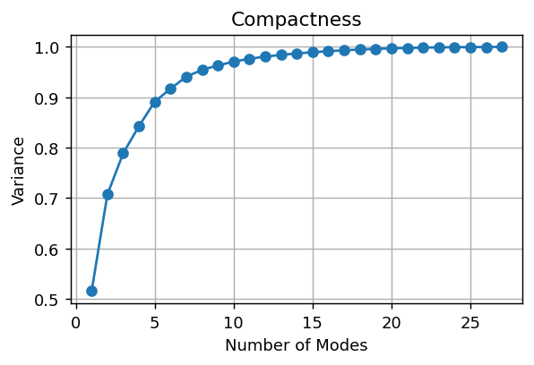

Composantes pour 95%: 8

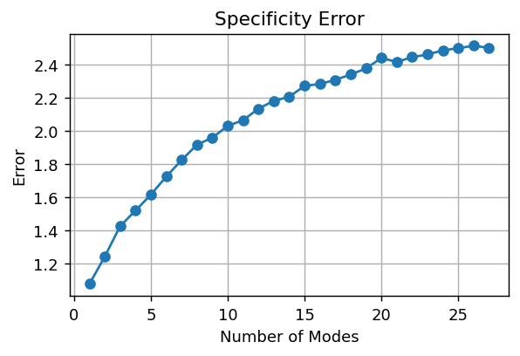

Specificity final error: 2.5023

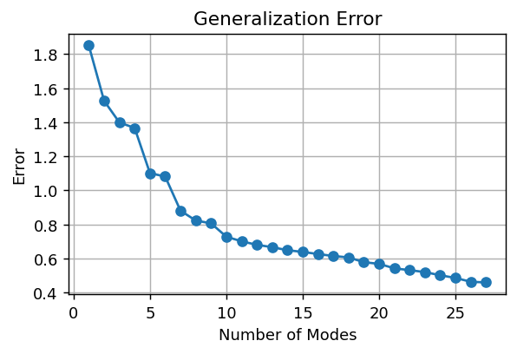

Generalization final error: 0.4600

PC1 | PC2
-7.9923824706 | 0.23782180745
-10.711379101 | -1.0634437794
1.6296327161 | -2.0616894882
0.18573045282 | -5.5984629659
6.8602353389 | 0.8950534641
14.169841429 | 1.0195220937
-10.16314819 | 4.2237326332
-4.2819122344 | 10.53292353
-2.2979460539 | 10.134086576
-13.538464518 | -6.0443213807
-5.8980532614 | -7.8949334435
18.791908037 | -0.10670336048
12.876579294 | 7.8804705921
9.4210054467 | 5.1761634461
-3.0033735829 | 4.5685702638
-7.3328924528 | 3.0027097684
-1.2821639472 | 1.7702256192
-7.7194375906 | -2.393560215
2.1335439425 | 9.5289680627
0.85377577142 | -1.5729503783
3.9241148106 | -8.194155936
-9.5999804109 | -2.3856002734
-10.729324251 | -0.92483707275
5.1614254139 | -1.5833772434
6.9911240137 | -7.7779934853
-3.6007048516 | -1.5510698514
17.412666986 | -7.9470054634
-2.2604207357 | -1.8701435198

Run_2
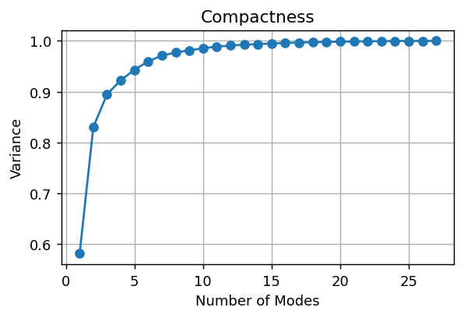

Composantes pour 95%: 6

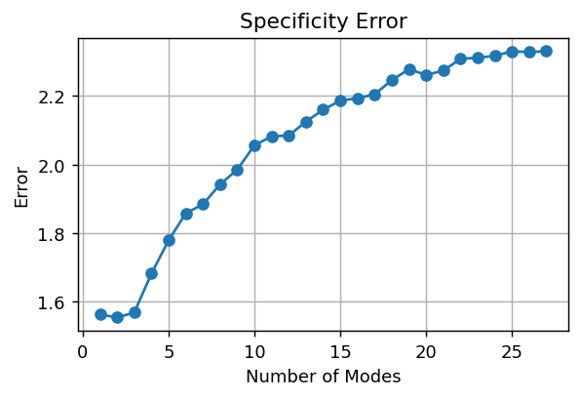

Specificity final error: 2.3303

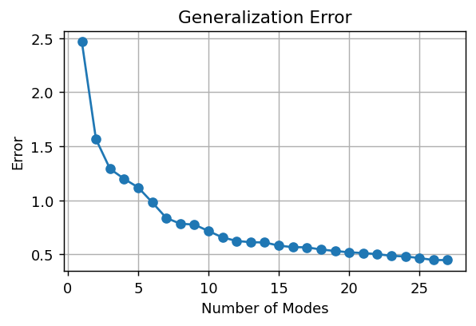

Generalization final error: 0.4467

PC1 | PC2
5.5661439635 | -12.259524921
7.2780447806 | -10.080983489
-19.830550089 | -2.049612159
-8.9234254073 | -9.3609291348
-3.9575525329 | 7.3515573934
-24.219863087 | 13.014693823
16.322099042 | -5.9463666623
23.655478562 | 11.153290503
16.647654751 | 9.4406465167
9.1142200914 | -21.04878364
-4.3986399487 | -15.788353714
-26.429722071 | 21.201588663
-10.3578608 | 21.250089376
-13.338233028 | 13.721776734
20.705989088 | 11.376523743
15.503670162 | -5.9634764218
11.476391037 | 3.9163780768
-3.8005349854 | -15.372692447
26.207882693 | 21.004458384
-8.9661952428 | -5.6390095152
-24.303653666 | -15.344649587
35.222857269 | 1.381882543
24.397067019 | -6.1991692996
-13.473211957 | 1.4068164993
-16.26890328 | -4.5573952657
7.8079991963 | -1.9478420765
-32.121272007 | 3.4745043646
-9.5158795535 | -8.1354182857

Run_3
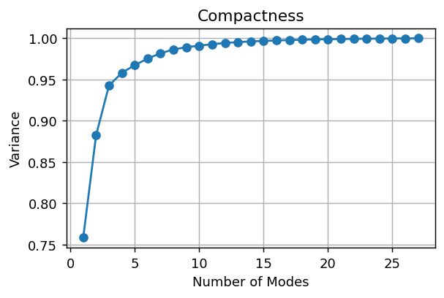

Composantes pour 95%: 4

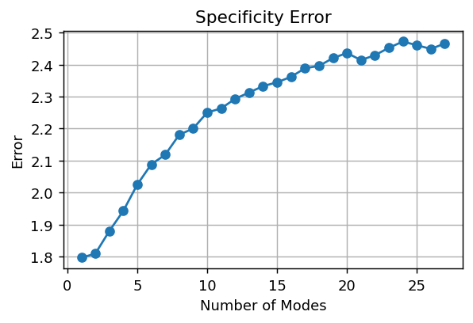

Specificity final error: 2.4661

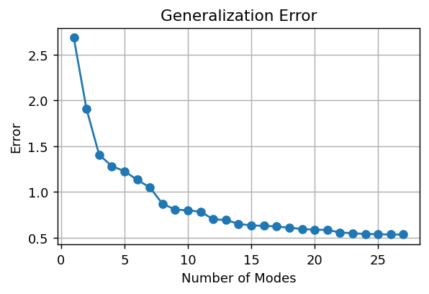

Generalization final error: 0.5346

PC1 | PC2
5.4642776919 | 19.051294605
5.058977898 | 15.78728704
-48.758891396 | -8.9149405005
-33.629403655 | 2.8492565761
-19.421824809 | -16.434164958
-52.043459411 | -14.119098897
32.474238932 | 7.2761252883
67.103451273 | -12.998753031
48.265403062 | -9.3329360632
5.6252260661 | 34.056971464
-19.95216722 | 30.296321116
-73.430544655 | -25.346289995
-6.0720873887 | -32.227421412
-7.0398873405 | -24.360280958
61.88716838 | -16.781334856
37.024263542 | 3.2792922681
34.106717818 | -4.5141879122
-2.9135397252 | 12.208080078
65.389483076 | -25.694246705
-16.112268775 | -0.2432926374
-47.483800474 | 10.480447883
76.326825221 | 6.999781956
52.64333682 | 15.093391099
-38.967245109 | 9.161261891
-44.158925089 | 4.7128828325
3.6880690257 | 13.04226093
-56.395930937 | -12.777835999
-28.677462822 | 19.450128899

Run_4


Composantes pour 95%: 4

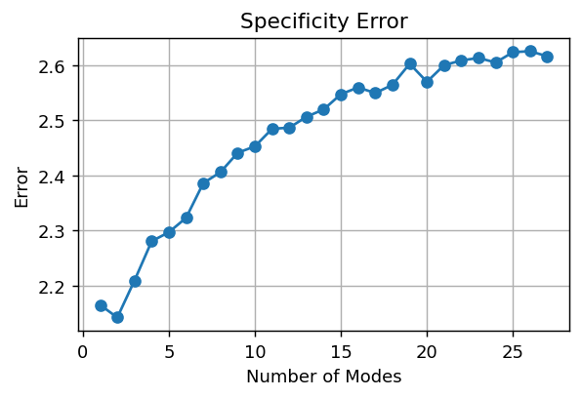

Specificity final error: 2.6158

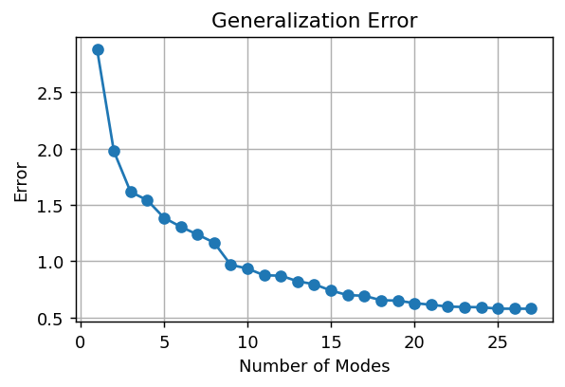

Generalization final error: 0.5780

PC1 | PC2
1.8688392492 | -27.998433935
12.079262139 | -25.194180825
-80.788351878 | 9.1923490326
-61.384439627 | -6.6723771201
-34.75868872 | 20.230010584
-92.609038381 | 21.000463806
40.125030732 | -18.529748284
123.88662322 | 15.413246555
79.594014971 | 9.9067640795
-8.420739284 | -51.58727642
-52.734986336 | -44.711970221
-99.06071489 | 56.840014046
-3.6755180288 | 48.235380928
3.6508465398 | 43.109391864
118.71649866 | 20.227588951
74.334624566 | -0.36620054183
61.214362378 | 7.6275066967
-24.69493285 | -23.648741805
127.42291104 | 30.91034475
-28.463552331 | -2.2084299798
-82.265344661 | -18.091584008
128.29899417 | -16.97690208
85.154528556 | -25.46540189
-62.461820378 | 2.3773501179
-71.199074937 | -2.6104617425
-11.010106519 | -19.633807748
-86.121428146 | 22.374896887
-56.697799261 | -23.749791699

