Run_1
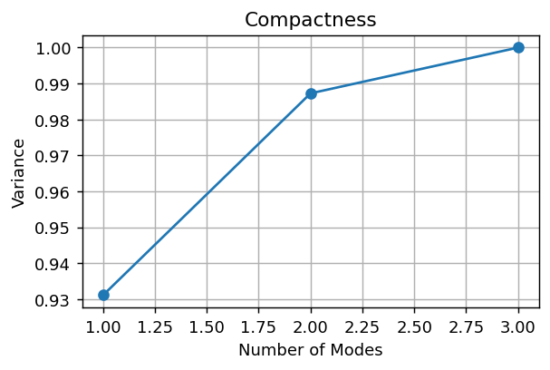

Composantes pour 95%: 2

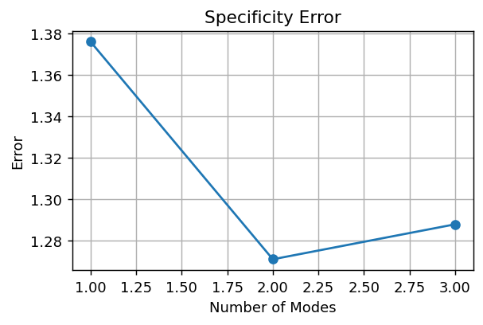

Specificity final error: 1.2880

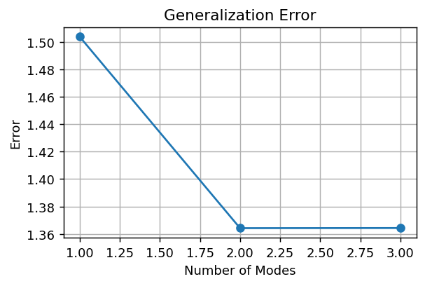

Generalization final error: 1.3642

PC1 | PC2
-2.9492323403 | 5.1395151194
-2.7924680812 | -3.8154860207
-15.324240152 | -0.89021046179
21.065940573 | -0.43381863694

Run_2
Composantes pour 95%: 2

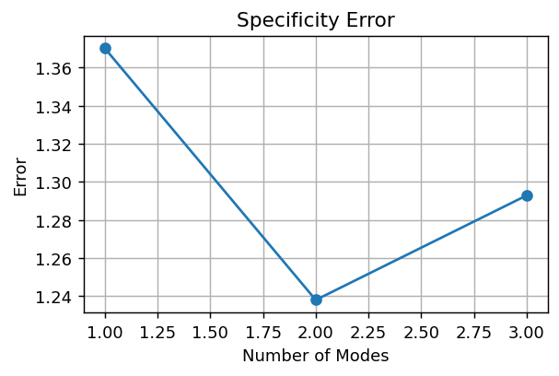

Specificity final error: 1.2928

Generalization final error: 1.3642

PC1 | PC2
-2.9492323403 | 5.1395151194
-2.7924680812 | -3.8154860207
-15.324240152 | -0.89021046179
21.065940573 | -0.43381863694

Run_3
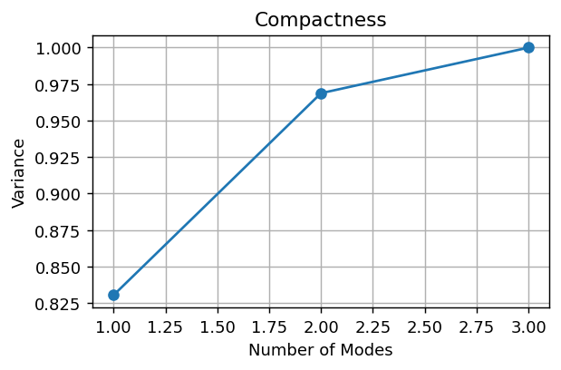

Composantes pour 95%: 2

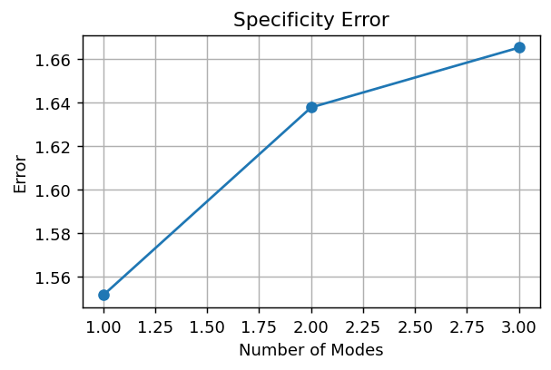

Specificity final error: 1.6652

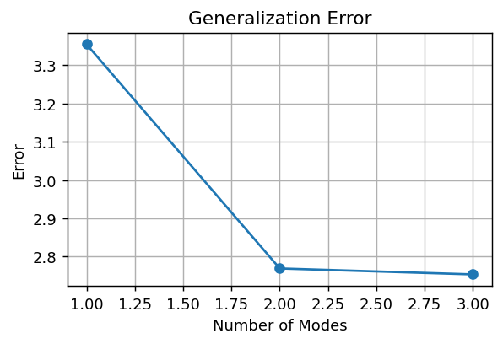

Generalization final error: 2.7538

PC1 | PC2
-7.7046742878 | -7.2843047666
-3.2682505427 | -2.2765318743
-12.165746973 | 8.0666540688
23.138671804 | 1.4941825721

Run_4
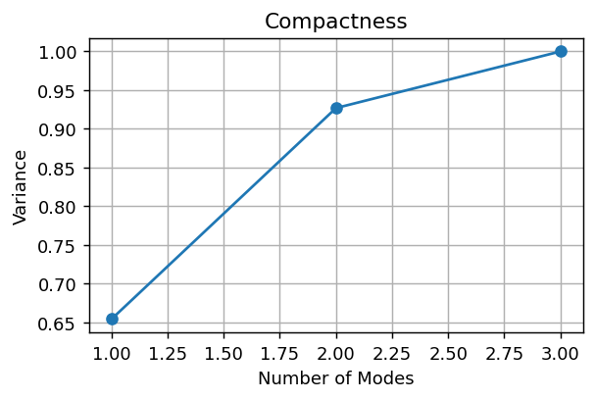

Composantes pour 95%: 3

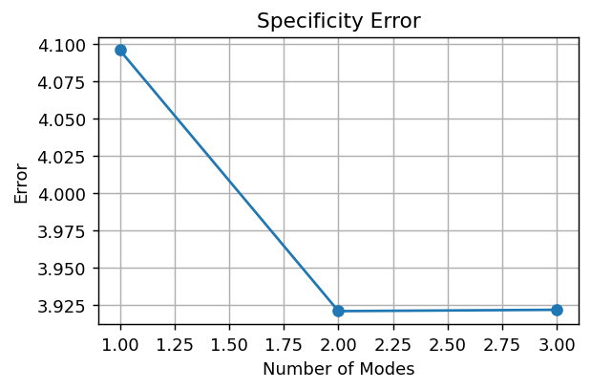

Specificity final error: 3.9216

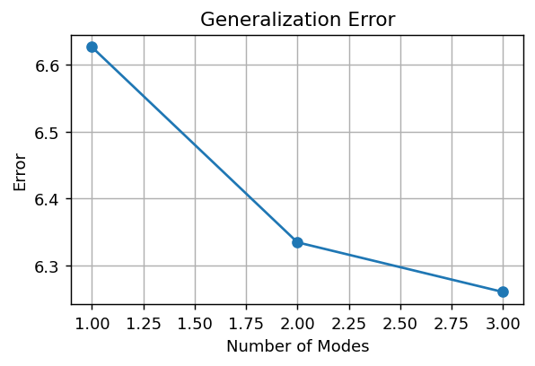

Generalization final error: 6.2604

PC1 | PC2
-21.441425238 | -7.1524489091
-12.108991501 | -9.7307512131
-1.2888606796 | 23.787186949
34.839277419 | -6.9039868268

Run_5
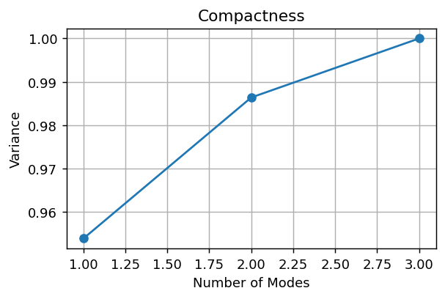

Composantes pour 95%: 1

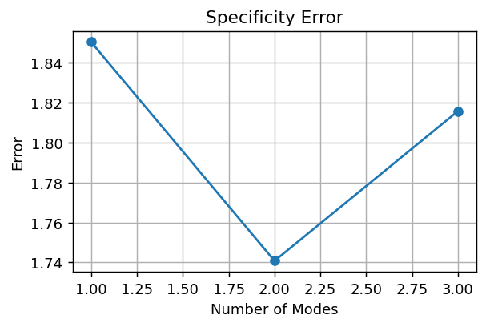

Specificity final error: 1.8157



Generalization final error: 2.2830

PC1 | PC2
-9.4501096966 | -5.128209297
-11.171682212 | 9.7846241119
-31.884762115 | -3.6181550513
52.506554023 | -1.0382597636

Run_6
Composantes pour 95%: 1

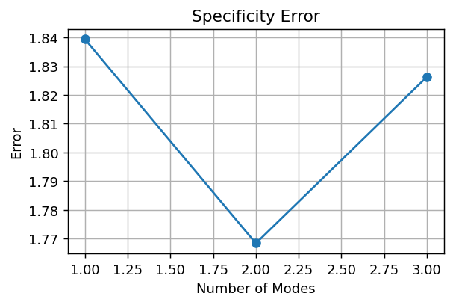

Specificity final error: 1.8262

Generalization final error: 2.2830

PC1 | PC2
-9.4501096966 | -5.128209297
-11.171682212 | 9.7846241119
-31.884762115 | -3.6181550513
52.506554023 | -1.0382597636

Run_7
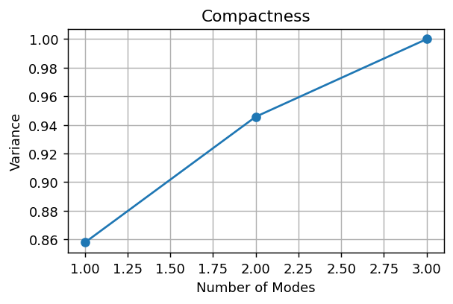

Composantes pour 95%: 3

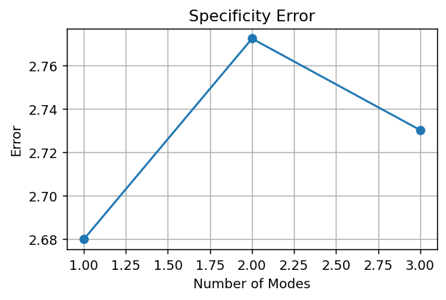

Specificity final error: 2.7302

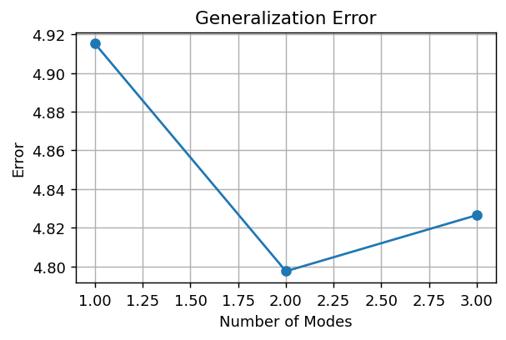

Generalization final error: 4.8265

PC1 | PC2
-12.35130705 | -12.392295409
-10.8832773 | -6.4854481701
-30.985076896 | 14.637552625
54.219661245 | 4.2401909542

Run_8
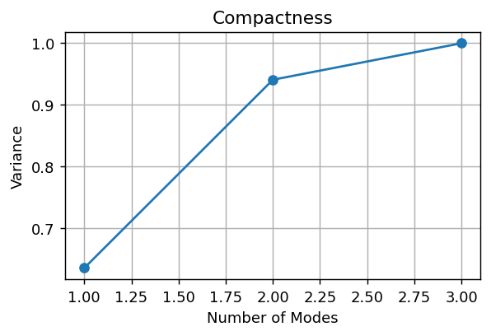

Composantes pour 95%: 3

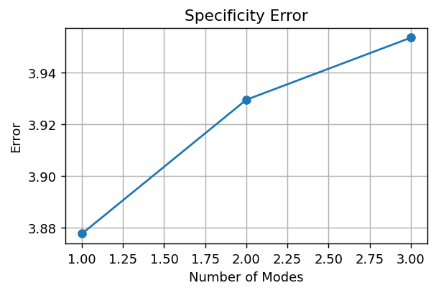

Specificity final error: 3.9533

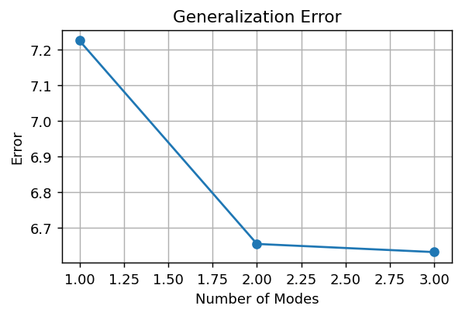

Generalization final error: 6.6313

PC1 | PC2
-15.923225731 | -21.694672486
-14.581937806 | -15.708457756
-23.13487372 | 33.615333291
53.640037258 | 3.7877969507

