Run_1
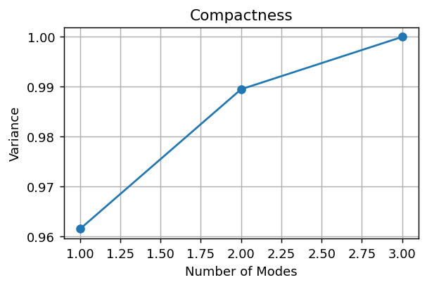
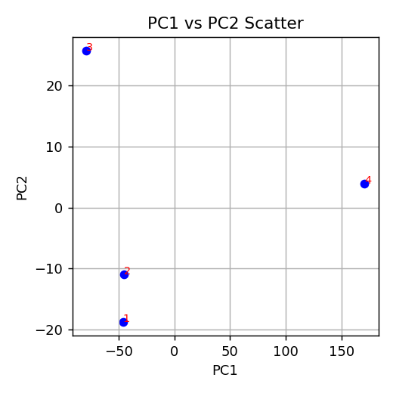

Composantes pour 95%: 1

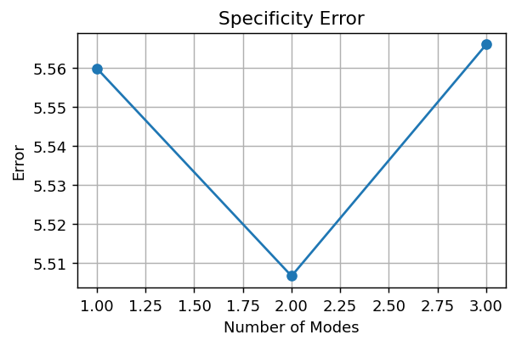

Specificity final error: 5.5659

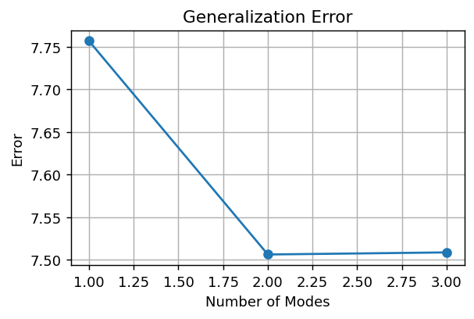

Generalization final error: 7.5086

PC1 | PC2
-46.229274857 | -18.777647367
-45.247191654 | -10.964214011
-79.210759564 | 25.773447971
170.68722608 | 3.968413407
 |  | Index | ShapeName
 |  | 1 | RF_S2_FULGUR_007_48871_label_4_world
 |  | 2 | RF_S2_FULGUR_008_181477_label_4_world
 |  | 3 | RF_S2_FULGUR_009_25705_label_4_world
 |  | 4 | RF_S2_FULGUR_076_46061_left_label_4_world

Run_2
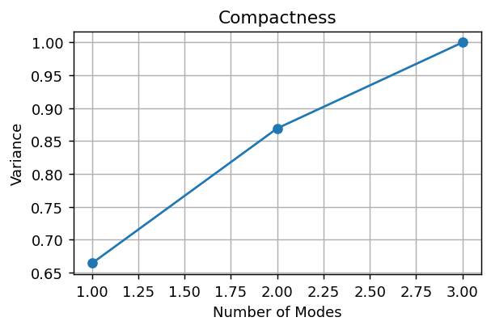
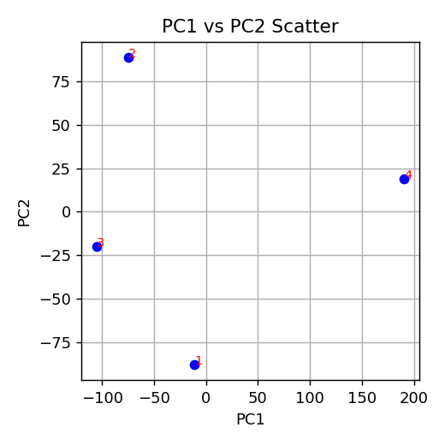

Composantes pour 95%: 3

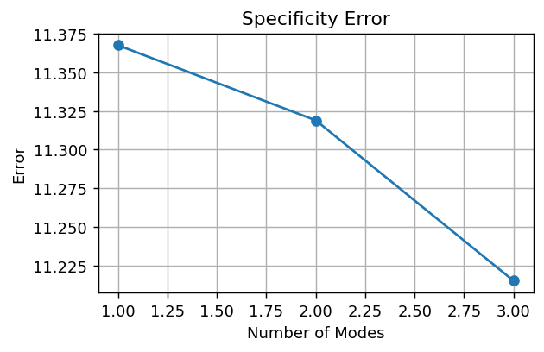

Specificity final error: 11.2151

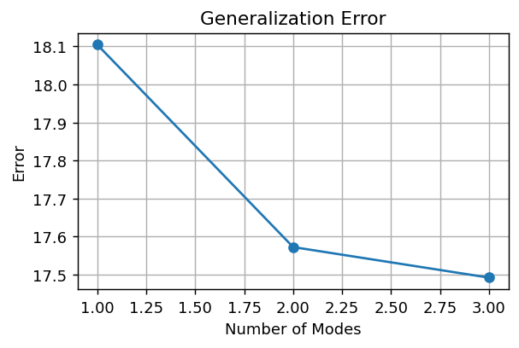

Generalization final error: 17.4920

PC1 | PC2
-11.136164635 | -87.843183132
-74.314103413 | 88.89258084
-104.88222513 | -19.739770468
190.33249318 | 18.690372759
 |  | Index | ShapeName
 |  | 1 | RF_S2_FULGUR_007_48871_label_4_world
 |  | 2 | RF_S2_FULGUR_008_181477_label_4_world
 |  | 3 | RF_S2_FULGUR_009_25705_label_4_world
 |  | 4 | RF_S2_FULGUR_076_46061_left_label_4_world

Run_3
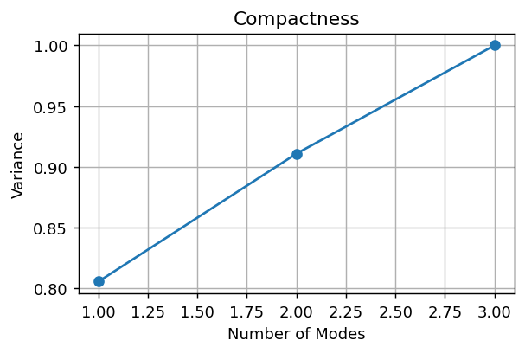
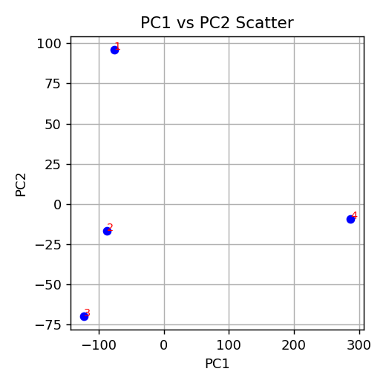

Composantes pour 95%: 3

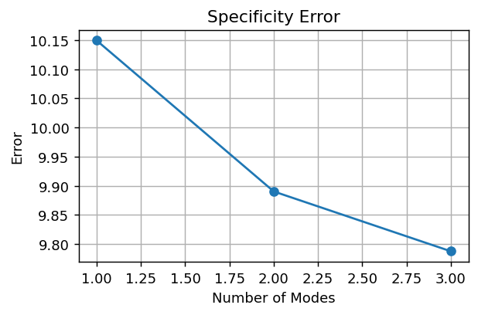

Specificity final error: 9.7873

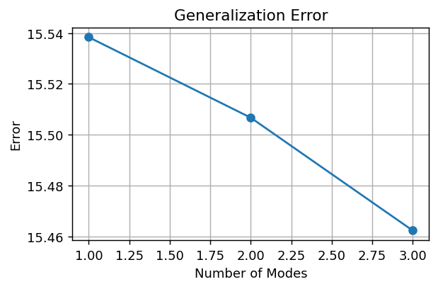

Generalization final error: 15.4623

PC1 | PC2
-76.383322793 | 96.242469859
-88.032767355 | -16.780464531
-122.50033878 | -70.0338774
286.91642893 | -9.4281279268
 |  | Index | ShapeName
 |  | 1 | RF_S2_FULGUR_007_48871_label_4_world
 |  | 2 | RF_S2_FULGUR_008_181477_label_4_world
 |  | 3 | RF_S2_FULGUR_009_25705_label_4_world
 |  | 4 | RF_S2_FULGUR_076_46061_left_label_4_world

Run_4
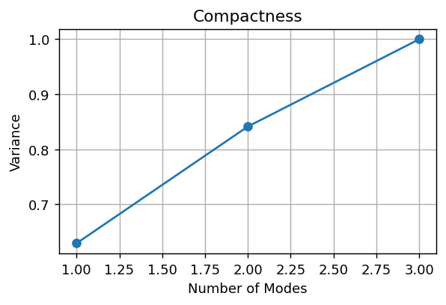
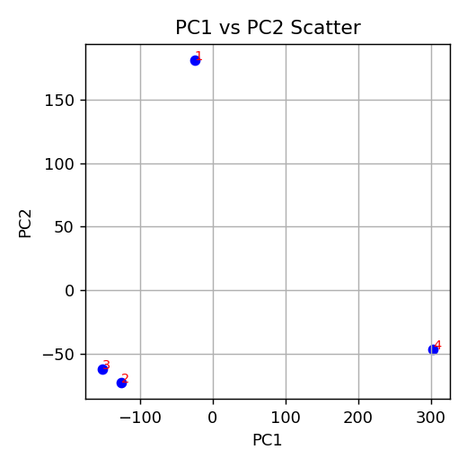

Composantes pour 95%: 3

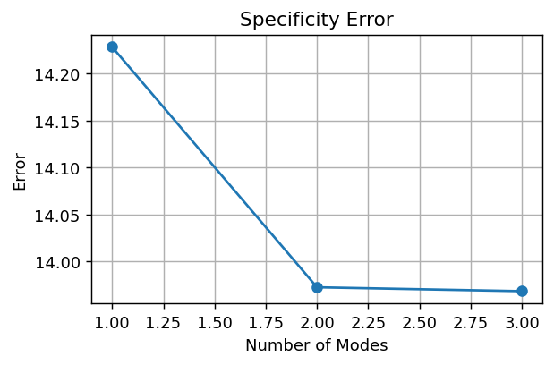

Specificity final error: 13.9685

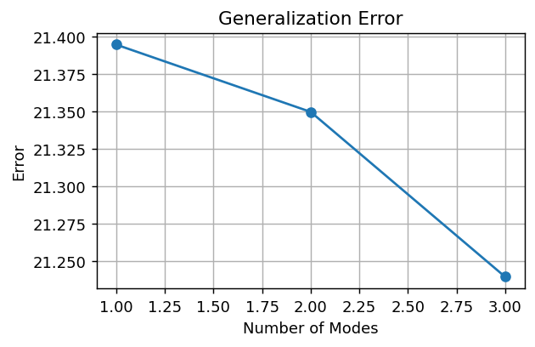

Generalization final error: 21.2397

PC1 | PC2
-25.049461891 | 181.50588963
-125.70875612 | -73.084188591
-152.0664693 | -61.975419241
302.82468732 | -46.446281797
 |  | Index | ShapeName
 |  | 1 | RF_S2_FULGUR_007_48871_label_4_world
 |  | 2 | RF_S2_FULGUR_008_181477_label_4_world
 |  | 3 | RF_S2_FULGUR_009_25705_label_4_world
 |  | 4 | RF_S2_FULGUR_076_46061_left_label_4_world

