Run_1
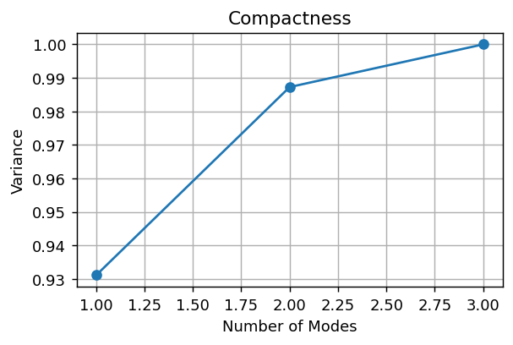
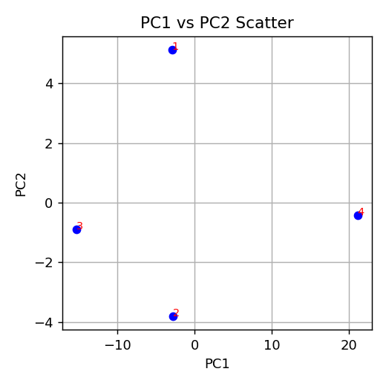

Composantes pour 95%: 2

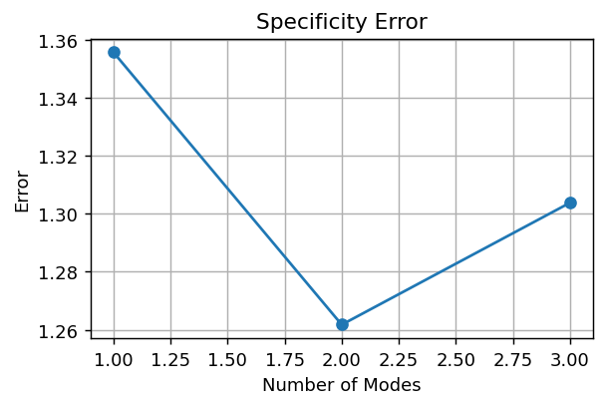

Specificity final error: 1.3038

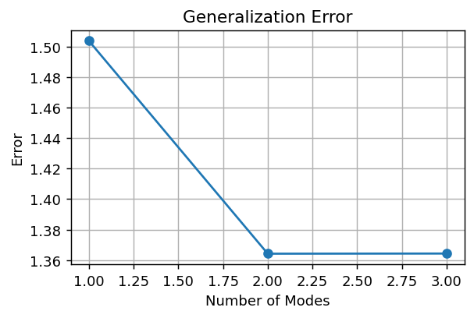

Generalization final error: 1.3642

PC1 | PC2
-2.9492323403 | 5.1395151194
-2.7924680812 | -3.8154860207
-15.324240152 | -0.89021046179
21.065940573 | -0.43381863694
 |  | Index | ShapeName
 |  | 1 | RF_S2_FULGUR_007_48871_label_4_world
 |  | 2 | RF_S2_FULGUR_008_181477_label_4_world
 |  | 3 | RF_S2_FULGUR_009_25705_label_4_world
 |  | 4 | RF_S2_FULGUR_076_46061_left_label_4_world

Run_2
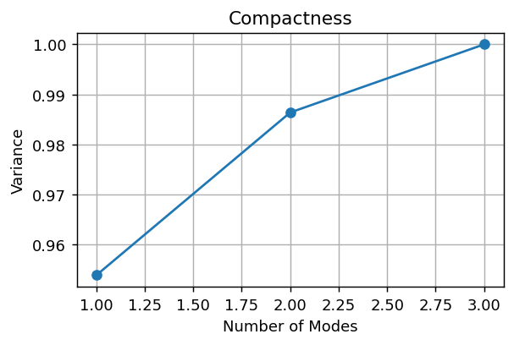
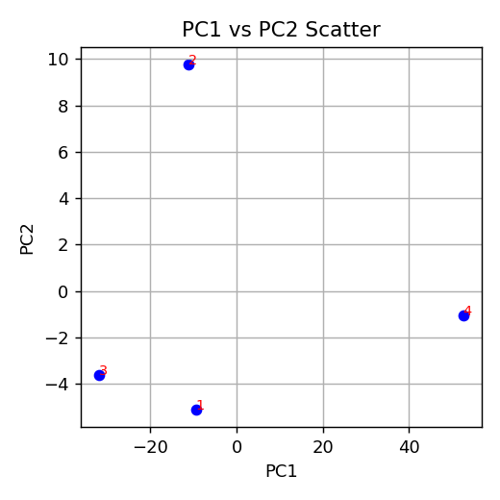

Composantes pour 95%: 1

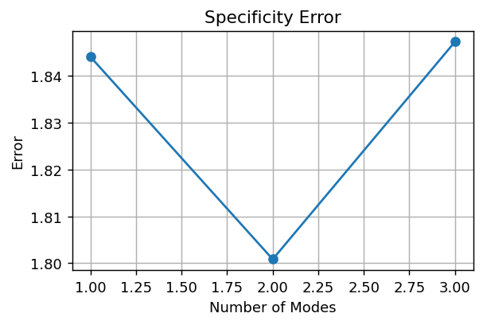

Specificity final error: 1.8473

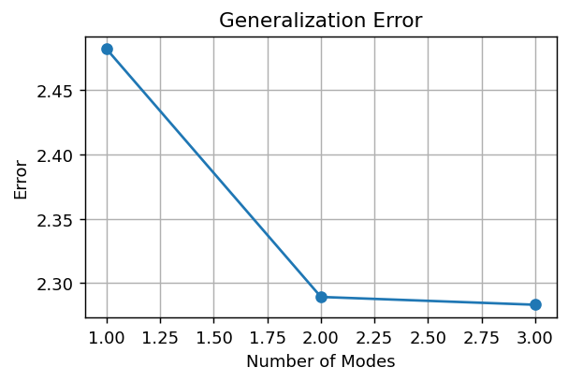

Generalization final error: 2.2830

PC1 | PC2
-9.4501096966 | -5.128209297
-11.171682212 | 9.7846241119
-31.884762115 | -3.6181550513
52.506554023 | -1.0382597636
 |  | Index | ShapeName
 |  | 1 | RF_S2_FULGUR_007_48871_label_4_world
 |  | 2 | RF_S2_FULGUR_008_181477_label_4_world
 |  | 3 | RF_S2_FULGUR_009_25705_label_4_world
 |  | 4 | RF_S2_FULGUR_076_46061_left_label_4_world

