Run_1
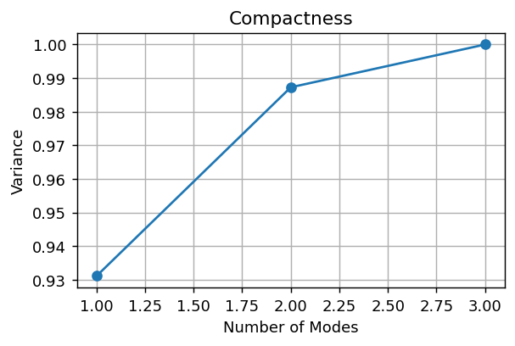

Composantes pour 95%: 2

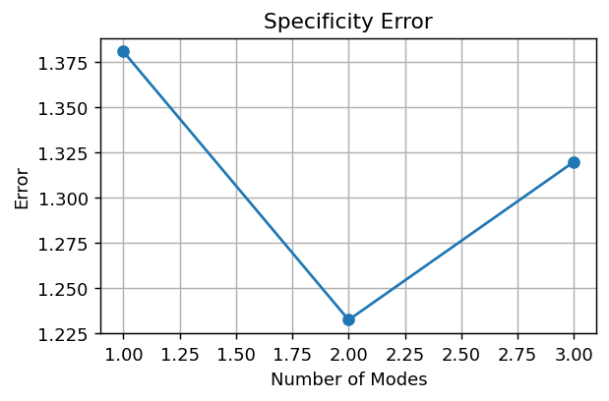

Specificity final error: 1.3197

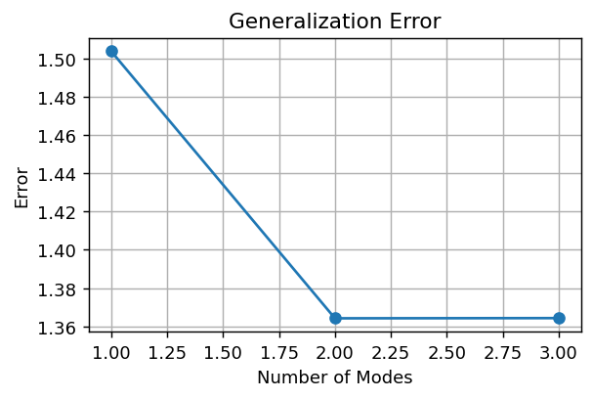

Generalization final error: 1.3642

PC1 | PC2
-2.9492323403 | 5.1395151194
-2.7924680812 | -3.8154860207
-15.324240152 | -0.89021046179
21.065940573 | -0.43381863694

Run_2
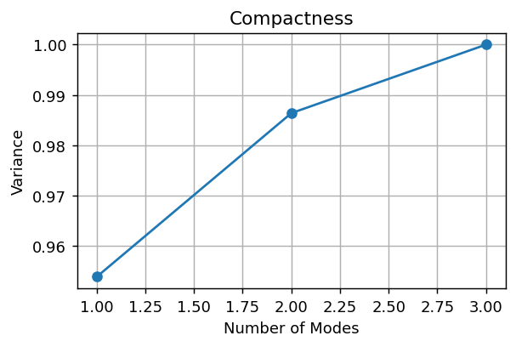

Composantes pour 95%: 1

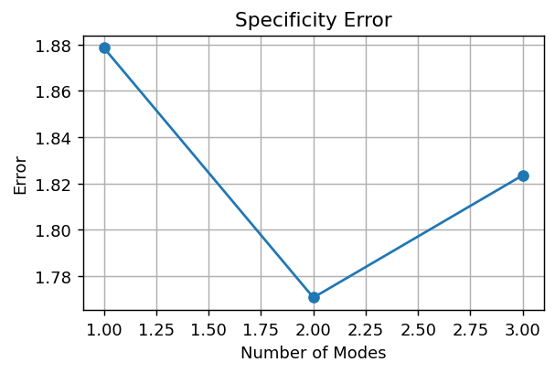

Specificity final error: 1.8235

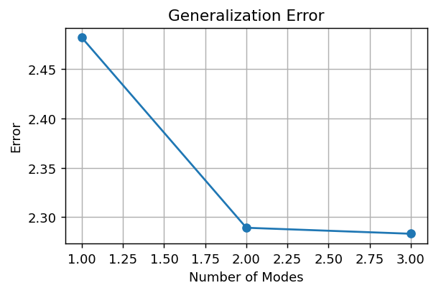

Generalization final error: 2.2830

PC1 | PC2
-9.4501096966 | -5.128209297
-11.171682212 | 9.7846241119
-31.884762115 | -3.6181550513
52.506554023 | -1.0382597636

Run_3
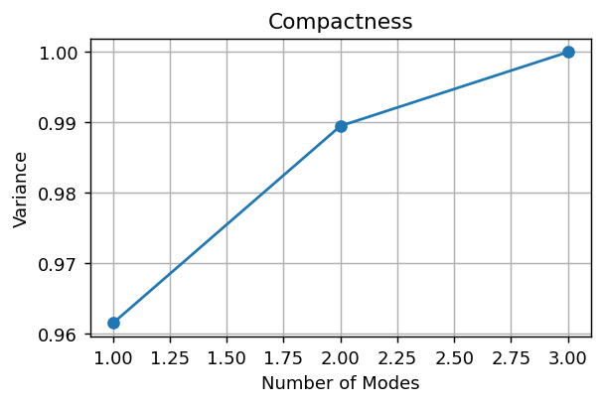

Composantes pour 95%: 1

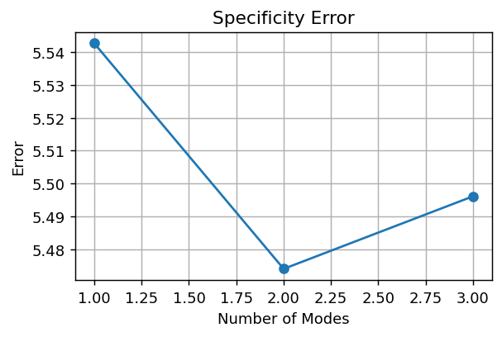

Specificity final error: 5.4961

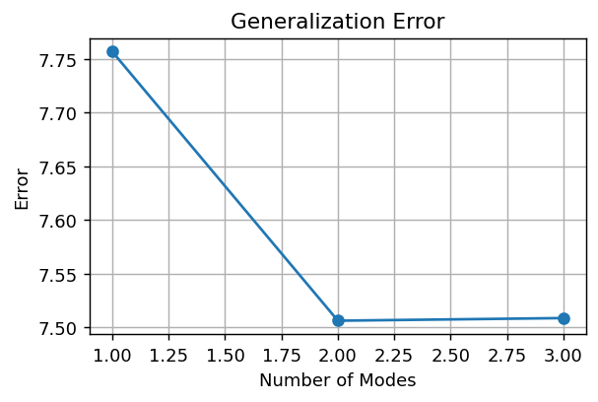

Generalization final error: 7.5086

PC1 | PC2
-46.229274857 | -18.777647367
-45.247191654 | -10.964214011
-79.210759564 | 25.773447971
170.68722608 | 3.968413407

Run_4
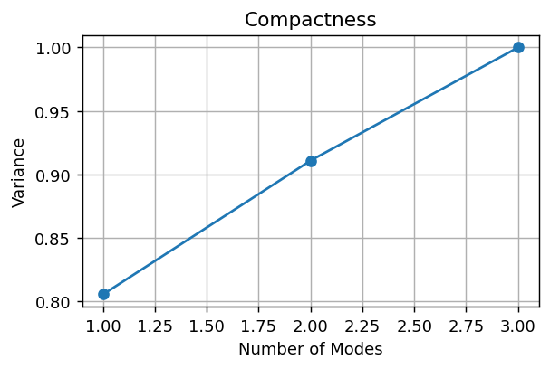

Composantes pour 95%: 3

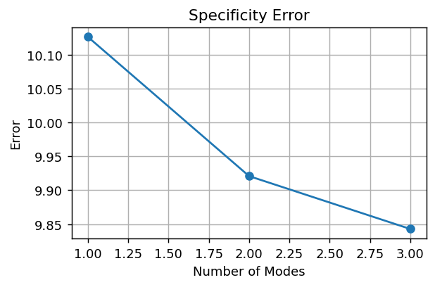

Specificity final error: 9.8428

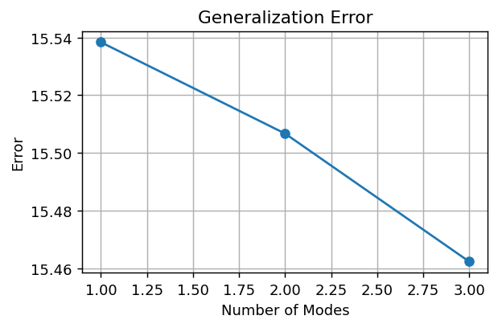

Generalization final error: 15.4623

PC1 | PC2
-76.383322793 | 96.242469859
-88.032767355 | -16.780464531
-122.50033878 | -70.0338774
286.91642893 | -9.4281279268

