华威
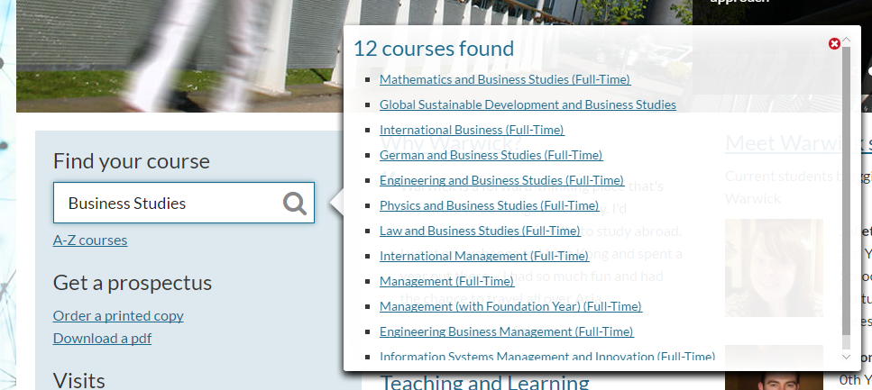
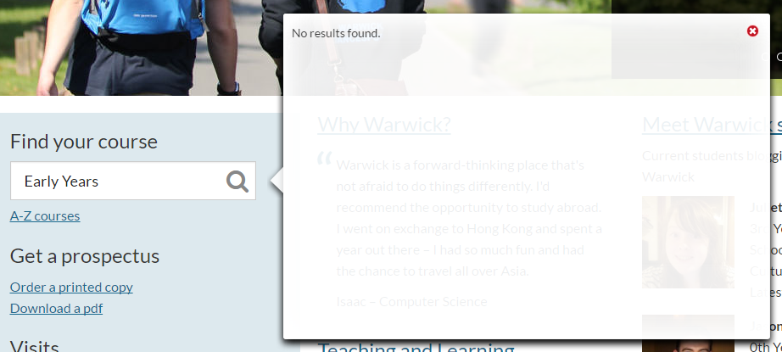
undergraduate | Business Studies (please see Management, Management (with foundation year), International Management, International Business, Accounting and Finance, Accounting and Finance (with foundation year) and Information Systems Management and Innovation)
 | Early Years (Foundation Degree with our Centre for Lifelong Learning)
 | International Business (N110)
 | Renaissance

 |  | Business Studies (please see Management, Management (with foundation year), International Management, International Business, Accounting and Finance, Accounting and Finance (with foundation year) and Information Systems Management and Innovation) | Business Studies没搜到，括号里的专业都是有的 |  |  |  | http://www2.warwick.ac.uk/study/undergraduate
 |  | Early Years (Foundation Degree with our Centre for Lifelong Learning) | 不是专业 |  |  |  | http://www2.warwick.ac.uk/study/undergraduate
Business School | Undergraduate | International Business | BSc | 21200 | A Level AAA International Baccalaureate 38 points overall. Other Qualifications We welcome applications from students with other internationally recognised qualifications. For more nformation please visit the international entry requirements page. Warwick International Foundation Programe All students who successfully complete the Warwick IFP and apply to Warwick through UCAS will receive a guaranteed conditional offer for a related undergraduate programme (selected courses only). For full details of standard offers and conditions visit the IFP page. General Studies/Critical Thinking Offers normally exclude General Studies and Critical Thinking at A or AS level. | 7 | 6.5 | What modules can I study? In your first year modules could include Introduction to Financial Accounting; Quantitative Analysis for Management; Language; Foundations of Financial Management; Management Organisations and Society; Operations Management; CORE Practice; Markets, Marketing and Strategy and Integrative Project. Second year modules could include Economics for Business; Language; Global Environment of Business; Economics of Strategy; Global Integrative Project; Governance and Social Environment of Business, as well as a selection of elective modules. Your third will be spent abroad and you will return to WBS for your fourth your, in which you could study Business and Society in Europe; Critical Issues in Management; Business and Society in Europe and a selection of elective modules. | 48 | 9 | http://www2.warwick.ac.uk/study/undergraduate/courses/n110
Department of History | Undergraduate | History (Renaissance/Modern and Modern) | BA | 16620 | A level AAA, to include History. International Baccalaureate 38 points, with at least a 6 in Higher Level History. Other Qualifications We welcome applications from students with other internationally recognised qualifications. For more nformation please visit the international entry requirements page. Access to HE Diploma QAA recognised diploma including appropriate subjects with distinction grades in level 3 units. Candidates must meet essential subject requirements. General Studies/Critical Thinking Offers normally exclude General Studies and Critical Thinking. | 6.5 | 6 | What modules can I study? The Single Honours History degree programme offers a well-structured history degree, built around core modules in each of the three years, while allowing a wide range of options to suit individual interests. You will choose between two broad pathways: Modern History, which includes some early modern history but allows the maximum choice of options, or Renaissance and Modern History which places greater emphasis on the early modern period including one term of the final year spent studying the Italian renaissance in Venice. The choice of pathway is made when students arrive at Warwick. | 36 | 9 | http://www2.warwick.ac.uk/study/undergraduate/courses/v100

