华威
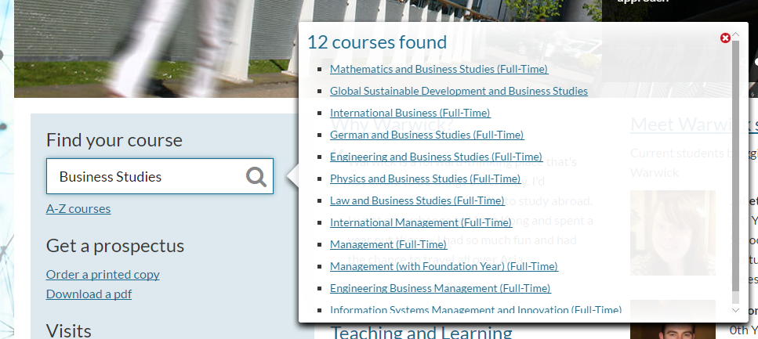
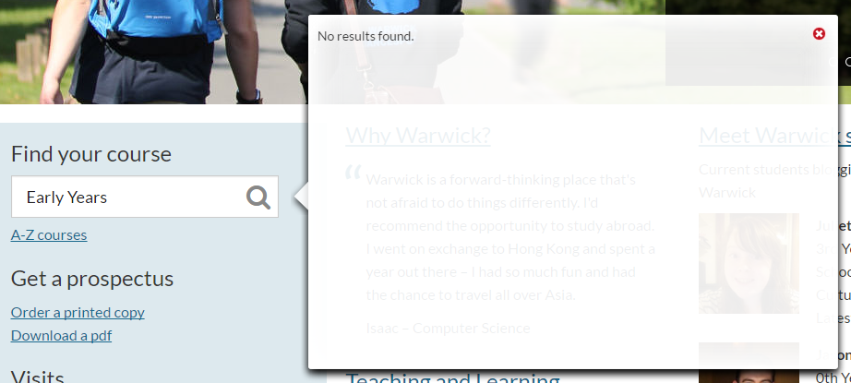
undergraduate | Business Studies (please see Management, Management (with foundation year), International Management, International Business, Accounting and Finance, Accounting and Finance (with foundation year) and Information Systems Management and Innovation)
 | Early Years (Foundation Degree with our Centre for Lifelong Learning)
 | International Business (N110)
 | Renaissance

 |  | Business Studies (please see Management, Management (with foundation year), International Management, International Business, Accounting and Finance, Accounting and Finance (with foundation year) and Information Systems Management and Innovation) | Business Studies没搜到，括号里的专业都是有的,见下左图 | http://www2.warwick.ac.uk/study/undergraduate
 |  | Early Years (Foundation Degree with our Centre for Lifelong Learning) | 不是专业，没有搜到，见下右图 | http://www2.warwick.ac.uk/study/undergraduate
 | International Business | 已添加 | http://www2.warwick.ac.uk/study/undergraduate/courses/n110
 | History (Renaissance/Modern and Modern) | 搜索Renaissance只找到这个专业，这个专业确实漏了，已添加 | http://www2.warwick.ac.uk/study/undergraduate/courses/v100

