Dashboard
Countries with highest number of COVID cases dashboard

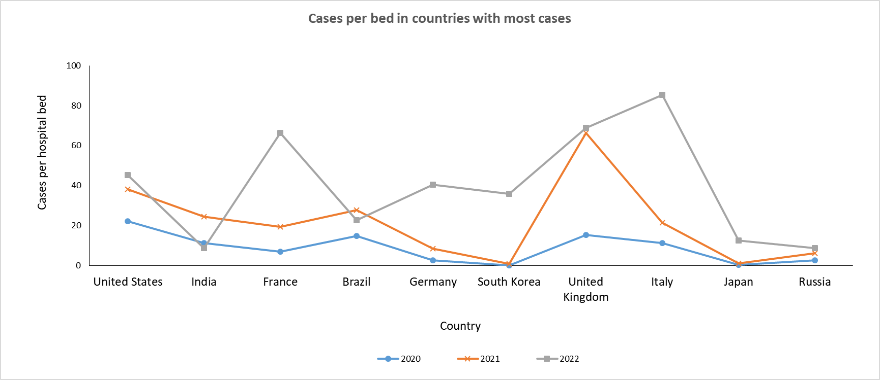
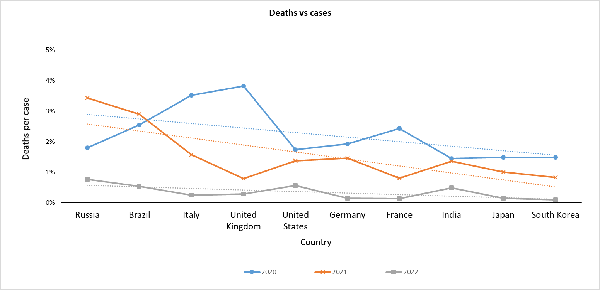

8 of the top 10 countries had the highest cases per hospital bed in 2022
Italy had the maximum number of cases per hospital bed ~85 in 2022
With people being vaccinated the death percentage came down
UK had the highest death conversion for positive tested pateints in 2020 at ~4%

