Disciplinary actions
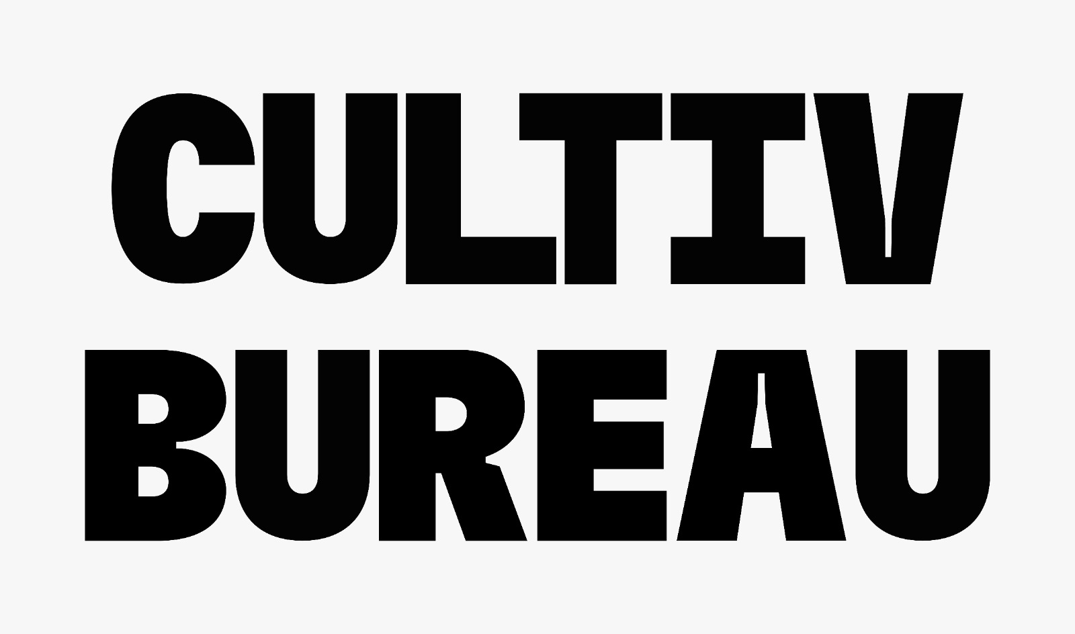
 | Yellow | Performance Notice.
 | Orange | Performance Flag + 4.5 hrs. “Half Day” Deduction.
 | Red | Performance Alert + 2 Days Deduction.
 | Black | Performance Warning+ 4 Days Deduction + 3 Months Freeze “Promotions & Assessments”
 | Investigation | Employee is suspended and transferred to Investigation on Spot
 | Incident | Details | Within ( Days | Comments | 1st time | 2nd time | 3rd time | 4th time | 5th time | 6th time | 7th time | 8th time
Attendance & adherance | Late Arrival | Arriving late to work. | 30 | Time deduction + action aligning with the manager is necessary or the action escalates to the next level | Yellow | Yellow | Orange | Red | Black | Investigation
 | No-show | Missing a scheduled shift without notification. | 90 |  | Red | Red | Black | Investigation
 | Exceed breaks | Taking longer breaks than allowed. | 30 |  | Yellow | Yellow | Yellow | Yellow | Orange | Red | Black | Investigation
 | Un-scheduled breaks | Taking breaks at unauthorized times. | 30 |  | Yellow | Red | Black | Investigation
 | Out of working hours attendance | Staying in the workplace after finishing the shift. | 90 |  | Yellow | Red | Black | Investigation
 | Attendance manipulation | Faking attendance records. | 180 |  | Black | Investigation
 | Early leave | Leaving work early without approval. | 180 |  | Black | Investigation
Personal Attitude | Use of abusive words | Using offensive or disrespectful language. | 180 |  | Black | Investigation
 | Physical harm | Causing physical harm to another person. | 180 |  | Investigation
 | Sleeping on the floor | Sleeping in the workplace during working hours. | 180 |  | Black | Investigation
 | Unprofessional behavior | Behaving in a way that is not appropriate for the workplace. | 180 |  | Black | Investigation
Abusing | Company assets | Damaging or misusing company property. | 180 |  | Investigation
 | Routing calls / tickets | Avoiding or redirecting assigned work. | 180 |  | Black | Investigation
 | Releasing calls / tickets | Closing assigned work without completing it. | 180 |  | Investigation
 | Using other colleague's logins | Sharing or using another employee's login credentials. | 180 |  | Investigation
 | Aux system reports & tools | Misusing auxiliary systems or tools. | 30 |  | Yellow | Yellow | Orange | Red | Black | Investigation
Policy | Medical examination | Refusing to undergo a required medical examination. | 180 |  | Investigation
 | Visitors | Meeting visitors outside of designated areas. | 180 |  | Black | Investigation
 | Smoking | Smoking in prohibited areas. | 180 |  | Black | Investigation
 | Influence of Alcohol / drugs | Being under the influence of alcohol or drugs at work. | 180 |  | Investigation
 | Harassment | Engaging in harassing behavior towards another person. | 180 |  | Investigation
 | Stealing | Taking company property without permission. | 180 |  | Investigation
 | Social media | Misusing social media in a way that reflects poorly on the company. | 180 |  | Investigation
 | Data confidentiality, ethical conduct, and damage control | Unauthorized data sharing, unethical behavior, and actions causing potential contract loss or reputational damage. | 180 |  | Investigation
 | Mobile phones | Using personal mobile phones or computers for non-work purposes during working hours. | 30 |  | Red | Black | Investigation
 | Food & beverage | Eating or drinking in prohibited areas. | 30 |  | Orange | Red | Black | Investigation
 | Business process failure | Repeated or severe Business process violation that is critical to business. | 30 |  | Orange | Red | Black | Investigation
 | End-user critical failure | Repeated or severe Business process violation that is critical to End-user such as payouts and attitude issues with customers. | 60 |  | Black | Investigation
 | Cyber security | - Downloading unauthorized applications, movies, or files. - Bypassing security measures to access restricted content. - Sharing unauthorized applications or links with other employees. | 30 |  | Red | Black | Investigation
 | Unprofessional behaviorss |  |  |  | Orange | Black | Investigation

