part 7
Dạng 1 | mục đích chính của bài viết

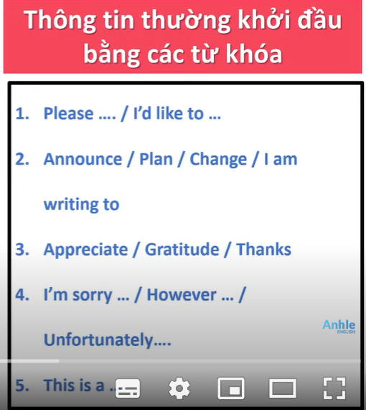
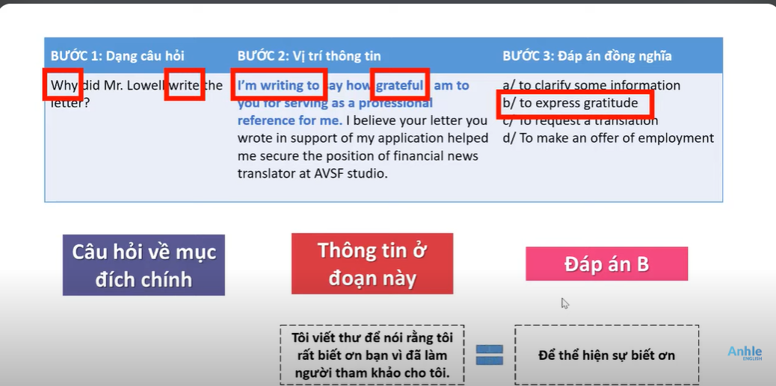

 | Admit |  | Bear
 | Advise | Begin |  | Consider
 | Afford
 | Agree
 | Allow
 | Anticipate | Defend |  | Discuss
 | Appear
 | Appreciate | Delay |  | Dislike
 | Arrange
 | ASK
 | Attempt
 | Avoid
 | Bear
 | Begin
 | Consider
 | Defend
 | Delay
 | Discuss
 | Dislike
 | Enjoy
 | Finish
 | Hope
 | Keep
 | Learn

