counts
brand | group | 2006 | 2007 | 2008 | 2009 | 2010 | 2011 | 2012 | 2013 | 2014 | 2015 | 2016 | Totals | OpComp | CardiacComp | NeuroComp | PulmComp | longVent | Pneumonia | Reintubation | AnyComp | AllComp | Smokhx | Smokcurr | Diabetes | PreopRI | PreopRF | Preopdial | Pulmtens | CVA | Endocard | EndocardAct | EndocardTreat | cvd | AllComorb
CE | implants | 167 | 105 | 125 | 113 | 70 | 80 | 78 | 108 | 116 | 147 | 184 | 1293 | 247 | 772 | 297 | 349 | 260 | 103 | 53 | 976 | 2081 | 751 | 158 | 354 | 246 | 77 | 18 | 93 | 87 | 53 | 37 | 15 | 177 | 2066
CE | explants | 10 | 4 | 5 | 3 | 3 | 2 | 1 | 2 | 0 | 0 | 0 | 30 | 2 | 9 | 4 | 4 | 2 | 2 | 1 | 14 | 24 | 19 | 1 | 4 | 2 | 2 | 1 | 1 | 0 | 3 | 1 | 2 | 3 | 39
CE | remaining | 157 | 101 | 120 | 110 | 67 | 78 | 77 | 106 | 116 | 147 | 184 | 1263 | 245 | 763 | 293 | 345 | 258 | 101 | 52 | 962 | 2057 | 732 | 157 | 350 | 244 | 75 | 17 | 92 | 87 | 50 | 36 | 13 | 174 | 2027
SJM.Epic | implants | 20 | 66 | 37 | 121 | 176 | 155 | 98 | 34 | 6 | 7 | 5 | 725 | 141 | 461 | 156 | 195 | 156 | 58 | 42 | 556 | 1209 | 443 | 64 | 250 | 168 | 59 | 18 | 75 | 47 | 24 | 21 | 3 | 86 | 1258
SJM.Epic | explants | 2 | 2 | 1 | 5 | 3 | 5 | 2 | 1 | 0 | 0 | 0 | 21 | 3 | 14 | 3 | 6 | 2 | 3 | 1 | 17 | 32 | 15 | 3 | 6 | 5 | 1 | 0 | 3 | 0 | 2 | 2 | 0 | 0 | 37
SJM.Epic | remaining | 18 | 64 | 36 | 116 | 173 | 150 | 96 | 33 | 6 | 7 | 5 | 704 | 138 | 447 | 153 | 189 | 154 | 55 | 41 | 539 | 1177 | 428 | 61 | 244 | 163 | 58 | 18 | 72 | 47 | 22 | 19 | 3 | 86 | 1221
SJM.Trifecta | implants | 0 | 0 | 11 | 5 | 0 | 37 | 55 | 81 | 90 | 113 | 88 | 480 | 81 | 277 | 113 | 131 | 86 | 37 | 29 | 338 | 754 | 296 | 61 | 133 | 81 | 26 | 8 | 36 | 23 | 24 | 12 | 12 | 49 | 761
SJM.Trifecta | explants | 0 | 0 | 0 | 0 | 0 | 2 | 0 | 3 | 1 | 1 | 3 | 10 | 2 | 4 | 1 | 3 | 3 | 0 | 1 | 7 | 14 | 9 | 6 | 2 | 0 | 0 | 0 | 1 | 0 | 3 | 1 | 2 | 1 | 25
SJM.Trifecta | remaining | 0 | 0 | 11 | 5 | 0 | 35 | 55 | 78 | 89 | 112 | 85 | 470 | 79 | 273 | 112 | 128 | 83 | 37 | 28 | 331 | 740 | 287 | 55 | 131 | 81 | 26 | 8 | 35 | 23 | 21 | 11 | 10 | 48 | 736
Mechanical | implants | 21 | 22 | 23 | 17 | 10 | 9 | 4 | 5 | 4 | 6 | 7 | 128 | 16 | 49 | 18 | 25 | 18 | 10 | 0 | 70 | 136 | 72 | 18 | 23 | 15 | 3 | 1 | 11 | 4 | 12 | 6 | 6 | 9 | 180
Mechanical | explants | 1 | 1 | 2 | 1 | 1 | 0 | 0 | 0 | 0 | 0 | 0 | 6 | 0 | 3 | 0 | 1 | 0 | 1 | 0 | 3 | 5 | 2 | 0 | 0 | 2 | 0 | 0 | 2 | 0 | 2 | 2 | 0 | 0 | 10
Mechanical | remaining | 20 | 21 | 21 | 16 | 9 | 9 | 4 | 5 | 4 | 6 | 7 | 122 | 16 | 46 | 18 | 24 | 18 | 9 | 0 | 67 | 131 | 70 | 18 | 23 | 13 | 3 | 1 | 9 | 4 | 10 | 4 | 6 | 9 | 170
Bioprosthetic | implants | 187 | 171 | 173 | 239 | 246 | 272 | 231 | 223 | 212 | 267 | 277 | 2498 | 469 | 1510 | 566 | 675 | 502 | 198 | 124 | 1870 | 4044 | 1490 | 283 | 737 | 495 | 162 | 44 | 204 | 157 | 101 | 70 | 30 | 312 | 4085
Bioprosthetic | explants | 12 | 6 | 6 | 8 | 6 | 9 | 3 | 6 | 1 | 1 | 3 | 61 | 7 | 27 | 8 | 13 | 7 | 5 | 3 | 38 | 70 | 43 | 10 | 12 | 7 | 3 | 1 | 5 | 0 | 8 | 4 | 4 | 4 | 101
Bioprosthetic | remaining | 175 | 165 | 167 | 231 | 240 | 263 | 228 | 217 | 211 | 266 | 274 | 2437 | 462 | 1483 | 558 | 662 | 495 | 193 | 121 | 1832 | 3974 | 1447 | 273 | 725 | 488 | 159 | 43 | 199 | 157 | 93 | 66 | 26 | 308 | 3984
Total Implants by Valve Type and Year
Re-operations by Valve Type
 | remaining | explants
Bioprosthetic | 2437 | 61
Mechanical | 122 | 6
Any Complication by Valve Type
 | remaining | explants
Bioprosthetic | 1832 | 38
Mechanical | 67 | 3
All Complications by Valve Type
 | remaining | explants
Bioprosthetic | 3974 | 70
Mechanical | 131 | 5
All Comorbidities by Valve Type
 | remaining | explants
Bioprosthetic | 3984 | 101
Mechanical | 170 | 10
Infective Endocarditis by Valve Type
 | remaining | explants
Bioprosthetic | 93 | 8
Mechanical | 10 | 2
 |  |  |  |  |  |  |  |  |  |  |  |  | #REF!

Total Implants by Valve Brand and Year
Re-operations by Valve Brand
 | remaining | explants
CE | 1263 | 30
SJM.Epic | 704 | 21
SJM.Trifecta | 470 | 10
Mechanical | 122 | 6
Any Complication by Valve Brand
 | remaining | explants
CE | 962 | 14
SJM.Epic | 539 | 17
SJM.Trifecta | 331 | 7
Mechanical | 67 | 3
All Complications by Valve Brand
 | remaining | explants
CE | 2057 | 24
SJM.Epic | 1177 | 32
SJM.Trifecta | 740 | 14
Mechanical | 131 | 5
All Comorbidities by Valve Brand
 | remaining | explants
CE | 2027 | 39
SJM.Epic | 1221 | 37
SJM.Trifecta | 736 | 25
Mechanical | 170 | 10
Infective Endocarditis by Valve Brand
 | remaining | explants
CE | 50 | 3
SJM.Epic | 22 | 2
SJM.Trifecta | 21 | 3
Mechanical | 10 | 2

failure_rate
brand | implants | explants | valve yrs | failure rate
CE | 1293 | 30 | 6815.1627 | 0.0044019492007
SJM.Epic | 725 | 21 | 4561.3185 | 0.0046039319552
SJM.Trifecta | 480 | 10 | 1297.5609 | 0.0077067673664
Bioprosthetic | 2498 | 61 | 12674.042 | 0.0048129870486
Mechanical | 128 | 6 | 887.9396 | 0.0067572163692

kaplan-meier curves
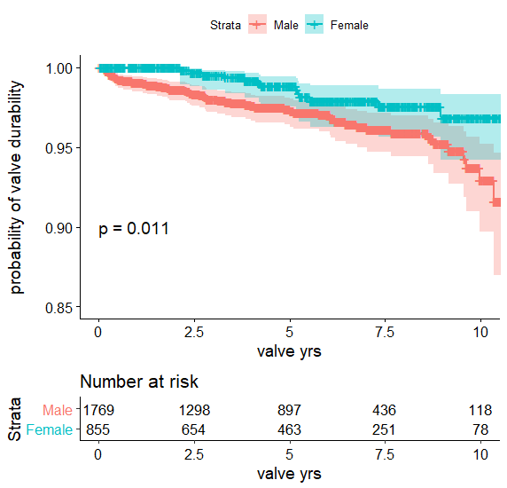
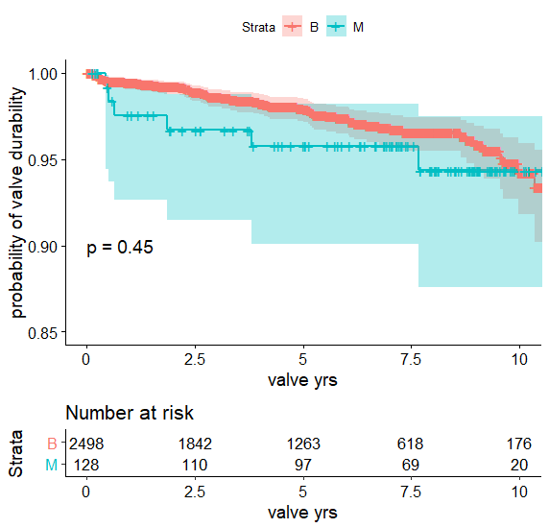
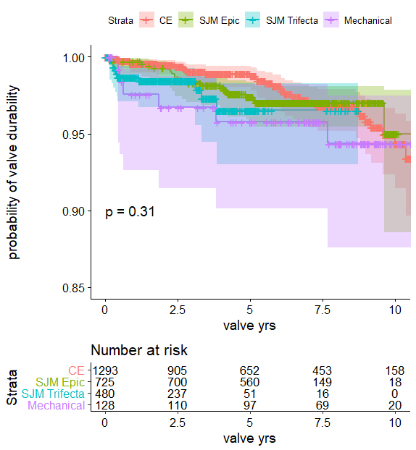

hazard curves
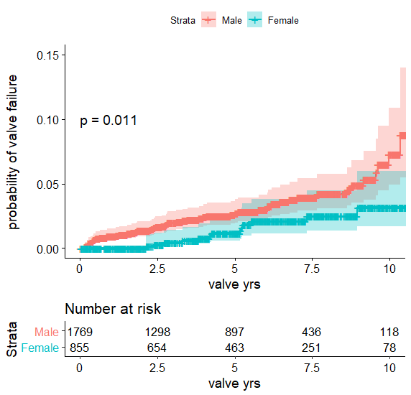
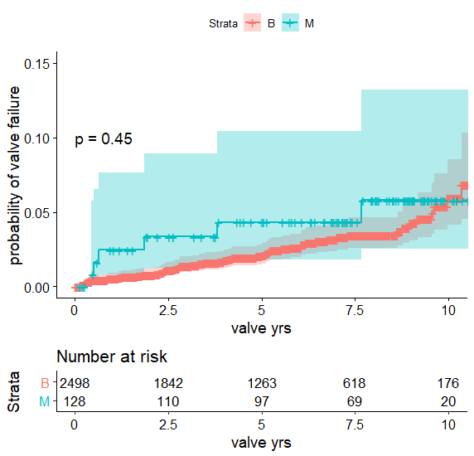
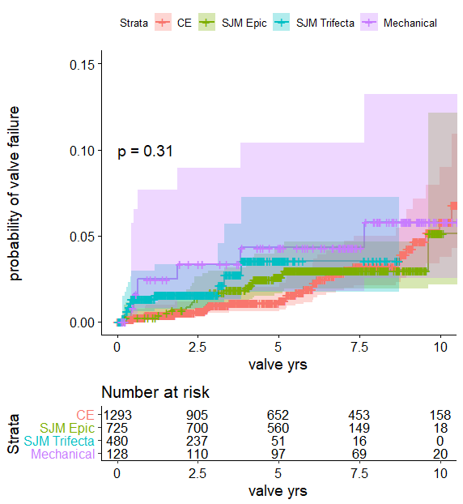

cox1
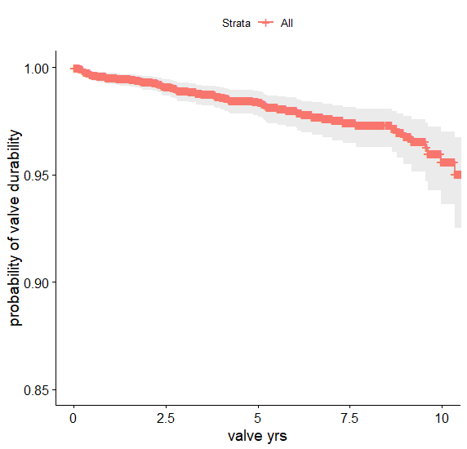
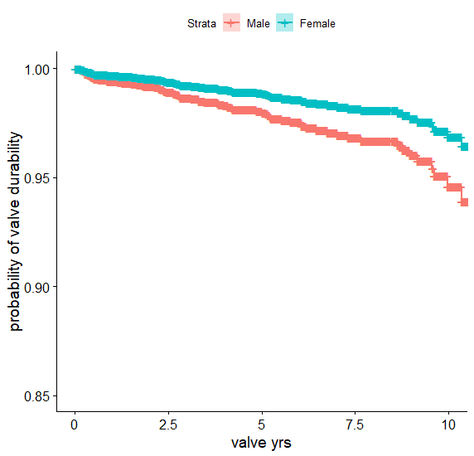
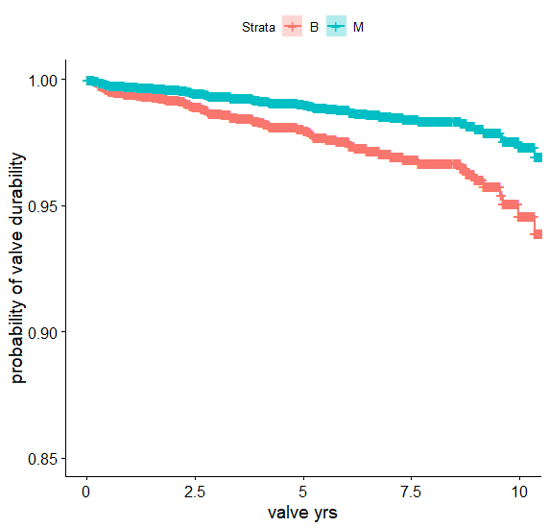
Cox model summary: no valve brand |  |  |  |  |  |  | Cox baseline survival model for age, sex, and valve type | Cox survival curve for sex, with mean patient age, male sex, and Bioprosthetic valve type | Cox survival curve for valve type, with mean patient age, male sex
n= 2496, number of re-ops= 61

 | coef | Hazard Ratio exp(coef) | se(coef) | z | Pr(>|z|) | Sig level
age | -0.060179 | 0.941596 | 0.008628 | -6.975 | 3.07E-12 | <0.01
sex | -0.556496 | 0.573214 | 0.310085 | -1.795 | 0.0727 | <0.01
avType | -0.714519 | 0.489427 | 0.454606 | -1.572 | 0.116
---

 | Hazard Ratio exp(coef) | exp(-coef) | lower .95 | upper .95
age | 0.9416 | 1.062 | 0.9258 | 0.9577
sex | 0.5732 | 1.745 | 0.3122 | 1.0526
avType | 0.4894 | 2.043 | 0.2008 | 1.193

Concordance= 0.704 (se = 0.035 )
Likelihood ratio test= 49.66 on 3 df, p=9e-11
Wald test = 54.13 on 3 df, p=1e-11
Score (logrank) test = 57.49 on 3 df, p=2e-12

cox2
 |  |  |  |  |  |  | Cox baseline survival model for age, sex, and valve brand | Cox survival curve for sex, with mean patient age, male sex, and CE valve brand | Cox survival curve for valve brand, with mean patient age, male sex
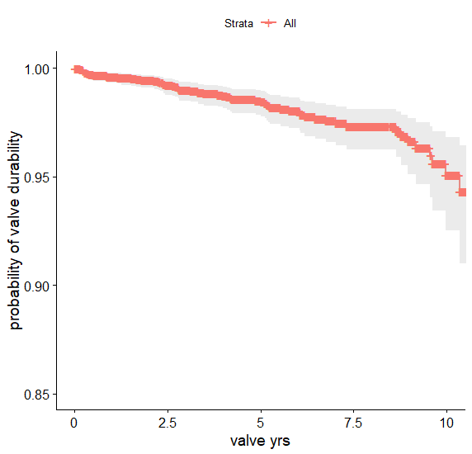
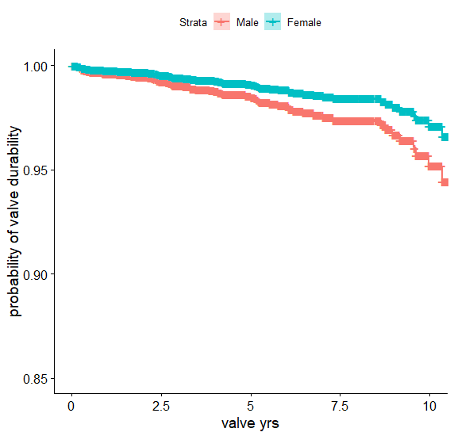
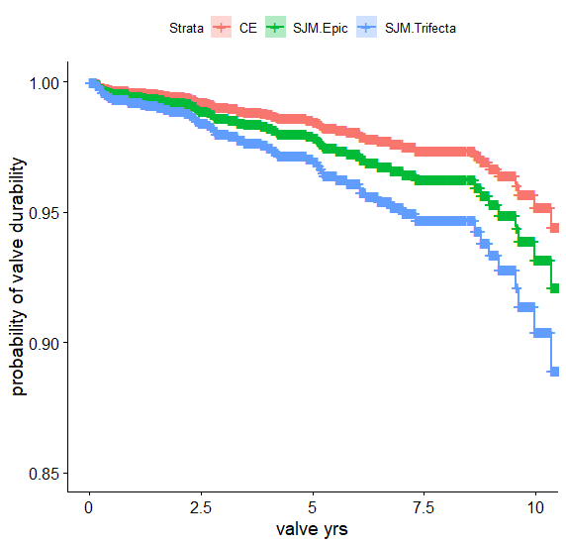
Cox model summary: no valve type or Mechanical brand
n= 2496, number of re-ops= 61

 | coef | Hazard Ratio exp(coef) | se(coef) | z | Pr(>|z|) | Sig level
age | -0.060344 | 0.94144 | 0.008933 | -6.756 | 1.42E-11 | <0.01
sex | -0.509772 | 0.600633 | 0.322454 | -1.581 | 0.1139
avImp | 0.356757 | 1.428688 | 0.183838 | 1.941 | 0.0523 | <0.1

 | Hazard Ratio exp(coef) | exp(-coef) | lower .95 | upper .95
age | 0.9414 | 1.0622 | 0.9251 | 0.9581
sex | 0.6006 | 1.6649 | 0.3193 | 1.13
avImp | 1.4287 | 0.6999 | 0.9964 | 2.0484

Concordance= 0.707 (se = 0.037 )
Likelihood ratio test= 47.11 on 3 df, p=3e-10
Wald test = 51.72 on 3 df, p=3e-11

 | Score (logrank) test = 54.68 on 3 df, p=8e-12

cox3

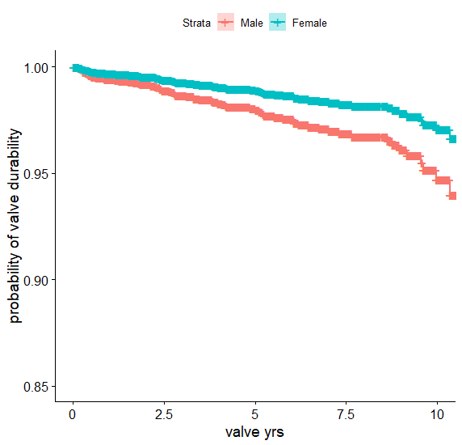
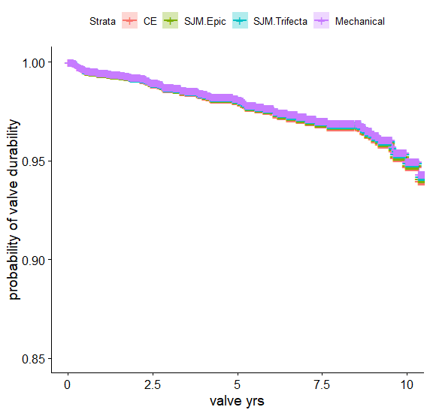
 |  |  |  |  |  |  | Cox baseline survival model for age, sex, and valve brand | Cox survival curve for sex, with mean patient age, male sex, and CE valve brand | Cox survival curve for valve brand, with mean patient age, male sex
Cox model summary: no valve type, all valve brands
n= 2624, number of re-ops= 67

 | coef | Hazard ratio (exp(coef)) | se(coef) | z | Pr(>|z|) | Sig level
age | -0.054866 | 0.946612 | 0.008499 | -6.455 | 1.08E-10 | <0.01
sex | -0.596342 | 0.550823 | 0.310885 | -1.918 | 0.0551 | <0.1
avImp | -0.019522 | 0.980668 | 0.119574 | -0.163 | 0.8703
---

 | exp(coef) | exp(-coef) | lower .95 | upper .95
age | 0.9466 | 1.056 | 0.931 | 0.9625
sex | 0.5508 | 1.815 | 0.2995 | 1.0131
avImp | 0.9807 | 1.02 | 0.7758 | 1.2397

 |  |  |  |  |  |  | Concordance= 0.701 (se = 0.035 )
 |  |  |  |  |  |  | Likelihood ratio test= 46.84 on 3 df, p=4e-10
 |  |  |  |  |  |  | Wald test = 50.93 on 3 df, p=5e-11
 |  |  |  |  |  |  | Score (logrank) test = 53.51 on 3 df, p=1e-11

