Profiles
Service Category | Service Family | User Downlink Throughput (bps) | User Uplink Throughput (bps) | E2E Latency (ms) | Mobility | Max Mobility (km/h) | Max connection density (UE/sq km) | Max Traffic Density |  | Positioning support | Positioning Method | Positioning Report Frequency (min) | Positioning Accuracy(m) | Mission Critical Support | Mission Critical capability | Multicast | Group Communication | MMTel | Energy Efficiency | V2X | V2X mode | Reliability | Session and service continuity support | Support for non-IP Traffic | Delay Tolerance | Deterministic Comms Support | Deterministic Comms Periodicity (seconds) | Deterministic Comms DL:UL traffic ratio | Energy efficiency | Isolation Level | LBS support | Simultaneous Slice Support | Synchronicity | Slice QOS | SST | Activity Factor | Performance Monitoring | User Mgt Openness | RCA | Charging | User data access | Tunnelling support
 |  |  |  |  |  |  |  | Downlink(bps/sq km) | Uplink (bps/sq km)
Mobile video surveillance | Massive IOT | 50000000 | 25000000 | 10 | Yes | 120 | 400 | 20G | 10G | No | - | - | - | No | - | No | No | No | No | No | - | No | SSC1 | No | No | No | - | 0.11 |  | Logical isolation | No | Same SST | - | 6 | eMBB | 0.2 | n/a | No | Passive | Yes | Termination in private network | VPN
Smart wearables | Massive IOT | 100000 | 100000 | 3000 | Yes | 500 | 200000 |  |  | Yes | E-CID | 1 | 100 | No | - | No | No | No | DRX | No | - | No | SSC1 | No | No | Yes | 60 | 0.2 |  | Logical isolation | No | Same SST | - | 6 | mIOT | 0.1 | n/a | Yes | Passive | Yes | Termination in private network | VPN
Sensor networks | Massive IOT | 100000 | 100000 | 3000 | No | 500 | 200000 |  |  | No | E-CID | 60 | 100 | No | - | No | No | No | PSM | No | - | No | None | No | No | Yes | 300 | 0.2 |  | Logical isolation | No | Same SST | - | 6 | mIOT | 0.1 | n/a | Yes | Passive | Yes | Termination in private network | VPN
Pervasive video | Broadband access in dense area | 300000000 | 50000000 | 10 | Yes | 100 | 2500 | 750G | 125G | No | - | - | - | No | - | No | No | No | No | No | - | No | SSC1 | No | No | No | - | 6 |  | Logical isolation | Yes | Same SST | - | 7 | eMBB | 0.1 | n/a | No | Passive | Yes | Direct connection to internet | -
Operator cloud services | Broadband access in dense area | 300000000 | 50000000 | 10 | Yes | 100 | 2500 | 750G | 125G | No | - | - | - | No | - | No | No | No | No | No | - | No | SSC1 | No | Yes | No | - | 4 |  | Logical isolation | Yes | Same SST SD | - | 6 | eMBB | 0.1 | n/a | No | Passive | Yes | Direct connection to internet | -
Dense urban society | Broadband access in dense area | 300000000 | 50000000 | 10 | Yes | 100 | 2500 | 750G | 125G | No | OTDOA | 1 | 100 | No | - | No | No | No | No | No | - | No | SSC1 | No | No | No | - | 6 |  | Logical isolation | Yes | Same SST | - | 6 | eMBB | 0.1 | n/a | No | Passive | Yes | Direct connection to internet | -
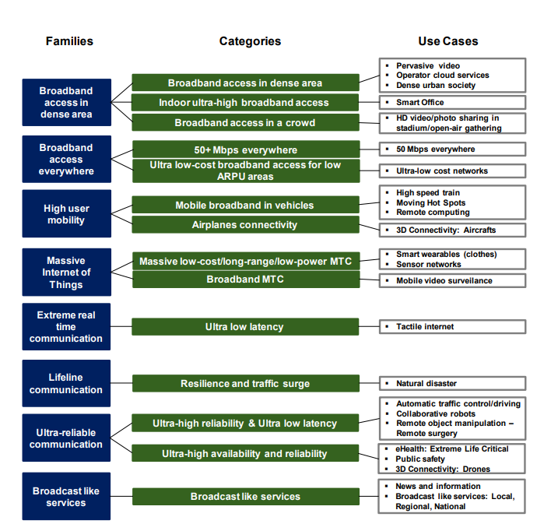
Smart office | Indoor high density MBB | 1000000000 | 500000000 | 10 | No | 5 | 75000 | 15T | 2T | No | E-CID | 60 | 100 | No | - | No | No | Yes | No | No | - | No | SSC1 | Yes | Yes | No | - | 6 |  | Logical isolation | No | Same SST | - | 6 | eMBB | 0.2 | n/a | Yes | Passive | Yes | Direct connection to internet | -
HD video/photo sharing in stadium /open-air gathering | Crowd high density MBB | 250000000 | 50000000 | 10 | Yes | 5 | 150000 | 3.75T | 7.5T | No | E-CID | 15 | 100 | No | - | No | No | No | No | No | - | No | SSC1 | No | No | No | - | 5 |  | Logical isolation | Yes | Same SST | - | 6 | eMBB | 0.1 | n/a | No | Passive | Yes | Direct connection to internet | -
50+ Mbps rural | Low density low cost MBB | 500000000 | 25000000 | 10 | Yes | 120 | 100 | 5G | 2.5G | No | E-CID | 15 | 100 | No | - | No | No | Yes | No | No | - | No | SSC1 | Yes | Yes | No | - | 2 |  | Logical isolation | Yes | Same SST | - | 6 | eMBB | 0.2 | n/a | No | Passive | Yes | Direct connection to internet | -
50+ Mbps suburban | Low density low cost MBB | 500000000 | 25000000 | 10 | Yes | 120 | 400 | 20G | 10G | No | - | - | - | No | - | No | No | Yes | No | No | - | No | SSC1 | Yes | Yes | No | - | 2 |  | Logical isolation | Yes | Same SST | - | 6 | eMBB | 0.2 | n/a | No | Passive | Yes | Direct connection to internet | -
Ultra-low cost network | Low density low cost MBB | 100000000 | 10000000 | 50 | Yes | 50 | 16 | 16M | 16M | No | - | - | - | No | - | No | No | Yes | DRX | No | - | No | SSC1 | No | No | No | - | 2 |  | No isolation | Yes | Same SST | - | 6 | eMBB | 0.2 | n/a | No | Passive | - | Direct connection to internet | -
Tactile internet | Real time communications | 500000000 | 25000000 | 1 | Yes | 5 |  |  |  | No | - | - | - | No | - | No | No | No | No | No | - | No | SSC1 | No | No | No | - | 2 |  | Logical isolation | No | Same SST | - | 81 | uRLLC | 0.5 | n/a | No | Active | Yes | Termination in private network | GRE
Resilience and traffic surge | Lifeline communications | 1000000 | 1000000 | 3000 | Yes | 120 | 10000 |  |  | No | - | - | - | No | - | No | No | No | No | No | - | No | SSC1 | No | No | No | - | 1 |  | Logical isolation | No | Same SST | - | 81 | uRLLC | 0.5 | n/a | No | Active | Yes | Termination in private network | GRE
Automatic traffic control/driving | Ultra reliable, low latency | 10000000 | 10000000 | 1 | Yes | 500 |  |  |  | Yes | Hybrid positioning | 0.1 | 0.5 | No | - | No | No | No | No | Yes | NR_E-UTRA | Yes | SSC3 | No | Yes | No | - | 0.2 |  | Logical isolation | No | Same SST SD | BS-UE-UE | 3 | uRLLC | 0.5 | n/a | No | Active | Yes | Termination in private network | GRE
Collaborative robots | Ultra reliable, low latency | 10000000 | 10000000 | 1 | Yes | 500 |  |  |  | Yes | Hybrid positioning | 0.1 | 0.5 | No | - | No | No | No | No | No | - | Yes | SSC3 | No | No | Yes | 1 | 1 |  | Logical isolation | No | Same SST SD | - | 81 | uRLLC | 0.5 | n/a | Yes | Active | Yes | Local traffic
Remote object manipulation – Remote surgery | Ultra reliable, low latency | 10000000 | 10000000 | 1 | Yes | 500 |  |  |  | Yes | Hybrid positioning | 0.1 | 0.5 | No | - | No | No | No | No | No | - | Yes | SSC3 | No | No | Yes | 1 | 1 |  | Physical isolation | No | No share | - | 81 | uRLLC | 0.5 | n/a | No | Active | Yes | Termination in private network | GRE
eHealth: Extreme Life Critical | High availability, ultra reliable | 10000000 | 10000000 | 10 | Yes | 500 |  |  |  | Yes | Hybrid positioning | 0.1 | 0.5 | No | - | No | No | No | No | No | - | Yes | SSC2 | No | No | No | - | 1 |  | Physical isolation | No | No share | - | 81 | uRLLC | 0.5 | n/a | No | Active | Yes | Termination in private network | GRE
Public safety | High availability, ultra reliable | 10000000 | 10000000 | 10 | Yes | 500 |  |  |  | Yes | OTDOA | 0.1 | 100 | Yes | Pre-emption | Yes | Broadcast/Multicast + SC-PTM | Yes | No | No | - | Yes | SSC2 | No | No | No | - | 1 |  | Logical isolation | Yes | Same SST SD | - | 65,67,69 | eMBB | 0.3 | n/a | No | Active | - | Termination in private network | GRE
3D Connectivity: Drones | High availability, ultra reliable | 10000000 | 10000000 | 10 | Yes | 500 |  |  |  | Yes | Hybrid positioning | 0.1 | 0.5 | No | - | No | No | No | No | No | - | Yes | SSC2 | No | No | No | - | 1 |  | Logical isolation | No | Same SST | - | 6 | eMBB | 0.5 | n/a | Yes | Passive | Yes | Termination in private network | GRE
High speed train | High user mobility broadband | 500000000 | 25000000 | 10 | Yes | 500 | 2000 | 100G | 50G | No | OTDOA | 1 | 100 | No | - | No | No | No | No | No | - | No | SSC2 | No | Yes | No | - | 2 |  | Logical isolation | Yes | Same SST | - | 82 | eMBB | 0.2 | n/a | No | Passive | Yes | Direct connection to internet | -
Moving Hot Spots | High user mobility broadband | 500000000 | 25000000 | 10 | Yes | 500 | 2000 | 100G | 50G | No | OTDOA | 1 | 100 | No | - | No | No | No | No | No | - | No | SSC2 | No | Yes | No | - | 2 |  | Logical isolation | Yes | Same SST | - | 6 | eMBB | 0.3 | n/a | No | Passive | Yes | Direct connection to internet | -
Remote computing | High user mobility broadband | 500000000 | 25000000 | 10 | Yes | 500 | 2000 | 100G | 50G | No | OTDOA | 1 | 100 | No | - | No | No | No | No | No | - | No | SSC2 | No | Yes | No | - | 2 |  | Logical isolation | Yes | Same SST | - | 6 | eMBB | 0.3 | n/a | No | Passive | Yes | Direct connection to internet | -
3D Connectivity: Aircrafts | High user mobility broadband | 150000000 | 7500000 | 10 | Yes | 1000 | 80 | 1.2G | 600M | Yes | Hybrid positioning | 1 | 0.5 | No | - | No | No | No | No | No | - | No | SSC2 | No | Yes | No | - | 2 |  | Logical isolation | Yes | Same SST | - | 82 | eMBB | 0.2 | n/a | No | Passive | Yes | Direct connection to internet | -
News and information | Broadcast services | 200000000 | 500000 | 100 | Yes | 500 |  |  |  | No | OTDOA | 1 | 100 | No | - | No | No | No | No | No | - | No | SSC2 | No | Yes | No | - | 4 |  | Logical isolation | No | Same SST | - | 6 | eMBB | 0.1 | n/a | No | Passive | Yes | Direct connection to internet | -
Broadcast like services: Local, Regional, National | Broadcast services | 200000000 | 500000 | 100 | Yes | 500 |  |  |  | No | OTDOA | 1 | 100 | No | - | No | No | No | No | No | - | No | SSC2 | No | Yes | No | - | 4 |  | Logical isolation | No | Same SST | - | 6 | eMBB | 0.1 | n/a | No | Passive | Yes | Direct connection to internet | -

1 | 2 | 3 | 4 | 5 | 6 | 7 | 8 | 9 | 10 | 11 | 12 | 13 | 14 | 15 | 16 | 17 | 18 | 19 | 20 | 21 | 22 | 23 | 24 | 25 | 26 | 27 | 28 | 29 | 30 | 31 | 32 | 33 | 34 | 35 | 36 | 37 | 38 | 39 | 40 | 41 | 42 | 43

