Schedule
Screen 1
Current Time and Temp | CDA GAS - Crew Schedule 09/26- 10/03 |  |  |  |  | 3 Day Weather Forcast

 | Monday | Tuesday | Wednesday | Thursday | Friday
 | 2011-09-26 | 2011-09-27 | 2011-09-28 | 2011-09-29 | 2011-09-30 | Notes
Crew - 165 | M. Slinkard | M. Slinkard | M. Slinkard | M. Slinkard | M. Slinkard | Sandpoint Main Replacement
(5-10's) | J. Harty | J. Harty | J. Harty | J. Harty | J. Harty
Monti's Crew | R. Sager | R. Sager | R. Sager | R. Sager | R. Sager

Crew - 129 | K. Bridge | K. Bridge | K. Bridge | K. Bridge | K. Bridge
(5-8's) | JD Scribner | JD Scribner | JD Scribner | JD Scribner | JD Scribner | Testing content
Kevin's Crew | D. Beckedahl | D. Beckedahl | D. Beckedahl | D. Beckedahl | D. Beckedahl
 | choo choo | nananana
asdf | asdfasdf | asdfasdf
 | asdfasdf | asdfasdf | asdfasdf
Crew - 132 | L. Huber | L. Huber | L. Huber | L. Huber | L. Huber | Kellogg Tue n Wed
(5-8's) | C. Swanson | C. Swanson | C. Swanson | C. Swanson | C. Swanson
Les's Crew | T. Anker | T. Anker | T. Anker | T. Anker | T. Anker
 | asdfasdf
 | asdfasdf
 | asdfasdf
Crew - 138 | L. Huber | L. Huber | L. Huber | L. Huber | L. Huber | Weld Test on Tue
(5-8's) | C. Swanson | C. Swanson | C. Swanson | C. Swanson | C. Swanson | Open Ditches
 | T. Anker | T. Anker | T. Anker | T. Anker | T. Anker

Crew - 131 (PC) | S. Finney | S. Finney | S. Finney | S. Finney | S. Finney | Testing content
(5-8's)
Materials | D Frank | D Frank | D Frank | D Frank | D Frank | Testing content
(5-8's)

Info Cell if room allows

Screen 2
 | Inspectors/Information
 | Monday | Tuesday | Wednesday | Thursday | Friday
 | 2011-09-26 | 2011-09-27 | 2011-09-28 | 2011-09-29 | 2011-09-30 | Notes
Inspector | T. Carrico | T. Carrico | T. Carrico | T. Carrico | T. Carrico | Testing content
Inspector | J. Pope | J. Pope | J. Pope | J. Pope | J. Pope | Kellogg
Inspector | 1 | 2 | 3 | 4 | 5 | 6
Inspector | ELM | ELM | ELM | ELM | ELM
Spec Assn | 1 | 2 | 3 | 4 | 5 | 6
Spec Assn | 1 | 2 | 3 | 4 | 5 | 6
OQ Training | 1 |  |  |  |  | 6
 | 1 |  | 3 | 4 | 5
 | 1 |  |  |  |  | 6
 |  | 2 | 3 | 4
 |  | 2 |  |  | 5
 |  | 2 | 3 | 4 | 5 | 6

O.L. | Les Huber | Les Huber | Les Huber | Les Huber | Les Huber
 | JD Scribner | JD Scribner | JD Scribner
 |  |  |  |  |  | 1
 |  |  |  |  |  | 2
 |  |  |  |  |  | 3
 |  |  |  |  |  | 4
 |  |  |  |  |  | 5
 |  |  |  |  |  | 6

Screen 3
CDA GAS - Serviceman Schedule 06/30- 07/04
Gas | Monday | Tuesday | Wednesday | Thursday | Friday
Serviceman | 2014-06-30 | 2014-07-01 | 2014-07-02 | 2014-07-03 | 2014-07-04 | Notes
163 | West | West | West | OL | OL | 8:00AM to 4:30PM
D. Fisher
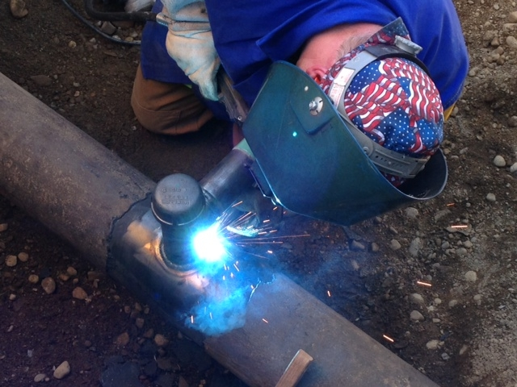
162 | East | East | East | OL | OL | 8:00AM to 4:30PM
D. Holden
161 | Rover | Rover | Rover | Rover | Rover | 8:00AM to 4:30PM
J. Stevens
130 | Rover/AC | Rover/AC | Rover/AC | Rover/AC | Rover/AC | 8:00AM to 4:30PM
S. Slinkard
 | 1 | 2 | 3 | 4 | 5 | Please merge this cell with I90
test
Information area/ Safety Information etc… Qute of the Day? Or company event - I am thinking a area for text only…

 | Picture or video frame |  |  |  | Picture or video frame

