Sheet1
size | WDs | No. | Y | X | HT | thrput | maxThrput | rate | Y/size | X/size
8 | 6 | 0 | 3.547 | 1.624 | 0.932 | 0.008313 | 0.009745 | 85.300 | 0.443 | 0.203 | size | WDs | SUM thrput | SUM maxThrput | rate
8 | 6 | 1 | 2.443 | 4.182 | 0.919 | 0.012999 | 0.016113 | 80.674 | 0.305 | 0.523 | 8 | 6 | 1.0371 | 1.1027 | 94.0520
8 | 6 | 2 | 3.483 | 3.032 | 0.926 | 0.010936 | 0.009164 | 119.336 | 0.435 | 0.379 | 8 | 10 | 0.6977 | 0.6942 | 100.5048
8 | 6 | 3 | 3.197 | 3.205 | 0.939 | 0.006251 | 0.007371 | 84.799 | 0.400 | 0.401 | 12 | 6 | 0.2606 | 0.3000 | 86.8802
8 | 6 | 4 | 3.479 | 2.657 | 0.931 | 0.008522 | 0.008493 | 100.351 | 0.435 | 0.332 | 12 | 10 | 0.1672 | 0.1816 | 92.0904
8 | 6 | 5 | 3.579 | 2.712 | 0.917 | 0.014587 | 0.013055 | 111.729 | 0.447 | 0.339 | 16 | 6 | 0.0802 | 0.1010 | 79.3704
8 | 6 | 6 | 3.813 | 4.155 | 0.950 | 0.003575 | 0.003765 | 94.952 | 0.477 | 0.519 | 16 | 10 | 0.0538 | 0.0594 | 90.4721
8 | 6 | 7 | 3.590 | 2.754 | 0.918 | 0.013574 | 0.013055 | 103.974 | 0.449 | 0.344
8 | 6 | 8 | 3.427 | 2.839 | 0.952 | 0.005566 | 0.006340 | 87.790 | 0.428 | 0.355 | size=8, WDs=6
8 | 6 | 9 | 3.417 | 2.309 | 0.939 | 0.007334 | 0.006486 | 113.066 | 0.427 | 0.289 | 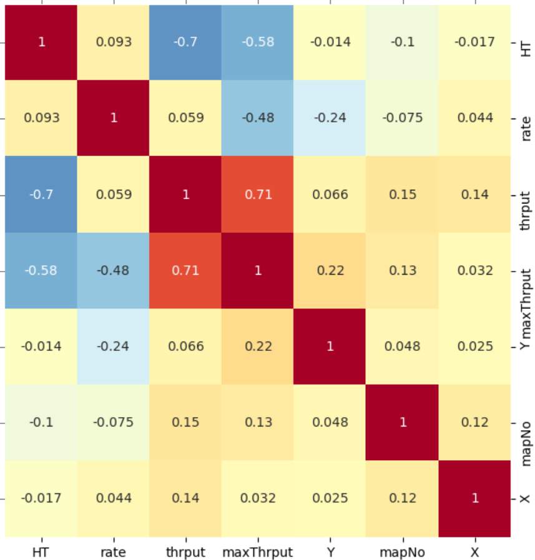
8 | 6 | 10 | 4.377 | 3.178 | 0.927 | 0.010044 | 0.010298 | 97.535 | 0.547 | 0.397
8 | 6 | 11 | 3.520 | 3.704 | 0.934 | 0.012574 | 0.010298 | 122.097 | 0.440 | 0.463
8 | 6 | 12 | 3.714 | 2.533 | 0.953 | 0.002864 | 0.003765 | 76.056 | 0.464 | 0.317
8 | 6 | 13 | 4.167 | 3.872 | 0.946 | 0.004761 | 0.004273 | 111.426 | 0.521 | 0.484
8 | 6 | 14 | 2.476 | 2.795 | 0.928 | 0.011757 | 0.010298 | 114.165 | 0.310 | 0.349
8 | 6 | 15 | 3.575 | 2.679 | 0.943 | 0.005117 | 0.006460 | 79.211 | 0.447 | 0.335
8 | 6 | 16 | 3.385 | 3.129 | 0.944 | 0.005012 | 0.004273 | 117.301 | 0.423 | 0.391
8 | 6 | 17 | 3.355 | 4.809 | 0.929 | 0.009627 | 0.010298 | 93.479 | 0.419 | 0.601
8 | 6 | 18 | 3.528 | 2.802 | 0.937 | 0.006681 | 0.007371 | 90.636 | 0.441 | 0.350
8 | 6 | 19 | 3.611 | 3.894 | 0.949 | 0.003772 | 0.003765 | 100.168 | 0.451 | 0.487
8 | 6 | 20 | 3.639 | 4.599 | 0.945 | 0.010534 | 0.008493 | 124.035 | 0.455 | 0.575
8 | 6 | 21 | 4.563 | 3.363 | 0.911 | 0.017427 | 0.018852 | 92.446 | 0.570 | 0.420
8 | 6 | 22 | 3.575 | 4.709 | 0.933 | 0.008246 | 0.008493 | 97.101 | 0.447 | 0.589
8 | 6 | 23 | 3.485 | 3.482 | 0.934 | 0.007637 | 0.007702 | 99.155 | 0.436 | 0.435
8 | 6 | 24 | 3.620 | 4.382 | 0.930 | 0.008818 | 0.010298 | 85.631 | 0.453 | 0.548
8 | 6 | 25 | 3.481 | 2.814 | 0.949 | 0.005710 | 0.006024 | 94.779 | 0.435 | 0.352
8 | 6 | 26 | 3.453 | 3.466 | 0.933 | 0.007896 | 0.007702 | 102.517 | 0.432 | 0.433 | size=8, WDs=10
8 | 6 | 27 | 3.563 | 2.718 | 0.934 | 0.012771 | 0.013055 | 97.823 | 0.445 | 0.340 | 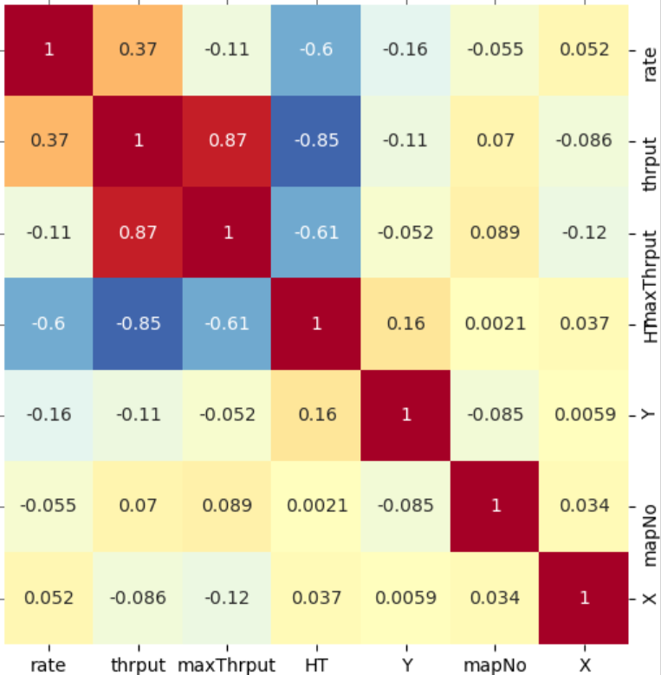
8 | 6 | 28 | 3.689 | 3.629 | 0.929 | 0.009345 | 0.010298 | 90.742 | 0.461 | 0.454
8 | 6 | 29 | 4.356 | 2.718 | 0.894 | 0.023880 | 0.023484 | 101.686 | 0.545 | 0.340
8 | 6 | 30 | 3.706 | 3.434 | 0.929 | 0.009898 | 0.008797 | 112.523 | 0.463 | 0.429
8 | 6 | 31 | 3.204 | 3.782 | 0.925 | 0.010871 | 0.010298 | 105.562 | 0.401 | 0.473
8 | 6 | 32 | 3.034 | 3.611 | 0.940 | 0.006064 | 0.006340 | 95.656 | 0.379 | 0.451
8 | 6 | 33 | 3.546 | 3.668 | 0.932 | 0.008441 | 0.007952 | 106.148 | 0.443 | 0.459
8 | 6 | 34 | 3.541 | 3.441 | 0.939 | 0.009865 | 0.007371 | 133.835 | 0.443 | 0.430
8 | 6 | 35 | 3.695 | 3.681 | 0.950 | 0.007600 | 0.007371 | 103.101 | 0.462 | 0.460
8 | 6 | 36 | 4.088 | 4.535 | 0.948 | 0.015595 | 0.014250 | 109.440 | 0.511 | 0.567
8 | 6 | 37 | 3.452 | 3.289 | 0.944 | 0.004847 | 0.006340 | 76.459 | 0.432 | 0.411
8 | 6 | 38 | 3.854 | 4.516 | 0.927 | 0.009846 | 0.013055 | 75.417 | 0.482 | 0.565
8 | 6 | 39 | 3.401 | 3.209 | 0.937 | 0.007712 | 0.006460 | 119.389 | 0.425 | 0.401
8 | 6 | 40 | 3.590 | 4.445 | 0.928 | 0.013067 | 0.010298 | 126.891 | 0.449 | 0.556
8 | 6 | 41 | 3.830 | 3.608 | 0.939 | 0.006491 | 0.005466 | 118.758 | 0.479 | 0.451
8 | 6 | 42 | 2.416 | 3.183 | 0.952 | 0.013415 | 0.014250 | 94.143 | 0.302 | 0.398
8 | 6 | 43 | 3.563 | 3.238 | 0.948 | 0.003922 | 0.003765 | 104.154 | 0.445 | 0.405
8 | 6 | 44 | 4.466 | 2.509 | 0.914 | 0.015044 | 0.060549 | 24.847 | 0.558 | 0.314 | size=12, WDs=6
8 | 6 | 45 | 3.922 | 4.465 | 0.918 | 0.016275 | 0.014443 | 112.687 | 0.490 | 0.558 | 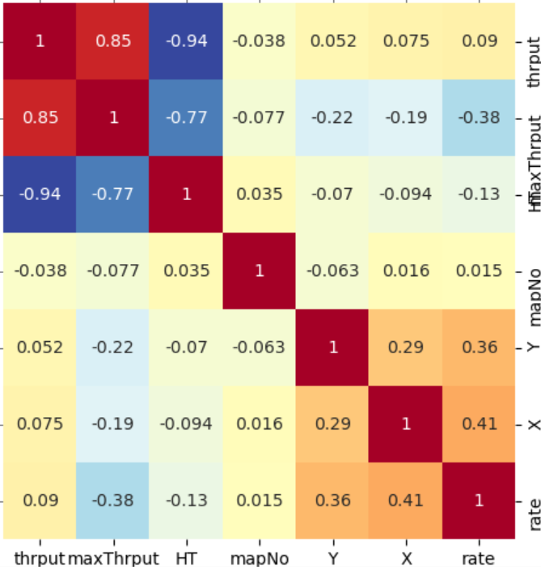
8 | 6 | 46 | 3.710 | 2.574 | 0.944 | 0.010129 | 0.008493 | 119.267 | 0.464 | 0.322
8 | 6 | 47 | 5.119 | 4.249 | 0.936 | 0.016018 | 0.023484 | 68.209 | 0.640 | 0.531
8 | 6 | 48 | 2.645 | 3.348 | 0.934 | 0.007776 | 0.007702 | 100.958 | 0.331 | 0.419
8 | 6 | 49 | 3.526 | 3.119 | 0.932 | 0.008718 | 0.007952 | 109.640 | 0.441 | 0.390
8 | 6 | 50 | 3.441 | 4.045 | 0.939 | 0.006139 | 0.006340 | 96.833 | 0.430 | 0.506
8 | 6 | 51 | 3.597 | 3.448 | 0.937 | 0.010503 | 0.008797 | 119.393 | 0.450 | 0.431
8 | 6 | 52 | 2.375 | 2.862 | 0.923 | 0.012568 | 0.010298 | 122.043 | 0.297 | 0.358
8 | 6 | 53 | 3.009 | 4.494 | 0.905 | 0.018770 | 0.021931 | 85.586 | 0.376 | 0.562
8 | 6 | 54 | 3.470 | 3.282 | 0.943 | 0.010957 | 0.010298 | 106.395 | 0.434 | 0.410
8 | 6 | 55 | 2.614 | 3.860 | 0.951 | 0.004968 | 0.004273 | 116.271 | 0.327 | 0.483
8 | 6 | 56 | 1.567 | 3.387 | 0.925 | 0.013032 | 0.009963 | 130.809 | 0.196 | 0.423
8 | 6 | 57 | 3.559 | 4.104 | 0.927 | 0.012808 | 0.009936 | 128.908 | 0.445 | 0.513
8 | 6 | 58 | 3.556 | 4.541 | 0.919 | 0.012725 | 0.013055 | 97.466 | 0.445 | 0.568
8 | 6 | 59 | 3.203 | 2.423 | 0.908 | 0.019425 | 0.019079 | 101.812 | 0.400 | 0.303
8 | 6 | 60 | 3.357 | 3.447 | 0.944 | 0.004952 | 0.006340 | 78.107 | 0.420 | 0.431
8 | 6 | 61 | 3.757 | 2.582 | 0.928 | 0.011616 | 0.009936 | 116.914 | 0.470 | 0.323
8 | 6 | 62 | 3.826 | 4.400 | 0.931 | 0.008882 | 0.007952 | 111.697 | 0.478 | 0.550 | size=12, WDs=10
8 | 6 | 63 | 2.585 | 4.400 | 0.945 | 0.019524 | 0.021931 | 89.025 | 0.323 | 0.550 | 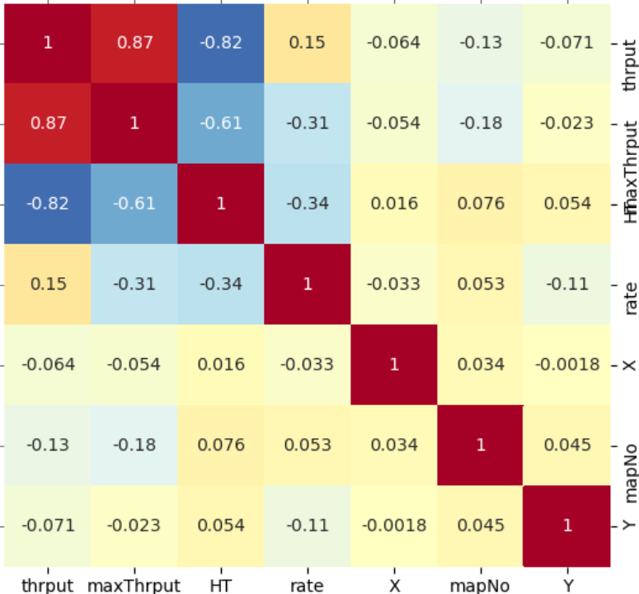
8 | 6 | 64 | 3.502 | 5.125 | 0.919 | 0.012817 | 0.013055 | 98.173 | 0.438 | 0.641
8 | 6 | 65 | 3.654 | 2.313 | 0.921 | 0.014071 | 0.014443 | 97.426 | 0.457 | 0.289
8 | 6 | 66 | 3.484 | 4.180 | 0.951 | 0.005593 | 0.006024 | 92.837 | 0.436 | 0.523
8 | 6 | 67 | 3.552 | 2.651 | 0.953 | 0.002856 | 0.003765 | 75.849 | 0.444 | 0.331
8 | 6 | 68 | 3.193 | 3.311 | 0.942 | 0.008995 | 0.008493 | 105.910 | 0.399 | 0.414
8 | 6 | 69 | 3.529 | 3.306 | 0.915 | 0.014693 | 0.013862 | 106.001 | 0.441 | 0.413
8 | 6 | 70 | 3.384 | 3.393 | 0.937 | 0.013382 | 0.010298 | 129.942 | 0.423 | 0.424
8 | 6 | 71 | 2.795 | 4.485 | 0.920 | 0.012544 | 0.018852 | 66.540 | 0.349 | 0.561
8 | 6 | 72 | 4.256 | 3.224 | 0.942 | 0.005512 | 0.005466 | 100.842 | 0.532 | 0.403
8 | 6 | 73 | 3.596 | 3.368 | 0.934 | 0.010181 | 0.008797 | 115.739 | 0.450 | 0.421
8 | 6 | 74 | 3.556 | 2.573 | 0.934 | 0.008022 | 0.006434 | 124.684 | 0.445 | 0.322
8 | 6 | 75 | 3.255 | 4.425 | 0.931 | 0.008631 | 0.008153 | 105.856 | 0.407 | 0.553
8 | 6 | 76 | 4.258 | 4.782 | 0.953 | 0.018671 | 0.016113 | 115.877 | 0.532 | 0.598
8 | 6 | 77 | 1.870 | 3.390 | 0.907 | 0.017635 | 0.015134 | 116.526 | 0.234 | 0.424
8 | 6 | 78 | 4.931 | 3.505 | 0.916 | 0.014181 | 0.019550 | 72.537 | 0.616 | 0.438
8 | 6 | 79 | 3.489 | 3.500 | 0.934 | 0.007657 | 0.007702 | 99.416 | 0.436 | 0.438
8 | 6 | 80 | 3.512 | 4.029 | 0.935 | 0.008828 | 0.007702 | 114.620 | 0.439 | 0.504 | size=16, WDs=6
8 | 6 | 81 | 4.162 | 3.053 | 0.930 | 0.014486 | 0.013055 | 110.957 | 0.520 | 0.382 | 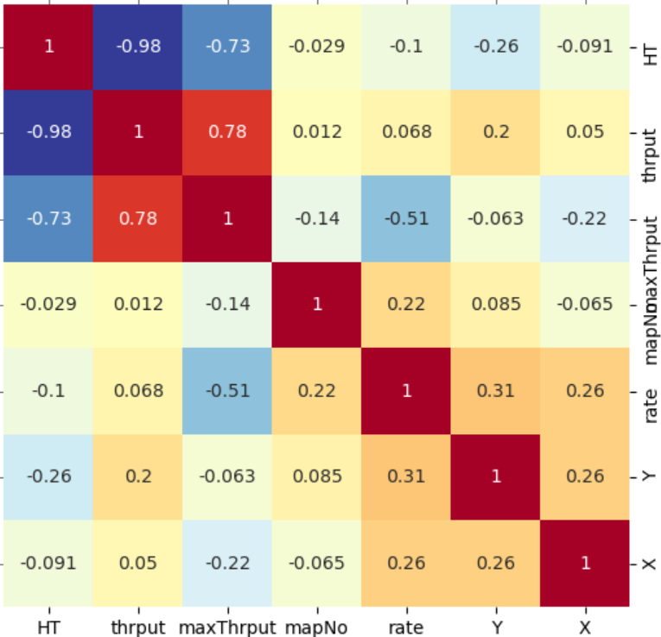
8 | 6 | 82 | 4.794 | 3.548 | 0.931 | 0.008479 | 0.010298 | 82.338 | 0.599 | 0.444
8 | 6 | 83 | 2.390 | 3.695 | 0.929 | 0.010040 | 0.008797 | 114.133 | 0.299 | 0.462
8 | 6 | 84 | 3.674 | 3.771 | 0.950 | 0.006279 | 0.006340 | 99.047 | 0.459 | 0.471
8 | 6 | 85 | 4.389 | 2.830 | 0.944 | 0.015779 | 0.013862 | 113.830 | 0.549 | 0.354
8 | 6 | 86 | 3.521 | 3.436 | 0.934 | 0.007823 | 0.007371 | 106.125 | 0.440 | 0.430
8 | 6 | 87 | 4.616 | 3.554 | 0.932 | 0.008344 | 0.013055 | 63.914 | 0.577 | 0.444
8 | 6 | 88 | 2.966 | 2.462 | 0.942 | 0.005306 | 0.007371 | 71.988 | 0.371 | 0.308
8 | 6 | 89 | 3.591 | 3.401 | 0.944 | 0.004936 | 0.007371 | 66.962 | 0.449 | 0.425
8 | 6 | 90 | 3.792 | 5.176 | 0.909 | 0.019235 | 0.025437 | 75.618 | 0.474 | 0.647
8 | 6 | 91 | 3.564 | 3.493 | 0.934 | 0.007842 | 0.007702 | 101.819 | 0.446 | 0.437
8 | 6 | 92 | 2.962 | 2.507 | 0.934 | 0.008823 | 0.008797 | 100.301 | 0.370 | 0.313
8 | 6 | 93 | 2.985 | 3.969 | 0.933 | 0.007883 | 0.007952 | 99.131 | 0.373 | 0.496
8 | 6 | 94 | 2.926 | 3.444 | 0.930 | 0.009052 | 0.009745 | 92.894 | 0.366 | 0.431
8 | 6 | 95 | 3.519 | 4.867 | 0.923 | 0.014865 | 0.014443 | 102.924 | 0.440 | 0.608
8 | 6 | 96 | 3.790 | 3.641 | 0.941 | 0.005663 | 0.006340 | 89.321 | 0.474 | 0.455
8 | 6 | 97 | 4.543 | 3.314 | 0.915 | 0.014404 | 0.021931 | 65.678 | 0.568 | 0.414
8 | 6 | 98 | 4.716 | 3.357 | 0.934 | 0.008790 | 0.007052 | 124.650 | 0.590 | 0.420 | size=16, WDs=10
8 | 6 | 99 | 3.459 | 1.748 | 0.916 | 0.015244 | 0.019550 | 77.977 | 0.432 | 0.219 | 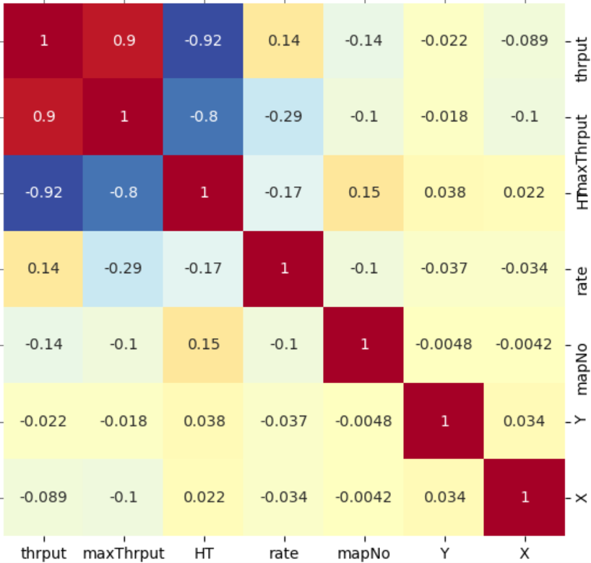
8 | 10 | 0 | 3.513 | 3.343 | 0.910 | 0.007655 | 0.007166 | 106.818 | 0.439 | 0.418
8 | 10 | 1 | 3.566 | 3.121 | 0.920 | 0.004926 | 0.004242 | 116.116 | 0.446 | 0.390
8 | 10 | 2 | 3.400 | 2.631 | 0.919 | 0.006357 | 0.005868 | 108.344 | 0.425 | 0.329
8 | 10 | 3 | 3.132 | 3.447 | 0.905 | 0.009632 | 0.008252 | 116.728 | 0.392 | 0.431
8 | 10 | 4 | 4.435 | 3.279 | 0.930 | 0.006228 | 0.007166 | 86.909 | 0.554 | 0.410
8 | 10 | 5 | 3.718 | 3.655 | 0.933 | 0.005402 | 0.006192 | 87.245 | 0.465 | 0.457
8 | 10 | 6 | 4.414 | 2.593 | 0.895 | 0.012643 | 0.010230 | 123.592 | 0.552 | 0.324
8 | 10 | 7 | 3.330 | 3.512 | 0.931 | 0.004732 | 0.004242 | 111.540 | 0.416 | 0.439
8 | 10 | 8 | 4.182 | 4.121 | 0.919 | 0.005311 | 0.005290 | 100.413 | 0.523 | 0.515
8 | 10 | 9 | 3.559 | 2.657 | 0.908 | 0.009214 | 0.006740 | 136.713 | 0.445 | 0.332
8 | 10 | 10 | 3.638 | 3.336 | 0.938 | 0.004332 | 0.006269 | 69.098 | 0.455 | 0.417
8 | 10 | 11 | 2.746 | 3.434 | 0.934 | 0.005227 | 0.006269 | 83.373 | 0.343 | 0.429
8 | 10 | 12 | 3.203 | 3.332 | 0.932 | 0.004625 | 0.004242 | 109.028 | 0.400 | 0.417
8 | 10 | 13 | 4.298 | 3.536 | 0.945 | 0.002896 | 0.003637 | 79.610 | 0.537 | 0.442
8 | 10 | 14 | 2.514 | 3.507 | 0.922 | 0.006014 | 0.005290 | 113.700 | 0.314 | 0.438
8 | 10 | 15 | 3.463 | 4.603 | 0.924 | 0.007692 | 0.010230 | 75.193 | 0.433 | 0.575
8 | 10 | 16 | 4.043 | 3.402 | 0.919 | 0.005082 | 0.004219 | 120.469 | 0.505 | 0.425 | 1. create a new model to cover 12x12 and 16x16?
8 | 10 | 17 | 3.644 | 3.539 | 0.913 | 0.006752 | 0.006309 | 107.015 | 0.456 | 0.442 | 2. which data for more detailed report?
8 | 10 | 18 | 3.348 | 2.669 | 0.921 | 0.005042 | 0.004242 | 118.842 | 0.419 | 0.334 | 3. create more test data to increase accuracy of test result?
8 | 10 | 19 | 2.729 | 3.531 | 0.915 | 0.006132 | 0.005868 | 104.508 | 0.341 | 0.441
8 | 10 | 20 | 3.364 | 2.930 | 0.908 | 0.007980 | 0.008252 | 96.701 | 0.421 | 0.366
8 | 10 | 21 | 3.477 | 3.935 | 0.932 | 0.005645 | 0.006269 | 90.041 | 0.435 | 0.492
8 | 10 | 22 | 4.088 | 3.438 | 0.903 | 0.009864 | 0.008252 | 119.540 | 0.511 | 0.430
8 | 10 | 23 | 3.705 | 3.386 | 0.937 | 0.004621 | 0.005868 | 78.748 | 0.463 | 0.423
8 | 10 | 24 | 3.474 | 3.089 | 0.917 | 0.008037 | 0.008252 | 97.391 | 0.434 | 0.386
8 | 10 | 25 | 3.550 | 3.402 | 0.915 | 0.008011 | 0.008252 | 97.080 | 0.444 | 0.425
8 | 10 | 26 | 3.261 | 3.413 | 0.908 | 0.008346 | 0.007625 | 109.464 | 0.408 | 0.427
8 | 10 | 27 | 4.146 | 3.325 | 0.943 | 0.003353 | 0.003637 | 92.173 | 0.518 | 0.416
8 | 10 | 28 | 3.622 | 3.376 | 0.911 | 0.008473 | 0.010230 | 82.831 | 0.453 | 0.422
8 | 10 | 29 | 4.357 | 2.967 | 0.906 | 0.008913 | 0.008915 | 99.981 | 0.545 | 0.371
8 | 10 | 30 | 3.543 | 3.726 | 0.922 | 0.005907 | 0.005290 | 111.673 | 0.443 | 0.466
8 | 10 | 31 | 1.804 | 3.592 | 0.919 | 0.007482 | 0.006740 | 111.016 | 0.226 | 0.449
8 | 10 | 32 | 3.237 | 4.321 | 0.901 | 0.010380 | 0.008252 | 125.795 | 0.405 | 0.540
8 | 10 | 33 | 3.625 | 3.743 | 0.927 | 0.003939 | 0.003637 | 108.294 | 0.453 | 0.468
8 | 10 | 34 | 2.989 | 3.520 | 0.918 | 0.007556 | 0.007166 | 105.440 | 0.374 | 0.440
8 | 10 | 35 | 3.234 | 3.020 | 0.929 | 0.006773 | 0.007833 | 86.476 | 0.404 | 0.378
8 | 10 | 36 | 3.094 | 3.668 | 0.910 | 0.007359 | 0.006309 | 116.639 | 0.387 | 0.459
8 | 10 | 37 | 3.581 | 3.565 | 0.898 | 0.011025 | 0.010230 | 107.773 | 0.448 | 0.446
8 | 10 | 38 | 3.580 | 4.398 | 0.915 | 0.007957 | 0.007625 | 104.353 | 0.448 | 0.550
8 | 10 | 39 | 3.741 | 2.522 | 0.914 | 0.008658 | 0.012689 | 68.231 | 0.468 | 0.315
8 | 10 | 40 | 4.475 | 3.473 | 0.922 | 0.006048 | 0.006192 | 97.675 | 0.559 | 0.434
8 | 10 | 41 | 3.736 | 3.812 | 0.930 | 0.005980 | 0.007166 | 83.440 | 0.467 | 0.477
8 | 10 | 42 | 3.579 | 3.193 | 0.919 | 0.005170 | 0.005868 | 88.107 | 0.447 | 0.399
8 | 10 | 43 | 3.606 | 3.283 | 0.933 | 0.005255 | 0.006192 | 84.877 | 0.451 | 0.410
8 | 10 | 44 | 2.979 | 3.484 | 0.919 | 0.004895 | 0.004242 | 115.372 | 0.372 | 0.436
8 | 10 | 45 | 3.505 | 3.961 | 0.917 | 0.008080 | 0.008915 | 90.637 | 0.438 | 0.495
8 | 10 | 46 | 3.387 | 3.471 | 0.928 | 0.003938 | 0.003637 | 108.260 | 0.423 | 0.434
8 | 10 | 47 | 3.447 | 3.425 | 0.937 | 0.004734 | 0.007166 | 66.065 | 0.431 | 0.428
8 | 10 | 48 | 3.864 | 2.809 | 0.921 | 0.006528 | 0.007166 | 91.087 | 0.483 | 0.351
8 | 10 | 49 | 2.379 | 3.591 | 0.900 | 0.010532 | 0.008636 | 121.959 | 0.297 | 0.449
8 | 10 | 50 | 3.840 | 3.294 | 0.926 | 0.007180 | 0.007625 | 94.172 | 0.480 | 0.412
8 | 10 | 51 | 3.505 | 3.371 | 0.912 | 0.007669 | 0.006740 | 113.780 | 0.438 | 0.421
8 | 10 | 52 | 3.191 | 3.549 | 0.919 | 0.007106 | 0.006740 | 105.431 | 0.399 | 0.444
8 | 10 | 53 | 3.792 | 2.831 | 0.919 | 0.006250 | 0.006192 | 100.946 | 0.474 | 0.354
8 | 10 | 54 | 3.338 | 4.456 | 0.918 | 0.006086 | 0.005290 | 115.049 | 0.417 | 0.557
8 | 10 | 55 | 3.365 | 3.598 | 0.935 | 0.005003 | 0.006192 | 80.801 | 0.421 | 0.450
8 | 10 | 56 | 3.854 | 3.462 | 0.917 | 0.009154 | 0.010230 | 89.485 | 0.482 | 0.433
8 | 10 | 57 | 3.891 | 3.377 | 0.908 | 0.008226 | 0.008252 | 99.692 | 0.486 | 0.422
8 | 10 | 58 | 3.651 | 3.422 | 0.922 | 0.004285 | 0.003637 | 117.795 | 0.456 | 0.428
8 | 10 | 59 | 3.106 | 3.314 | 0.915 | 0.008815 | 0.007625 | 115.605 | 0.388 | 0.414
8 | 10 | 60 | 3.500 | 4.335 | 0.914 | 0.006510 | 0.006269 | 103.841 | 0.438 | 0.542
8 | 10 | 61 | 3.705 | 3.772 | 0.939 | 0.004214 | 0.004242 | 99.328 | 0.463 | 0.472
8 | 10 | 62 | 3.580 | 3.514 | 0.916 | 0.008528 | 0.007512 | 113.520 | 0.448 | 0.439
8 | 10 | 63 | 3.288 | 3.634 | 0.907 | 0.008947 | 0.007925 | 112.903 | 0.411 | 0.454
8 | 10 | 64 | 3.744 | 3.434 | 0.919 | 0.007247 | 0.007166 | 101.127 | 0.468 | 0.429
8 | 10 | 65 | 3.276 | 3.380 | 0.933 | 0.004069 | 0.004219 | 96.447 | 0.410 | 0.423
8 | 10 | 66 | 2.579 | 3.517 | 0.919 | 0.006303 | 0.006192 | 101.790 | 0.322 | 0.440
8 | 10 | 67 | 2.876 | 2.579 | 0.910 | 0.014466 | 0.014124 | 102.422 | 0.360 | 0.322
8 | 10 | 68 | 3.707 | 3.184 | 0.937 | 0.004633 | 0.006269 | 73.896 | 0.463 | 0.398
8 | 10 | 69 | 3.309 | 3.438 | 0.909 | 0.008542 | 0.007833 | 109.054 | 0.414 | 0.430
8 | 10 | 70 | 3.329 | 3.174 | 0.927 | 0.005739 | 0.006269 | 91.545 | 0.416 | 0.397
8 | 10 | 71 | 3.543 | 3.793 | 0.914 | 0.007985 | 0.006269 | 127.376 | 0.443 | 0.474
8 | 10 | 72 | 4.173 | 3.332 | 0.943 | 0.003291 | 0.003637 | 90.486 | 0.522 | 0.417
8 | 10 | 73 | 3.564 | 3.422 | 0.911 | 0.007878 | 0.007625 | 103.323 | 0.446 | 0.428
8 | 10 | 74 | 4.404 | 3.614 | 0.929 | 0.004851 | 0.004242 | 114.355 | 0.551 | 0.452
8 | 10 | 75 | 2.982 | 2.572 | 0.918 | 0.005845 | 0.005868 | 99.614 | 0.373 | 0.322
8 | 10 | 76 | 3.338 | 4.394 | 0.931 | 0.006381 | 0.007166 | 89.044 | 0.417 | 0.549
8 | 10 | 77 | 2.764 | 3.181 | 0.900 | 0.013157 | 0.013885 | 94.760 | 0.346 | 0.398
8 | 10 | 78 | 3.319 | 3.514 | 0.908 | 0.007840 | 0.006192 | 126.618 | 0.415 | 0.439
8 | 10 | 79 | 3.586 | 3.577 | 0.936 | 0.004818 | 0.006192 | 77.809 | 0.448 | 0.447
8 | 10 | 80 | 3.536 | 3.641 | 0.935 | 0.004631 | 0.004242 | 109.147 | 0.442 | 0.455
8 | 10 | 81 | 3.653 | 2.719 | 0.944 | 0.003076 | 0.004219 | 72.926 | 0.457 | 0.340
8 | 10 | 82 | 3.507 | 3.730 | 0.900 | 0.011116 | 0.009526 | 116.695 | 0.438 | 0.466
8 | 10 | 83 | 3.254 | 3.483 | 0.908 | 0.008097 | 0.006309 | 128.333 | 0.407 | 0.435
8 | 10 | 84 | 4.349 | 3.357 | 0.924 | 0.007053 | 0.007512 | 93.888 | 0.544 | 0.420
8 | 10 | 85 | 3.531 | 3.430 | 0.915 | 0.007811 | 0.007625 | 102.447 | 0.441 | 0.429
8 | 10 | 86 | 3.202 | 3.659 | 0.928 | 0.005620 | 0.006269 | 89.650 | 0.400 | 0.457
8 | 10 | 87 | 3.505 | 2.732 | 0.914 | 0.008264 | 0.009526 | 86.758 | 0.438 | 0.342
8 | 10 | 88 | 3.220 | 2.553 | 0.915 | 0.009116 | 0.007925 | 115.035 | 0.403 | 0.319
8 | 10 | 89 | 2.693 | 3.268 | 0.916 | 0.006536 | 0.007512 | 87.005 | 0.337 | 0.409
8 | 10 | 90 | 4.257 | 3.475 | 0.917 | 0.008329 | 0.007925 | 105.097 | 0.532 | 0.434
8 | 10 | 91 | 3.510 | 3.101 | 0.934 | 0.005518 | 0.006269 | 88.026 | 0.439 | 0.388
8 | 10 | 92 | 3.043 | 3.639 | 0.919 | 0.005915 | 0.005290 | 111.824 | 0.380 | 0.455
8 | 10 | 93 | 2.898 | 3.118 | 0.911 | 0.007266 | 0.006504 | 111.711 | 0.362 | 0.390
8 | 10 | 94 | 3.464 | 3.023 | 0.919 | 0.007551 | 0.007166 | 105.372 | 0.433 | 0.378
8 | 10 | 95 | 3.142 | 3.567 | 0.933 | 0.005586 | 0.006269 | 89.098 | 0.393 | 0.446
8 | 10 | 96 | 4.448 | 4.424 | 0.909 | 0.010951 | 0.010230 | 107.048 | 0.556 | 0.553
8 | 10 | 97 | 3.496 | 4.437 | 0.915 | 0.006032 | 0.006269 | 96.225 | 0.437 | 0.555
8 | 10 | 98 | 3.346 | 3.480 | 0.931 | 0.004779 | 0.005290 | 90.340 | 0.418 | 0.435
8 | 10 | 99 | 3.395 | 2.890 | 0.920 | 0.006853 | 0.007166 | 95.628 | 0.424 | 0.361
12 | 6 | 0 | 5.227 | 7.008 | 0.954 | 0.002771 | 0.003209 | 86.351 | 0.436 | 0.584
12 | 6 | 1 | 6.520 | 5.456 | 0.958 | 0.002119 | 0.002357 | 89.875 | 0.543 | 0.455
12 | 6 | 2 | 4.443 | 6.094 | 0.957 | 0.002680 | 0.003765 | 71.181 | 0.370 | 0.508
12 | 6 | 3 | 0.000 | 0.000 | 0.974 | 0.000301 | 0.007371 | 4.080 | 0.000 | 0.000
12 | 6 | 4 | 6.077 | 5.405 | 0.968 | 0.000866 | 0.000751 | 115.310 | 0.506 | 0.450
12 | 6 | 5 | 6.026 | 4.680 | 0.959 | 0.001888 | 0.001637 | 115.344 | 0.502 | 0.390
12 | 6 | 6 | 6.102 | 5.191 | 0.966 | 0.000928 | 0.001028 | 90.241 | 0.509 | 0.433
12 | 6 | 7 | 5.616 | 4.173 | 0.951 | 0.003238 | 0.003780 | 85.651 | 0.468 | 0.348
12 | 6 | 8 | 5.570 | 4.950 | 0.945 | 0.004687 | 0.005466 | 85.756 | 0.464 | 0.413
12 | 6 | 9 | 4.507 | 5.010 | 0.960 | 0.001829 | 0.001718 | 106.488 | 0.376 | 0.418
12 | 6 | 10 | 5.871 | 5.570 | 0.963 | 0.001278 | 0.001547 | 82.625 | 0.489 | 0.464
12 | 6 | 11 | 5.822 | 7.385 | 0.957 | 0.002673 | 0.002436 | 109.709 | 0.485 | 0.615
12 | 6 | 12 | 6.360 | 5.146 | 0.954 | 0.002747 | 0.003674 | 74.776 | 0.530 | 0.429
12 | 6 | 13 | 5.479 | 6.311 | 0.966 | 0.001019 | 0.001365 | 74.682 | 0.457 | 0.526
12 | 6 | 14 | 6.491 | 7.495 | 0.949 | 0.003747 | 0.004273 | 87.704 | 0.541 | 0.625
12 | 6 | 15 | 5.699 | 4.499 | 0.948 | 0.004028 | 0.003780 | 106.551 | 0.475 | 0.375
12 | 6 | 16 | 6.838 | 5.530 | 0.954 | 0.002772 | 0.003161 | 87.699 | 0.570 | 0.461
12 | 6 | 17 | 5.700 | 4.194 | 0.954 | 0.002772 | 0.003674 | 75.450 | 0.475 | 0.350
12 | 6 | 18 | 4.488 | 5.757 | 0.953 | 0.002932 | 0.002639 | 111.124 | 0.374 | 0.480
12 | 6 | 19 | 5.995 | 5.857 | 0.953 | 0.002835 | 0.002652 | 106.891 | 0.500 | 0.488
12 | 6 | 20 | 6.425 | 4.776 | 0.944 | 0.005651 | 0.005466 | 103.392 | 0.535 | 0.398
12 | 6 | 21 | 5.321 | 6.395 | 0.957 | 0.002314 | 0.002000 | 115.696 | 0.443 | 0.533
12 | 6 | 22 | 7.433 | 5.399 | 0.961 | 0.001571 | 0.002086 | 75.320 | 0.619 | 0.450
12 | 6 | 23 | 5.681 | 4.413 | 0.953 | 0.002950 | 0.004273 | 69.046 | 0.473 | 0.368
12 | 6 | 24 | 6.359 | 4.785 | 0.958 | 0.002024 | 0.002328 | 86.951 | 0.530 | 0.399
12 | 6 | 25 | 7.472 | 5.603 | 0.956 | 0.002369 | 0.002000 | 118.456 | 0.623 | 0.467
12 | 6 | 26 | 5.416 | 5.534 | 0.957 | 0.002510 | 0.002109 | 118.991 | 0.451 | 0.461
12 | 6 | 27 | 5.530 | 4.422 | 0.957 | 0.002133 | 0.002905 | 73.436 | 0.461 | 0.369
12 | 6 | 28 | 5.641 | 5.312 | 0.967 | 0.000860 | 0.001028 | 83.696 | 0.470 | 0.443
12 | 6 | 29 | 6.421 | 4.409 | 0.947 | 0.004103 | 0.004273 | 96.026 | 0.535 | 0.367
12 | 6 | 30 | 5.100 | 5.568 | 0.958 | 0.002350 | 0.002357 | 99.675 | 0.425 | 0.464
12 | 6 | 31 | 5.407 | 7.591 | 0.952 | 0.006103 | 0.005466 | 111.651 | 0.451 | 0.633
12 | 6 | 32 | 5.549 | 5.464 | 0.961 | 0.001583 | 0.002000 | 79.171 | 0.462 | 0.455
12 | 6 | 33 | 5.585 | 3.850 | 0.961 | 0.001677 | 0.001602 | 104.720 | 0.465 | 0.321
12 | 6 | 34 | 5.416 | 7.359 | 0.959 | 0.001883 | 0.001718 | 109.635 | 0.451 | 0.613
12 | 6 | 35 | 4.575 | 3.584 | 0.956 | 0.002388 | 0.003184 | 74.996 | 0.381 | 0.299
12 | 6 | 36 | 6.426 | 4.502 | 0.953 | 0.003038 | 0.003209 | 94.687 | 0.536 | 0.375
12 | 6 | 37 | 5.600 | 5.782 | 0.950 | 0.003552 | 0.003780 | 93.959 | 0.467 | 0.482
12 | 6 | 38 | 6.415 | 4.409 | 0.951 | 0.005710 | 0.007371 | 77.457 | 0.535 | 0.367
12 | 6 | 39 | 7.469 | 4.484 | 0.961 | 0.001558 | 0.001637 | 95.178 | 0.622 | 0.374
12 | 6 | 40 | 4.649 | 5.542 | 0.953 | 0.002841 | 0.002652 | 107.129 | 0.387 | 0.462
12 | 6 | 41 | 5.344 | 5.520 | 0.961 | 0.001663 | 0.001637 | 101.583 | 0.445 | 0.460
12 | 6 | 42 | 4.644 | 5.466 | 0.937 | 0.006888 | 0.009745 | 70.684 | 0.387 | 0.456
12 | 6 | 43 | 5.451 | 5.367 | 0.952 | 0.003175 | 0.003519 | 90.250 | 0.454 | 0.447
12 | 6 | 44 | 6.200 | 4.777 | 0.958 | 0.001967 | 0.002183 | 90.116 | 0.517 | 0.398
12 | 6 | 45 | 5.497 | 7.624 | 0.953 | 0.002937 | 0.003780 | 77.691 | 0.458 | 0.635
12 | 6 | 46 | 4.809 | 5.248 | 0.965 | 0.001082 | 0.001110 | 97.498 | 0.401 | 0.437
12 | 6 | 47 | 4.439 | 5.387 | 0.961 | 0.001649 | 0.002183 | 75.550 | 0.370 | 0.449
12 | 6 | 48 | 6.657 | 5.581 | 0.951 | 0.003405 | 0.002905 | 117.218 | 0.555 | 0.465
12 | 6 | 49 | 5.625 | 6.434 | 0.966 | 0.001009 | 0.001028 | 98.184 | 0.469 | 0.536
12 | 6 | 50 | 4.546 | 5.711 | 0.956 | 0.002300 | 0.002436 | 94.407 | 0.379 | 0.476
12 | 6 | 51 | 5.552 | 6.134 | 0.966 | 0.000938 | 0.001028 | 91.214 | 0.463 | 0.511
12 | 6 | 52 | 7.494 | 5.312 | 0.956 | 0.002292 | 0.002905 | 78.904 | 0.624 | 0.443
12 | 6 | 53 | 6.488 | 4.446 | 0.956 | 0.002470 | 0.002328 | 106.098 | 0.541 | 0.371
12 | 6 | 54 | 5.546 | 5.479 | 0.956 | 0.002504 | 0.002905 | 86.208 | 0.462 | 0.457
12 | 6 | 55 | 4.625 | 3.519 | 0.954 | 0.002729 | 0.003765 | 72.483 | 0.385 | 0.293
12 | 6 | 56 | 6.639 | 4.541 | 0.952 | 0.004281 | 0.003519 | 121.656 | 0.553 | 0.378
12 | 6 | 57 | 5.607 | 5.711 | 0.950 | 0.003683 | 0.003765 | 97.818 | 0.467 | 0.476
12 | 6 | 58 | 4.528 | 4.545 | 0.944 | 0.005074 | 0.005466 | 92.821 | 0.377 | 0.379
12 | 6 | 59 | 5.381 | 5.213 | 0.967 | 0.000885 | 0.001547 | 57.191 | 0.448 | 0.434
12 | 6 | 60 | 5.353 | 5.391 | 0.960 | 0.001693 | 0.001718 | 98.523 | 0.446 | 0.449
12 | 6 | 61 | 4.611 | 5.471 | 0.960 | 0.001738 | 0.001637 | 106.136 | 0.384 | 0.456
12 | 6 | 62 | 5.841 | 5.718 | 0.962 | 0.001572 | 0.001547 | 101.614 | 0.487 | 0.477
12 | 6 | 63 | 5.504 | 5.522 | 0.946 | 0.004379 | 0.006199 | 70.639 | 0.459 | 0.460
12 | 6 | 64 | 6.029 | 6.524 | 0.935 | 0.007455 | 0.008797 | 84.750 | 0.502 | 0.544
12 | 6 | 65 | 5.737 | 6.368 | 0.961 | 0.001645 | 0.001637 | 100.485 | 0.478 | 0.531
12 | 6 | 66 | 4.014 | 4.467 | 0.958 | 0.002103 | 0.003209 | 65.523 | 0.335 | 0.372
12 | 6 | 67 | 5.928 | 5.593 | 0.954 | 0.002732 | 0.002905 | 94.039 | 0.494 | 0.466
12 | 6 | 68 | 6.143 | 6.316 | 0.963 | 0.001334 | 0.001155 | 115.456 | 0.512 | 0.526
12 | 6 | 69 | 3.959 | 4.762 | 0.949 | 0.003815 | 0.008153 | 46.794 | 0.330 | 0.397
12 | 6 | 70 | 5.899 | 5.603 | 0.966 | 0.000950 | 0.001028 | 92.431 | 0.492 | 0.467
12 | 6 | 71 | 5.032 | 6.345 | 0.948 | 0.004107 | 0.003962 | 103.654 | 0.419 | 0.529
12 | 6 | 72 | 5.603 | 5.535 | 0.964 | 0.001152 | 0.001547 | 74.469 | 0.467 | 0.461
12 | 6 | 73 | 5.470 | 4.708 | 0.961 | 0.001567 | 0.002000 | 78.356 | 0.456 | 0.392
12 | 6 | 74 | 6.102 | 5.921 | 0.960 | 0.001730 | 0.001637 | 105.648 | 0.509 | 0.493
12 | 6 | 75 | 6.379 | 5.444 | 0.962 | 0.001427 | 0.001547 | 92.248 | 0.532 | 0.454
12 | 6 | 76 | 5.125 | 6.390 | 0.959 | 0.001872 | 0.001637 | 114.369 | 0.427 | 0.533
12 | 6 | 77 | 7.500 | 5.050 | 0.952 | 0.004867 | 0.006340 | 76.764 | 0.625 | 0.421
12 | 6 | 78 | 6.588 | 6.343 | 0.953 | 0.002904 | 0.003184 | 91.209 | 0.549 | 0.529
12 | 6 | 79 | 7.475 | 5.432 | 0.959 | 0.001961 | 0.002000 | 98.065 | 0.623 | 0.453
12 | 6 | 80 | 5.462 | 4.535 | 0.943 | 0.006667 | 0.006460 | 103.205 | 0.455 | 0.378
12 | 6 | 81 | 5.515 | 3.551 | 0.954 | 0.002662 | 0.002652 | 100.379 | 0.460 | 0.296
12 | 6 | 82 | 6.387 | 4.560 | 0.961 | 0.001556 | 0.002071 | 75.151 | 0.532 | 0.380
12 | 6 | 83 | 6.472 | 5.134 | 0.964 | 0.001261 | 0.001637 | 77.011 | 0.539 | 0.428
12 | 6 | 84 | 6.260 | 5.491 | 0.966 | 0.000997 | 0.001110 | 89.829 | 0.522 | 0.458
12 | 6 | 85 | 7.476 | 5.569 | 0.952 | 0.003051 | 0.003765 | 81.036 | 0.623 | 0.464
12 | 6 | 86 | 5.550 | 5.142 | 0.953 | 0.003364 | 0.003209 | 104.817 | 0.462 | 0.429
12 | 6 | 87 | 4.999 | 5.450 | 0.954 | 0.002734 | 0.002633 | 103.854 | 0.417 | 0.454
12 | 6 | 88 | 3.833 | 4.784 | 0.960 | 0.001795 | 0.002000 | 89.742 | 0.319 | 0.399
12 | 6 | 89 | 3.564 | 5.269 | 0.958 | 0.002222 | 0.002304 | 96.439 | 0.297 | 0.439
12 | 6 | 90 | 5.376 | 5.301 | 0.954 | 0.002902 | 0.003209 | 90.438 | 0.448 | 0.442
12 | 6 | 91 | 6.504 | 5.698 | 0.960 | 0.001690 | 0.002183 | 77.411 | 0.542 | 0.475
12 | 6 | 92 | 4.601 | 4.837 | 0.968 | 0.000798 | 0.001066 | 74.848 | 0.383 | 0.403
12 | 6 | 93 | 1.892 | 5.572 | 0.946 | 0.004447 | 0.006199 | 71.741 | 0.158 | 0.464
12 | 6 | 94 | 5.568 | 3.648 | 0.954 | 0.002798 | 0.002652 | 105.493 | 0.464 | 0.304
12 | 6 | 95 | 4.428 | 4.866 | 0.953 | 0.002869 | 0.002652 | 108.202 | 0.369 | 0.405
12 | 6 | 96 | 5.776 | 5.218 | 0.966 | 0.000937 | 0.001110 | 84.376 | 0.481 | 0.435
12 | 6 | 97 | 5.630 | 6.005 | 0.959 | 0.001904 | 0.002000 | 95.227 | 0.469 | 0.500
12 | 6 | 98 | 5.058 | 5.570 | 0.967 | 0.000923 | 0.001110 | 83.120 | 0.422 | 0.464
12 | 6 | 99 | 4.615 | 5.680 | 0.960 | 0.001721 | 0.001718 | 100.208 | 0.385 | 0.473
12 | 10 | 0 | 4.624 | 5.507 | 0.946 | 0.002739 | 0.002633 | 104.028 | 0.385 | 0.459
12 | 10 | 1 | 5.459 | 6.430 | 0.946 | 0.001469 | 0.001147 | 128.063 | 0.455 | 0.536
12 | 10 | 2 | 4.939 | 5.644 | 0.947 | 0.002115 | 0.002115 | 99.994 | 0.412 | 0.470
12 | 10 | 3 | 5.373 | 5.400 | 0.948 | 0.002392 | 0.003399 | 70.377 | 0.448 | 0.450
12 | 10 | 4 | 5.353 | 5.474 | 0.941 | 0.002264 | 0.002053 | 110.291 | 0.446 | 0.456
12 | 10 | 5 | 6.334 | 5.572 | 0.948 | 0.002474 | 0.003161 | 78.243 | 0.528 | 0.464
12 | 10 | 6 | 6.522 | 5.645 | 0.956 | 0.001190 | 0.001103 | 107.959 | 0.544 | 0.470
12 | 10 | 7 | 5.219 | 4.992 | 0.949 | 0.001181 | 0.001103 | 107.111 | 0.435 | 0.416
12 | 10 | 8 | 4.545 | 4.510 | 0.948 | 0.002485 | 0.003934 | 63.161 | 0.379 | 0.376
12 | 10 | 9 | 5.715 | 4.787 | 0.955 | 0.000843 | 0.000746 | 112.958 | 0.476 | 0.399
12 | 10 | 10 | 6.487 | 5.975 | 0.960 | 0.000816 | 0.000966 | 84.457 | 0.541 | 0.498
12 | 10 | 11 | 5.390 | 4.092 | 0.956 | 0.001184 | 0.001504 | 78.754 | 0.449 | 0.341
12 | 10 | 12 | 5.585 | 6.629 | 0.956 | 0.001173 | 0.001355 | 86.589 | 0.465 | 0.552
12 | 10 | 13 | 6.996 | 5.537 | 0.946 | 0.002230 | 0.003578 | 62.316 | 0.583 | 0.461
12 | 10 | 14 | 5.382 | 6.781 | 0.956 | 0.001257 | 0.001626 | 77.318 | 0.448 | 0.565
12 | 10 | 15 | 5.456 | 5.612 | 0.957 | 0.001152 | 0.001355 | 85.032 | 0.455 | 0.468
12 | 10 | 16 | 6.124 | 5.689 | 0.947 | 0.002020 | 0.001969 | 102.610 | 0.510 | 0.474
12 | 10 | 17 | 5.437 | 6.640 | 0.950 | 0.002038 | 0.002809 | 72.539 | 0.453 | 0.553
12 | 10 | 18 | 6.652 | 4.612 | 0.938 | 0.002372 | 0.002253 | 105.267 | 0.554 | 0.384
12 | 10 | 19 | 4.505 | 5.538 | 0.946 | 0.001413 | 0.001504 | 94.005 | 0.375 | 0.462
12 | 10 | 20 | 5.398 | 7.372 | 0.951 | 0.001365 | 0.001355 | 100.688 | 0.450 | 0.614
12 | 10 | 21 | 4.567 | 5.574 | 0.934 | 0.002428 | 0.002053 | 118.299 | 0.381 | 0.464
12 | 10 | 22 | 5.465 | 4.494 | 0.957 | 0.001100 | 0.001570 | 70.032 | 0.455 | 0.375
12 | 10 | 23 | 4.049 | 5.615 | 0.956 | 0.001199 | 0.001103 | 108.707 | 0.337 | 0.468
12 | 10 | 24 | 5.809 | 5.479 | 0.960 | 0.000840 | 0.001103 | 76.184 | 0.484 | 0.457
12 | 10 | 25 | 5.757 | 5.520 | 0.951 | 0.001921 | 0.001907 | 100.711 | 0.480 | 0.460
12 | 10 | 26 | 5.533 | 4.262 | 0.957 | 0.001158 | 0.001504 | 76.983 | 0.461 | 0.355
12 | 10 | 27 | 4.626 | 5.604 | 0.946 | 0.001540 | 0.001504 | 102.442 | 0.386 | 0.467
12 | 10 | 28 | 6.244 | 5.384 | 0.950 | 0.001745 | 0.001706 | 102.293 | 0.520 | 0.449
12 | 10 | 29 | 5.629 | 6.461 | 0.942 | 0.001650 | 0.001555 | 106.089 | 0.469 | 0.538
12 | 10 | 30 | 5.617 | 6.385 | 0.946 | 0.002859 | 0.003637 | 78.598 | 0.468 | 0.532
12 | 10 | 31 | 5.439 | 6.866 | 0.950 | 0.002154 | 0.002341 | 92.024 | 0.453 | 0.572
12 | 10 | 32 | 5.546 | 6.311 | 0.954 | 0.001458 | 0.001504 | 96.934 | 0.462 | 0.526
12 | 10 | 33 | 5.140 | 4.889 | 0.943 | 0.001762 | 0.001626 | 108.390 | 0.428 | 0.407
12 | 10 | 34 | 5.513 | 5.283 | 0.948 | 0.002158 | 0.001969 | 109.580 | 0.459 | 0.440
12 | 10 | 35 | 5.320 | 4.836 | 0.957 | 0.001147 | 0.001103 | 103.992 | 0.443 | 0.403
12 | 10 | 36 | 4.547 | 6.399 | 0.945 | 0.001451 | 0.001570 | 92.384 | 0.379 | 0.533
12 | 10 | 37 | 5.503 | 3.450 | 0.948 | 0.002048 | 0.001691 | 121.116 | 0.459 | 0.288
12 | 10 | 38 | 5.603 | 6.539 | 0.957 | 0.001145 | 0.001504 | 76.182 | 0.467 | 0.545
12 | 10 | 39 | 5.518 | 6.460 | 0.923 | 0.004162 | 0.003686 | 112.908 | 0.460 | 0.538
12 | 10 | 40 | 6.352 | 5.992 | 0.942 | 0.001902 | 0.002094 | 90.792 | 0.529 | 0.499
12 | 10 | 41 | 5.950 | 5.650 | 0.951 | 0.001963 | 0.001969 | 99.694 | 0.496 | 0.471
12 | 10 | 42 | 5.456 | 4.150 | 0.956 | 0.001245 | 0.001570 | 79.280 | 0.455 | 0.346
12 | 10 | 43 | 5.569 | 4.855 | 0.931 | 0.002993 | 0.003161 | 94.667 | 0.464 | 0.405
12 | 10 | 44 | 5.248 | 5.303 | 0.954 | 0.001537 | 0.001626 | 94.522 | 0.437 | 0.442
12 | 10 | 45 | 5.432 | 4.645 | 0.942 | 0.003532 | 0.004219 | 83.731 | 0.453 | 0.387
12 | 10 | 46 | 5.286 | 4.543 | 0.958 | 0.001002 | 0.001103 | 90.911 | 0.440 | 0.379
12 | 10 | 47 | 5.168 | 5.451 | 0.959 | 0.000870 | 0.000966 | 90.034 | 0.431 | 0.454
12 | 10 | 48 | 6.540 | 6.418 | 0.957 | 0.001030 | 0.001040 | 99.023 | 0.545 | 0.535
12 | 10 | 49 | 5.484 | 6.980 | 0.959 | 0.000918 | 0.001013 | 90.680 | 0.457 | 0.582
12 | 10 | 50 | 4.909 | 5.653 | 0.954 | 0.001481 | 0.001626 | 91.107 | 0.409 | 0.471
12 | 10 | 51 | 5.550 | 4.749 | 0.952 | 0.001759 | 0.001986 | 88.578 | 0.462 | 0.396
12 | 10 | 52 | 6.493 | 6.160 | 0.954 | 0.001441 | 0.001504 | 95.823 | 0.541 | 0.513
12 | 10 | 53 | 5.736 | 5.451 | 0.956 | 0.001214 | 0.001021 | 118.964 | 0.478 | 0.454
12 | 10 | 54 | 5.669 | 4.540 | 0.957 | 0.001145 | 0.001355 | 84.513 | 0.472 | 0.378
12 | 10 | 55 | 6.576 | 5.532 | 0.954 | 0.001527 | 0.001969 | 77.572 | 0.548 | 0.461
12 | 10 | 56 | 5.308 | 4.260 | 0.954 | 0.001480 | 0.001570 | 94.239 | 0.442 | 0.355
12 | 10 | 57 | 5.712 | 6.411 | 0.957 | 0.001146 | 0.001355 | 84.536 | 0.476 | 0.534
12 | 10 | 58 | 6.399 | 5.659 | 0.943 | 0.001568 | 0.001626 | 96.447 | 0.533 | 0.472
12 | 10 | 59 | 5.441 | 6.513 | 0.950 | 0.001702 | 0.001626 | 104.667 | 0.453 | 0.543
12 | 10 | 60 | 5.385 | 5.770 | 0.946 | 0.002702 | 0.004219 | 64.042 | 0.449 | 0.481
12 | 10 | 61 | 6.373 | 5.871 | 0.962 | 0.000622 | 0.000715 | 86.977 | 0.531 | 0.489
12 | 10 | 62 | 5.657 | 5.770 | 0.945 | 0.001683 | 0.002115 | 79.557 | 0.471 | 0.481
12 | 10 | 63 | 3.584 | 5.400 | 0.939 | 0.002292 | 0.002341 | 97.922 | 0.299 | 0.450
12 | 10 | 64 | 5.407 | 5.069 | 0.959 | 0.000916 | 0.001013 | 90.483 | 0.451 | 0.422
12 | 10 | 65 | 5.334 | 5.162 | 0.954 | 0.001303 | 0.001504 | 86.670 | 0.444 | 0.430
12 | 10 | 66 | 5.684 | 4.942 | 0.953 | 0.001626 | 0.001570 | 103.534 | 0.474 | 0.412
12 | 10 | 67 | 5.647 | 5.631 | 0.948 | 0.002096 | 0.002115 | 99.094 | 0.471 | 0.469
12 | 10 | 68 | 6.210 | 5.700 | 0.944 | 0.001470 | 0.001570 | 93.597 | 0.518 | 0.475
12 | 10 | 69 | 6.078 | 4.647 | 0.954 | 0.001470 | 0.001504 | 97.760 | 0.507 | 0.387
12 | 10 | 70 | 5.370 | 5.993 | 0.953 | 0.001585 | 0.003138 | 50.529 | 0.448 | 0.499
12 | 10 | 71 | 5.342 | 5.501 | 0.944 | 0.002206 | 0.001986 | 111.070 | 0.445 | 0.458
12 | 10 | 72 | 6.676 | 4.644 | 0.936 | 0.002375 | 0.002809 | 84.549 | 0.556 | 0.387
12 | 10 | 73 | 5.388 | 6.295 | 0.954 | 0.001498 | 0.001626 | 92.120 | 0.449 | 0.525
12 | 10 | 74 | 4.787 | 5.587 | 0.942 | 0.003222 | 0.002809 | 114.709 | 0.399 | 0.466
12 | 10 | 75 | 4.961 | 5.696 | 0.955 | 0.000903 | 0.000966 | 93.467 | 0.413 | 0.475
12 | 10 | 76 | 6.374 | 6.377 | 0.953 | 0.001665 | 0.001626 | 102.406 | 0.531 | 0.531
12 | 10 | 77 | 6.291 | 5.585 | 0.952 | 0.001706 | 0.001695 | 100.623 | 0.524 | 0.465
12 | 10 | 78 | 5.644 | 5.983 | 0.958 | 0.000953 | 0.001103 | 86.442 | 0.470 | 0.499
12 | 10 | 79 | 6.354 | 4.435 | 0.955 | 0.001399 | 0.001626 | 86.070 | 0.530 | 0.370
12 | 10 | 80 | 5.605 | 6.315 | 0.954 | 0.001503 | 0.001573 | 95.500 | 0.467 | 0.526
12 | 10 | 81 | 5.935 | 5.744 | 0.958 | 0.001022 | 0.001103 | 92.665 | 0.495 | 0.479
12 | 10 | 82 | 6.579 | 6.441 | 0.960 | 0.000745 | 0.000966 | 77.142 | 0.548 | 0.537
12 | 10 | 83 | 5.006 | 6.426 | 0.943 | 0.001741 | 0.001706 | 102.070 | 0.417 | 0.536
12 | 10 | 84 | 6.262 | 5.645 | 0.944 | 0.001444 | 0.001504 | 96.038 | 0.522 | 0.470
12 | 10 | 85 | 5.714 | 5.136 | 0.955 | 0.001345 | 0.001504 | 89.428 | 0.476 | 0.428
12 | 10 | 86 | 6.319 | 5.672 | 0.936 | 0.002245 | 0.001969 | 114.002 | 0.527 | 0.473
12 | 10 | 87 | 6.142 | 5.382 | 0.943 | 0.001869 | 0.001626 | 114.999 | 0.512 | 0.448
12 | 10 | 88 | 4.568 | 6.426 | 0.953 | 0.001417 | 0.001504 | 94.211 | 0.381 | 0.536
12 | 10 | 89 | 4.791 | 4.567 | 0.961 | 0.000672 | 0.000715 | 93.973 | 0.399 | 0.381
12 | 10 | 90 | 4.739 | 5.310 | 0.955 | 0.001383 | 0.001355 | 102.062 | 0.395 | 0.442
12 | 10 | 91 | 6.283 | 4.657 | 0.952 | 0.001714 | 0.001706 | 100.446 | 0.524 | 0.388
12 | 10 | 92 | 5.592 | 5.424 | 0.953 | 0.001628 | 0.001695 | 96.037 | 0.466 | 0.452
12 | 10 | 93 | 5.630 | 5.785 | 0.956 | 0.001266 | 0.001504 | 84.169 | 0.469 | 0.482
12 | 10 | 94 | 5.470 | 6.461 | 0.945 | 0.001436 | 0.001504 | 95.492 | 0.456 | 0.538
12 | 10 | 95 | 5.493 | 6.296 | 0.957 | 0.001157 | 0.001504 | 76.953 | 0.458 | 0.525
12 | 10 | 96 | 5.392 | 4.792 | 0.953 | 0.001694 | 0.001626 | 104.222 | 0.449 | 0.399
12 | 10 | 97 | 5.038 | 6.292 | 0.956 | 0.001217 | 0.001103 | 110.382 | 0.420 | 0.524
12 | 10 | 98 | 4.601 | 6.438 | 0.954 | 0.001454 | 0.001695 | 85.775 | 0.383 | 0.537
12 | 10 | 99 | 5.394 | 4.909 | 0.932 | 0.002674 | 0.002341 | 114.224 | 0.450 | 0.409
16 | 6 | 0 | 7.118 | 6.717 | 0.970 | 0.000552 | 0.000730 | 75.623 | 0.445 | 0.420
16 | 6 | 1 | 8.428 | 7.589 | 0.971 | 0.000508 | 0.000517 | 98.201 | 0.527 | 0.474
16 | 6 | 2 | 8.800 | 7.934 | 0.966 | 0.001001 | 0.001110 | 90.164 | 0.550 | 0.496
16 | 6 | 3 | 7.613 | 9.620 | 0.973 | 0.000404 | 0.000527 | 76.680 | 0.476 | 0.601
16 | 6 | 4 | 7.593 | 8.288 | 0.973 | 0.000381 | 0.000390 | 97.478 | 0.475 | 0.518
16 | 6 | 5 | 8.428 | 5.734 | 0.964 | 0.001172 | 0.001365 | 85.865 | 0.527 | 0.358
16 | 6 | 6 | 6.364 | 9.366 | 0.971 | 0.000538 | 0.000683 | 78.762 | 0.398 | 0.585
16 | 6 | 7 | 0.000 | 0.000 | 0.980 | 0.000037 | 0.002357 | 1.590 | 0.000 | 0.000
16 | 6 | 8 | 6.182 | 8.602 | 0.964 | 0.001214 | 0.001300 | 93.338 | 0.386 | 0.538
16 | 6 | 9 | 8.598 | 9.336 | 0.972 | 0.000428 | 0.000542 | 78.992 | 0.537 | 0.584
16 | 6 | 10 | 6.516 | 5.512 | 0.966 | 0.000933 | 0.001718 | 54.332 | 0.407 | 0.345
16 | 6 | 11 | 8.457 | 9.500 | 0.963 | 0.001455 | 0.001547 | 94.058 | 0.529 | 0.594
16 | 6 | 12 | 4.564 | 7.733 | 0.968 | 0.000773 | 0.001110 | 69.662 | 0.285 | 0.483
16 | 6 | 13 | 7.414 | 10.838 | 0.968 | 0.000817 | 0.001300 | 62.805 | 0.463 | 0.677
16 | 6 | 14 | 6.431 | 8.634 | 0.972 | 0.000420 | 0.000542 | 77.585 | 0.402 | 0.540
16 | 6 | 15 | 7.447 | 9.697 | 0.963 | 0.001386 | 0.001948 | 71.179 | 0.465 | 0.606
16 | 6 | 16 | 7.361 | 8.505 | 0.969 | 0.000636 | 0.000663 | 95.883 | 0.460 | 0.532
16 | 6 | 17 | 7.544 | 5.514 | 0.961 | 0.001566 | 0.003780 | 41.431 | 0.472 | 0.345
16 | 6 | 18 | 7.438 | 7.348 | 0.973 | 0.000404 | 0.000527 | 76.579 | 0.465 | 0.459
16 | 6 | 19 | 8.568 | 7.549 | 0.967 | 0.000897 | 0.001028 | 87.291 | 0.536 | 0.472
16 | 6 | 20 | 7.016 | 6.744 | 0.972 | 0.000422 | 0.000607 | 69.656 | 0.439 | 0.422
16 | 6 | 21 | 8.600 | 9.489 | 0.961 | 0.001599 | 0.002183 | 73.256 | 0.538 | 0.593
16 | 6 | 22 | 9.320 | 5.527 | 0.962 | 0.001406 | 0.002183 | 64.387 | 0.583 | 0.345
16 | 6 | 23 | 4.623 | 7.638 | 0.969 | 0.000700 | 0.000751 | 93.198 | 0.289 | 0.477
16 | 6 | 24 | 9.513 | 8.531 | 0.963 | 0.001466 | 0.001870 | 78.395 | 0.595 | 0.533
16 | 6 | 25 | 7.436 | 6.362 | 0.974 | 0.000396 | 0.000390 | 101.443 | 0.465 | 0.398
16 | 6 | 26 | 7.313 | 8.465 | 0.969 | 0.000765 | 0.000683 | 111.970 | 0.457 | 0.529
16 | 6 | 27 | 6.492 | 7.477 | 0.972 | 0.000526 | 0.000531 | 99.102 | 0.406 | 0.467
16 | 6 | 28 | 8.194 | 8.050 | 0.974 | 0.000316 | 0.000357 | 88.579 | 0.512 | 0.503
16 | 6 | 29 | 6.393 | 6.467 | 0.965 | 0.001126 | 0.001110 | 101.424 | 0.400 | 0.404
16 | 6 | 30 | 8.435 | 5.420 | 0.962 | 0.001473 | 0.002000 | 73.671 | 0.527 | 0.339
16 | 6 | 31 | 9.563 | 7.427 | 0.972 | 0.000525 | 0.000513 | 102.258 | 0.598 | 0.464
16 | 6 | 32 | 8.381 | 9.606 | 0.971 | 0.000530 | 0.000607 | 87.389 | 0.524 | 0.600
16 | 6 | 33 | 6.383 | 6.852 | 0.969 | 0.000788 | 0.000751 | 104.914 | 0.399 | 0.428
16 | 6 | 34 | 7.529 | 7.693 | 0.961 | 0.001647 | 0.001637 | 100.610 | 0.471 | 0.481
16 | 6 | 35 | 8.499 | 7.109 | 0.970 | 0.000560 | 0.000527 | 106.234 | 0.531 | 0.444
16 | 6 | 36 | 7.729 | 6.308 | 0.974 | 0.000329 | 0.000513 | 64.126 | 0.483 | 0.394
16 | 6 | 37 | 6.526 | 7.486 | 0.973 | 0.000400 | 0.000440 | 90.906 | 0.408 | 0.468
16 | 6 | 38 | 7.516 | 5.182 | 0.967 | 0.000854 | 0.001110 | 76.898 | 0.470 | 0.324
16 | 6 | 39 | 8.338 | 9.451 | 0.969 | 0.000708 | 0.000751 | 94.285 | 0.521 | 0.591
16 | 6 | 40 | 7.457 | 7.283 | 0.975 | 0.000235 | 0.000295 | 79.645 | 0.466 | 0.455
16 | 6 | 41 | 8.360 | 8.544 | 0.966 | 0.000992 | 0.000990 | 100.146 | 0.523 | 0.534
16 | 6 | 42 | 6.636 | 10.831 | 0.968 | 0.000741 | 0.001620 | 45.761 | 0.415 | 0.677
16 | 6 | 43 | 7.680 | 4.915 | 0.966 | 0.000969 | 0.002086 | 46.438 | 0.480 | 0.307
16 | 6 | 44 | 9.135 | 5.941 | 0.966 | 0.000979 | 0.000990 | 98.849 | 0.571 | 0.371
16 | 6 | 45 | 6.351 | 7.655 | 0.973 | 0.000383 | 0.000390 | 98.024 | 0.397 | 0.478
16 | 6 | 46 | 9.028 | 7.320 | 0.969 | 0.000684 | 0.000751 | 91.056 | 0.564 | 0.458
16 | 6 | 47 | 7.731 | 10.383 | 0.968 | 0.000735 | 0.000683 | 107.536 | 0.483 | 0.649
16 | 6 | 48 | 6.553 | 7.401 | 0.972 | 0.000414 | 0.000390 | 105.986 | 0.410 | 0.463
16 | 6 | 49 | 6.511 | 9.080 | 0.964 | 0.001234 | 0.001620 | 76.176 | 0.407 | 0.568
16 | 6 | 50 | 4.559 | 7.540 | 0.969 | 0.000693 | 0.000659 | 105.129 | 0.285 | 0.471
16 | 6 | 51 | 7.431 | 4.815 | 0.969 | 0.000805 | 0.000990 | 81.308 | 0.464 | 0.301
16 | 6 | 52 | 9.612 | 5.655 | 0.966 | 0.000984 | 0.001637 | 60.125 | 0.601 | 0.353
16 | 6 | 53 | 5.365 | 7.585 | 0.957 | 0.002274 | 0.002357 | 96.461 | 0.335 | 0.474
16 | 6 | 54 | 8.609 | 7.534 | 0.969 | 0.000685 | 0.000730 | 93.791 | 0.538 | 0.471
16 | 6 | 55 | 7.662 | 7.378 | 0.968 | 0.000761 | 0.000663 | 114.792 | 0.479 | 0.461
16 | 6 | 56 | 7.982 | 10.550 | 0.969 | 0.000647 | 0.001094 | 59.108 | 0.499 | 0.659
16 | 6 | 57 | 8.435 | 6.560 | 0.970 | 0.000721 | 0.000663 | 108.687 | 0.527 | 0.410
16 | 6 | 58 | 6.505 | 7.355 | 0.975 | 0.000233 | 0.000295 | 79.157 | 0.407 | 0.460
16 | 6 | 59 | 6.978 | 7.458 | 0.969 | 0.000642 | 0.000663 | 96.851 | 0.436 | 0.466
16 | 6 | 60 | 7.165 | 8.347 | 0.976 | 0.000194 | 0.000283 | 68.536 | 0.448 | 0.522
16 | 6 | 61 | 6.553 | 8.418 | 0.968 | 0.000771 | 0.000978 | 78.865 | 0.410 | 0.526
16 | 6 | 62 | 7.493 | 5.098 | 0.964 | 0.001267 | 0.002183 | 58.019 | 0.468 | 0.319
16 | 6 | 63 | 8.444 | 8.622 | 0.973 | 0.000403 | 0.000666 | 60.502 | 0.528 | 0.539
16 | 6 | 64 | 5.718 | 6.484 | 0.968 | 0.000790 | 0.000990 | 79.816 | 0.357 | 0.405
16 | 6 | 65 | 7.752 | 7.648 | 0.974 | 0.000326 | 0.000385 | 84.763 | 0.485 | 0.478
16 | 6 | 66 | 8.484 | 7.204 | 0.970 | 0.000591 | 0.000542 | 109.004 | 0.530 | 0.450
16 | 6 | 67 | 7.493 | 5.421 | 0.962 | 0.001404 | 0.001620 | 86.657 | 0.468 | 0.339
16 | 6 | 68 | 7.924 | 8.180 | 0.971 | 0.000523 | 0.000531 | 98.608 | 0.495 | 0.511
16 | 6 | 69 | 7.571 | 7.377 | 0.970 | 0.000632 | 0.000646 | 97.763 | 0.473 | 0.461
16 | 6 | 70 | 8.244 | 7.488 | 0.964 | 0.001231 | 0.001620 | 75.979 | 0.515 | 0.468
16 | 6 | 71 | 7.392 | 8.148 | 0.975 | 0.000254 | 0.000295 | 86.036 | 0.462 | 0.509
16 | 6 | 72 | 6.522 | 4.831 | 0.969 | 0.000646 | 0.002000 | 32.283 | 0.408 | 0.302
16 | 6 | 73 | 6.687 | 8.500 | 0.964 | 0.001222 | 0.001365 | 89.572 | 0.418 | 0.531
16 | 6 | 74 | 7.554 | 8.035 | 0.974 | 0.000335 | 0.000385 | 87.018 | 0.472 | 0.502
16 | 6 | 75 | 5.554 | 6.591 | 0.969 | 0.000680 | 0.000751 | 90.454 | 0.347 | 0.412
16 | 6 | 76 | 7.117 | 6.382 | 0.967 | 0.000839 | 0.001028 | 81.608 | 0.445 | 0.399
16 | 6 | 77 | 9.864 | 6.636 | 0.963 | 0.001356 | 0.001365 | 99.356 | 0.617 | 0.415
16 | 6 | 78 | 8.338 | 7.529 | 0.968 | 0.000790 | 0.000683 | 115.612 | 0.521 | 0.471
16 | 6 | 79 | 6.684 | 6.595 | 0.971 | 0.000487 | 0.000542 | 89.930 | 0.418 | 0.412
16 | 6 | 80 | 9.357 | 6.655 | 0.966 | 0.000942 | 0.001094 | 86.097 | 0.585 | 0.416
16 | 6 | 81 | 7.635 | 6.554 | 0.973 | 0.000385 | 0.000385 | 100.131 | 0.477 | 0.410
16 | 6 | 82 | 8.478 | 6.776 | 0.968 | 0.000781 | 0.000751 | 103.964 | 0.530 | 0.424
16 | 6 | 83 | 8.284 | 6.539 | 0.974 | 0.000287 | 0.000357 | 80.513 | 0.518 | 0.409
16 | 6 | 84 | 8.347 | 10.386 | 0.957 | 0.002177 | 0.002109 | 103.180 | 0.522 | 0.649
16 | 6 | 85 | 7.764 | 6.648 | 0.974 | 0.000329 | 0.000390 | 84.222 | 0.485 | 0.416
16 | 6 | 86 | 8.798 | 7.648 | 0.970 | 0.000622 | 0.000683 | 91.070 | 0.550 | 0.478
16 | 6 | 87 | 7.308 | 4.796 | 0.970 | 0.000559 | 0.000542 | 103.114 | 0.457 | 0.300
16 | 6 | 88 | 5.447 | 7.458 | 0.971 | 0.000551 | 0.000751 | 73.372 | 0.340 | 0.466
16 | 6 | 89 | 5.398 | 6.661 | 0.971 | 0.000483 | 0.000512 | 94.345 | 0.337 | 0.416
16 | 6 | 90 | 7.412 | 7.272 | 0.973 | 0.000399 | 0.000517 | 77.134 | 0.463 | 0.455
16 | 6 | 91 | 8.475 | 10.395 | 0.967 | 0.000835 | 0.000976 | 85.493 | 0.530 | 0.650
16 | 6 | 92 | 7.345 | 4.970 | 0.961 | 0.001690 | 0.001870 | 90.354 | 0.459 | 0.311
16 | 6 | 93 | 7.597 | 6.185 | 0.967 | 0.000906 | 0.000990 | 91.441 | 0.475 | 0.387
16 | 6 | 94 | 7.381 | 8.319 | 0.964 | 0.001223 | 0.000990 | 123.545 | 0.461 | 0.520
16 | 6 | 95 | 7.578 | 10.077 | 0.970 | 0.000565 | 0.000751 | 75.261 | 0.474 | 0.630
16 | 6 | 96 | 7.987 | 7.530 | 0.969 | 0.000650 | 0.000663 | 98.112 | 0.499 | 0.471
16 | 6 | 97 | 6.272 | 8.708 | 0.966 | 0.000987 | 0.001547 | 63.817 | 0.392 | 0.544
16 | 6 | 98 | 8.180 | 5.666 | 0.967 | 0.000859 | 0.000830 | 103.491 | 0.511 | 0.354
16 | 6 | 99 | 7.443 | 8.529 | 0.966 | 0.001097 | 0.001028 | 106.740 | 0.465 | 0.533
16 | 10 | 0 | 7.612 | 7.174 | 0.966 | 0.000304 | 0.000293 | 104.030 | 0.476 | 0.448
16 | 10 | 1 | 6.290 | 6.534 | 0.956 | 0.001011 | 0.001011 | 100.005 | 0.393 | 0.408
16 | 10 | 2 | 6.642 | 6.574 | 0.964 | 0.000475 | 0.000388 | 122.464 | 0.415 | 0.411
16 | 10 | 3 | 7.454 | 8.583 | 0.965 | 0.000408 | 0.000388 | 105.227 | 0.466 | 0.536
16 | 10 | 4 | 7.322 | 8.032 | 0.962 | 0.000458 | 0.000494 | 92.560 | 0.458 | 0.502
16 | 10 | 5 | 6.303 | 7.609 | 0.963 | 0.000522 | 0.001103 | 47.309 | 0.394 | 0.476
16 | 10 | 6 | 7.604 | 6.556 | 0.964 | 0.000464 | 0.000437 | 106.259 | 0.475 | 0.410
16 | 10 | 7 | 6.768 | 9.594 | 0.961 | 0.000654 | 0.000658 | 99.368 | 0.423 | 0.600
16 | 10 | 8 | 7.771 | 9.279 | 0.963 | 0.000555 | 0.000658 | 84.330 | 0.486 | 0.580
16 | 10 | 9 | 7.532 | 8.459 | 0.945 | 0.001369 | 0.001355 | 100.989 | 0.471 | 0.529
16 | 10 | 10 | 7.213 | 6.492 | 0.966 | 0.000317 | 0.000388 | 81.647 | 0.451 | 0.406
16 | 10 | 11 | 8.212 | 7.520 | 0.966 | 0.000346 | 0.000379 | 91.348 | 0.513 | 0.470
16 | 10 | 12 | 6.562 | 9.039 | 0.962 | 0.000638 | 0.000658 | 96.854 | 0.410 | 0.565
16 | 10 | 13 | 7.505 | 8.563 | 0.965 | 0.000380 | 0.000494 | 76.856 | 0.469 | 0.535
16 | 10 | 14 | 7.457 | 7.239 | 0.962 | 0.000583 | 0.000538 | 108.314 | 0.466 | 0.452
16 | 10 | 15 | 7.965 | 7.779 | 0.965 | 0.000408 | 0.000388 | 105.098 | 0.498 | 0.486
16 | 10 | 16 | 7.163 | 7.477 | 0.961 | 0.000677 | 0.000679 | 99.798 | 0.448 | 0.467
16 | 10 | 17 | 7.463 | 5.498 | 0.966 | 0.000369 | 0.000354 | 104.172 | 0.466 | 0.344
16 | 10 | 18 | 7.398 | 5.496 | 0.963 | 0.000551 | 0.000538 | 102.399 | 0.462 | 0.344
16 | 10 | 19 | 6.511 | 6.992 | 0.965 | 0.000393 | 0.000416 | 94.289 | 0.407 | 0.437
16 | 10 | 20 | 8.784 | 7.443 | 0.965 | 0.000355 | 0.000379 | 93.792 | 0.549 | 0.465
16 | 10 | 21 | 7.106 | 8.452 | 0.965 | 0.000360 | 0.000388 | 92.731 | 0.444 | 0.528
16 | 10 | 22 | 7.474 | 7.737 | 0.957 | 0.000791 | 0.000679 | 116.544 | 0.467 | 0.484
16 | 10 | 23 | 9.356 | 6.798 | 0.963 | 0.000498 | 0.000510 | 97.619 | 0.585 | 0.425
16 | 10 | 24 | 8.645 | 6.567 | 0.964 | 0.000476 | 0.000679 | 70.062 | 0.540 | 0.410
16 | 10 | 25 | 7.874 | 6.641 | 0.961 | 0.000721 | 0.000746 | 96.661 | 0.492 | 0.415
16 | 10 | 26 | 6.845 | 7.777 | 0.951 | 0.000989 | 0.001070 | 92.457 | 0.428 | 0.486
16 | 10 | 27 | 7.663 | 8.298 | 0.957 | 0.000654 | 0.000958 | 68.331 | 0.479 | 0.519
16 | 10 | 28 | 6.478 | 8.367 | 0.966 | 0.000346 | 0.000379 | 91.333 | 0.405 | 0.523
16 | 10 | 29 | 6.579 | 8.408 | 0.961 | 0.000700 | 0.000746 | 93.850 | 0.411 | 0.526
16 | 10 | 30 | 7.491 | 9.235 | 0.964 | 0.000447 | 0.000494 | 90.417 | 0.468 | 0.577
16 | 10 | 31 | 6.783 | 5.677 | 0.962 | 0.000645 | 0.001013 | 63.702 | 0.424 | 0.355
16 | 10 | 32 | 6.648 | 6.715 | 0.962 | 0.000598 | 0.000746 | 80.100 | 0.416 | 0.420
16 | 10 | 33 | 5.463 | 7.411 | 0.961 | 0.000686 | 0.000633 | 108.281 | 0.341 | 0.463
16 | 10 | 34 | 8.332 | 6.412 | 0.963 | 0.000520 | 0.000538 | 96.724 | 0.521 | 0.401
16 | 10 | 35 | 7.454 | 7.750 | 0.967 | 0.000266 | 0.000288 | 92.377 | 0.466 | 0.484
16 | 10 | 36 | 7.316 | 5.898 | 0.959 | 0.000685 | 0.000633 | 108.178 | 0.457 | 0.369
16 | 10 | 37 | 8.454 | 7.366 | 0.964 | 0.000458 | 0.000505 | 90.778 | 0.528 | 0.460
16 | 10 | 38 | 7.469 | 7.296 | 0.965 | 0.000372 | 0.000379 | 98.257 | 0.467 | 0.456
16 | 10 | 39 | 7.518 | 7.774 | 0.961 | 0.000683 | 0.000746 | 91.581 | 0.470 | 0.486
16 | 10 | 40 | 6.554 | 7.968 | 0.967 | 0.000256 | 0.000288 | 88.935 | 0.410 | 0.498
16 | 10 | 41 | 7.329 | 8.279 | 0.967 | 0.000288 | 0.000379 | 75.924 | 0.458 | 0.517
16 | 10 | 42 | 9.533 | 7.507 | 0.964 | 0.000473 | 0.000518 | 91.177 | 0.596 | 0.469
16 | 10 | 43 | 7.854 | 8.472 | 0.964 | 0.000419 | 0.000437 | 95.948 | 0.491 | 0.530
16 | 10 | 44 | 7.682 | 7.553 | 0.963 | 0.000506 | 0.000510 | 99.264 | 0.480 | 0.472
16 | 10 | 45 | 8.161 | 6.685 | 0.962 | 0.000571 | 0.000658 | 86.805 | 0.510 | 0.418
16 | 10 | 46 | 7.470 | 7.294 | 0.961 | 0.000678 | 0.000658 | 103.007 | 0.467 | 0.456
16 | 10 | 47 | 9.437 | 8.054 | 0.963 | 0.000546 | 0.000602 | 90.719 | 0.590 | 0.503
16 | 10 | 48 | 7.618 | 7.490 | 0.964 | 0.000463 | 0.000494 | 93.604 | 0.476 | 0.468
16 | 10 | 49 | 7.957 | 7.538 | 0.960 | 0.000794 | 0.000824 | 96.408 | 0.497 | 0.471
16 | 10 | 50 | 8.271 | 9.408 | 0.959 | 0.000649 | 0.000658 | 98.619 | 0.517 | 0.588
16 | 10 | 51 | 7.297 | 7.321 | 0.964 | 0.000420 | 0.000538 | 78.006 | 0.456 | 0.458
16 | 10 | 52 | 9.443 | 7.592 | 0.961 | 0.000674 | 0.000679 | 99.309 | 0.590 | 0.475
16 | 10 | 53 | 7.375 | 5.999 | 0.953 | 0.001577 | 0.001815 | 86.881 | 0.461 | 0.375
16 | 10 | 54 | 7.354 | 7.654 | 0.965 | 0.000410 | 0.000510 | 80.379 | 0.460 | 0.478
16 | 10 | 55 | 6.625 | 7.803 | 0.961 | 0.000652 | 0.000538 | 121.182 | 0.414 | 0.488
16 | 10 | 56 | 9.205 | 7.410 | 0.964 | 0.000461 | 0.000658 | 69.986 | 0.575 | 0.463
16 | 10 | 57 | 8.390 | 9.468 | 0.963 | 0.000506 | 0.000602 | 83.989 | 0.524 | 0.592
16 | 10 | 58 | 7.048 | 6.927 | 0.959 | 0.000630 | 0.000633 | 99.506 | 0.441 | 0.433
16 | 10 | 59 | 7.527 | 5.650 | 0.962 | 0.000582 | 0.001103 | 52.829 | 0.470 | 0.353
16 | 10 | 60 | 7.229 | 6.650 | 0.963 | 0.000558 | 0.000524 | 106.476 | 0.452 | 0.416
16 | 10 | 61 | 8.354 | 8.498 | 0.962 | 0.000612 | 0.000602 | 101.583 | 0.522 | 0.531
16 | 10 | 62 | 6.860 | 8.530 | 0.967 | 0.000241 | 0.000293 | 82.309 | 0.429 | 0.533
16 | 10 | 63 | 8.179 | 7.456 | 0.961 | 0.000686 | 0.000633 | 108.333 | 0.511 | 0.466
16 | 10 | 64 | 7.662 | 6.387 | 0.959 | 0.000940 | 0.001075 | 87.458 | 0.479 | 0.399
16 | 10 | 65 | 7.585 | 5.714 | 0.965 | 0.000360 | 0.000388 | 92.870 | 0.474 | 0.357
16 | 10 | 66 | 6.624 | 7.251 | 0.966 | 0.000302 | 0.000379 | 79.745 | 0.414 | 0.453
16 | 10 | 67 | 6.560 | 7.607 | 0.965 | 0.000383 | 0.000416 | 91.930 | 0.410 | 0.475
16 | 10 | 68 | 9.221 | 7.592 | 0.964 | 0.000432 | 0.000494 | 87.382 | 0.576 | 0.475
16 | 10 | 69 | 7.499 | 7.650 | 0.967 | 0.000279 | 0.000293 | 95.225 | 0.469 | 0.478
16 | 10 | 70 | 6.708 | 6.906 | 0.964 | 0.000438 | 0.000715 | 61.347 | 0.419 | 0.432
16 | 10 | 71 | 7.533 | 8.659 | 0.962 | 0.000604 | 0.000658 | 91.747 | 0.471 | 0.541
16 | 10 | 72 | 8.446 | 8.429 | 0.965 | 0.000389 | 0.000388 | 100.351 | 0.528 | 0.527
16 | 10 | 73 | 7.559 | 7.506 | 0.960 | 0.000567 | 0.000524 | 108.354 | 0.472 | 0.469
16 | 10 | 74 | 7.087 | 7.276 | 0.964 | 0.000470 | 0.000518 | 90.762 | 0.443 | 0.455
16 | 10 | 75 | 7.280 | 7.556 | 0.961 | 0.000653 | 0.000658 | 99.207 | 0.455 | 0.472
16 | 10 | 76 | 7.330 | 6.647 | 0.964 | 0.000480 | 0.000521 | 92.062 | 0.458 | 0.415
16 | 10 | 77 | 7.480 | 9.516 | 0.965 | 0.000379 | 0.000658 | 57.512 | 0.468 | 0.595
16 | 10 | 78 | 7.641 | 7.472 | 0.963 | 0.000563 | 0.000746 | 75.448 | 0.478 | 0.467
16 | 10 | 79 | 7.216 | 7.909 | 0.968 | 0.000229 | 0.000293 | 78.318 | 0.451 | 0.494
16 | 10 | 80 | 5.284 | 7.434 | 0.957 | 0.000699 | 0.000649 | 107.729 | 0.330 | 0.465
16 | 10 | 81 | 8.786 | 7.419 | 0.961 | 0.000704 | 0.000824 | 85.518 | 0.549 | 0.464
16 | 10 | 82 | 8.487 | 8.499 | 0.964 | 0.000505 | 0.000505 | 100.124 | 0.530 | 0.531
16 | 10 | 83 | 8.531 | 6.544 | 0.956 | 0.000718 | 0.000746 | 96.283 | 0.533 | 0.409
16 | 10 | 84 | 7.562 | 6.993 | 0.964 | 0.000467 | 0.000538 | 86.763 | 0.473 | 0.437
16 | 10 | 85 | 7.292 | 7.604 | 0.963 | 0.000545 | 0.000524 | 103.995 | 0.456 | 0.475
16 | 10 | 86 | 8.387 | 7.765 | 0.966 | 0.000304 | 0.000293 | 104.013 | 0.524 | 0.485
16 | 10 | 87 | 7.295 | 7.551 | 0.968 | 0.000232 | 0.000281 | 82.462 | 0.456 | 0.472
16 | 10 | 88 | 7.207 | 6.768 | 0.966 | 0.000341 | 0.000354 | 96.243 | 0.450 | 0.423
16 | 10 | 89 | 5.635 | 7.326 | 0.964 | 0.000433 | 0.000437 | 99.081 | 0.352 | 0.458
16 | 10 | 90 | 8.259 | 6.832 | 0.965 | 0.000407 | 0.000437 | 93.215 | 0.516 | 0.427
16 | 10 | 91 | 7.396 | 7.816 | 0.964 | 0.000429 | 0.000505 | 85.059 | 0.462 | 0.489
16 | 10 | 92 | 7.587 | 8.362 | 0.959 | 0.000912 | 0.001266 | 72.023 | 0.474 | 0.523
16 | 10 | 93 | 6.474 | 6.671 | 0.963 | 0.000564 | 0.000538 | 104.818 | 0.405 | 0.417
16 | 10 | 94 | 7.431 | 8.008 | 0.964 | 0.000455 | 0.000505 | 90.137 | 0.464 | 0.501
16 | 10 | 95 | 7.466 | 8.066 | 0.962 | 0.000642 | 0.000649 | 98.951 | 0.467 | 0.504
16 | 10 | 96 | 6.618 | 7.589 | 0.964 | 0.000418 | 0.000388 | 107.786 | 0.414 | 0.474
16 | 10 | 97 | 7.636 | 6.660 | 0.969 | 0.000184 | 0.000221 | 83.477 | 0.477 | 0.416
16 | 10 | 98 | 6.737 | 8.023 | 0.964 | 0.000408 | 0.000388 | 105.207 | 0.421 | 0.501
16 | 10 | 99 | 5.727 | 7.688 | 0.965 | 0.000377 | 0.000510 | 73.857 | 0.358 | 0.481

8 | 6 | AVG | 3.5351 | 3.4875 | 0.9330 | 0.010221 | 0.010842 | 99.8668 | 0.4419 | 0.4359
8 | 10 |  | 3.4885 | 3.4285 | 0.9201 | 0.006885 | 0.006851 | 100.9664 | 0.4361 | 0.4286
12 | 6 |  | 5.5705 | 5.3169 | 0.9566 | 0.002565 | 0.002951 | 90.9803 | 0.4642 | 0.4431
12 | 10 |  | 5.5630 | 5.5734 | 0.9503 | 0.001649 | 0.001790 | 93.9680 | 0.4636 | 0.4645
16 | 6 |  | 7.4428 | 7.4439 | 0.9685 | 0.000789 | 0.000994 | 85.4100 | 0.4652 | 0.4652
16 | 10 |  | 7.4846 | 7.5141 | 0.9627 | 0.000530 | 0.000586 | 92.1473 | 0.4678 | 0.4696

8 | 6 | STD (1) | 0.5937 | 0.7304 | 0.0122 | 0.004310 | 0.006982 | 18.1011 | 0.0742 | 0.0913
8 | 10 |  | 0.4670 | 0.4403 | 0.0113 | 0.002186 | 0.002052 | 14.6889 | 0.0584 | 0.0550
12 | 6 |  | 1.0814 | 0.9942 | 0.0068 | 0.001410 | 0.001794 | 17.3163 | 0.0901 | 0.0828
12 | 10 |  | 0.6123 | 0.7403 | 0.0073 | 0.000631 | 0.000753 | 13.9858 | 0.0510 | 0.0617
16 | 6 |  | 1.3271 | 1.6320 | 0.0042 | 0.000422 | 0.000620 | 18.9299 | 0.0829 | 0.1020
16 | 10 |  | 0.8325 | 0.8926 | 0.0035 | 0.000214 | 0.000251 | 13.4922 | 0.0520 | 0.0558

8 | 6 | STD (100) | 0.0594 | 0.0730 | 0.0012 | 0.000431 | 0.000698 | 1.8101 | 0.0074 | 0.0091
8 | 10 |  | 0.0467 | 0.0440 | 0.0011 | 0.000219 | 0.000205 | 1.4689 | 0.0058 | 0.0055
12 | 6 |  | 0.1081 | 0.0994 | 0.0007 | 0.000141 | 0.000179 | 1.7316 | 0.0090 | 0.0083
12 | 10 |  | 0.0612 | 0.0740 | 0.0007 | 0.000063 | 0.000075 | 1.3986 | 0.0051 | 0.0062
16 | 6 |  | 0.1327 | 0.1632 | 0.0004 | 0.000042 | 0.000062 | 1.8930 | 0.0083 | 0.0102
16 | 10 |  | 0.0832 | 0.0893 | 0.0003 | 0.000021 | 0.000025 | 1.3492 | 0.0052 | 0.0056

 |  | 신뢰구간: [AVG - 1.96*STD(100), AVG + 1.96*STD(100)] = [AVG - 1.96*STD(1)/SQRT(100), AVG + 1.96*STD(1)/SQRT(100)]
8 | 6 | 95% | [3.4187, 3.6514] | [3.3443, 3.6307] | [0.9306, 0.9354] | [0.009377, 0.011066] | [0.009473, 0.01221] | [96.319, 103.4146] | [0.4273, 0.4564] | [0.418, 0.4538]
8 | 10 |  | [3.397, 3.58] | [3.3422, 3.5148] | [0.9179, 0.9223] | [0.006456, 0.007313] | [0.006449, 0.007253] | [98.0874, 103.8454] | [0.4246, 0.4475] | [0.4178, 0.4393]
12 | 6 |  | [5.3586, 5.7825] | [5.1221, 5.5118] | [0.9552, 0.9579] | [0.002289, 0.002841] | [0.002599, 0.003302] | [87.5863, 94.3743] | [0.4465, 0.4819] | [0.4268, 0.4593]
12 | 10 |  | [5.443, 5.683] | [5.4283, 5.7185] | [0.9489, 0.9518] | [0.001525, 0.001772] | [0.001642, 0.001937] | [91.2268, 96.7092] | [0.4536, 0.4736] | [0.4524, 0.4765]
16 | 6 |  | [7.1827, 7.7029] | [7.124, 7.7638] | [0.9677, 0.9694] | [0.000707, 0.000872] | [0.000872, 0.001115] | [81.6997, 89.1202] | [0.4489, 0.4814] | [0.4453, 0.4852]
...

