Register Description
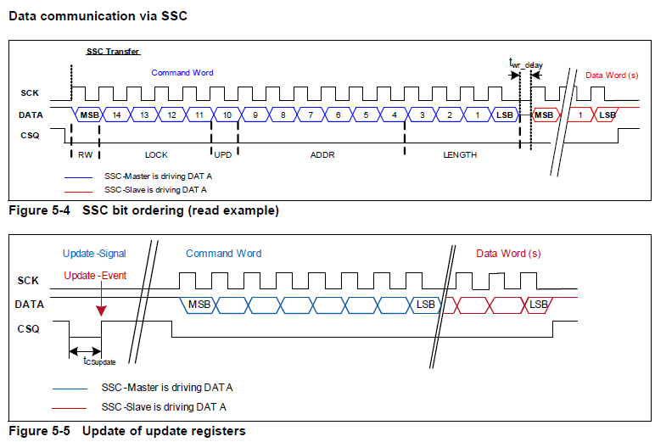
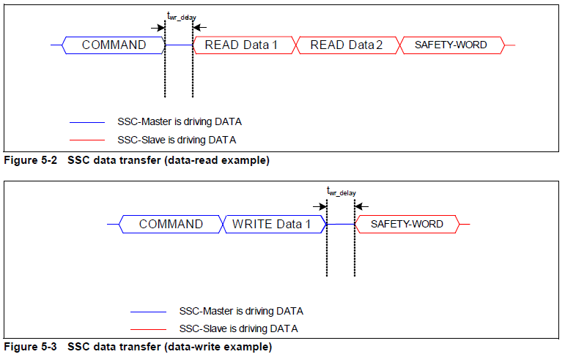
SSC Data Transfer |  |  |  |  |  |  |  |  | Color Coding

Read Angle/Data |  |  |  |  |  |  |  |  | Dark Green |  | Light Green |  | Light Blue |  | Tan
SSC Word |  |  | Master Transmit |  |  | Slave Transmit
Command | R/W_Lock_UPD_ADDR_ND |  | x |  |  |  |  |  | Relavent Values |  | Other Values |  | Diag |  | Default Cals
Delay |  |  |  |  |  |  |  |  |  |  |  | White
Read | Read/Write Reg |  |  |  |  | x |  |  |  |  |  | Reserve Bits
Safety | STAT_RESP_CRC |  |  |  |  | x |  |  | Yellow |  | Orange |  | Dark Red |  | Purple

Interface |  |  |  |  |  |  |  |  | CalCfg |  | Interface Cfg |  | Multiple Slave |  | OtherConfig
SSC Word |  |  | Master Transmit |  |  | Slave Transmit
Command | R/W_Lock_UPD_ADDR_ND |  | x
Write | Read/Write Reg |  | x
Delay
Safety | STAT_RESP_CRC |  |  |  |  | x

IC Registers
Register Name | 15 | 14 | 13 | 12 | 11 | 10 | 9 | 8 | 7 | 6 | 5 | 4 | 3 | 2 | 1 | 0
Status Reg | ReadStatus | SlaveNo. | SlaveNo. | NoAngle | NoXY | StatusROM | ADCTest | Res | MagFieldStr | XY(OutofRange) | StatusOverFlow | StatusDSP | FuseCRC | VoltageReg | Watchdog | StatusReset

Activation Status Reg |  | ***Res*** |  |  |  | FirmwareRst | ADCTest | Res | Act-MagChk | Act-RangeChk | Act-DSP OvrFlowChk | Act-DSP Bist | Act-FuseCRC | Act-VltgReg | Enable WDRst | Act-HardwareRst

Angle Value | ReadAV |  |  |  |  |  |  |  |  | ***AngVal***

AngleSpeed | ReadAS |  |  |  |  |  |  |  |  | ***AngSpeed***

Angle Revolution | ReadRev |  |  | ***FrameCount*** |  |  |  |  |  |  |  | ***No. Of Rev***

FrameSynchReg |  |  | ***FSYNC Counter Value*** |  |  |  |  |  |  |  |  | ***Temperature Value***

Interface MODE1 Reg | Rate Setting (Filter) |  |  |  |  |  | ***Res*** |  |  |  |  | ClkSourceSelect |  | DSPHold | Incremental InterfaceMode

SIL | FilterParallel | FilterInv |  | ***Res*** |  | FuseReload |  | ***Res*** |  | ADCTestVec |  | ADCTestVector Y |  |  | ADCTestVec X

Interface MODE2 Reg | Res |  |  |  |  | ***AngleRange*** |  |  |  |  |  |  | AngleDirection | Prediction |  | AutoCal

Interface MODE3Reg |  |  |  | ***AngleBase*** |  |  |  |  |  |  |  |  | AnaSpikeFil | SSCDataPINOptMode |  | PadDrvConfig

Offset X |  |  |  |  |  |  | Offset X |  |  |  |  |  |  | ***Res***

Offset Y |  |  |  |  |  |  | Offset Y |  |  |  |  |  |  | ***Res***

Synchronicity |  |  |  |  |  |  | Sync |  |  |  |  |  |  | ***Res***

IFAB |  |  |  |  |  |  | ***Orthogonality Correction of X and Y*** |  |  |  |  |  | FilUpdate | OutputMode | HSM,IIF Mode

Interface MODE 4 |  | OffsetTemp Co-eff - X |  |  |  |  |  |  |  | HallSwitch |  | IFABRes |  |  | Interface Mode

Temp Co-eff |  | OffsetTemp Co-eff - Y |  |  |  |  |  | StrtUpBist |  |  |  |  | ***CRC***

ADC X Raw Val |  |  |  |  |  |  |  |  |  | ***ADC X***

ADC Y Raw Val |  |  |  |  |  |  |  |  |  | ***ADC Y***

IIF Counter | Res |  |  |  |  |  |  |  |  | IIF_Cnt

