DWG
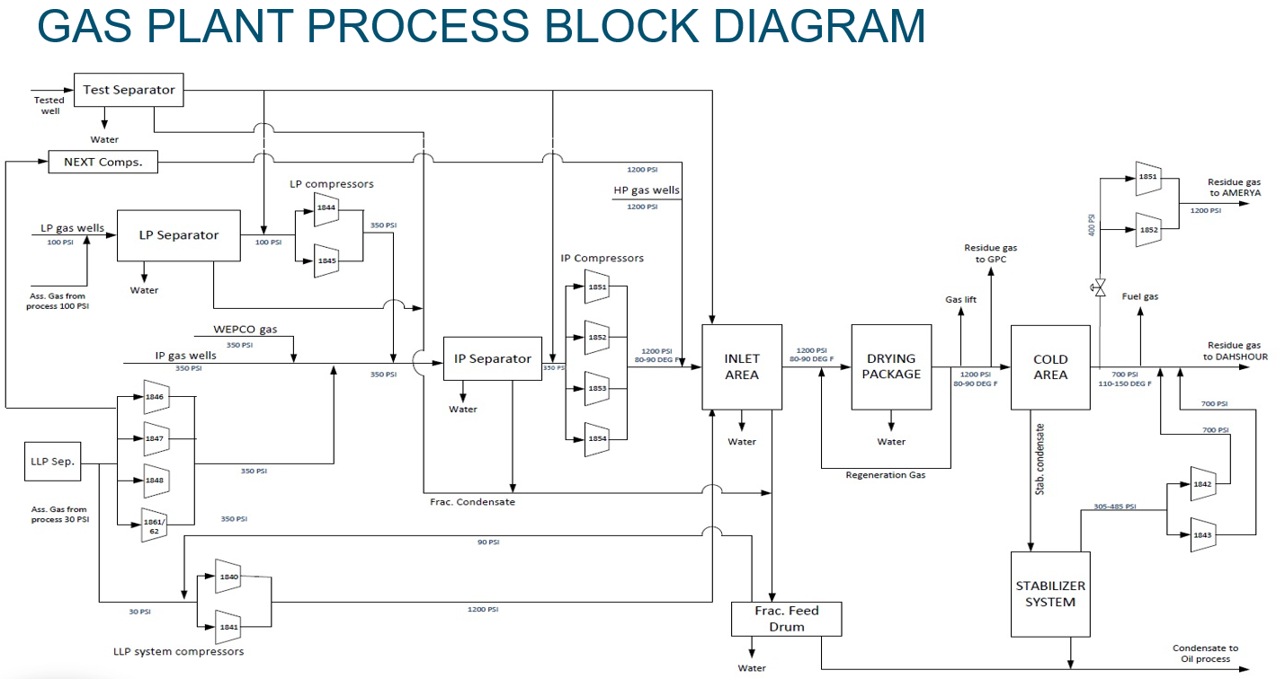

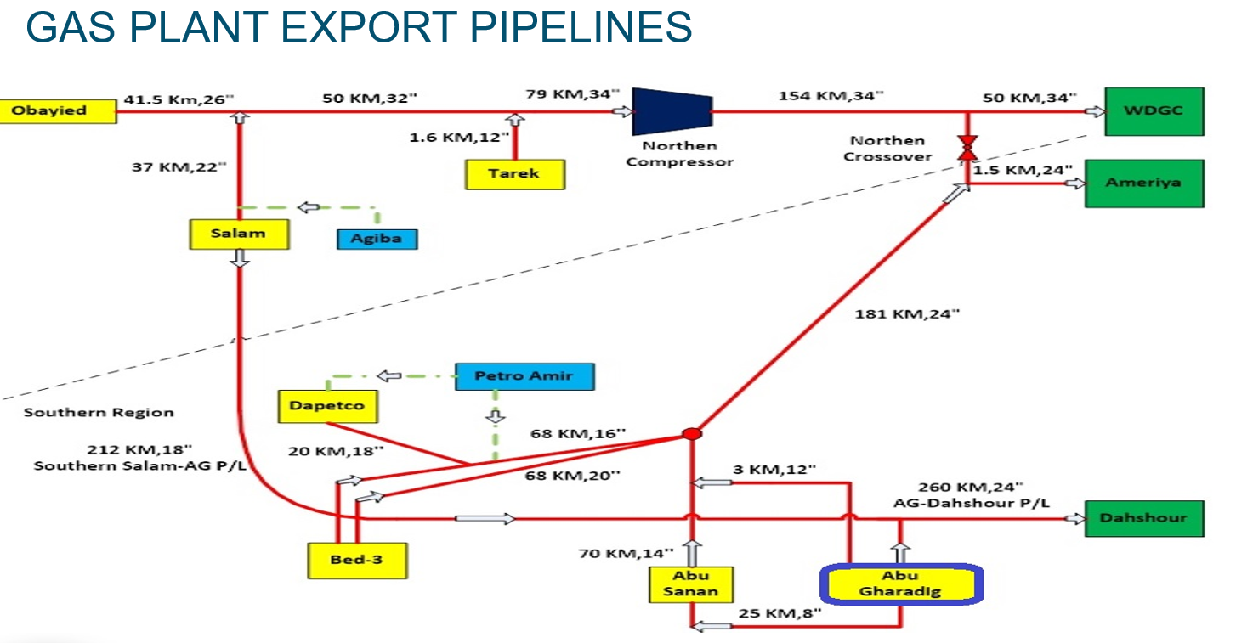

Vessels & TKs
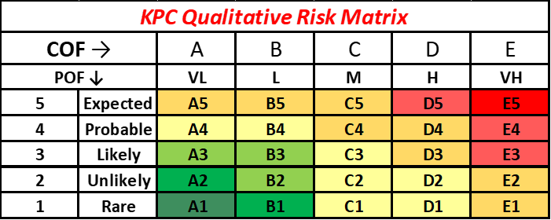

Update on |  | 8-Jul-26 |  |  |  | AG Vessels & TKs
Update By |  | M Zein

SN | Field | Plant | Location | Unit Name | Asset Name | Tag # | Asset # | Full asset Description (Oracle Name) | In-service? | Insulation type | Last Insp. Category | Last OSI Date | Next OSI Due Date | Last Internal Insp. Date | Next Internal Insp. Date | Next Insp. Category | Actual Worst CR (mm/yr) | RL (from last insp) | RBI Due Date (Internal) | RBI Due Date (OSI) | Remarks & Recommendations
1 | AG | Gas Plant | GP | Cold Area | Gas/Gas HEX-1301-A/B [Shell & Tube HEX] | E-1301 A/B | HEST-BAGNOLO-001 | GAS/GAS HEAT EXCHANGER, MFG: BAGNOLO, TWO SHELLS A&B, TAG: E-1301 A/B | Yes | Cold | OSI | 2026-02-01 | 2028-06-01 | Never | 2017-09-25 | SD / Internal |  |  |  |  | Routine OSI Completed - Integrity Verified
2 | AG | Gas Plant | GP | Cold Area | Gas/Condensate HEX-1303 [Shell & Tube HEX] | E-1303 | HEST-BAGNOLO-003 | GAS/CONDENSATE HEAT EXCHANGER, MFG: BAGNOLO, TAG: E-1303 | Yes | Cold | OSI | 2026-02-01 | W/Eval | Never | 2017-08-25 | SD / Internal |  |  |  |  | 8-2007: Base Line UT Done (Assumed the insulation was removed at that time). The HEX is 3 flanged-sections [2 end-cone-sections with flate-flanged heads + 1 straight-flanged shell]. The report DWG shows 4 Nozzles. The vessel is fully-cold-insulated (No photos). No recent visual insp done for CUI at insulation openings. Important Notes: 1- Shell/Nozzles material [Confirm if it's A-203 (Nickel-Steel Alloy)] 2- Tube-Bundle material [Confirm if it's A-350 OLF-2 (CS-Alloy)] No Eval Done for the report, and it's mandaory to do Adv OSI inspection ASAP (Overdue OSI since 8-2017) No internal Insp done for tube bundle (Vessel startup in 1975)
3 | AG | Gas Plant | GP | Stabilizer Area | Stabilizer Feed/Overheads Exchanger # 10-1312 | 10-1312 | HEAC-BAGNOLO-AES-001 | STABILIZER FEED/OVER HEADS FORCEOD DRAFT HEAT EXCHANGER,MFG:BAGNOLO, MODEL:AES, TAG: 10-1312 | Yes | Cold - Partially Insulated | OSI | 2020-09-09 | 2030-09-01 | Never | 2025-01-01 | OSI-ADV |  | 22 |  |  | For internal Inspection: Required advanced Insp Tech (IRIS) to inspect tube bundle For OSI: Required PEC for insulated components
1 | AG | Gas Plant | GP | Inlet Area | TEST SEPARATOR 1211 | 10-1211 | SEPARATOR-TEST-AG-GP | TEST SEPARATOR, MFG: CONSTRUCTION METALLIQUES DE PROVENCE, TAG: V-1211 | Yes | None | OSI | 2022-10-01 | 2032-10-01 | 2022-10-01 | 2032-10-01 | NSD / Internal | 0.04 | 217 | 2030 | 2028 | Lamination repaired in 3-2020. Internally painted with H2S-Resistant Painting (No Anodes) which provide 12 Yrs interval. The vessel start service: 4-2020. Note: The OSI of 10-2022 provided RL = 217 Yrs, so the Internal & OSI due dates modified to 10-2032
2 | AG | Gas Plant | GP | Inlet Area | INLET SEPARATOR 1210 | 10-1210 | SEPARATOR-INLET-AG-GP | INLET SEPARATOR, MFG: CONSTRUCTION METALLIQUES DE PROVENCE, TAG: V-1210 | Yes | None | OSI | 2022-03-01 | 2032-03-01 | 2017-12-01 | Next SD | SD / Internal |  | 161.7 | 2023 | 2027 | The calculations were done according to constuction code of British Std (not ASME VIII Div-1) During 12-2017 SD, Internal insp done, scattered pitting found & new internal coating applied. On 15-7-2019, 6" RTJ flange leaked and caused plant SD, the flange temporary tightened till being repaired. So, during next SD, the 6" RTJ flange shall be replaced. OSI done on 3-2022 & next OSI recommended in 3-2032 & Next internal insp in 1-2030 SD.
3 | AG | Gas Plant | GP | Inlet Area | INLET FILTER 2203 | V-2203 | INLET-GAS-FILTER | INLET GAS FILTER, MFG: BSB, TAG: V-1203 | Yes | None | OSI | 2025-12-01 | 2027-12-01 | NA | NA | OSI |  |  | NA | Jul-22 | The vessel is a critical high-Press shut-down asset. Currently the vessel has 3 cracks at 2 saddle supports with vessel shell. Since crack propagation & Orientation is uncontrolled, so we strongly recommend to repair cracks ASAP or otherwise to do FFS to guarantee that cracks are satisfactory till next shutdown date. On the other hand, the vessel has different temporary repairs that are guaranteed till 5-2024. So, shutdown is mandatory before 5-2024 to do permanent repairs for all critical components as per inspection report. We did profile RT for small bore nozzle and found satisfactory. For the meantime, we'll do close UT-Monitoring on 5-2023 for 15 CMLs, however this UT is independent activity from the existing cracks that are critical and need repair or FFS ASAP.
4 | AG | Gas Plant | GP | Inlet Area | INLET KOD 1220 | 1694 KS | VEKD-CMP-001 | INLET K.O DRUM, MFG: CONSTRUCTION METALLIQUES DE PROVENCE, TAG: V-1220 | Yes | None | OSI | 2022-03-01 | 2032-03-01 | 2017-12-01 | 2030-01-01 | OSI |  | 39.6 | 2027 | 2030 | The calculations were done according to constuction code of British Std (not ASME VIII Div-1) During 12-2017 SD, and also historical previous internal inspections, no any internal corrosion detected for bare metal surface. So, only OSI is recommended for future periodic inspections.
5 | AG | Gas Plant | GP | LP System | LP Sep | V-1300 | SEPARATOR-LP-AG-GP | LOW PRESSURE SEPARATOR,LP SEP., TAG: V-1300 | Yes | None | OSI | 2021-02-01 | 2031-02-01 | 2021-02-01 | 2031-02-01 | OSI | 0.29 | 7.61 | 2031 | Jul-23 | In Feb-2021, internal insp done & the vessel thickness restored to the original thickness after removing all internal non-metallic repairs and applied weld build up, then internal painting and new 4 anodes installed & redistributed along 6 oclock . Then SRV set press was increased from the derated press of 135 psi to 175 psi as original set pressure. External painting applied at defected portions which were considered as CMLs for OSI. In 2-2021, OSI done on the CMLs as baseline UT. Painting system should be reapired. Recommendations Next UT inspection shall be done as follow: For Shell & Heads Next UT Inspection: Shall be done on * Sep-2031: For Plate #4 - CML #20 * July-2033: For All CMLS For Nozzles Next UT Inspection: Shall be done on * Feb-2031: For Nozzle 10A - (S) * July-2033: For All Nozzles
6 | AG | Gas Plant | GP | IP System | IP SEPARATOR 1250 | 10-1250 | SEPARATOR-IP-AG-GP | INTERMEDIATE PRESSURE SEPARATOR, TAG: V-1250 | Yes | None | OSI | 2020-11-01 | 2030-04-01 | 2013-04-01 | 2025-01-01 | SD / Internal |  | 19 |  |  | Last Internal (without UT) in 4-2013. No internal painting or anodes. However, bare metal condition has shallow corrosion layer (Satisfactory). So during next SD, internal blasting & full painting shall be done (anodes not mandatory)
7 | AG | Gas Plant | GP | Cold Area | COND SEPARATOR 1212 | 10-1212 | SEPARATOR-CONDENSATE-AG-GP | CONDENSATE SEPARATOR, MFG: CONSTRUCTION METALLIQUES DE PROVENCE, TAG: V-1212 | Yes | Cold | SD/Internal | Insulated | Insulated | 2017-12-01 | Next SD | SD / Internal |  | NA | Nov-22 |  | 12-2017 was the 1st internal inspection since startup & findings of bare metal are all satisfactory. Next internal due date can be posponed till 2nd planned SD (expected in 2030)
8 | AG | Gas Plant | GP | Cold Area | COLD SEPARATOR 1215 | 10-1215 | SEPARATOR-COLD-AG-GP | COLD SEPARATOR, MFG: CONSTRUCTION METALLIQUES DE PROVENCE, TAG: V-1215 | Yes | Cold | SD/Internal | Insulated | Insulated | 2026-02-01 | Next SD | SD / Internal |  | NA | Aug-22 | NA | During 2-2016 SD, Vessel insulation removed, showed excellent painting (no CUI) & re-insulated. Internally, Crack found in 2017 SD still arrested with the same size at the fillet weld of deflector pad with shell. The crack repaired by PTJ (without R-Stamp), but another crack formed at the pad itself & stopped temporary by drilling 3 holes until repair in the next SD (2026 SD) but unfortunately due to time constraints, wasn't repaired and postponed again to the next SD Planned SOW: VT/PT on the fillet weld of deflector pad with shell that already repaired by PTJ in 2017-SD. Moreover, to repair the exisitng crack of the pad itself and fill the 3 holes that drilled to stop crack temporary since 2017-SD.
9 | AG | Gas Plant | GP | Utilities | Methanol Tank (Atmospheric) | 10-1229 | VEGE-GRAZEBROOK-001 | METHANOAL STORAGE TANK, MFG: GRAZEBROOK, TAG: V-1229 | Yes | None | OSI | 2019-11-01 | 2029-11-01 | Never | 2025-01-01 | SD / Internal |  | 66 |  |  | It's not internally inspected before, has only one 18" MH at top (vessel is horizontal), no ventillation nozzle. So During Next SD, we recommend to cut/open the shell (3 or 9 O'clock Position) and add new 24" nozzle for future internal access (Require R-Stamp). After opening the shell, we'll do internal VT to get the actual visual condition, then later (during 2nd SD), internal blasting & painting will be applied.
10 | AG | Gas Plant | GP | Drying Package | NEW DUST FILTER Flat-Head | 10-2204 | VEPA-PECO-001 | DUST FILTER, MFG: PECO, TAG: V-2204 | Yes | None | OSI | Jul-22 | Jul-32 | Never | Jul-32 | NSD / Internal |  | XX | NA | 2023 | Replaced in 2011 SD
11 | AG | Gas Plant | GP | Drying Package | UNIFLUX HEATER 1481 ( Renewal at 2013 ) | 10-1481 | HBDF-CORC-002 | REGENERATION HEATER (UNIFLUX), MFG: CAIRO OIL REFINING COMPANY, TAG: H-1481 | No | Hot - Refractory | NSD / Internal | Insulated | Insulated | 2025-07-01 | 2032-07-01 |  |  | xx | 2022 | 2021 | In 6-2025, uniflux repaired by CORC. In 7-2025, we did baseline Internal inspection snd confirmed that all repair recommendations covered. In 8-2025, plan to startup the heater. Next planned internal inspection to be during 2nd shutdown or 7-2032 whichever comes 1st.
12 | AG | Gas Plant | GP | Drying Package | GP guard bed -1281 | 10-1281 | VEGE-CMP-004 | REGENERATION GUARD BED DRUM, MFG: Construction Metalliques de Provence, TAG: V-1281 | Yes | Hot | NSD / Internal | Insulated | Insulated | 2026-02-01 | Next SD | NSD / Internal |  | 42.6 |  |  | The bed is fit for service till April, 2034, however, it’ll be good opportunity to do such inspection together with the periodic replacement of activated alumina, which will be before the A/M date. During the next inspection, the damaged insulation can be renewed (through insulation company), after applying hot-painting system.
13 | AG | Gas Plant | GP | Drying Package | BED - A 1282 | 10-1282 | INLET-GAS-DRYER-A | INLET GAS DRYER (BED A), MFG: Construction Metalliques de Provence, TAG: V-1282 | Yes | Hot | SD/Internal | Insulated | Insulated | 2026-02-01 | Next SD | SD / Internal |  | NA | 2027 | 2023 | All beds are identical, so inspecting one will represent the integrity condition of the others. During periodic GP shutdown (Every 5 Years), all beds undergo replacing of internal molecular sieves (Ops Media), so it's opportunity for internal inspection. The coming planned GP SD will be in 2025 (i.e., before RBI due date which in 2027), so we plan to do internal inspection during SD in 2030 (instead of 2027) due to satisfactory condition of periodic insp. During that inspection (VT & PT), we do also internal UT to get the remaining thickness and always the high thickness range of all beds are satisfactory with acceptable CUI, although of working over 50 Yrs. Based on above history, we recommend not to open windows for those insulated beds, and it's enough to do the periodic inspection every GP shutdown (every 5 Years). Note: Jan-2030 is expected 2nd SD date, so the inspection will depend on the exact SD date
14 | AG | Gas Plant | GP | Drying Package | BED - B 1283 | 10-1283 | INLET-GAS-DRYER-B | INLET GAS DRYER (BED B), MFG: CONSTRUCTION METALLIQUES DE PROVENCE, TAG: V-1283 | Yes | Hot | SD/Internal | Insulated | Insulated | 2026-02-01 | Next SD | SD / Internal |  | NA | 2027 | 2023 | All beds are identical, so inspecting one will represent the integrity condition of the others. During periodic GP shutdown (Every 5 Years), all beds undergo replacing of internal molecular sieves (Ops Media), so it's opportunity for internal inspection. The coming planned GP SD will be in 2025 (i.e., before RBI due date which in 2027), so we plan to do internal inspection during SD in 2030 (instead of 2027) due to satisfactory condition of periodic insp. During that inspection (VT & PT), we do also internal UT to get the remaining thickness and always the high thickness range of all beds are satisfactory with acceptable CUI, although of working over 50 Yrs. Based on above history, we recommend not to open windows for those insulated beds, and it's enough to do the periodic inspection every GP shutdown (every 5 Years). Note: Jan-2030 is expected 2nd SD date, so the inspection will depend on the exact SD date
15 | AG | Gas Plant | GP | Drying Package | BED - C 1284 | 10-1284 | INLET-GAS-DRYER-C | INLET GAS DRYER (BED C), MFG: CONSTRUCTION METALLIQUES DE PROVENCE, TAG: V-1284 | Yes | Hot | SD/Internal | Insulated | Insulated | 2026-02-01 | Next SD | SD / Internal |  | NA | 2027 | 2023 | All beds are identical, so inspecting one will represent the integrity condition of the others. During periodic GP shutdown (Every 5 Years), all beds undergo replacing of internal molecular sieves (Ops Media), so it's opportunity for internal inspection. The coming planned GP SD will be in 2025 (i.e., before RBI due date which in 2027), so we plan to do internal inspection during SD in 2030 (instead of 2027) due to satisfactory condition of periodic insp. During that inspection (VT & PT), we do also internal UT to get the remaining thickness and always the high thickness range of all beds are satisfactory with acceptable CUI, although of working over 50 Yrs. Based on above history, we recommend not to open windows for those insulated beds, and it's enough to do the periodic inspection every GP shutdown (every 5 Years). Note: Jan-2030 is expected 2nd SD date, so the inspection will depend on the exact SD date
16 | AG | Gas Plant | GP | Drying Package | REGENERATION KOD 1285 |  | VEKD-CMP-002 | REGENERATION K.O. DRUM, MFG: Construction Metalliques de Provence, TAG: V-1285 | Yes | None | OSI | 2019-05-01 | 2029-05-01 | 2020-09-01 | W/Eval | OSI |  | 13
17 | AG | Gas Plant | GP | Stabilizer Area | STABILIZER TOWER -1101 | 1694 K1 | STABILIZER-TOWER | STABILIZER TOWER, MFG: CONSTRUCTION METALLIQUES DE PROVENCE, TAG: V-1101 | Yes | Hot | SD/Internal | Insulated | Insulated | 2013-04-01 | 2025-01-01 | SD / Internal |  | NA | Jan-22 | 2021 | 11-2010: OSI inspected by INCOTEST Tech. for insuated shell, heads & nozzles (Result: Satisfactory) 4-2013: Internally Insp by RICO (VT, UT, PT) for shell, heads, trays & some welds (Result: Satisfactory. Req to avail outsource insp company experience in tower-Trays to do insp, repair if any & assessment. Note: The next OSI shall be by INCOTEST tech at the same locations (Tech to be availed by Cairo AI)
18 | AG | Gas Plant | GP | Stabilizer Area | STABILIZER ACCU. DRUM 10-1217 | 10-1217 | VEGE-ROPERTJENKINZ-001 | STABILIZER ACCUMULATOR, MFG: ROPERTJENKINZ, TAG: V-1217 | Yes | None | OSI | 2019-07-01 | 2029-07-01 | 2013-01-01 | Next SD | OSI |  | 68 | 2039 | 2029 | RBI: Please upload the last insp report on Oracle to re-assess due date. 1-2013: Is the only recorded internal inspection & revealed excellent condition since vessel startup in 1974, so we recommend to do only OSI during the future inspections, however AI recommends to do internal insp in 2039. In 7-2019: OSI done and evaluation revealed satisfactory condition with RL = 68 Yrs. So, we recommend to shift the OSI RBI-due date from 2023 to 7-2029
19 | AG | Gas Plant | GP | Stabilizer Area | STABILIZER FEED DRUM 10-1221 | 10-1221 | VESE-CMP-001 | STABILIZER FEED DRUM, MFG: CONSTRUCTION METALLIQUES DE PROVENCE, TAG: V-1221 | Yes | Cold | SD/Internal | 2017-12-01 | 2027-12-01 | 2017-12-01 | Next SD | OSI-ADV | 0.25 | 20 | 2027 | 2023 | This is 1st Internal inspection done in GP shutdown (12-2017) since +50 operation Yrs. The inspection revealed satisfactory bare-metal condition by VT & Internal UT spots. So, the future internal inspection due date can be extended more than 10 Years (15 Years RBI-Interval , i.e., 3 shutdown intervals, can be approved). GP 1st SD expected to be in 2025, so the 2nd SD should be in 2030. So, Internal due date is recommended to be in SD 2030 (Instead of 2027 Int. RBI) The vessel is externally cold-insulated. During SD, insulation was removed from 2 nozzles only (N#5, 6), so UT done & Nozzle#5 showed Min RL of the whole vessel (RL= 20 Years), so next OSI shall be done over N#5 only in 12-2027 (Instead of 2023 OSI RBI) using adv tech due to cold insulation. Note: No data available for insulation age or if there was underlaying coating.
20 | AG | Gas Plant | GP | Stabilizer Area | STAB. Gas. KOD 1222 | 10-1222 | VESB-ROPERTJENKINZ-002 | STABILIZER GAS K.O.DRUM, MFG: ROPERTJENKINZ, TAG: V-1222 | Yes | None | OSI | 2019-07-01 | 2029-07-01 | 2017-12-01 | 2025-01-01 | SD / Internal |  | 79 | Oct-22 | Jun-27 | 1st internal insp done in 12-2017 revealed bare-metal is satisfactory (formed scales since 1974), except 1 pitting 2 mm depth found at the shell circumferential weld, so shall be filled by welding or at least by Durmetal during next planned SD. Next OSI in 7-2029
21 | AG | Gas Plant | GP | Stabilizer Area | FLASH GAS KOD 1223 | 10-1223 | VESB-ROPERTJENKINZ-001 | FLASH GAS K.O. DRUM, MFG: ROPERTJENKINZ, TAG: V-1223 | Yes | Cold | SD/Internal | 2011-01-01 | OSI-ADV-Overdue | 2017-12-01 | Next SD | OSI-ADV |  | NA | 2027 | 2021 | OSI done in Feb-2011 SD: All damaged insulation removed, Blasting done & found scatterted CUI, (was sever at nozzles' necks). The sever flanged nozzle (from bridle side) was replaced, but the vessel nozzles are kept with CUI variety. Then, applied new external painting & re-insulation. Note: Plate#1, found 2 external mech damage areas with depth 2mm & left without repair (unfortunately, in 2017 SD, Thick of these areas not measured from inside) Internal Insp done in Dec, 2017 SD: Revealed satisfactory condition, except the following: 1- Undercut in the circumf weld (from Const phase) that require FFS evaluation or repair during next SD that expected in 2025. 2- Pit with 2.5 mm depth found in shell plate#1; shall be repaired during next SD expected in 2025. Recommendation: 1- Next OSI-ADV (PEC) Due Date: 12-2024 [Note: PEC Shall cover all vessel components; including level meters, bridles & any CUI-susceptible piping]. 2- Fittnes for service (FFS): Two mech damage detected in 2011 + The undercut of circuferential weld + The internal pitting of plate#1, or otherwise to repair them during next GP SD with R-Stamp (considering if additional repair from adv tech result) 3- Civil Eng. shall be consulted to review the concrete foundation for needed repairs, if any. 3- Internal Insp due Date: A- If Adv. tech and/or FFS revealed required repairs, then internal insp & repairs will be done during 2025 SD B- If adv tech and/or FFS revealed no repairs required, then internal insp will be in 2030 SD
23 | AG | Gas Plant | GP | Stabilizer Area | STAB. REBOILER 1407 | 10-1407 | HBDF-CORC-001 | STABILIZER REBOILER, MFG: CAIRO OIL REFINING COMPANY, TAG: H-1407 | Yes | Hot - Refractory | SD/Internal | Hot Refractory | Hot Refractory | 2014-09-01 | 2025-01-01 | SD / Internal |  | NA | 2021 | Sep-24 | Non SD item (partial SD for stab. System: 600 BBls Cond). No deferral for LPG if SD < 4 days. 7-2023 SOW: Preliminary internal VT for Refractory, Coil tubes lower section & Burners & Hardness/UT/PT on Coil tubes lower section. 2025 SOW: Another insp shall be done during 1st plant SD (tentative in 2025). Before that SD, required to avail scaffold materials + Avail External contractor (like CORC) to do any potential repairs (Like refractory, brikes, supports, ...etc) + Avail one API inspector has experience in fired-heater insp). N.B: Shell is externally insulated & internal refractory exists. Coil tubes are subjected to burners flames. Fire accident happened in 2-2011, repaired by CORC in 4-2013 & off-stream inspection was done on coil tubes and no remarkable corr found. Convection section will req scaffold for insp.
24 | AG | Gas Plant | GP | Fractionator Area | FRACTIONATOR FEED DRUM -10 -1224 | 10-1224 | VESE-ROPERTJENKINZ-001 | FRACTIONATOR FEED DRUM, MFG: ROPERTJENKINZ, TAG: V-1224 | Yes | None | OSI | 2021-05-01 | 2031-05-01 | Never | 2025-01-01 | SD / Internal |  | 61.3 | Jun-22 | May-26 | The vessel not internally inspected before and has SRB/Corr issues. SRV reduced from 256 to 200 psi (MOC#AG-2019-P-G-007). Note: NORM check & Cleaning are required before start blasting. SOW During SD: Blasting, repair if any (as per BS-code) & new Painting (Maybe anodes according to insp findings). Next OSI: 5-2031
25 | AG | Gas Plant | GP | Fractionator Area | FRACTIONATOR Gas Scrubber (old Tag# 1226) | V-3104 | VESB-OFFICINELUIGI-002 | FRACTIONATOR GAS SCRUBBER, MFG: OFFICINE LUIGI, (OLD TAG: 1226) TAG: V-3104 | Yes | None | NSD / Internal | 2018-12-01 | W/Eval | 2018-12-01 | 2030-12-01 | NSD / Internal |  | NA |  |  | 12-2018: is the 1st internal insp done since startup. Insp revealed painting damage showing 2 pittings at shell 1st course. 12-2030 next Internal insp: Plan for welding pitts (or apply durmetal), then internal coating
26 | AG | Gas Plant | GP | Fractionator Area | Fractionator Reversed Gas Scrubber-1209 (Standby Plan for Underground Vessel-3103) | V-1209 | VESB-OFFICINELUIGI-005 | REVERSED GAS SCRUBBER, FRACTIONATOR, MFG: OFFICINE LUIGI, TAG: V-1209 | yes | None | Internal | 2025-11-01 | 2026-11-01 | 2025-11-01 | 2035-11-01 | OSI |  |  |  |  | Its Nameplate is related to the underground Vessel V-3103 (OOS at Blasting yard). The underground vessel nameplate is related to the reversed gas scrubber, so need to exchange them to avoid confusion. In 10-2024, the vessel replaced the corroded underground scrubber. So, waiting to get the name plate of V-3103 (OOS at yard) to be installed in place of name plate of Reversed Gas Scrubber-1209. On 10-2025: Plan to do baseline for both vessel & new piping & re-UT on 10-2026 to assess STCR, RL & MAWP.
27 | AG | Gas Plant | GP | Fractionator Area | UNDERGROUND SCRUBBER - 3103 (SN-666) The vessel Name plate attached wrongly on the out-of-service vertical scrubber | V-3103 | VESB-OFFICINELUIGI-001 | UNDERGROUND TANK, MFG: OFFICINE LUIGI, TAG: V-3103 | No | None | OSI | OOS | OOS | OOS | OOS | NSD / Internal |  | 17.3 |  |  | The Name plate is at restricted area but there is a clear photo for it (SN#665) & thickness. The Name plate shows different data than the actual UT [Example: Shell Actual thickness= 17 mm while the nominal thickness on name plate = 10 mm], so the name plate isn't belong to that vessel. After verification, we found its correct name plate (SN#666) attached on the out-of-service vertical scrubber (Reversed Gas Scrubber), so we shall exchange the name plates together to avoid confusion. Vessel disconnected and transferred to sandblasting yard for further actions and reversed gas scrubber in place & plan to be in-service by 11-2024.
28 | AG | Gas Plant | GP | Unit#1861/ 1862 | FRACT. FLASH DRUM | V-8701 | VEFD-NA-003 | FRACTIONATOR FLASH DRUM, MFG: NA, TAG: V-8701 | Yes | None | OSI | 2019-10-01 | 2029-10-01 | 2018-10-01 | 2028-10-01 | NSD / Internal |  | 26 |  |  | 10-2018: is the 1st internal insp done & revealed acceptable condition for the bare metal except 1 pitting depth 2mm at bottom head with some scratches. Internal Due date : 10-2028 (if not done, OSI full scan shall be done on bottom head in 10-2028)
29 | AG | Gas Plant | GP | Fuel System | FUEL GAS SCRUBBER V-3105 Flat-Head | V-3105 | VESB-OFFICINELUIGI-003 | TURBINE FUEL SCRUBBER, MFG: OFFICINE LUIGI, TAG: V-3105 | Yes | None | OSI | 2024-04-01 | 2034-04-01 | NA | NA | SD / Internal | 0.74 | 6.4 | 2023 Through opening the flat head | Dec-23 | 24" Top flat head can be removed to do internal VT from outside (3m height) .. The 1" drain Nozzle#6 has corroded elbow. Note: Waiting SD (Tentative in 1Q-2025) to inspect it by 1-2025. OSI due date: 7-2024 (for corroded elbow & CMLs) NA due to limited for internal VT (24" OD". With 3 meters height), however, if the vessel is gotten out of service for maintenance, the flat head can be opened for internal VT from outside.
30 | AG | Gas Plant | GP | Fuel System | FUEL GAS SCRUBBER - FOR ENGINES 1241 | V-1241 | VEGE-GRAZEBROOK-002 | FUEL GAS KOD V-1241, IR COMP. ENGINES, MFG: GRAZEBROOK, TAG: V-1241 | Yes | None | OSI | 2019-04-01 | 2029-04-01 | NA | NA | OSI |  | 31
31 | AG | Gas Plant | GP | Fuel System | FUEL GAS SCRUBBER - for HEATERS 1242 | 10-1242 | VEGE-GRAZEBROOK-003 | FUEL GAS KOD V-1242, IR COMP. ENGINES, MFG: GRAZEBROOK, TAG: V-1242 | Yes | None | OSI | 2019-10-01 | 2029-10-01 | NA | NA | SD / Internal |  | 43 | May-23 |  | The vessel not internally insp before (18" MH).however we expect acceptable bare metal condition (due to fuel gas clean service), so no blasting expected, just need cleaning to do internal VT, PT for welds & UT. Note: In case pitting found, Durmetal can be used till further actions during future SD's. during 2026 SD: Internal Inspection done through phone (Some Pictures) & Showed Satisfactory Condition
32 | AG | Gas Plant | GP | Water Cooling System | New Water Cooling Tank | 1 | TAFR-PETROMAINT-900-001 | STORAGE TANKS-FIXED ROOF, COOLING WATER TANK, MFG: PETROMAINT, CAPACITY: 900 BBL., BUILT: 2012, DIA: 5.72 M, LIQ H: 6.7, TEMP: 80, TAG: T-7001 | Yes | None | OSI | 2023-11-01 | 2038-11-01 | 2017-12-01 | 2034-11-01 | SD / Internal |  | 37 | Feb-25 | Nov-23 | Last Internal insp during GP SD in 12-2017 & revealed satisfactory condition. During Next Int. Insp, bottom Thickness shall be measured & Evaluated. Expected to renew the coating and/or anodes (note for Anodes: TK has Fresh water of T > 65C) The overall thickness condition is acceptable for roof, shell, annular plate projection. No remaining life calculations performed. The next OSI shall be lesser of 15 Yrs or 0.5 RL
33 | AG | Gas Plant | GP | Flare System | FLARE KOD | V-9401 | VESB-PETROJET-001 | FLARE KNOCK-OUT DRUM , MFG: PETROJET, TAG: V-9401 | Yes | None | OSI | 2019-06-01 | 2028-05-01 | 2017-12-01 | 2030-01-01 | SD / Internal |  | 18 | Feb-23 |  | Internal Insp. Done During shutdown in 12-2017; revealed satisfactory condition (minor painting defects & touch up done as corrective action) . OSI done in 5-2019 which revealed RL = 18 Yr (Next OSI 5-2028) The next insp. shall be internal insp during GP SD not expected in 1-2030.
34 | AG | Gas Plant | GP | Shipping Line | PIG LAUNCHER, 24 INCH GAS LINE TO DAHSHOUR GAS PLANT , TAG:10-112 | 10-112 | AG-GP-PIG-LAUNCHER | PIG LAUNCHER, 24 INCH GAS LINE TO DAHSHOUR GAS PLANT , TAG:10-112 | Yes | None | OSI | 2021-02-01 | 2031-02-01 | NA | NA | OSI |  | 34.6 | NA | NA | The asset is evaluated acoording to ASME B31.8 - 2020 & Satisfactory till next inspection. Painting system should be reviewed by painting inspector to be repaired.
35 | AG | Gas Plant | GP | Compression Area | LLP Suction Scrubber (10-V-01) | 10-V-01 | VESB-PETROJET-002 | NEW SUCTION SCRUBBER, TAG: 10-V-01 | Yes | None | OSI | 2022-11-01 | 2030-11-01 | Never | 2025-01-01 | SD / Internal | 0.09 | 89 | May-22 | Apr-26 | Need scaffold. Vertical Vessel of MH = 24". Expected to have internal sand & iron magnetite (Corrosion products) as per its downstream strainer scale sample. So, during next Insp, pre-cleaning is mandatory (Check NORM). The vessel is NA for internal inspection in 2022 (Ops issues), so we did on-stream UT as alternative inspection. The OSI reveals satisfactory condition with future RL = 89.4 Yrs
36 | AG | Gas Plant | GP | Compression Area | New Collection Vessel (10-V-02) | 10-V-02 | VEGE-PETROJET-001 | NEW COLLECTION VESSEL, TAG: 10-V-02 | Yes | None | OSI | 2020-12-01 | 2030-12-01 | Never | 2025-01-01 | SD / Internal |  | 47 | Jun-23 | 2021 | The vessel not internally inspected before. So, before next Insp, NORM check & Cleaning are required. The vessel built in 2015 with internal Mg-Sacrifical anodes designed for only 7 Yrs life, so we expect replacing all anodes during next insp (Note: No data for anode leg dimension/weight, so GP to help in design doc). There's internal epoxy coating applied from 3 to 9 O'clock. However, the OSI done in 12-2020 revealed internal pitting area at shell 6 O'cklock around 2" Nozzle N-12, so expected to find epoxy defect at that location which will require touch up. (GP to help getting painting doc to confirm curing time) Next OSI: 12-2030, otherwise modified after internal insp which planned in 2025
37 | AG | Gas Plant | GP | AIR compressor # 1831 | Air Dryer#A of Comp. #1831/32 (Old Tag: 10-1831) | V-2831 A | VEDR-PALL-001 | AIR DRYER A OF COMP 1831, MFG: PALL EUROPE Ltd., TAG: V-2831A | No | None | OSI | OOS | OOS | OOS | OOS |  |  | 87 |  |  | Comp 1831 related assets Out of service 2020 The air dryer#A used upstream for air comp.1831&1832
38 | AG | Gas Plant | GP | AIR compressor # 1831 | Air Receiver (Tag # C 1831) | C 1831 | VEGE-NA-036 | AIR RECEIVER FOR COMP-1831, MFG: NA, TAG: C-1831 | No | None | OSI | OOS | OOS | OOS | OOS |  |  | NA |  | Sep-22 | Comp 1831 related assets Out of service 2020 Almost no corrosion rate was found since last inspection performed 1 year ago, UT thickness inspection to be performed after 2 years (9-2022) in order to attain more reailable corrsion rate and perpform remaining life calculations.
39 | AG | Gas Plant | GP | AIR compressor # 1832 | air receiver no. 31 | NO.31 | VEGE-BROOMWADE-001 | SECOND STAGE SUCTION BOTTLE, FOR COMP.1831 | No | None | OSI | OOS | OOS | OOS | OOS |  |  | 4.6 | None | 2024 | Comp 1831 related assets Out of service 2020 The bottle repaired in 7-2020 (Both PT & HT at 90 psi were accepted). The exsiting repaired vessel shall be replaced in the nearest chance, and while being inservice, it shall be drained periodically to avoid water accumulation and mitigate future corrosion. 1- Corroded section of 1.5 mm was replaced with new section in 5-2020. PT Done in 7-2020 and accepted. 2- Hydro test done at 90 psi & accepted. 3- By, 1-2022, The bottle is taken from 1831 & Now installed/ working on 1832. Inspected in 4-2022 & Parent asset now is Comp #1832 Next Inspection in 4-2024
40 | AG | Gas Plant | GP | AIR compressor # 1831 | air receiver 1231 | V-1231 | VEGE-GRAZEBROOK-004 | MAIN AIR RECEIVER V-1231, MFG: GRAZEBROOK, TAG: V-1231 | No | None | OSI | OOS | OOS | OOS | OOS |  |  | 7.4 | Mar-24 | Feb-26 | Comp 1831 related assets Out of service 2020 The vessel is used downstream for air comp. 1831 & 1832 scaffolding needed On Feb 2024, vessel derating maybe required.
41 | AG | Gas Plant | GP | AIR compressor # 1831 | NA | NA | VEGE-NA-034 | SECOND STAGE DISCHARGE BOTTLE, FOR COMP.1831 | No | None | OSI | 2025-02-01 | OOS | OOS | OOS |  |  | NA |  |  | Visual External Inspection done 2/2025 after received from Beni Suif
42 | AG | Gas Plant | GP | AIR Compressor # 1832 | Air Dryer#B of Comp. #1831/32 (Old Tag: 10-1832) | V-2831 B | VEDR-PALL-002 | AIR DRYER B OF COMP 1831, MFG: PALL EUROPE Ltd., TAG: V-2831B | No | None | OSI | OOS | OOS | OOS | OOS |  |  | 116 |  |  | Comp 1832 related assets Out of service 8- 2022 The air dryer#B used upstream for air comp.1831&1832
43 | AG | Gas Plant | GP | AIR Compressor # 1832 | NA | NA | VEGE-NA-035 | SECOND STAGE DISCHARGE BOTTLE, FOR COMP.1832 | No | None | OSI | 2025-02-01 | OOS | OOS | OOS |  |  | 9.6 |  | Jul-22 | Visual External Inspection done 2/2025 after received from Beni Suif
44 | AG | Gas Plant | GP | AIR Compressor # 1832 | air receiver no. 32 | NO.32 | VEGE-BROOMWADE-002 | SECOND STAGE SUCTION BOTTLE, FOR COMP.1832 | No | None | OSI | OOS | OOS | OOS | OOS |  |  | NA |  | Sep-22 | Comp 1832 related assets Out of service 8- 2022 This bottle is moved to junk, and replaced by the similar bottle of 1831 (Asset#VEGE-BROOMWADE-001)
45 | AG | Gas Plant | GP | AIR Compressor # 1832 | Air Receiver (Tag # C 1832) | C 1832 | VEGE-NA-037 | AIR RECEIVER FOR COMP-1832, MFG: NA, TAG: C-1832 | No | None | OSI | OOS | OOS | OOS | OOS |  |  | 32.8 |  |  | Comp 1832 related assets Out of service 8- 2022
46 | AG | Gas Plant | GP | AIR Compressor # 1833 | Compress #1833 Air Receiver | V -1833 | VEGE-HOVAL-003 | AIR RECEIVER, MFG: HOVAL, TAG: V-1833 | Yes | None | OSI | 2021-05-01 | 2031-05-01 | NA | NA | OSI |  | 39 | May-24 | 2021 | Started working inservice 6-2010 Construction Code: BS 5169 is required for evaluation * Minimum Thickness calculations was performed based on BS-EN 286-1 NA for internal inspection
47 | AG | Gas Plant | GP | AIR Compressor # 1833 | IR-COMPRESS. Air Dryers A & B comp. #1833 | V -1833 A/B | VEDR-ROHRSYSTEM-001 | AIR DRYER A OF COMP 1833, MFG: ROHRSYSTEM TECHNIC, TYPE: TZ-192, TAG: V-1833A | Yes | None | OSI | 2023-12-01 | 2033-12-01 | NA | NA | OSI |  | 10.3 | NA | Sep-26 | Started working inservice 6-2010 V 1833 A/B is corrected Tag No. 10-1833 A/B is wrong NA for internal inspection
48 | AG | Gas Plant | GP | Compressor # 1840 | IR- Compress. #1840 - PV-03 suction scrubber 1st stage LINE 2 (V-1840-A) | V-1840-A | VESB-IR-001 | SUCTION SCRUBBER OF 1st STAGE, COMP.1840, MFG: INGERSOLL RAND, TAG: V-1840A | Yes | None | OSI | 2019-04-01 | 2029-04-01 | NA | NA | OSI |  | NA
49 | AG | Gas Plant | GP | Compressor # 1840 | IR-Compress. #1840 - Gas FILTER (Added to Database in 3-2019) | V-1840D | VESB-PECO-004 | FUEL GAS FILTER, COMP.1840, MFG:PECO, MODEL:85-1-FG12, ELEMENT PN: FG12, TAG: V-1840D | Yes | None | OSI | 2019-04-01 | 2027-04-01 | NA | NA | OSI |  | 16.5 |  | Apr-27
50 | AG | Gas Plant | GP | Compressor # 1840 | IR- Compress. #1840 - PD 01 - line 1 - Suction Dumper 2nd stage | PD-1840-03 | VEGE-IR-0009 | SUCTION SCRUBBER OF 1840 IR-COMPRESSOR, ( OLD DESCRIPTION: 2nd STAGE SUCTION PULSATION BOTTLE) MFG: INGERSOLL RAND, TAG: PD-1840-03 | Yes | None | OSI | 2024-09-01 | 2032-11-01 | NA | NA | OSI | 0.21 | 17.5
51 | AG | Gas Plant | GP | Compressor # 1840 | IR- Compress. #1840 - PD 02 - line 2 - Disch. Dumper 2nd stage | PD-1840-02 | VEGE-IR-0008 | 1st STAGE DISCHARGE PULSATION BOTTLE, COMP.1840, MFG: INGERSOLL RAND, TAG: PD-1840-02 | Yes | None | OSI | 2018-11-01 | 2028-04-01 | NA | NA | OSI |  | 59
52 | AG | Gas Plant | GP | Compressor # 1840 | IR- Compress. #1840 -PD 03 - line 1 - Suction Dumper 3rd stage | PD-1840-05 | VEGE-IR-0011 | 3rd STAGE SUCTION PULSATION BOTTLE, COMP.1840, MFG: INGERSOLL RAND, TAG: PD-1840-05 | Yes | None | OSI | 2019-04-01 | 2029-04-01 | NA | NA | OSI |  | NA |  |  | Option 1: Nozzles N1 & N2 with minium thickness of 4.5mm is less than the minimum required thickness of 4.8mm (Vessel shall be retired or derated) Option 2: In case of derating, Official MOC shall be issued for De-reating the vessel, new name plate shall be attached to the vessel with the modified MAWP of 520 Psi, otherwise the A/M shall put out of service. and RL = 22.6 years
53 | AG | Gas Plant | GP | Compressor # 1840 | IR- Compress. #1840 -PD 04 - line 1 - Disch. Dumper 3rd stage | PD-1840-06 | VEGE-IR-0012 | 3rd STAGE DISCHARGE PULSATION BOTTLE, COMP.1840, MFG: INGERSOLL RAND, TAG: PD-1840-06 | Yes | None - Hot Item | OSI | 2022-06-29 | 2027-04-01 | NA | NA | OSI |  | NA | NA | 2027 | Hot item (120 dgree C) No need for scaff.
54 | AG | Gas Plant | GP | Compressor # 1840 | IR- Compress. #1840 - PD 02 - line 1 - Disch. Dumper 2nd stage | PD-1840-04 | VEGE-IR-0010 | 2nd STAGE DISCHARGE PULSATION BOTTLE, COMP.1840, MFG: INGERSOLL RAND, TAG: PD-1840-04 | Yes | None | OSI | 2019-10-16 | 2029-10-16 | NA | NA | OSI |  | 22.3 |  |  | The next OSI will be to check nozzle#6 after removing grating + Blind flange attached to nozzle N-5 which has broken nibble shall be replaced
55 | AG | Gas Plant | GP | Compressor # 1840 | Compressor#1840 oil filter | FLTR - L 1840 | VEGE-NA-012 | OIL FILTER, COMP.1840, SIZE: 16", TAG: FLTR-L1840 | Yes | None - Hot Item | OSI | 2022-11-01 | 2032-11-01 | NA | NA | OSI |  | 32 | NA | Nov-22 | * Design data is NA. So, assumed material is SA-283-C & joint effiency = 0.7 * T req = 1/16" as per ASME VIII (UG-16b) * In 9-2022, crack occurs due to continuous vibration, the filter repaired by Const Crew and back to service (Waiting unit PM to do external painting as temp is high)
56 | AG | Gas Plant | GP | Compressor # 1840 | IR- Compress. #1840 - PV-01 suction scrubber 1s tinterstage LINE 1 | V-1840-B | VESB-IR-002 | SUCTION SCRUBBER OF 2nd STAGE, COMP.1840, MFG: INGERSOLL RAND, TAG: V-1840B | Yes | None | OSI | 2026-04-01 | 2036-03-01 | NA | NA | OSI |  | 70 | NA | 2021 | Safe MAWP until UT inspection equal to or less than : 675 psi
57 | AG | Gas Plant | GP | Compressor # 1840 | IR-Compress. #1840 - PD 01 - line 2 - Suction Dumper 2nd stage | PD-1840-01 | VEGE-IR-0007 | 1st STAGE SUCTION PULSATION BOTTLE, COMP.1840, MFG: INGERSOLL RAND, TAG: PD-1840-01 | Yes | None | OSI | 2019-04-01 | 2029-04-01 | NA | NA | OSI |  | 38.4
58 | AG | Gas Plant | GP | Compressor # 1840 | IR- Compress. #1840 - PV-02 suction scrubber 2nd stage LINE 1 | V 1840-C | VESB-IR-003 | SUCTION SCRUBBER OF 3rd STAGE, COMP. 1840, MFG: INGERSOLL RAND, TAG: V-1840C | Yes | None | OSI | 2019-10-19 | 2029-10-19 | NA | NA | OSI |  | 19.9
59 | AG | Gas Plant | GP | Compressor # 1841 | IR- Compress. #1841 - GAS FILTER of 1st stage suction (6") - 40 psi | V-1841D | VESB-PECO-001 | FUEL GAS FILTER, COMP.1841, MFG:PECO, MODEL:85-1-FG12, ELEMENT PN: FG12, TAG: V-1841D | Yes | None | OSI | 2023-04-01 | 2032-10-01 | NA | NA | OSI | 0.04 | 19 |  | Apr-23
60 | AG | Gas Plant | GP | Compressor # 1841 | OIL FILTER, COMP.1841, SIZE: 16", TAG: FLTR-L1841 | FLTR - L 1841 | VEGE-NA-011 | OIL FILTER, COMP.1841, SIZE: 16", TAG: FLTR-L1841 | Yes | None | OSI | 2024-01-01 | 2029-07-01 | NA | NA | OSI | 0.1 | NA | NA | Aug-24 | * No Design data is available for the A/M Vessel Following Assumptions were performed for the CR Calculations so we assume material to be SA-283-C and joint effiency = 0.7 * Minimum required thickness considered equal to the minimum required thickness as per UG-16b of 1/16" but no reduction in thickness in the past 6 months interval. * current Inspection shows no reduction in thickness in the 1.5 year interval during last 2 inspections, Inspection to be repeated after 2 years in order to perform the remaining life calculations considering corrosion allowance 1mm.
61 | AG | Gas Plant | GP | Compressor # 1841 | 1st STAGE DISCHARGE PULSATION BOTTLE, COMP.1841 | PD-1841-02 | VEGE-IR-0002 | 1st STAGE DISCHARGE PULSATION BOTTLE, COMP.1841, MFG:INGERSOLL RAND, TAG: PD-1841-02 | Yes | None | OSI | 2019-06-10 | 2031-06-07 | NA | NA | OSI |  | 70
62 | AG | Gas Plant | GP | Compressor # 1841 | 2nd STAGE DISCHARGE PULSATION BOTTLE | PD-1841-04 | VEGE-IR-0004 | 2nd STAGE DISCHARGE PULSATION BOTTLE, COMP.1841, MFG: INGERSOLL RAND, TAG: PD-1841-04 | Yes | None | OSI | 2019-07-14 | 2031-07-11 | NA | NA | OSI |  | 84
63 | AG | Gas Plant | GP | Compressor # 1841 | IR-Compress. #1841 - 2nd STAGE OF SCRUB.& DRUM Suction (14"/16") - 40 psi | V 1841-B | VESB-IR-005 | SUCTION SCRUBBER OF 2nd STAGE, COMP.1841, MFG: INGERSOLL RAND, TAG: V-1841B | Yes | None | OSI | 2019-08-01 | 2029-08-01 | 2026-07-01 | 2036-07-01 | OSI |  | 120
64 | AG | Gas Plant | GP | Compressor # 1841 | IR-Compress. #1841 - 1st STAGE OF SCRUB.& DRUM Suction (14"/16") - 40 psi | PD-1841-03 | VEGE-IR-0003 | 2nd STAGE SUCTION PULSATION BOTTLE, COMP.1841, MFG: INGERSOLL RAND, TAG: PD-1841-03 | Yes | None | OSI | 2019-08-01 | 2029-08-01 | NA | NA | OSI |  | 82
65 | AG | Gas Plant | GP | Compressor # 1841 | IR- Compress. #1841 - 1st stage of Scrubber & Drum Suction (18"/24") - 40 psi | V 1841-A | VESB-IR-004 | SUCTION SCRUBBER OF 1st STAGE, COMP.1841, MFG: INGERSOLL RAND, TAG: V-1841A | Yes | None | OSI | 2018-07-01 | 2028-07-01 | 2026-07-01 | 2036-07-01 | OSI |  | 50
66 | AG | Gas Plant | GP | Compressor # 1841 | IR- Compress. #1841 - 1st stage of Scrubber & Drum Suction (18"/24") - 40 psi | PD-1841-01 | VEGE-IR-0001 | 1st STAGE SUCTION PULSATION BOTTLE, COMP.1841, MFG:INGERSOLL RAND, TAG: PD-1841-01 | Yes | None | OSI | 2019-06-01 | 2030-12-01 | NA | NA | OSI |  | 19 |  |  | The Operating Pressure shall not exceed 190 Psi
67 | AG | Gas Plant | GP | Compressor # 1841 | IR- Compress. #1841 - 3rd stage of Scrub.& Drum Suctions (10"/12") - 400 psi | V 1841-C | VESB-IR-006 | SUCTION SCRUBBER OF 3rd STAGE, COMP.1841, MFG: INGERSOLL RAND, TAG: V-1841C | Yes | None | OSI | 2019-07-01 | 2029-07-01 | 2026-07-01 | 2036-07-01 | OSI |  | 34.5 |  |  | This are 2 vessels (V 1841-C & PD-1841-05)
68 | AG | Gas Plant | GP | Compressor # 1841 | IR- Compress. #1841 - 2nd stage of Scrub.& Drum Suctions (10"/12") - 400 psi | PD-1841-05 | VEGE-IR-0005 | 3rd STAGE SUCTION PULSATION BOTTLE, COMP.1841, MFG: INGERSOLL RAND, TAG: PD-1841-05 | Yes | None | OSI | 2019-07-01 | 2031-07-01 | NA | NA | OSI |  | 30.7
69 | AG | Gas Plant | GP | Compressor # 1841 | IR- Compress. #1841 - 3rd stage suction Dumber (10") - 400 psi | PD-1841-06 | VEGE-IR-0006 | 3rd STAGE DISCHARGE PULSATION BOTTLE, COMP.1841, MFG: INGERSOLL RAND, TAG: PD-1841-06 | Yes | None - Hot Item | OSI | 2024-02-01 | 2034-02-01 | NA | NA | OSI |  | 36 |  |  | HOT Item - Need thermal probes & couplants or when PMs Inspection & Painting Done on Feb-2024 (During PM)
70 | AG | Gas Plant | GP | Compressor # 1842 | IR- Compress. #1842 - PD 01=Suction 16" dumper 1842 - LINE 1 - 300 psi (Has surface crack) | PD-1842-01 | VESE-GULFCOAST-002 | STABILIZER SIDE SUCTION PULSATION BOTTLE, COMP.1842, TAG: PD-1842-01 | Yes | None | OSI | 2025-12-01 | 2028-01-01 | NA | NA | OSI |  | 191 |  | Feb-22 | PD -1842-01 corrected (1710-200 is wrong Tag no.) Findings: Re-inforcement plate of nozzle exposed to transverse-surface-crack (due to vibration) Action Taken: Cracks Repaired by PTJ with R-Stamp and back to service on 10-4-2022. Inspection Due Dates: PT done in 10-2024 & 12-2025 & PT result Satisfactory Next PT in 1-2028 & PT SOW: Repaired cracks & other nozzles' welds. UT/ VT/MT: 1-2032 (To cover A/M CMLs).
71 | AG | Gas Plant | GP | Compressor # 1842 | IR- Compress. #1842 - PV 01=Suction 30" scrubb. 1842 - LINE 1 - 300 psi (Has surface crack) | V 1842 A | VESE-GULFCOAST-001 | STABILIZER SIDE SUCTION SCRUBBER, COMP. 1842, PY-01, MFG: GULF COAST, TAG: V-1842 A | Yes | None | OSI | 2025-12-01 | 2028-01-01 | NA | NA | OSI |  | 69.6 |  |  | Findings: Weld nozzle exposed to surface crack (due to vibration) ... Note: Its 3" SRV Bypass line weared (due to vibration) & replaced in 3-2018. Action Taken: Cracks Repaired by PTJ with R-Stamp and back to service on 10-4-2022. Inspection Due Dates: PT done in 10-2024 & 12-2025 & PT result Satisfactory .. Next PT in 1-2028 & PT SOW: Repaired cracks & other nozzles' welds. UT/ VT/MT: 7-2029 (To cover A/M CMLs).
72 | AG | Gas Plant | GP | Compressor # 1842 | NA | PD-1842-02 | VEGE-NA-008 | STABILIZER SIDE DISCHARGE PULSATION BOTTLE, COMP.1842, TAG: PD-1842-02 | Yes | None | OSI | 2022-09-01 | 2029-09-01 | NA | NA | OSI |  | 14 | NA | 2027 | Hot item, done during comp. PM. Inspection done on accessible section (grating hinders complete inspection)
73 | AG | Gas Plant | GP | Compressor # 1842 | FLASH GAS SUCTION SCRUBBER, COMP.1842 - V-1842B | V 1842-B | VEFD-NA-001 | FLASH GAS SUCTION SCRUBBER, COMP.1842, PY-02, TAG: V-1842B | Yes | Cold | OSI | Never | 2024-12-01 | NA | NA | OSI-ADV |  | NA |  | 2022 | Insulation in bad condition & shall be repaired. Before repair, defected insulation and Insulation around nozzles shall be stripped & checked by VT/UT for severity of Corr under insulation (CUI). Note: Representative photos for insulation condition + design documents + Operating temp & Press range. Data Available in Ahmed Shaaban folder on share
74 | AG | Gas Plant | GP | Compressor # 1842 | NA | PD-1842-04 | VEGE-NA-0009 | FLASH GAS DISCHARGE PULSATION BOTTLE, COMP.1842, TAG: PD-1842-04 | Yes | None | OSI | 2020-08-01 | 2030-08-01 | NA | NA | OSI |  | 22 |  | Jun-22 | painting repiar is needed
75 | AG | Gas Plant | GP | Compressor # 1842 | IR- Compress. #1842 - Suction 18" Dumper - 550 psi | PD-1842-03 | VESE-GULFCOAST-003 | FLASH SIDE SUCTION PULSATION BOTTLE, COMP.1842, TAG: PD-1842-03 | Yes | Cold | OSI | 2015-07-01 | 2025-05-01 | NA | NA | OSI-ADV |  | NA |  | Jun-22 | Insulation in bad condition & shall be repaired. Before repair, defected insulation and Insulation around nozzles shall be stripped & checked by VT/UT for severity of Corr under insulation (CUI). Note: Representative photos for insulation condition + design documents + Operating temp & Press range. Data Available in Ahmed Shaaban folder on share
76 | AG | Gas Plant | GP | Compressor # 1842 | IR- Compress. #1842 - 16" OIL FILTER - 40 psi | FLTR-L1842 | VEGE-NA-010 | OIL FILTER, COMP.1842, SIZE: 16", TAG: FLTR-L1842 | Yes | None | OSI | 2024-12-08 | W/Eval | NA | NA | OSI |  | 11
77 | AG | Gas Plant | GP | Compressor # 1842 | IR-Compress. #1842 - 6" Gas filter - 120 psi | V-1842C | VESB-PECO-002 | FUEL GAS FILTER, COMP.1842, MFG: PECO, TAG: V-1842C | Yes | None | OSI | 2023-02-01 | 2033-02-01 | NA | NA | OSI |  | 7.75 |  | Feb-23
78 | AG | Gas Plant | GP | Compressor # 1843 | IR- Compress. #1843 - 16" Oil Filter - 70 psi | FLTR-L1843 | VEGE-NA-013 | OIL FILTER, COMP.1843, SIZE: 16", TAG: FLTR-L1843 | Yes | None | OSI | 2023-07-01 | 2033-07-01 | NA | NA | OSI | 0.04 | 20.3 | NA | Sep-24
79 | AG | Gas Plant | GP | Compressor # 1843 | IR- Compress. #1843 - PD 01- 12'' suction drum - 300 psi (Stabilizer side) | PD-1843-01 | VEGE-IR-0013 | STABILIZER SIDE SUCTION PULSATION BOTTLE, COMP.1843, MFG: INGERSOLL RAND, TAG: PD-1843-01 | Yes | None | OSI | 2019-07-01 | 2033-07-01 | NA | NA | OSI |  | 91
80 | AG | Gas Plant | GP | Compressor # 1843 | IR-Compress. #1843 - PV 01 - 30'' suction scrubber - 300 psi (Stabilizer side) | V 1843-A | VESB-IR-007 | STABLIZER SIDE SUCTION SCRUBBER, COMP.1843, MFG: Ingersol Rand, PY-01, TAG: V-1843A | Yes | None | OSI | 2019-07-01 | 2033-07-01 | NA | NA | OSI |  | 54.9
81 | AG | Gas Plant | GP | Compressor # 1843 | IR-Compress. #1843 - PD 02 - 10" disch. drum - line 2 - 750 psi (Stabilizer side) | PD-1843-02 | VEGE-IR-0014 | STABILIZER SIDE DISCHARGE PULSATION BOTTLE, COMP.1843, MFG: INGERSOLL RAND, TAG: PD-1843-02 | Yes | None | OSI | 2019-07-01 | 2029-07-01 | NA | NA | OSI |  | 92
82 | AG | Gas Plant | GP | Compressor # 1843 | IR-Compress. #1843 - PD 02 - 10" disch. drum - line1 - 750 psi (Flash side) | PD-1843-04 | VEGE-IR-0016 | FLASH GAS DISCHARGE PULSATION BOTTLE, COMP.1843, MFG: INGERSOLL RAND, TAG: PD-1843-04 | Yes | None | OSI | 2019-07-01 | 2029-07-01 | NA | NA | OSI |  | 60.6
83 | AG | Gas Plant | GP | Compressor # 1843 | 10 In. 2nd Stage Suction Drum, Flash Side | PD-1843-03 | VEGE-IR-0015 | FLASH GAS SUCTION PULSATION BOTTLE, COMP.1843, MFG: INGERSOLL RAND, TAG: PD-1843-03 | Yes | cold | OSI | 2025-03-01 | W/Eval | NA | NA | OSI |  | NA |  | 2021 | Inulation Removed, Performed Inspection, and then Reinsulated.
84 | AG | Gas Plant | GP | Compressor # 1843 | 38 In Interstage Suction Scrubber, Flash Side | V 1843-B | VEFD-NA-002 | FLASH GAS SUCTION SCRUBBER, COMP.1843, PY-02, TAG: V-1843B | Yes | cold | OSI | 2025-09-01 | 2035-09-01 | NA | NA | OSI-ADV |  | NA |  | 2022 | Insulation in bad condition & shall be repaired. Before repair, defected insulation and Insulation around nozzles shall be stripped & checked by VT/UT for severity of Corr under insulation (CUI). Note: Representative photos for insulation condition + design documents + Operating temp & Press range. Data Available in Ahmed Shaaban folder on share
85 | AG | Gas Plant | GP | Compressor # 1843 | IR- Compress. #1843 - 6" Gas filter - 70 psi | V 1843-C | VESB-PECO-003 | FUEL GAS FILTER OF COMP.1843, MODEL: 85-1-FG24, ELEMENT PN: FG24, MFG: PECO, TAG: V-1843C | Yes | None | OSI | 2019-04-01 | 2027-11-01 | NA | NA | OSI |  | 17.2
86 | AG | Gas Plant | Turbine | Compressor # 1844 | IR-Compress. #1844 - discharge damper - PD-1, LINE1 - 20", 400 psi | PD-1B | VEGE-NA-029 | Discharge Damper ( Right Side, LINE-1 ), For Comp.1844, Psi: 400, Size: 20'' | Yes | None | OSI | 2025-12-01 | W/Eval | NA | NA | OSI |  | 8.26 |  | May-23
87 | AG | Gas Plant | Turbine | Compressor # 1844 | IR- Compress. #1844 - suction damper - PD-1, LINE1- 24", 150 psi | PD-1A | VEGE-NA-028 | Suction Damper ( Right Side ), For Comp.1844 | Yes | None | OSI | 2019-04-01 | 2029-04-01 | NA | NA | OSI |  | NA |  |  | Option 1: In case of using Design Pressure of 550 Psi for remaining life calculations; The thickness of A/M Vessel is less than the required miunium thickness, and shall be subjected to repair or replacement. Option 2: De-Rating the A/M vessel to 145 Psi, then remaining life will be 35.98 years but must be done with official MOC.
88 | AG | Gas Plant | Turbine | Compressor # 1844 | IR-Compress. #1844 - suction dumper - PD-2, LINE2- 30", 150 psi (Notched & OOS) | PD-2A | VEGE-NA-030 | (S/B) SUCTION DAMPER ( LEFT SIDE ), FOR COMP.1844, PSI: 150, SIZE: 30'', MFG SN: 90727, YEAR: 1998 CORR. ALLOW: 0.062 | No | None | OSI | 2021-09-01 | After Repair & back to service | OOS | OOS | OSI |  | XX |  |  | In 4-2022, this notched damper was replaced by the old-repaired un-used drum. Currently the notched damper is out of service for repair (Note: Currently at Turbine yard & Not repaired yet)
89 | AG | Gas Plant | Turbine | Compressor # 1844 | IR-Compress. #1844 - suction dumper - PD-3, LINE2- 30", 150 psi (Installed in place of notched-one) | PD-3A | VEGE-PETROJECT-NA-004 | SUCTION DAMPER ( LEFT SIDE ), FOR COMP.1844, PSI: 150, SIZE: 30'', MFG SN: 777, YEAR: 2009, TAG :PD-03A | Yes | none | OSI | 2023-04-01 | 2033-04-01 | NA | NA | OSI | 0.08 | 35.7 |  | Apr-23 | Due to vibration, in 2017, the drum had crack in the re-inforcement pad weld to its nozzle, and repaired by PTJ, then put as standby at turbine yard. Then, in 4-2022, it was put in place of the notched vessel (VEGE-NA-030), and the notched vessel is put as standby at turbine yard (waiting repair)
90 | AG | Gas Plant | Turbine | Compressor # 1844 | IR-Compress. #1844 - suction scrubber -1 - Line-1; PV-1, LINE1 - 30", 150 psi | PV-1844-1 | VESB-DRESSERRAND-0001 | IR-COMPRESSOR 1844 SUCTION SCRUBBER 1, MFG: DRESSER-RAND, TAG: PV1844-1 | Yes | None | OSI | 2024-07-01 | 2034-07-01 | NA | NA | OSI | 0.1 | 29.4 |  |  | Note: Turbine team observed pieces of rust while draining the scrubber, so expected to have damaged vaes like PV-2 that was inspected in 2017 and showed corroded vanes. In 6-2024: Completed replacing internal CS-Vanes with St.St by Veritech & cut-cap and R-Stamp by PTJ. In 7-2024 : OSI done.
91 | AG | Gas Plant | Turbine | Compressor # 1844 | SUCTION SCRUBBER-2 LINE 2 (RIGHT SIDE) OF COMPRESSOR # 1844 (30"x8") - PV-2 | PV-1844-2 | VESB-DRESSERRAND-0002 | IR-COMPRESSOR 1844 SUCTION SCRUBBER 2, MFG: DRESSER-RAND, TAG: PV1844-2 | Yes | None | OSI | 2024-07-01 | 2030-03-01 | NA | NA | OSI | 0.27 | 79 |  |  | In 2017: during overhauling of 1844 comp. corroded , broken vanes were found into scrubber with black deposits on its surface.These vanes function is separation of the liquid down (like baffles) As a temporary solution, turbines put a strainer at outlet of scrubber to prevent these substances to escape into the compressor which can damage it. In 6-2024: Completed replacing internal CS-Vanes with St.St by Veritech & cut-cap and R-Stamp by PTJ. In 7-2024 : OSI done
92 | AG | Gas Plant | Turbine | Compressor # 1844 | IR-Compress. #1844 - discharge damper - PD-2, LINE2 - 20", 400 psi | PD-2B | VEGE-NA-031 | DISCHARGE DAMPER (RIGHT SIDE, LINE-2), FOR COMP.1844, SIZE: 20'', PSI: 400 | Yes | None | OSI | 2024-01-01 | 2034-01-01 | NA | NA | OSI |  | NA |  | Oct-24 | 1- More than Half of vessel under grating so NA for Physical Inspection, So grating removal is needed. 2- External painting has defects, so required external blasting & thermal Painting during next PM.
93 | AG | Gas Plant | Turbine | Compressor # 1844 | fuel gas filter - 1844 |  | VEGE-NA-032 | Fuel Gas Filter, For Comp.1844 | Yes | None | OSI | 2023-07-01 | 2033-04-01 | NA | NA | OSI | 0.8 | 5.8 |  | Jun-24
94 | AG | Gas Plant | Turbine | Compressor # 1844 | oil filter - 1844 |  | VEGE-NA-033 | Oil Filter, For Comp.1844 | Yes | None | OSI | 2020-08-25 | 2027-04-01 | NA | NA | OSI |  | 13.3 |  | Feb-27 | Repeated crack in longitudinal weld in 9-2022 & 8-2024 . Material of shell is not identified and it seems that not carbon steel. Need from turbines to provide us with material type and grade. In 2-2025: The filter back to service after fabricating new shell (housing). In 3-2025: * To do site visit & make VT for new vessel & name plate + Contact Planning for the Asset# (Will be new # or same old #) & update master sheet & insp report accordingly. * To make baseline UT on shell + PT on locations of previously cracked welds + Add it to 3-2025 UT activity file.
95 | AG | Gas Plant | Turbine | Compressor # 1845 | Fuel Gas Filter, For Comp.1845 |  | VEGE-NA-021 | Fuel Gas Filter, For Comp.1845 | Yes | None | OSI | 2020-08-25 | 2030-08-25 | NA | NA | OSI |  | 27
96 | AG | Gas Plant | Turbine | Compressor # 1845 | Oil Filter, For Comp.1845 |  | VEGE-NA-022 | Oil Filter, For Comp.1845 | Yes | None | OSI | 2024-02-01 | 2034-02-01 | NA | NA | OSI |  | 20.4 |  | May-24 | CA = 0.23 mm for Cap 1 but CR = 0.03 mm/year
100 | AG | Gas Plant | Turbine | Compressor # 1845 | IR- Compress. #1845 - suction scrubber - 36", 150 psi |  | VEGE-NA-038 | SUCTION SCRUBBER, SIZE: 36'', PSI: 150, OF COMP.1845 | Yes | None | OSI | 2019-10-22 | 2029-10-22 | NA | NA | OSI |  | 57
101 | AG | Gas Plant | Turbine | Compressor # 1845 | IR- Compress. #1845 - 30" suction damper PD-1, line 1 (RIGHT SIDE) , 150 psi | 16473 | VEGE-NA-024 | SUCTION DAMPER ( RIGHT SIDE, LINE-1 ), FOR COMP.1845 | Yes | None | OSI | 2019-07-01 | 2031-07-01 | NA | NA | OSI |  | 42.7
97 | AG | Gas Plant | Turbine | Compressor # 1845 | IR-Compress. #1845 - 30" suction damper-PD-2, line 2 (LEFT SIDE) , 150 psi |  | VEGE-NA-026 | SUCTION DAMPER ( LEFT SIDE, LINE-2 ), FOR COMP.1845 | Yes | None | OSI | 2019-10-23 | 2026-11-23 | NA | NA | OSI |  | 14.3
102 | AG | Gas Plant | Turbine | Compressor # 1845 | IR-Compress. #1845 - 28" discharge damper- PD-1, line 1 (RIGHT SIDE) , 400 psi | NA | VEGE-NA-025 | DISCHARGE DAMPER ( RIGHT SIDE, LINE-1 ), FOR COMP.1845 | Yes | None - Hot Item | OSI | 2025-02-01 | Dec-33 | NA | NA | OSI | 0.020 | 47.0 |  |  | Visual External Inspection done 2/2025 after received from Beni Suif
103 | AG | Gas Plant | Turbine | Compressor # 1845 | IR- Compress. #1845 - 26" discharge damper- PD-2, line 2 (LEFT SIDE) , 400 psi | NA | VEGE-NA-027 | DISCHARGE DAMPER ( LEFT SIDE, LINE-2 ), FOR COMP.1845 | Yes | None - Hot Item | OSI | 2025-02-01 | Dec-33 | NA | NA | OSI | 0.020 | 82.4 |  |  | Visual External Inspection done 2/2025 after received from Beni Suif
98 | AG | Gas Plant | Turbine | Compressor # 1845 | IR-Compress. #1845 - discharge scrubber - 26", 400 psi |  | VEGE-NA-023 | DISCHARGE SCRUBBER, SIZE: 26'', PSI: 400, OF COMP.1845 | Yes | None | OSI | 2019-07-01 | 2029-07-01 | NA | NA | OSI |  | 88
104 | AG | Gas Plant | Turbine | Compressor # 1846 | IR-Compress. #1846 - 16'' disch drum 2-nd stage, 400 psi | NA | VEGE-HANOVER-NA-002 | Discharge Bottle, for 1846 Compressor, Mfg: The Hanover Company, SN: 9961, Size: 16" | Yes | None - Hot Item | OSI | 2025-02-01 | Aug-31 | NA | NA | OSI |  | 77.0 |  |  | Visual External Inspection done 2/2025 after received from Beni Suif
105 | AG | Gas Plant | Turbine | Compressor # 1846 | IR-Compress. #1846 - 24'' disch drum 1-St stage, 150 psi | NA | VEGE-HANOVER-NA-003 | Discharge Bottle, for 1846 Compressor, Mfg: The Hanover Company, SN: 9959, Size: 24", | Yes | None - Hot Item | OSI | 2025-02-01 | Jul-26 | NA | NA | OSI |  | 28.0 |  |  | Visual External Inspection done 2/2025 after received from Beni Suif
106 | AG | Gas Plant | Turbine | Compressor # 1846 | IR- Compress. #1846 - 24" Interstage scrubber, 120 psi |  | VEGE-HANNOVER-NA-010 | Interstage Scrubber, For Comp.1846 | Yes | None | OSI | 2019-10-24 | 2029-10-24 | NA | NA | OSI |  | 72
107 | AG | Gas Plant | Turbine | Compressor # 1846 | First Stage Suction Scrubber, For Comp.1846 |  | VEGE-NA-018 | First Stage Suction Scrubber, For Comp.1846 | Yes | None | OSI | 2022-02-01 | 2032-02-01 | NA | NA | OSI |  | 46 |  | Feb-22 | * Almost all readings shows no change during last year, inspection to be performed after 2 years in order to attain more reliable corrosion rate and perform remaining life calculations.
108 | AG | Gas Plant | Turbine | Compressor # 1846 | First Stage Suction Bottle, Comp.1846, Size: 24'' |  | VEGE-HANNOVER-NA-007 | First Stage Suction Bottle, Comp.1846, Size: 24'' | Yes | None | OSI | 2020-08-01 | 2030-08-01 | NA | NA | OSI |  | 36
109 | AG | Gas Plant | Turbine | Compressor # 1846 | Second Stage Suction Bottle, For Comp.1846 |  | VEGE-NA-019 | Second Stage Suction Bottle, For Comp.1846 | Yes | None | OSI | 2020-08-30 | 2030-08-30 | NA | NA | OSI |  | 40
110 | AG | Gas Plant | Turbine | Compressor # 1846 | Fuel Gas Filter, For Comp.1846 |  | VEGE-PECO-001 | Fuel Gas Filter, For Comp.1846 | Yes | None | OSI | 2026-07-01 | W/Eval | NA | NA | OSI |  | 11.6
111 | AG | Gas Plant | Turbine | Compressor # 1846 | Oil Filter, For comp.1846 |  | VEGE-NA-020 | Oil Filter, For comp.1846 | Yes | None | OSI | 2026-03-01 | 2030-09-01 | NA | NA | OSI |  | 7.9 |  | Mar-22
112 | AG | Gas Plant | Turbine | Compressor # 1846 | Scrubber | V-500 | VESB-PETROJET-003 | ( OOS ) Gas Scrubber, Near 1846, SN: 607, MAWP: 500 Psig @ 200 F, MDMT: -20 F @ 500 Psig, TAG: V-500 | No | None | xx | OOS | OOS | OOS | OOS |  |  |  |  |  | Out-Of-Service since 2002.
113 | AG | Gas Plant | Turbine | Compressor # 1847 | oil filter A |  | VEGE-NA-016 | Oil Filter A, For Comp.1847 | Yes | None | OSI | 2022-04-01 | 2027-12-01 | NA | NA | OSI |  | 11.4 | NA | 2027
114 | AG | Gas Plant | Turbine | Compressor # 1847 | oil filter B |  | VEGE-NA-017 | Oil Filter B, For Comp.1847 | Yes | None | OSI | 2022-08-01 | 2028-08-01 | NA | NA | OSI |  | NA | NA | 2027
115 | AG | Gas Plant | Turbine | Compressor # 1847 | COMP.1847, 1st STAGE SUCTION SCRUBBER, MFG: RCH INDUSTERIES, SN: 12-13272, | 1847-MPF-P610A | VESB-RCH-NA-001 | COMP.1847, 1st STAGE SUCTION SCRUBBER, MFG: RCH INDUSTERIES, SN: 12-13272, TAG: 1847-MPF-P610A | Yes | None | OSI | 2021-04-01 | 2031-04-01 | NA | NA | OSI |  | 48 |  |  | * most of the thickness readings of Current Inspection increased comparing with previous inspection, except for N2 which sufffer from reduction in thickness with 0.5mm * Inspection to be performed after 1 year in order validate the current readings and perform the remaining life calculations.
116 | AG | Gas Plant | Turbine | Compressor # 1847 | COMP.1847, 2nd STAGE SUCTION SCRUBBER, MFG: RCH INDUSTERIES, SN: 12-13275, | 1847-MPF-P620A | VESB-RCH-NA-002 | COMP.1847, 2nd STAGE SUCTION SCRUBBER, MFG: RCH INDUSTERIES, SN: 12-13275, TAG: 1847-MPF-P620A | Yes | None | OSI | 2025-06-01 | 2035-06-01 | NA | NA | OSI |  | 9.4
117 | AG | Gas Plant | Turbine | Compressor # 1847 | COMP.1847, 1st STAGE DISCHARGE PULSATION BOTTLE (DRUM), MFG: RCH INDUSTERIES, SN: 12-13274, | 1847-MPL-P612A | VEGE-RCH-NA-001 | COMP.1847, 1st STAGE DISCHARGE PULSATION BOTTLE (DRUM), MFG: RCH INDUSTERIES, SN: 12-13274, TAG: 1847-MPL-P612A | Yes | None | OSI | 2020-08-30 | 2030-08-01 | NA | NA | OSI |  | 68
118 | AG | Gas Plant | Turbine | Compressor # 1847 | COMP.1847, 1st STAGE SUCTION PULSATION BOTTLE (DRUM), MFG: RCH INDUSTERIES, SN: 12-13273, | 1847-MPL-P611A | VEGE-RCH-NA-002 | COMP.1847, 1st STAGE SUCTION PULSATION BOTTLE (DRUM), MFG: RCH INDUSTERIES, SN: 12-13273, TAG: 1847-MPL-P611A | Yes | None | OSI | 2020-08-30 | 2030-08-01 | NA | NA | OSI |  | 82
119 | AG | Gas Plant | Turbine | Compressor # 1847 | COMP.1847, 2nd STAGE DICHARGE PULSATION BOTTLE (DRUM), MFG: VALERUS, SN: B4396-5829, | 1847-MPL-P622A | VEGE-VALERUS-001 | COMP.1847, 2nd STAGE DISCHARGE PULSATION BOTTLE (DRUM), MFG: VALERUS, SN: B4396-5829, TAG: 1847-MPL-P622A | Yes | None | OSI | 2024-03-01 | 2034-03-01 | NA | NA | OSI |  | 35.7 | None
120 | AG | Gas Plant | Turbine | Compressor # 1847 | COMP.1847, 2nd STAGE SUCTION PULSATION BOTTLE (DRUM), MFG: RCH INDUSTERIES, SN: 12-13276, | 1847-MPL-P621A | VEGE-RCH-NA-003 | COMP.1847, 2nd STAGE SUCTION PULSATION BOTTLE (DRUM), MFG: RCH INDUSTERIES, SN: 12-13276, TAG: 1847-MPL-P621A | Yes | None | OSI | 2022-08-01 | 2032-08-01 | NA | NA | OSI |  | NA | NA | 2032
121 | AG | Gas Plant | Turbine | Compressor # 1847 | COMP.1847, 3rd STAGE DICHARGE PULSATION BOTTLE (DRUM), MFG: VALERUS, SN: B4398-5331, | 1847-MPL-P632A | VEGE-VALERUS-002 | COMP.1847, 3rd STAGE DICHARGE PULSATION BOTTLE (DRUM), MFG: VALERUS, SN: B4398-5331, TAG: 1847-MPL-P632A | Yes | None | OSI | 2022-08-01 | 2032-08-01 | NA | NA | OSI |  | NA | NA | 2030 | walkway is hindering from complete accessibilty. So due to limited accessibilty spot scan UT conducted on AM vessel. This walkway was installed as per HSE instructions (CAPA) and found welded
122 | AG | Gas Plant | Turbine | Compressor # 1847 | COMP.1847, 3rd STAGE SUCTION PULSATION BOTTLE (DRUM), MFG: RCH INDUSTERIES, SN: 12-13279 | 1847-MPL-P631A | VEGE-RCH-NA-004 | COMP.1847, 3rd STAGE SUCTION PULSATION BOTTLE (DRUM), MFG: RCH INDUSTERIES, SN: 12-13279, TAG: 1847-MPL-P631A | Yes | None | OSI | 2020-04-01 | 2030-04-01 | NA | NA | OSI |  | 26 |  |  | RBI: 4-2031
123 | AG | Gas Plant | Turbine | Compressor # 1847 | COMP.1847, FUEL GAS FILTER, MFG: MFG: CEMINI FABRICATION & WELDING, SN: 12-423, | 1847-MPF-F100A | VEGE-CEMINI-NA-001 | COMP.1847, FUEL GAS FILTER, MFG: MFG: CEMINI FABRICATION & WELDING, SN: 12-423, TAG: 1847-MPF-F100A | Yes | None | OSI | 2020-04-01 | 2030-04-01 | NA | NA | OSI |  | 866 |  | 2023 | RBI: Please upload the last insp report on Oracle to re-assess due date. Justification: Last insp done in 4-2020 revealed RL = 866 Yrs, so we recommend to shift the RBI-due date from 2023 to at 4-2030.
124 | AG | Gas Plant | Turbine | Compressor # 1847 | Ariel- Compress. #1847 - 20" Third stage Suction scrubber, 350 psi | 1847-MPF-P630A | VESB-RCH-NA-003 | COMP.1847, 3rd STAGE SUCTION SCRUBBER, MFG: RCH INDUSTERIES, SN: 12-13278, TAG: 1847-MPF-P630A | Yes | None | OSI | 2023-07-01 | 2033-07-01 | NA | NA | OSI | 0.1 | 35.9 |  | Aug-23
125 | AG | Gas Plant | Turbine | Compressor # 1848 | 30" First stage Suction scrubber, 150 psi | 1848-MPF-P610A | VESB-VALERUS-NA-001 | COMP.1848, 1st STAGE SUCTION SCRUBBER, MFG: VALERUS, SN: B4390-5323, TAG: 1848-MPF-P610A | Yes | None | OSI | 2019-09-01 | 2029-09-05 | NA | NA | OSI |  | 30
126 | AG | Gas Plant | Turbine | Compressor # 1848 | 24" Second stage Suction scrubber, 270 psi | 1848-MPF-P620A | VESB-VALERUS-NA-002 | COMP.1848, 2nd STAGE SUCTION SCRUBBER, MFG: VALERUS, SN: B4391-5324, TAG: 1848-MPF-P620A | Yes | None | OSI | 2020-09-01 | 2030-09-01 | NA | NA | OSI |  | 65
127 | AG | Gas Plant | Turbine | Compressor # 1848 | 20" Third stage Suction scrubber, 350 psi | 1848-MPF-P630A | VESB-VALERUS-NA-003 | COMP.1848, 3rd STAGE SUCTION SCRUBBER, MFG: VALERUS, SN: B4392-5325, TAG: 1848-MPF-P630A | Yes | None | OSI | 2020-09-16 | 2030-09-16 | NA | NA | OSI |  | 22.2
128 | AG | Gas Plant | Turbine | Compressor # 1848 | COMP.1848, 1st STAGE DISCHARGE PULSATION BOTTLE (DRUM), MFG: VALERUS, SN: B4394-5327, TAG: 1848-MPL-P612A | 1848-MPL-P612A | VEGE-VALERUS-003 | COMP.1848, 1st STAGE DISCHARGE PULSATION BOTTLE (DRUM), MFG: VALERUS, SN: B4394-5327, TAG: 1848-MPL-P612A | Yes | None | OSI | 2020-09-01 | 2030-09-01 | NA | NA | OSI |  | 49
129 | AG | Gas Plant | Turbine | Compressor # 1848 | COMP.1848, 1st STAGE SUCTION PULSATION BOTTLE (DRUM), MFG: VALERUS, SN: B4393-5326, TAG: 1848-MPL-P611A | 1848-MPL-P611A | VEGE-VALERUS-004 | COMP.1848, 1st STAGE SUCTION PULSATION BOTTLE (DRUM), MFG: VALERUS, SN: B4393-5326, TAG: 1848-MPL-P611A | Yes | None | OSI | 2020-09-01 | 2030-09-01 | NA | NA | OSI |  | 69
130 | AG | Gas Plant | Turbine | Compressor # 1848 | COMP.1848, 2nd STAGE DICHARGE PULSATION BOTTLE (DRUM), MFG: RCH INDUSTRIES, SN: 12-13277, TAG: 1848-MPL-P622A | 1848-MPL-P622A | VEGE-RCH-NA-005 | COMP.1848, 2nd STAGE DICHARGE PULSATION BOTTLE (DRUM), MFG: RCH INDUSTRIES, SN: 12-13277, TAG: 1848-MPL-P622A | Yes | None | OSI | 2020-09-16 | 2030-09-16 | NA | NA | OSI |  | 52
131 | AG | Gas Plant | Turbine | Compressor # 1848 | COMP.1848, 2nd STAGE SUCTION PULSATION BOTTLE (DRUM), MFG: VALERUS, SN: B4395-5328, TAG: 1848-MPL-P621A | 1848-MPL-P621A | VEGE-VALERUS-005 | COMP.1848, 2nd STAGE SUCTION PULSATION BOTTLE (DRUM), MFG: VALERUS, SN: B4395-5328, TAG: 1848-MPL-P621A | Yes | None | OSI | 2019-09-01 | 2029-09-01 | NA | NA | OSI |  | 36.3
132 | AG | Gas Plant | Turbine | Compressor # 1848 | COMP.1848, 3rd STAGE DICHARGE PULSATION BOTTLE (DRUM), MFG: RCH INDUSTRIES, SN: 12-13280, TAG: 1848-MPL-P632A | 1848-MPL-P632A | VEGE-RCH-NA-006 | COMP.1848, 3rd STAGE DICHARGE PULSATION BOTTLE (DRUM), MFG: RCH INDUSTRIES, SN: 12-13280, TAG: 1848-MPL-P632A | Yes | None | OSI | 2020-09-01 | 2030-09-01 | NA | NA | OSI |  | 21
133 | AG | Gas Plant | Turbine | Compressor # 1848 | COMP.1848, 3rd STAGE SUCTION PULSATION BOTTLE (DRUM), MFG: VALERUS, SN: B4397-5330, TAG: 1848-MPL-P631A | 1848-MPL-P631A | VEGE-VALERUS-006 | COMP.1848, 3rd STAGE SUCTION PULSATION BOTTLE (DRUM), MFG: VALERUS, SN: B4397-5330, TAG: 1848-MPL-P631A | Yes | None | OSI | 2020-09-17 | 2030-09-17 | NA | NA | OSI |  | 184
134 | AG | Gas Plant | Turbine | Compressor # 1848 | COMP.1848, FUEL GAS FILTER, MFG: CEMINI FABRICATION & WELDING, SN: 12-425, TAG: 1848-MPF-F100A | 1848-MPF-F100A | VEGE-CEMINI-NA-002 | COMP.1848, FUEL GAS FILTER, MFG: CEMINI FABRICATION & WELDING, SN: 12-425, TAG: 1848-MPF-F100A | Yes | None | OSI | 2019-09-01 | 2029-04-01 | NA | NA | OSI |  | 19.3
135 | AG | Gas Plant | Turbine | Compressor # 1848 | oil filter A |  | VEGE-NA-014 | Oil Filter A, For Comp. 1848 | Yes | None | OSI | 2022-08-01 | 2028-02-01 | NA | NA | OSI |  | NA | NA | 2028
136 | AG | Gas Plant | Turbine | Compressor # 1848 | oil filter B |  | VEGE-NA-015 | OIL FILTER B, FOR COMP. 1848 | Yes | None | OSI | 2022-08-01 | 2031-02-01 | NA | NA | OSI |  | NA |  | 2029
137 | AG | Gas Plant | Turbine | Unit#1851 | FUEL GAS FILTER for unit # 1851 | V-1255 | VEPA-PICO-003 | FUEL GAS FILTER SEPARATOR, MFG: PICO, TAG: V-1255 | Yes | None | OSI | 2023-07-01 | 2033-07-01 | NA | NA | OSI
138 | AG | Gas Plant | Turbine | Unit#1851 | Suction scrubber for unit # 1851 | V-1251 | VESB-PPI-002 | INLET SUCTION SCRUBBER, COMP.1851, MFG: PPI, TAG: V-1251 | Yes | None | NSD / Internal | 2018-12-01 | 2030-01-01 | 2025-01-01 | 2030-01-01 | NSD / Internal |  | 77 |  | Jan-25 | Internal Inspection Revealed excellent condition. Only internal coating done (no Durmetal) + PSV set pressure reduced with MOC from 1000 to 600 psi; as a corerctive action. Planned Insp 1-2030 (Tentative till completing Eval): OSI & internal (scaff required)
139 | AG | Gas Plant | Turbine | Unit#1852 | FUEL GAS FILTER for unit # 1852 | V-1256 | VEPA-PICO-004 | FUEL GAS FILTER SEPARATOR, MFG: PICO, TAG: V-1256 | Yes | None | OSI | 2023-07-01 | 2033-07-01 | NA | NA | OSI
140 | AG | Gas Plant | Turbine | Unit#1852 | Suction scrubber for unit # 1852 | V-1252 | VESB-PPI-003 | INLET SUCTION SCRUBBER, COMP.1852, MFG: PPI, TAG: V-1252 | Yes | None | NSD / Internal | 2018-10-01 | 2030-10-01 | 2024-10-01 | 2030-10-01 | NSD / Internal |  |  |  |  | Internal Insp. Done in 12-2018: DURMETAL + internal coating on bottom head + SRV from 1000 to 800 Internal Insp. Done in 10-2024: DURMETAL + internal coating on bottom head (Takguard Storage; 3days curing). As per Turbines, 1852 will be overhauled after 5 years, so we can do internal insp & assess coating & if any additional repair req. Note: We need to get tankguard SF (curing 1 day). See the remarks in temporary-repair tab regarding assuming the repair life of durmetal
...

GP Inlet Lines
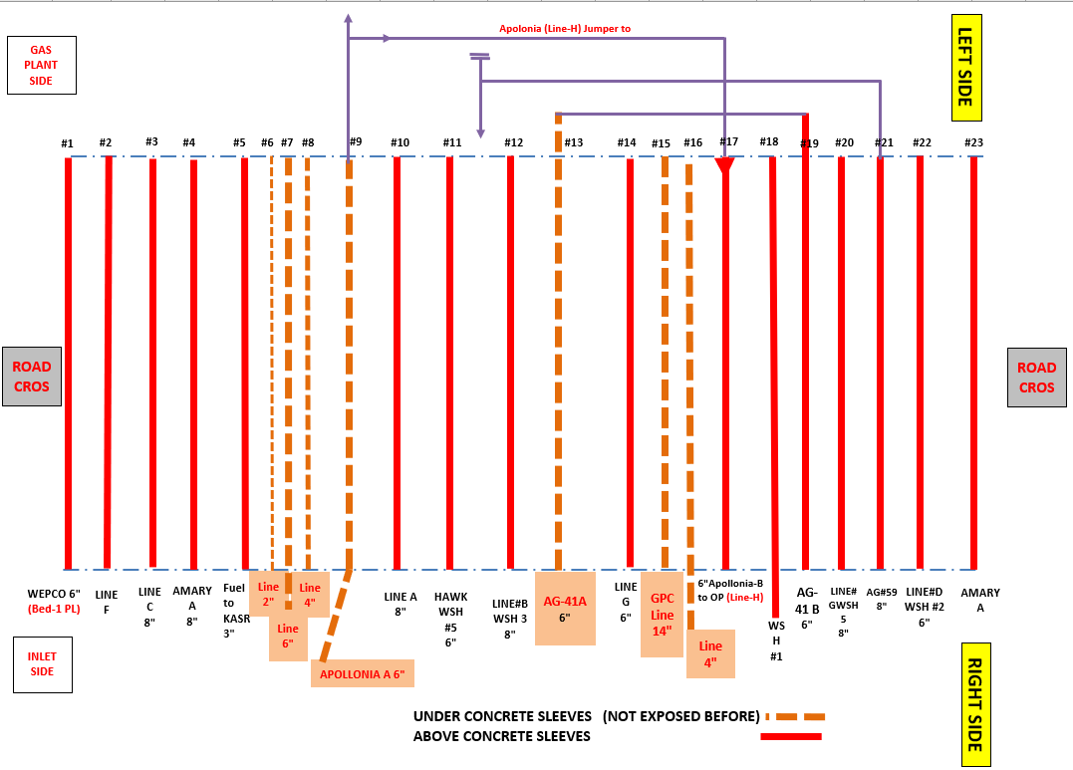
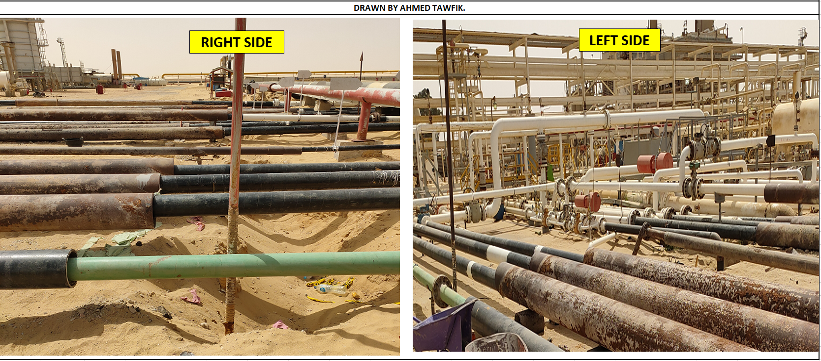
...
SN | Line desc. | Diam (in) | MOP | Last Insp Date | Next Insp Date | Sleeve Findings & Recommendation | AR#AG-409959 | Action Action | Ref. Action Taken Email / Date | Additional PL findings & Recommendation outside the Sleeve | Leak Remarks
17 | APOLLONIA-A | 6 | 100 | 2019-07-02 | NA | Automatic-Wrapped Spool, rusted and non-centered sleeve & under concrete | Not mentioned |  |  | Damaged wrapping but no observed CUW (Corr under Wrapping) Recommendation: Replace corroded bolts, nuts at 6 o'clock Right Side: Buried Deeply with high sand accumulation causing defected Wrapping at excavated points Recommendations: Apply New Wrapping – More Excavation needed.
18 | AG-41 A (OOS) | 6 | NA | 2019-10-02 | 2020-01-01 | Line is Out of service & cut on left side | Not mentioned |  |  | Right Side: Out of Service for more 20 years. Recommendations: Remove Corroded Section Left Side: Down Vertically, No full Access for insp, No Wrapping, Sever Ext. Corr. Recommendations: Remove Corroded Sections. More Excavation Needed
19 | GPC Line (Feeded by 8" GPC) | 14 | 1200 | 2019-03-03 | 2021-05-02 | Automatic wrapped spools, no confirmed sleeve & under concrete base | Not mentioned | Ongoing in 8-2024 |  | Right Side need Painting repair and wrapping (action taken: painting and wrapping excavated portion in 20-6-2020)
20 | GPC Flare Line | 4 | 300 | Never | NA | Not Applicable for inspection (High depth) |  |  |  | Not Applicable for inspection - High depth
21 | Line | 4 |  | NA | NA | Bare pipe, rusted, no confirmed sleeve & under concrete base | Not mentioned
22 | Line | 4 |  | NA | NA | Automatic wrapped spools, no confirmed sleeve & under concrete base | Not mentioned
23 | Line | 2 |  | NA | NA | Automatic wrapped spools, no confirmed sleeve & under concrete base | Not mentioned
24 | Line | 6 |  | NA | NA | Automatic wrapped spools (some defects), no confirmed sleeve & under concrete base | Not mentioned

Temp-Repair
...
Aug-24 | 55 | Aug-25 |  | WTR 31114-614
Aug-24 | 60 | Aug-25 |  | WTR 31114-613
Repair Expiration Date | Hardness (HB) tested before expire date | Revalidation of expire Date | Active | Recent Received Seharvest Report# | Remarks/Recommendations
2022-11-01 | Not Req. | Waiting Interteck Feedback | Active | NA | Internally Inspected after Nov-2022, and found satisfactory Belzona with minor defects found after cleaning and already fixed. So, required to revalidate the guarantee period by Intertech.
2025-07-01 |  |  | Active |  | Composite applied over clamp
Apr-29 | Within Due |  |  | Waiting design Report
2023-10-01 | NA | NA | Active | NA | The vessel is OOS & Ongoing permanent repair During repairing PFWKOD, all temporary-repaired-nozzles shall be replaced. In addition to replace the defected section of 24” inlet line, such that the 24” shall be modified to be out-of-sleeve (i.e, either on concrete slabs or be a reversed-U-shape) .. (the vessel out-of-sefvice for repair)
Oct-23 | NA | NA |  | NA
Oct-23 | NA | NA |  | NA
Mar-24 | NA | NA |  | WTR 31114-6
2023-04-01 | NA | NA | Active | NA | The vessel is OOS & waiting repair
2028-06-01 | Within Due | Not Req. yet | Active | WTR 31114-545
2022-11-01 | NA | NA | Active | WTR 3086-140 |  HSE confirmed that the fiber glass flanged line is still under SEAHARVEST-repair (Guarantee ended)
2039-03-01 | Within Due | Not Req. yet | Active | WTR 31114-4 | It’s considered as permanent repair because the repair design life will end 3-2039 in Shaa Allah. Note: At AG side, Belzona-Repaired section was already replaced during PL S/D.
 |  |  | Active |  | N.B: During excavation, found concrete block at Km66. So not sure if there’s a clamp underneath concrete or it’s just an anchor sleeve!
 |  |  |  |  | KM-44 Clamped section replaced by projects in 6-2022 (hot Tap), but 2 clampts at Km-28 & Km-50 still in place
...

Inspection Sequence
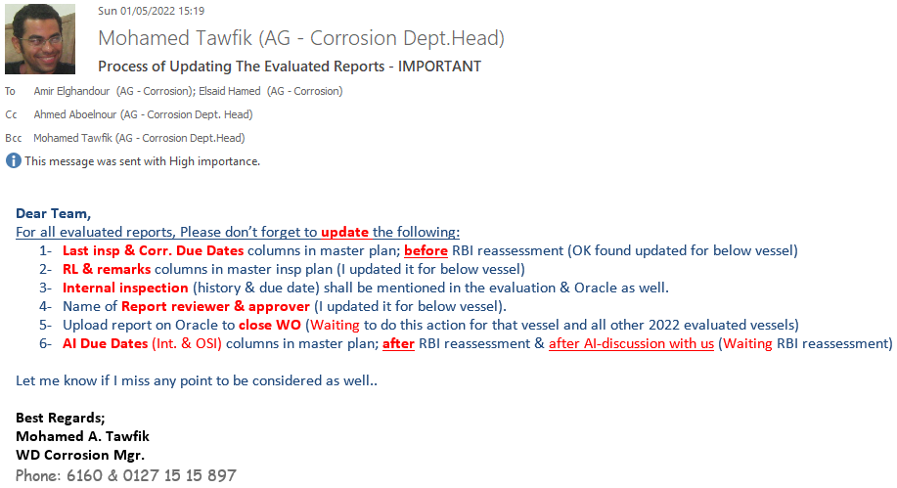
...
Any Report Required photos for the following: 1- Overall view for piping system & name plate for vessels/TKs. 2- Any Protection failure that causing corr like (Painting failure, wrapping damage, insulation cuts, sleeve-ends at road cross, .... etc) 3- Visual findings indicating external corrosion like (CUI, Atmospheric Corr, Soil Corr, Crevice Corr, Ice, humidity), mechanical defect, … etc 4- Any un-usual effects like (vibration, high sound like a leak, structure bending,....etc) 5- Any cut or failure of attachments like (Earthing cable, guage damage like Press & temp guages, support failure/bending ...etc)

Anodes Reporting& As-Found Insp
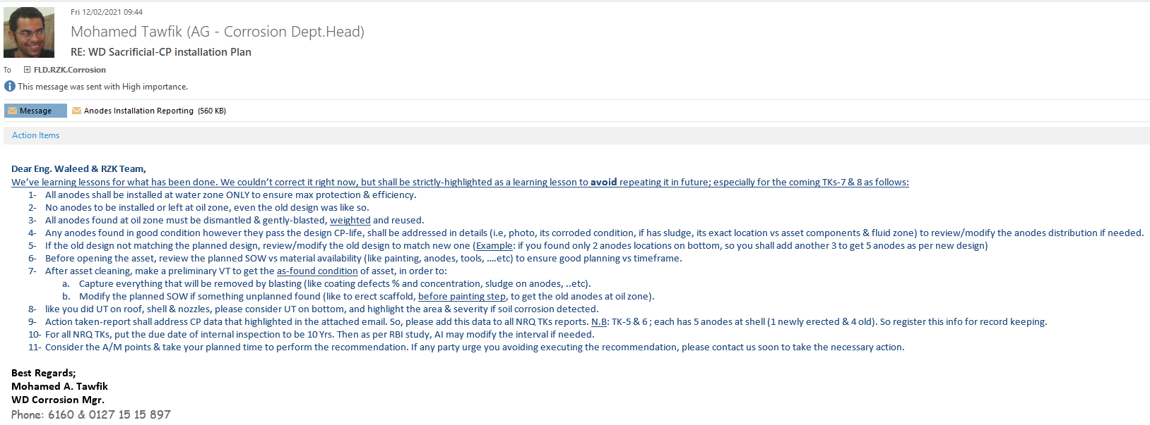

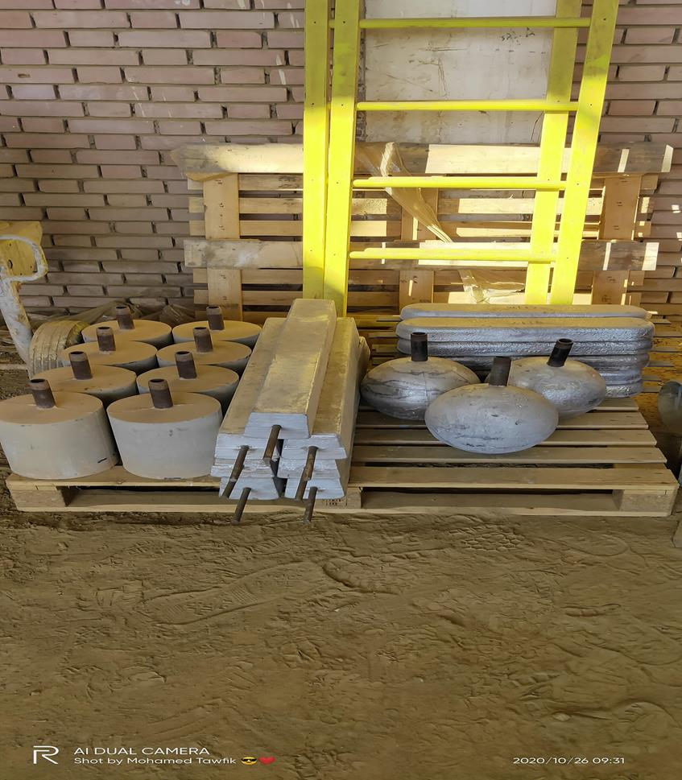

API-574 Tables & Pipe Sch
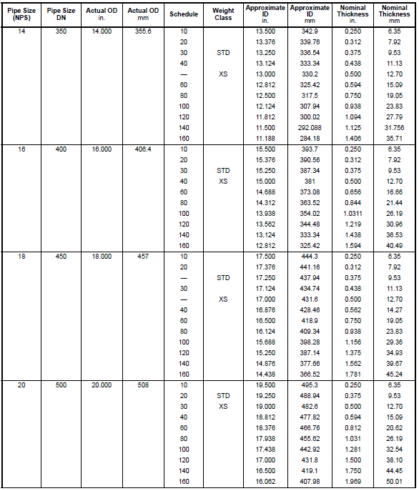
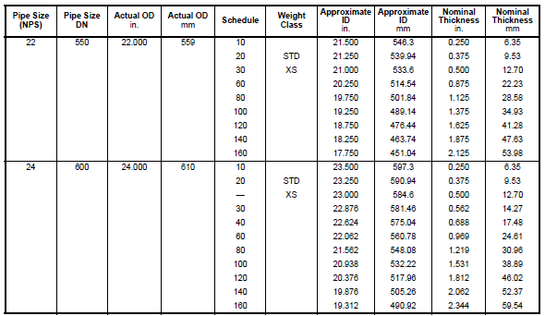
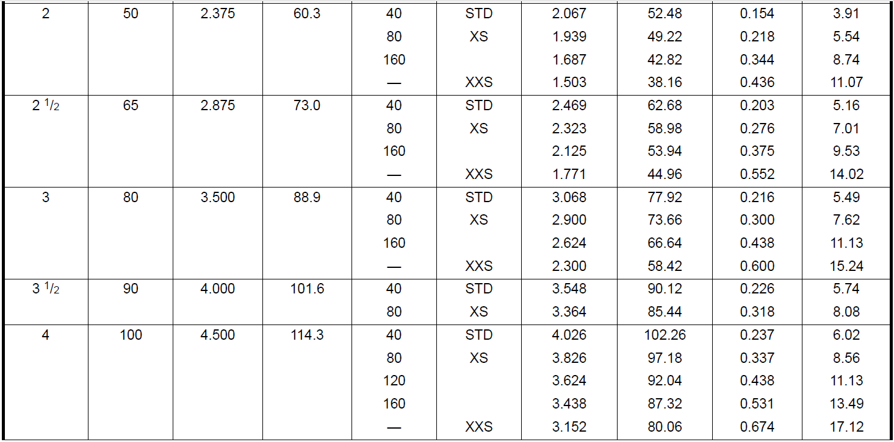
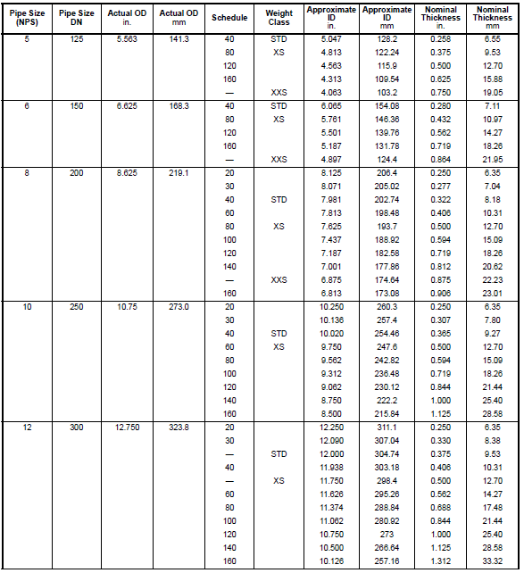
API-574 Tables & Pipe Sch

