Sheet1
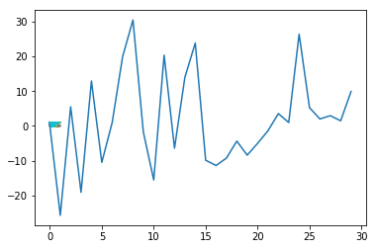
Independdent LR
Independent LR
 |  | LR from Scratch | Sklearn
diagnosis |  | L2 norm
radius_mean | 1 | -7.40E-03 | 0
texture_mean | 2 | -2.58E+01 | 0.69310273
perimeter_mean | 3 | 5.51E+00 | 0.74889515
area_mean | 4 | -1.91E+01 | 0.76485112
smoothness_mean | 5 | 1.29E+01 | 0.99703253
compactness_mean | 6 | -1.05E+01 | -0.21488682
concavity_mean | 7 | 9.75E-01 | 0.55437203
concave points_mean | 8 | 1.99E+01 | 1.64248906
symmetry_mean | 9 | 3.05E+01 | 2.33456278
fractal_dimension_mean | 10 | -1.77E+00 | 0.04669199
radius_se | 11 | -1.56E+01 | -1.30159327
texture_se | 12 | 2.04E+01 | 1.28968424
perimeter_se | 13 | -6.42E+00 | -0.36301494
area_se | 14 | 1.40E+01 | 1.00535739
smoothness_se | 15 | 2.39E+01 | 0.88130844
Scikit-learn LR
compactness_se | 16 | -9.89E+00 | -0.67541026
Scikit-learn LR
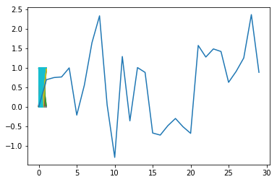
concavity_se | 17 | -1.14E+01 | -0.72874247
concave points_se | 18 | -9.27E+00 | -0.48697947
symmetry_se | 19 | -4.38E+00 | -0.3022146
fractal_dimension_se | 20 | -8.43E+00 | -0.51553419
radius_worst | 21 | -5.03E+00 | -0.68374043
texture_worst | 22 | -1.40E+00 | 1.57371518
perimeter_worst | 23 | 3.53E+00 | 1.27606352
area_worst | 24 | 9.72E-01 | 1.4843543
smoothness_worst | 25 | 2.64E+01 | 1.41841259
compactness_worst | 26 | 5.26E+00 | 0.62653777
concavity_worst | 27 | 2.00E+00 | 0.90772302
concave points_worst | 28 | 2.94E+00 | 1.25292759
symmetry_worst | 29 | 1.46E+00 | 2.36548035
fractal_dimension_worst | 30 | 9.90E+00 | 0.88320209

LR with L1Norm
Features | Feature LR Coefficients |  |  |  |  | L1Norm LR
radius_mean | -7.40E-03 |  |  |  | radius_mean | -2.10E-04 | 1
texture_mean | -2.58E+01 |  |  |  | texture_mean | -1.14E+01 | 2
perimeter_mean | 5.51E+00 |  |  |  | perimeter_mean | 2.50E-01 | 3
area_mean | -1.91E+01 |  |  |  | area_mean | -4.86E-01 | 4
smoothness_mean | 1.29E+01 |  |  |  | smoothness_mean | 3.16E-04 | 5
compactness_mean | -1.05E+01 |  |  |  | compactness_mean | -6.35E+00 | 6
concavity_mean | 9.75E-01 |  |  |  | concavity_mean | 3.49E-04 | 7
concave points_mean | 1.99E+01 |  |  |  | concave points_mean | 1.28E+01 | 8
symmetry_mean | 3.05E+01 |  |  |  | symmetry_mean | 1.78E+01 | 9
fractal_dimension_mean | -1.77E+00 |  |  |  | fractal_dimension_mean | -3.00E-04 | 10
radius_se | -1.56E+01 |  |  |  | radius_se | -1.01E+01 | 11
texture_se | 2.04E+01 |  |  |  | texture_se | 1.94E+01 | 12
perimeter_se | -6.42E+00 |  |  |  | perimeter_se | -3.70E+00 | 13
area_se | 1.40E+01 |  |  |  | area_se | 3.94E-04 | 14
smoothness_se | 2.39E+01 |  |  |  | smoothness_se | 3.45E-04 | 15
compactness_se | -9.89E+00 |  |  |  | compactness_se | -5.04E+00 | 16
concavity_se | -1.14E+01 |  |  |  | concavity_se | -2.38E+00 | 17
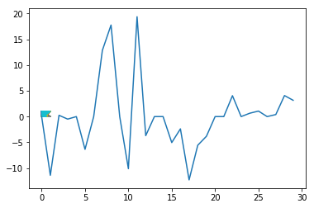
concave points_se | -9.27E+00 |  |  |  | concave points_se | -1.23E+01 | 18
symmetry_se | -4.38E+00 |  |  |  | symmetry_se | -5.56E+00 | 19
fractal_dimension_se | -8.43E+00 |  |  |  | fractal_dimension_se | -3.82E+00 | 20
radius_worst | -5.03E+00 |  |  |  | radius_worst | -4.17E-04 | 21
texture_worst | -1.40E+00 |  |  |  | texture_worst | 1.56E-04 | 22
perimeter_worst | 3.53E+00 |  |  |  | perimeter_worst | 4.05E+00 | 23
area_worst | 9.72E-01 |  |  |  | area_worst | 6.44E-04 | 24
smoothness_worst | 2.64E+01 |  |  |  | smoothness_worst | 6.55E-01 | 25
compactness_worst | 5.26E+00 |  |  |  | compactness_worst | 1.07E+00 | 26
concavity_worst | 2.00E+00 |  |  |  | concavity_worst | 5.68E-04 | 27
concave points_worst | 2.94E+00 |  |  |  | concave points_worst | 3.96E-01 | 28
symmetry_worst | 1.46E+00 |  |  |  | symmetry_worst | 4.08E+00 | 29
fractal_dimension_worst | 9.90E+00 |  |  |  | fractal_dimension_worst | 3.16E+00 | 30
Mean: | 1.72E+00

 |  |  |  | Selected Features:
 |  |  |  |  | texture_mean
 |  |  |  |  | compactness_mean
 |  |  |  |  | concave points_mean
 |  |  |  |  | symmetry_mean
 |  |  |  |  | radius_se
 |  |  |  |  | texture_se
 |  |  |  |  | perimeter_se
 |  |  |  |  | compactness_se
 |  |  |  |  | concavity_se
 |  |  |  |  | concave points_se
 |  |  |  |  | symmetry_se
 |  |  |  |  | fractal_dimension_se
 |  |  |  |  | perimeter_worst
 |  |  |  |  | smoothness_worst
 |  |  |  |  | compactness_worst
 |  |  |  |  | symmetry_worst
 |  |  |  |  | fractal_dimension_worst

