1. Instructions - Start Here!
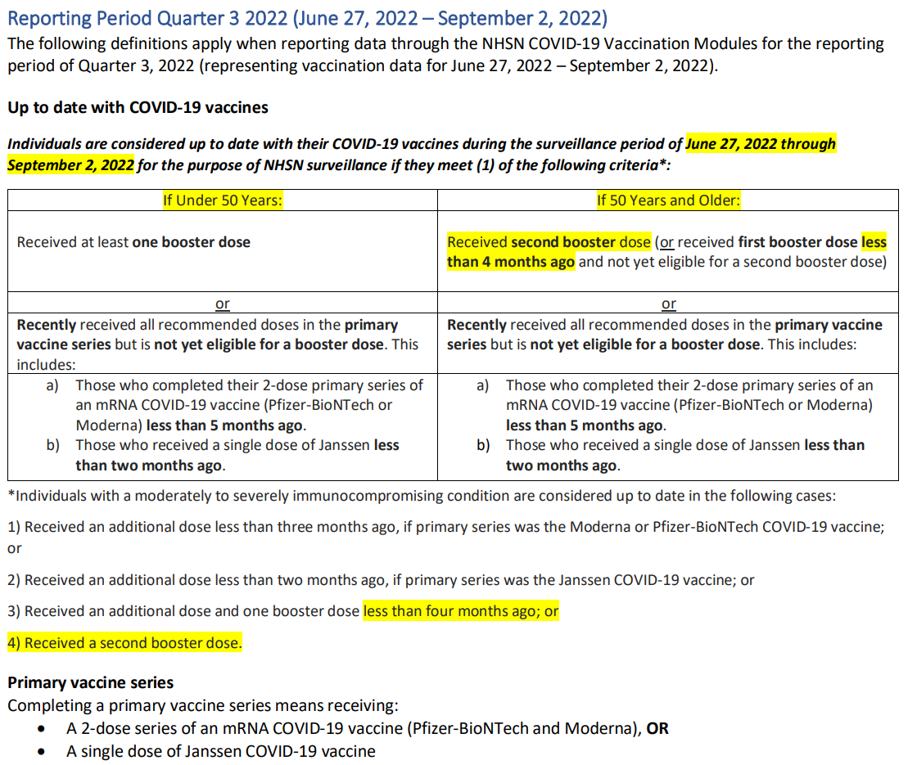
Contractor - Covid-19 Vaccine Mandate Compliance Submission Template

Overview: On August 30, 2021, the Colorado Department of Public Health & Environment, pursuant to its emergency rule making authority, issued regulations under Standards for Hospital and Health Facilities at 6 CCR 1011-1 Chapter 2, Part 12 (the “Emergency Standards”). The Emergency Standards require all Centura contractors working in Hospitals and Health Facilities to have their first dose of the COVID-19 vaccination no later than September 30, 2021, and the second dose of the COVID-19 vaccination no later than October 31, 2021. Therefore, Centura will be required to comply with this Emergency standards. The Emergency Standards require that each licensed entity report the number of vaccinated contractors to the state or those with exemptions. In order for Centura to show compliance to this Emergency Standard, we need you to provide the information required on the "Vendor Compliance Form" sheet in this workbook. This data must include the entire population at the time of submission. This data is NOT incremental to your last submission.

If you need any help with this MS Excel Template please send questions to: |  |  | VaccineMandateTemplate@Centura.org

Instructions: | 1 | Please save a copy of this template before attempting to fill it in.
 | 2 | Please complete the "Vendor Compliance Form" sheet (1 row for each vendor/facility combination)
 | 3 | If you have any Covid-19 exempt or not compliant resources include those individual's details on the "Exempt or Not Compliant" sheet (1 row for each exempt resource)
 | 4 | Please refer to the "Glossary" if needed for any definitions
 | 5 | Please email complete forms by the 10th and 24th of each month to: | ContractorVaccineMandate@Centura.org
Thank you for being a partner of Centura Health and all that you have done with us during these unprecedented times. Nearly 18 months after serving the first COVID-19 patient at Centura, we find ourselves in another challenging surge, prompting this new vaccine mandate. Your partnership is appreciated and thank you for your ability to adapt so that we may still compassionately deliver whole person care to our patients, our communities and one another!

