DFM Report
 |  |  |  | DFM REPORT
Company Name: |  |  |  |  |  | Approved Site(s) |  |  |  | Date: | 22/07/2020
Dell P/N and rev: |  | LA-J842P
Fab Print Gerber Rev: |  | X01
PWB Supplier P/N:

Panelization
Item |  |  |  |  |  |  |  |  |  |  | Conclusion
Profile Dimension |  |  |  |  | Piece Size (length x width) |  |  | 14.622" x 13.5276 |  |  | ok
 |  |  |  |  | Array Size (length x width) |  |  | 14.622" x 14.315" |  |  | ok
 |  |  |  |  | No. of Boards in Array |  |  | 1 |  |  | ok
Working Panel |  |  |  |  | Panel Size (length x width) |  |  | 18.2" x 16.1" |  |  | ok
 |  |  |  |  | No. of Boards on Panel |  |  | 1 |  |  | ok
Laminate |  |  |  |  | Sheet Size (length x width) |  |  | 48.5" x 36.5" |  |  | ok
 |  |  |  |  | No. of Boards on Sheet |  |  | 4 |  |  | ok
Percent Utilization |  |  |  |  | Panel Utilization (%) |  |  | 71.43% |  |  | ok
 |  |  |  |  | Sheet Utilization (%) |  |  | 70.94% |  |  | ok
Surface Finish |  |  |  |  | OSP |  |  | Gold Fingers - Tie Bar Connection |  | No | ok
Aspect Ratio |  |  |  |  | 7.4:1 |  |  | HDI |  | No | ok
Required coupons |  |  |  |  | IST | SI | Hi-Pot |  |  | YES | ok
Impedance Control |  |  |  |  | YES |  |  | Coupons Provided |  | YES | ok
Stackup Drawing Number (L-EMC) |  |  |  |  | Planar_14L_BU |  |  | 10 Degree Rotation (Yes/No) |  | No | ok
Stack-up
Material Requirement |  |  |  |  |  |  |  |  |  |  | Conclusion
Material Requirement |  |  | IT170GRA1 RTF2(RG311) |  |  |  |  |  |  |  | ok
Material Class |  |  | N/A |  |  |  |  |  |  |  | ok
Tg [C] |  |  | Tg>150 |  |  |  |  |  |  |  | ok
Nominal Board Thickness |  |  | 76 |  | Tolerance |  |  | +/-10% |  |  | ok
Layer Count |  | 14 |  |  |  |  |  |  |  |  | ok
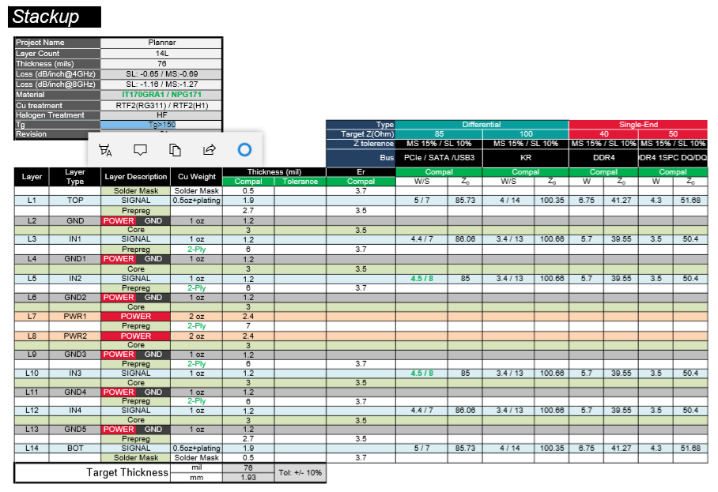 Attach stack up here (copy from fab print)

Stack-up Analysis
Material specified |  |  | Required Thk.(mil) |  | Construction |  | Estimated Thk.(mil) |  | Tolerance | Dk | Conclusion
L1 |  |  | 1.9 |  |  |  | 1.9
Prepreg |  |  | 2.7 |  | 1080*1 |  | 2.9 |  |  | 3.65 | ok
L2 |  |  | 1.2 |  |  |  | 1.2
Core |  |  | 3 |  | 1086*1 |  | 3 |  |  | 3.78 | ok
L3 |  |  | 1.2 |  |  |  | 1.2
Prepreg |  |  | 6 |  | 1086*2 |  | 6.45 |  |  | 3.59 | ok
L4 |  |  | 1.2 |  |  |  | 1.2
Core |  |  | 3 |  | 1086*1 |  | 3 |  |  | 3.78 | ok
L5 |  |  | 1.2 |  |  |  | 1.2
Prepreg |  |  | 6 |  | 1086*2 |  | 6.45 |  |  | 3.59 | ok
L6 |  |  | 1.2 |  |  |  | 1.2
Core |  |  | 3 |  | 1086*1 |  | 3 |  |  | 3.78 | ok
L7 |  |  | 2.4 |  |  |  | 2.4
Prepreg |  |  | 7 |  | 1080*2 |  | 5.3 |  |  | 3.65 | ok
L8 |  |  | 2.4 |  |  |  | 2.4
Core |  |  | 3 |  | 1086*1 |  | 3 |  |  | 3.78 | ok
L9 |  |  | 1.2 |  |  |  | 1.2
Prepreg |  |  | 6 |  | 1086*2 |  | 6.45 |  |  | 3.59 | ok
L10 |  |  | 1.2 |  |  |  | 1.2
Core |  |  | 3 |  | 1086*1 |  | 3 |  |  | 3.78 | ok
L11 |  |  | 1.2 |  |  |  | 1.2
Prepreg |  |  | 6 |  | 1086*2 |  | 6.45 |  |  | 3.59 | ok
L12 |  |  | 1.2 |  |  |  | 1.2
Core |  |  | 3 |  | 1086*1 |  | 3 |  |  | 3 | ok
L13 |  |  | 1.2 |  |  |  | 1.2
Prepreg |  |  | 2.7 |  | 10801*1 |  | 2.9 |  |  | 3.65 | ok
L14 |  |  | 1.9 |  |  |  | 1.9

Total Thickness |  |  | 76 |  |  |  | 75.5 |  |  |  | ok
Material Details
Core / Prepreg |  |  | Identification |  | Thickness(MIL) |  | Tolerance |  | Resin Content (%) |  | Conclusion
Prepreg |  |  | 1080 |  | 3.1 |  |  |  | 65% |  | ok
Prepreg |  |  | 1086 |  | 3.8 |  |  |  | 68% |  | ok
Core |  |  | 3mil 1/1 |  | 3 |  | +/-0.5mil |  |  |  | ok

Impedance
Impedance Design Review
Type | Layer | Z0(ohms) | Measure | Guard Band | Design |  | Compensation |  | Finish |  | Conclusion
 |  |  |  |  | LW(mil) | LS(mil) | LW(mil) | LS(mil) | LW(mil) | LS(mil)
Diff | L1 | 85ohm +/-15% | Coupon |  | 5 | 7 | 5.9 | 6.1 | 5.1 | 6.9 | ok
Diff | L1 | 100ohm +/-15% | Coupon |  | 4 | 14 | 4.95 | 13.05 | 4.15 | 13.85 | ok
Single | L1 | 40ohm +/-15% | Coupon |  | 6.75 | / | 7.9 | / | 7.1 | / | ok
Single | L1 | 50ohm +/-15% | Coupon |  | 4.3 | / | 5.3 | / | 4.5 | / | ok
Diff | L3 | 85ohm +/-10% | Coupon |  | 4.4 | 7 | 5.25 | 6.15 | 4.25 | 7.15 | OK
Diff | L3 | 100ohm +/-10% | Coupon |  | 3.4 | 14 | 4.4 | 13 | 3.4 | 14 | OK
Single | L3 | 40ohm +/-10% | Coupon |  | 5.7 | / | 6.2 | / | 5.2 | / | OK
Single | L3 | 50ohm +/-10% | Coupon |  | 3.5 | / | 4.25 | / | 3.25 | / | OK
Diff | L5 | 85ohm +/-10% | Coupon |  | 4.5 | 8 | 5.35 | 7.15 | 4.35 | 8.15 | OK
Diff | L5 | 100ohm +/-10% | Coupon |  | 3.4 | 13 | 4.2 | 12.2 | 3.2 | 13.2 | OK
Single | L5 | 40ohm +/-10% | Coupon |  | 5.7 | / | 6.2 | / | 5.2 | / | OK
Single | L5 | 50ohm +/-10% | Coupon |  | 3.5 | / | 4.25 | / | 3.25 | / | OK
Diff | L10 | 85ohm +/-10% | Coupon |  | 4.5 | 8 | 5.35 | 7.15 | 4.35 | 8.15 | OK
Diff | L10 | 100ohm +/-10% | Coupon |  | 3.4 | 13 | 4.2 | 12.2 | 3.2 | 13.2 | OK
Single | L10 | 40ohm +/-10% | Coupon |  | 5.7 | / | 6.2 | / | 5.2 | / | OK
Single | L10 | 50ohm +/-10% | Coupon |  | 3.5 | / | 4.25 | / | 3.25 | / | OK
Diff | L12 | 85ohm +/-10% | Coupon |  | 4.4 | 7 | 5.25 | 6.15 | 4.25 | 7.15 | OK
Diff | L12 | 100ohm +/-10% | Coupon |  | 3.4 | 14 | 4.4 | 13 | 3.4 | 14 | OK
Single | L12 | 40ohm +/-10% | Coupon |  | 5.7 | / | 6.2 | / | 5.2 | / | OK
Single | L12 | 50ohm +/-10% | Coupon |  | 3.5 | / | 4.25 | / | 3.25 | / | OK
Diff | L14 | 85ohm +/-15% | Coupon |  | 5 | 7 | 5.9 | 6.1 | 5.1 | 6.9 | ok
Diff | L14 | 100ohm +/-15% | Coupon |  | 4 | 14 | 4.95 | 13.05 | 4.15 | 13.85 | ok
Single | L14 | 40ohm +/-15% | Coupon |  | 6.75 | / | 7.9 | / | 7.1 | / | ok
Single | L14 | 50ohm +/-15% | Coupon |  | 4.3 | / | 5.3 | / | 4.5 | / | ok
Impedance Coupon Review
Requirement |  |  | Coupon | Location |  |  | Gnd Connection |  | Measurement |  | Conclusion
Layer | Ref(1) | Ref(2) | Supplied | Board | Rail | Panel | Gnd(1) | Gnd(2) | Pitch | S/M open
 |  |  |  |  |  |  |  |  |  |  | No

Impedance Pattern Review
Coupon Impedance Trace |  |  | Other Considerations |  |  |  |  |  |  |  | Conclusion
Layer | Length | Routing | Drill on trace |  | Thieving |  | Anti-pad |  | Other traces
 |  |  |  |  |  |  |  |  |  |  | No

DRILLING
CONVENTIONAL DRILLING
FHS (in) |  | tolerance | Type |  | Qty |  | Drill Bit Size |  |  |  | Conclusion
 |  |  |  |  |  |  | mm |  | in
0.008 |  | +0.003/-0.005 | Plated |  | 8 |  | 0.25 |  | 0.0098 |  | OK
0.009 |  | +0.003/-0.003 | Plated |  | 13614 |  | 0.25 |  | 0.0098 |  | OK
0.010 |  | +0.003/-0.003 | Plated |  | 11621 |  | 0.30 |  | 0.0118 |  | OK
0.028 |  | +0.003/-0.003 | Plated |  | 18 |  | 0.80 |  | 0.0315 |  | OK
0.031 |  | +0.003/-0.003 | Plated |  | 15 |  | 0.90 |  | 0.0354 |  | OK
0.032 |  | +0.003/-0.003 | Plated |  | 40 |  | 0.90 |  | 0.0354 |  | OK
0.034 |  | +0.003/-0.003 | Plated |  | 6 |  | 0.95 |  | 0.0374 |  | OK
0.036 |  | +0.003/-0.003 | Plated |  | 38 |  | 1.00 |  | 0.0394 |  | OK
0.039 |  | +0.003/-0.003 | Plated |  | 1 |  | 1.10 |  | 0.0433 |  | OK
0.040 |  | +0.003/-0.003 | Plated |  | 78 |  | 1.10 |  | 0.0433 |  | OK
0.043 |  | +0.003/-0.003 | Plated |  | 13 |  | 1.20 |  | 0.0472 |  | OK
0.047 |  | +0.003/-0.003 | Plated |  | 26 |  | 1.30 |  | 0.0512 |  | OK
0.051 |  | +0.003/-0.003 | Plated |  | 8 |  | 1.40 |  | 0.0551 |  | OK
0.053 |  | +0.003/-0.003 | Plated |  | 2 |  | 1.45 |  | 0.0571 |  | OK
0.055 |  | +0.003/-0.003 | Plated |  | 2 |  | 1.50 |  | 0.0591 |  | OK
0.080 |  | +0.003/-0.003 | Plated |  | 2 |  | 2.15 |  | 0.0846 |  | OK
0.039*0.059 |  | +0.003/-0.003 | Plated-slot |  | 4 |  | 1.10 |  | 0.0433 |  | OK
0.024*0.063 |  | +0.003/-0.003 | Plated-slot |  | 2 |  | 0.70 |  | 0.0276 |  | OK
0.024*0.094 |  | +0.003/-0.003 | Plated-slot |  | 2 |  | 0.70 |  | 0.0276 |  | OK
0.047*0.096 |  | +0.003/-0.003 | Plated-slot |  | 32 |  | 1.30 |  | 0.0512 |  | OK
0.024*0.122 |  | +0.003/-0.003 | Plated-slot |  | 2 |  | 0.70 |  | 0.0276 |  | OK
0.039 |  | +0.003/-0.001 | Non-plated |  | 5 |  | 1.00 |  | 0.0394 |  | OK
0.040 |  | +0.003/-0.001 | Non-plated |  | 6 |  | 1.05 |  | 0.0413 |  | OK
0.043 |  | +0.003/-0.001 | Non-plated |  | 1 |  | 1.10 |  | 0.0433 |  | OK
0.047 |  | +0.003/-0.001 | Non-plated |  | 10 |  | 1.20 |  | 0.0472 |  | OK
0.051 |  | +0.003/-0.001 | Non-plated |  | 20 |  | 1.35 |  | 0.0531 |  | OK
0.057 |  | +0.003/-0.001 | Non-plated |  | 2 |  | 1.50 |  | 0.0591 |  | OK
0.063 |  | +0.003/-0.001 | Non-plated |  | 1 |  | 1.65 |  | 0.0650 |  | OK
0.094 |  | +0.003/-0.001 | Non-plated |  | 2 |  | 2.40 |  | 0.0945 |  | OK
0.098 |  | +0.003/-0.001 | Non-plated |  | 2 |  | 2.50 |  | 0.0984 |  | OK
0.102 |  | +0.003/-0.001 | Non-plated |  | 3 |  | 2.60 |  | 0.1024 |  | OK
0.108 |  | +0.003/-0.001 | Non-plated |  | 4 |  | 2.75 |  | 0.1083 |  | OK
0.118 |  | +0.003/-0.001 | Non-plated |  | 2 |  | 3.05 |  | 0.1201 |  | OK
0.122 |  | +0.002/-0.002 | Non-plated |  | 1 |  | 3.10 |  | 0.1220 |  | OK
0.125 |  | +0.002/-0.002 | Non-plated |  | 3 |  | 3.20 |  | 0.1260 |  | OK
0.135 |  | +0.002/-0.002 | Non-plated |  | 12 |  | 3.425 |  | 0.1348 |  | OK
0.138 |  | +0.002/-0.002 | Non-plated |  | 13 |  | 3.50 |  | 0.1378 |  | OK
0.165 |  | +0.002/-0.002 | Non-plated |  | 2 |  | 4.20 |  | 0.1654 |  | OK
0.250 |  | +0.002/-0.002 | Non-plated |  | 1 |  | 6.35 |  | 0.2500 |  | OK
0.118*0.150 |  | +0.003/-0.003 | Non-plated slot |  | 1 |  | 3.00 |  | 0.1181 |  | OK
0.165*0.187 |  | +0.003/-0.003 | Non-plated slot |  | 1 |  | 4.20 |  | 0.1654 |  | OK

HDI
FHS (in) |  | Type | Layers |  | Qty | DHS | Pad Size | Capture Pad Size | Dielectric Thkness | Aspect Ratio | Conclusion

 |  |  |  |  |  |  |  |  |  |  | No
Design
Netlist Analysis
Netlist Analysis |  |  | Requirement |  | Result |  |  |  | Report |  | Conclusion
 |  |  |  |  | No. of Short |  | No. of Broken
Comparison |  |  | Yes |  | 16 |  | 0 |  | OK |  | OK

Pattern/Design Review
Internal Layer |  |  | Design Requirement |  | Result |  |  |  |  |  | Conclusion
 |  |  |  |  | Compensation/Action |  |  | Finish/Actual
Annular Ring |  |  | 4.5mil |  | 5.5mil |  |  | 5.0mil |  |  | ok
Clearance |  |  | 9.0mil |  | 8.0mil |  |  | 8.0mil |  |  | ok
Teardrop |  |  | Option |  | add |  |  | add |  |  | ok
Min. Line Width |  |  | 3.4mil |  | 4.4mil |  |  | 3.4mil |  |  | ok
Min. Spacing - Trace to Trace |  |  | 3.97mil |  | 2.97mil |  |  | 3.97mil |  |  | ok
Other |  |  | BP coupon clearance 6mil |  | 5.0mil |  |  | 5.0mil |  |  | ok
External Layer |  |  | Design Requirement |  | Result |  |  |  |  |  | Conclusion
 |  |  |  |  | Compensation/Action |  |  | Finish/Actual
Annular Ring |  |  | 4.5mil |  | 5.3mil |  |  | 4.5mil |  |  | ok
Teardrop |  |  | Option |  | add |  |  | add |  |  | ok
Thieving |  |  | TQ |  | TQ |  |  | TQ
Thieving to conductor space (min) |  |  | TQ |  | TQ |  |  | TQ
Min. Line width |  |  | 3.5mil |  | 4.3mil |  |  | 3.5mil |  |  | ok
Min. Spacing - Trace to Trace |  |  | 3.97mil |  | 3.0mil |  |  | 3.97mil |  |  | ok
Min. Spacing - Pad to Trace |  |  | 4.0mil |  | 3.0mil |  |  | 4.0mil |  |  | ok
Other |  |  | N/A |  | N/A |  |  | N/A |  |  | ok
Soldermask Layer |  |  | Design Requirement |  | Result |  |  |  |  |  | Conclusion
 |  |  |  |  | Compensation/Action |  |  | Finish/Actual
Clearance |  |  | 2.0mil |  | 2.5mil |  |  | 2.0mil |  |  | ok
Minimum soldermask dam |  |  | 2.6mil |  | 2.5mil |  |  | 2.5mil |  |  | ok
Color |  |  | yellow |  | yellow |  |  | yellow |  |  | ok
Via Plug |  |  | TQ |  | TQ |  |  | TQ |  |  | ok
No test points plugged |  |  | TQ |  | TQ |  |  | TQ |  |  | ok
Other |  |  | N/A |  | N/A |  |  | N/A |  |  | ok
Silkscreen Layer |  |  | Design Requirement |  | Result |  |  |  |  |  | Conclusion
 |  |  |  |  | Compensation/Action |  |  | Finish/Actual
Width |  |  | 5.0mil |  | 5.0mil |  |  | 5.0mil |  |  | ok
Color |  |  | white |  | white |  |  | white |  |  | ok
Location |  |  | Both |  | Both |  |  | Both |  |  | ok
Clearance violations |  |  | Yes |  | Yes |  |  | Yes |  |  | ok
Other |  |  | N/A |  | N/A |  |  | N/A |  |  | ok
Profile Review |  |  | Design Requirement |  | Result |  |  |  |  |  | Conclusion
 |  |  |  |  | Capability |  |  | Suggestion
Dimension |  |  | Per Fab print |  | ok |  |  | ok |  |  | ok
Critical tolerance (min) |  |  | N/A |  | N/A |  |  | N/A |  |  | ok
Bevel |  | Angle | N/A |  | N/A |  |  | N/A |  |  | ok
 |  | Depth | N/A |  | N/A |  |  | N/A |  |  | ok
 |  | Remaining | N/A |  | N/A |  |  | N/A |  |  | ok
V-score |  | Angle | N/A |  | N/A |  |  | N/A |  |  | ok
 |  | Depth | N/A |  | N/A |  |  | N/A |  |  | ok
 |  | Remaining | N/A |  | N/A |  |  | N/A |  |  | ok
Other |  |  | N/A |  | N/A |  |  | N/A |  |  | ok
Marking Review |  |  | Design Requirement |  | Result |  |  |  |  |  | Conclusion
 |  |  |  |  | Location/Method |  |  | Format
UL logo |  |  | Per Fab print |  | Bottom/silkscreen |  |  |  |  |  | OK
Date Code |  |  | Per Fab print |  | Bottom/silkscreen |  |  | YY WW |  |  | OK
Origin of country |  |  | Per Fab print |  | Bottom/silkscreen |  |  | MADE IN CHINA |  |  | OK
Revision number |  |  | Per Fab print |  | Bottom/silkscreen |  |  | X01 |  |  | OK
2D Bar Code Location |  |  | Per Fab print |  | Top |  |  | As required |  |  | OK
Other |  |  | N/A |  | N/A |  |  | N/A |  |  | OK
Electrical Test: 4 Wire |  |  | Per Fab print |  |  | No |  | No |  |  | OK
 |  |  |  |  |  |  |  |  |  |  | OK
Summary/Comments/Concerns/Questions
Item No | Issue |  |  |  |  |  |  |  |  | Customer Response |  | TQ stutas
1 | Two material IT170GRA1 [RTF2(RG311)] and NPG171[RTF2(H1)] is called for stack up. Suggestion: TTM GZ will use stack up with material IT170GRA1 [RTF2(RG311)] for PCB manufacture. The dielectric thickness was calculated base on copper density of current gerber data and minor change to dielectric thickness and impendace trace width. keep the same core and prepreg type as previous approved stack up. For the impedance controlled required in initial stack up but trace missing in CAD. For example, 4/14mil diff trace is required to layer 14 but is not designed in CAD, TTM will ignore the impedance requirement. Please see the updated stack up and reconfirm. |  |  |  |  |  |  |  |  | SI:OK |  | closed
2 | Fabrication note 5 requires to add marking "manufacturer LOGO/UL mark/UL type" to the inidicated silkscreen area. Bottom silkscreen show the "Vendor" & "UL indicator" location. Suggestion: Will add TTM LOGO to "vendor" area and add UL symbol & UL code to "UL indicator" area. 2D code will be added to indicated area on top silkscreen. The date code and job code will be added to blank area on top silscreen. Please confirm. |  |  |  |  |  |  |  |  | OK |  | closed
3 | Different bevelling depth is called in unit mm and inch respectively. Suggestion: TTM will control the bevelling depth as 0.62mm+/-0.13mm. Please confirm. |  |  |  |  |  |  |  |  | OK |  | closed
4 | Tolerence is missing to the bevelling angle 30°. Suggestion: TTM will control the bevelling angle within 30°+/-5°. Please confirm. |  |  |  |  |  |  |  |  | OK |  | closed
5 | The test vias do not have solder mask opening on non-test side. For example, if test via with test pad on top side, then the non-test side is bottom side with solder mask covered. Suggestion: For the test vias, TTM propose to add solder mask opening (drill hole size +6mil) on non-test side. Please confirm. [Suggestion-2nd] If follow gerber, these vias will be covered with solder mask on one side. Because small drill bit, the vias may be blocked by solder mask and cause chemical trapped issue during. Please reconsider our proposal to add solder mask opening (drill hole size +6mil) on non-test side. It will keep the vias without solder mask plugging. |  |  |  |  |  |  |  |  | Please follow gerber 塞孔要求见#6的附图 |  | closed
6 | Some vias have solder mask (sm) opening greater than pad size on one side but without sm opening on opposite side. Please see attached picture for reference. These vias are not defined as test vias according to tpc_via layer and tps_via layer. Suggestion: For similar design, TTM will regard these vias as test vias and add solder mask opening (drill hole size +6mil) on non-test side. Please confirm. [Suggestion-2nd] If follow gerber, these vias will be covered with solder mask on one side. Because small drill bit, the vias may be blocked by solder mask and cause chemical trapped issue during. Please reconsider our proposal to add solder mask opening (drill hole size +6mil) on non-test side. It will keep the vias without solder mask plugging. |  |  |  |  |  |  |  |  | Please follow gerber 塞孔要求见#6的附图 |  | closed
7 | The vias without solder mask (sm) opening on both sides. The fabrication note/document do not indicate how to deal with these vias. Suggestion A) Plugging these vias with solder mask and control the plugging depth as >=70%. Suggestion B) Fill these vias with resin and cap plating over. |  |  |  |  |  |  |  |  | A |  | closed
8 | The back drill vias will be plugged by solder mask. then the back drill will be plugged by solder mask too. But TTM do not guarantee full plug the back drill. If the back drill vias filled with resin, then back drill will be filled with resin. Suggestion: Please confirm. |  |  |  |  |  |  |  |  | This version does not require backdrill. |  | closed
9 | The drawing do not call gold finger design with gold plating. Suggestion: TTM will regard these finger pads without gold plating. Please confirm. [Suggestion-2nd] The design have finger pin. Need your team recheck if they are real gold finger and need gold plating. |  |  |  |  |  |  |  |  | Please follow gerber(This is connector not gold finger) |  | closed
10 | The pad edge was covered with solder mask 1mil. The pad edge may be exposed due to registration issue. Suggestion: For similar design, the pad edge exposed should be acceptable. Please confirm. [Suggestion-2nd] If follow gerber, the pad edge may be not covered with solder mask because of registration issue. Please reconfirm. |  |  |  |  |  |  |  |  | Reject. Please follow gerber |  | closed
11 | The registration coupon (beep coupon) with dia 8mil vias with solder mask opening on both side. Hole wall to copper is 6mil in CAD. Suggestion: TTM propose to use 0.25mm(9.84mil) drill bit to beep coupon and keep 5mil clearance from drill hole wall to copper on production tool. Please confirm. |  |  |  |  |  |  |  |  | OK |  | closed
12 | At BGA area, some SMD pad to via pad is less than 5mil. Please see attached picture for reference. It will lead to the edge of via pad exposed. Suggestion: For similar case, TTM propose to shave SMD pad to keep 5mil space. Please confirm. [Suggestion-2nd] If follow gerber, the part of via pad may be not covered with solder mask because of registration issue. Please reconfirm. |  |  |  |  |  |  |  |  | Reject. Please follow gerber |  | closed
13 | Via hole wall to solder mask opening area is 5mil. If the via plugged, the solder mask in hole may be spurted and encroach onto opening area. Suggestion: TTM propose to shave opening area to keep 6mil space to hole wall. Please confirm. |  |  |  |  |  |  |  |  | Please follow gerber |  | closed
14 | In CAD, the breakaway area do not have any copper pattern. Suggestion: TTM will add copper plane to GND layers and add dummy pads (30x30mil with pitch 50mil and keep 30mil space to copper or hole) to outer layers & SIG layers. Please confirm. [Suggestion-2nd] This issue is concerned to breakaway area. Not concern to the PCB area. The PCB function will not be affected when adding dummy pad / copper plane to breakaway area on outer & inner layers. If inner breakaway area without any copper, it will result in uneven pressing and resin starvation during lamination as well as cause warpage problems. Please reconsider our proposal that add copper plane to GND layers and add dummy pads (30x30mil with pitch 50mil and keep 30mil space to copper or hole) to outer layers & SIG layers. |  |  |  |  |  |  |  |  | In board, Inner layers can't be added dummy pad. Outer layers is OK( the breakaway area no concern) |  | closed
15 | PCB revision is X10. The provided Delta-L coupon with revision X00. Suggestion: TTM will disregard the different revision and just use received gerber data to do. Please confirm. |  |  |  |  |  |  |  |  | OK |  | closed
16 | Delta-L coupon have marked "vendor" & date code & job code area on top silkscreen. Suggestion: TTM will add TTM logo & UL marking & UL code and date code / lot code as comments in attached picture. Please confirm. |  |  |  |  |  |  |  |  | OK |  | closed
17 | Marking "ROUTE KEEPOUT THRU ALL" & "dia 165mil" is marked on drawing. TTM do not know what's meaning. Suggestion: TTM propose to ignore these marking and just follow CAD and drill table to control the non-plated hole. Please confirm. |  |  |  |  |  |  |  |  | Please follow gerber and drill chart. |  | closed
18 | Some dimensions can't be measured in CAD. Please see attached picture for details. Suggestion: TTM propose to ignore these dimensions. |  |  |  |  |  |  |  |  | Please follow drill chart. |  | closed
19 | The hole size is different in unit inch and mm. Please see attached picture for reference. Suggestion: For similar case, TTM will ignore the hole size is in mm. Just follow drill table to control the finished hole size. |  |  |  |  |  |  |  |  | Please follow drill chart. |  | closed
20 | The drawing show the "DETAIL J". Suggestion: TTM will regard "DETAIL J" include all the information as marked in attached picture. Just follow the CAD and drill table to do. |  |  |  |  |  |  |  |  | Please follow gerber and drill chart. |  | closed
21 | Usually TTM need 8mil space to envelop the NPTH during plating process. The NPTH to pad is 6.6mil in CAD. If follow CAD to do, the NPTH will be drilled at second drilling with take more time. It will lead to cost increased. Suggestion 1: For similar design, TTM propose to shave PTH pad 1.4mil(max) to keep space 8mil from NPTH hole wall to copper pad. Suggestion 2: For similar design, TTM propose to change the NPTH size from 39mil to 36mil. Then TTM can use smaller drill size and keep 8mil(min) space from NPTH hole wall to copper pad. |  |  |  |  |  |  |  |  | Please follow ENG0019680 DHS + 8 mils for tangency and Solder web >=3mil |  | closed
22 | Your team reply to issue 8 that "This version does not require backdrill". The original CAD have back drill design and the annular ring of back drill via is 2mil. Please see attached picture "#22" for reference. Suggestion: Because your team inform us that this version does not require backdrill, TTM will disregard the back drill layers in initial gerber. The related annular ring will be increased to 4.5mil as normal. Please confirm. |  |  |  |  |  |  |  |  | 此版無需Backdrill,請忽略Gerber 內Backdrill 相關訊息。 |  | closed
23 | "903217_V1.0 Server PCB 允收標準" is mentioned to reply of issue 5 & 6. TTM GZ do not have this spec. Suggestion: TTM just follow it to cotrol the plugging depth only. Please confirm. |  |  |  |  |  |  |  |  | 规范运用见附图 |  | closed
24 | Yellow solder mask is required to this version. TTM do not get UL approval to IT170GRA1+Yellow solder mask at this stage. But we get UL approval with blue solde mask and green solder mask. Suggestion: TTM propose to waiver UL to this version. It means that UL mark/UL type will not be added. Please confirm. |  |  |  |  |  |  |  |  |  |  | Pending
25 | 2D code area is indicated in top silkscreen. But the design do not have space to add hurman readable code near the 2D code area. Suggestion: TTM will adjust the 2D code location and leave space to add hurman readable code. Please see attached picture for details and confirm. |  |  |  |  |  |  |  |  |  |  | Pending
26 | "903217_V1.0 Server PCB 允收標準" requires "PCB尺寸≦300x300mm者，板翹不可超過0.7%，1.2mm Max.； PCB尺寸>300x300mm者，板翹不可超過0.7%，1.5mm Max". Dell spec ENG0019680 calls 板弯曲0.5% max. Suggestion: .建議兩種情況都允許2.0mm max. 對於一個這長小於300mm,一個邊長大於300mm的情況，建議仍按不可超過0.7%,2.0mm max。 |  |  |  |  |  |  |  |  |  |  | Pending

#1
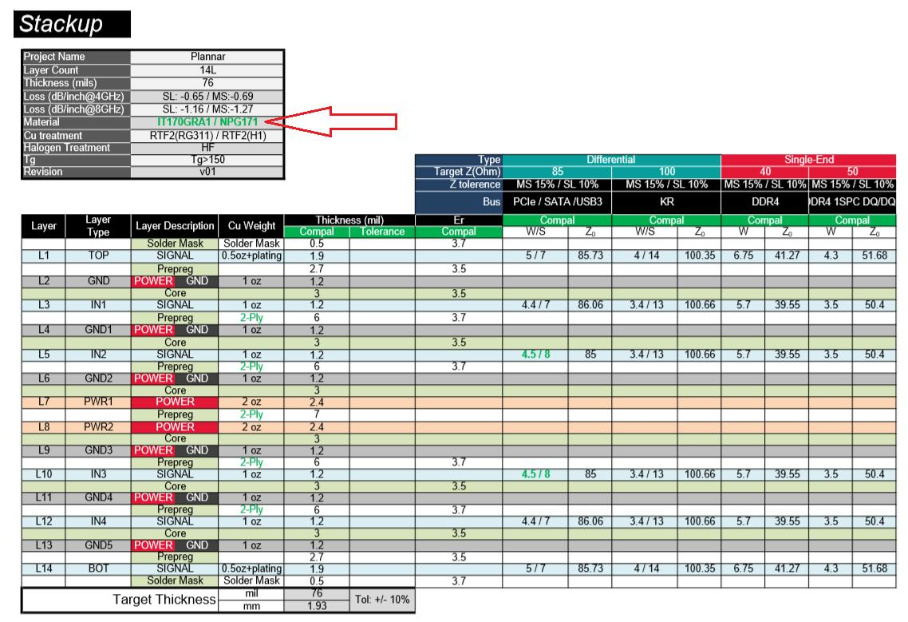

#2
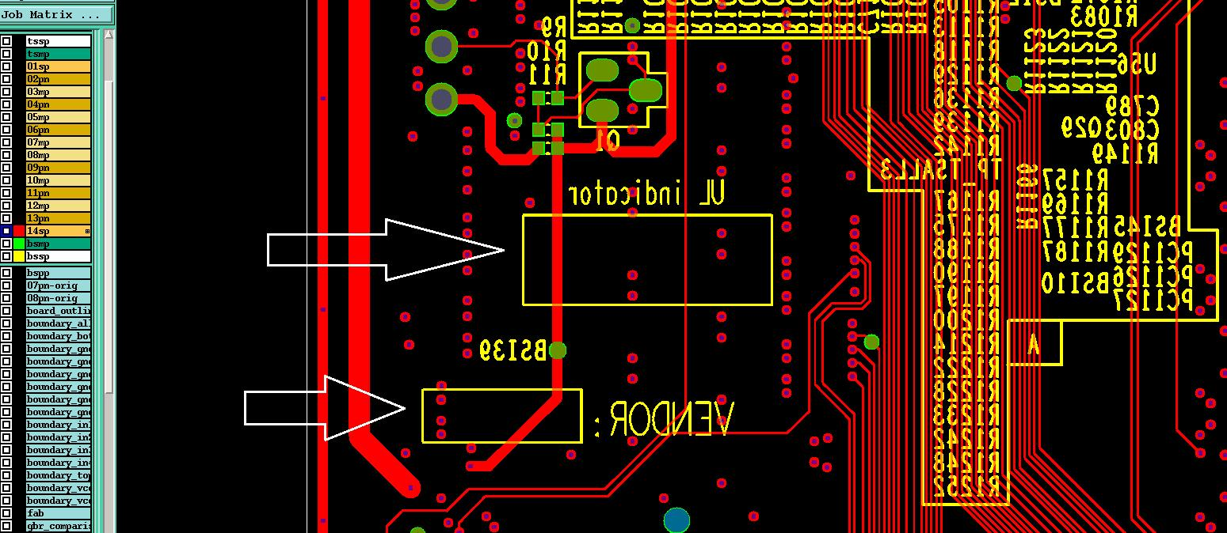

#3
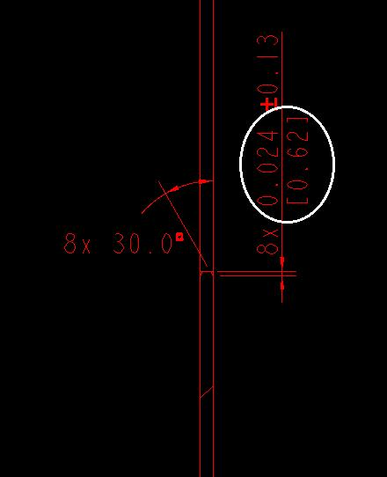

#6

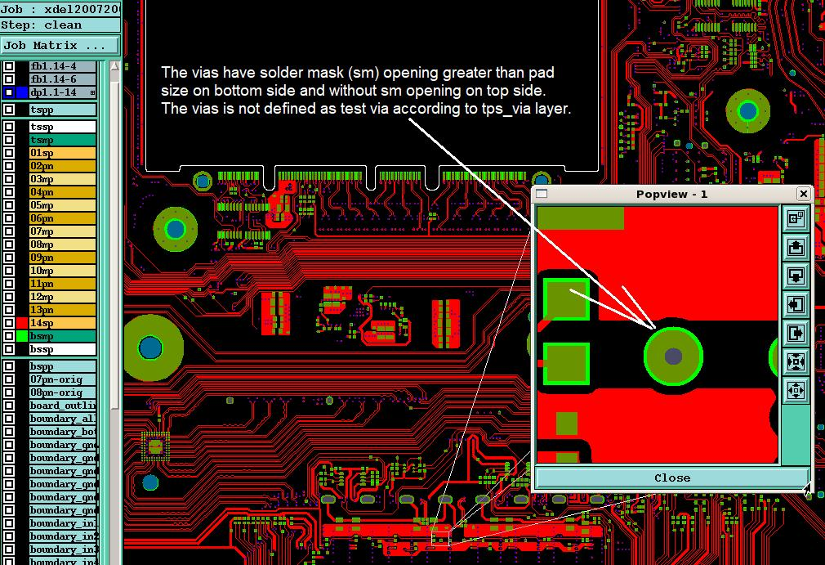
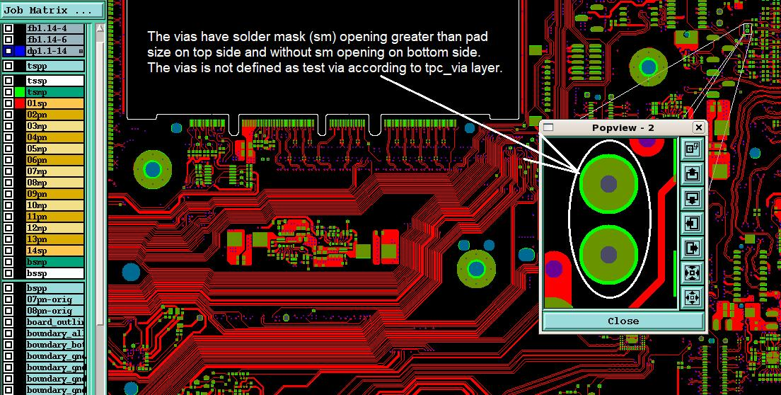

Follow 903217_V1.0 Server PCB 允收標準

#10
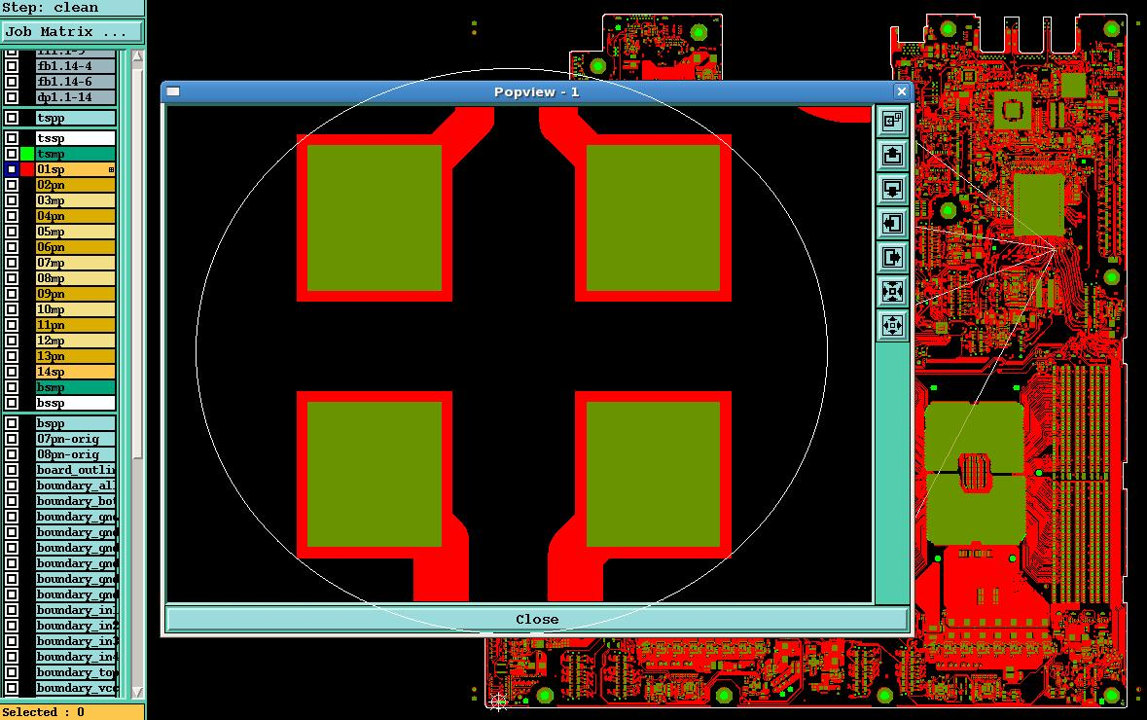
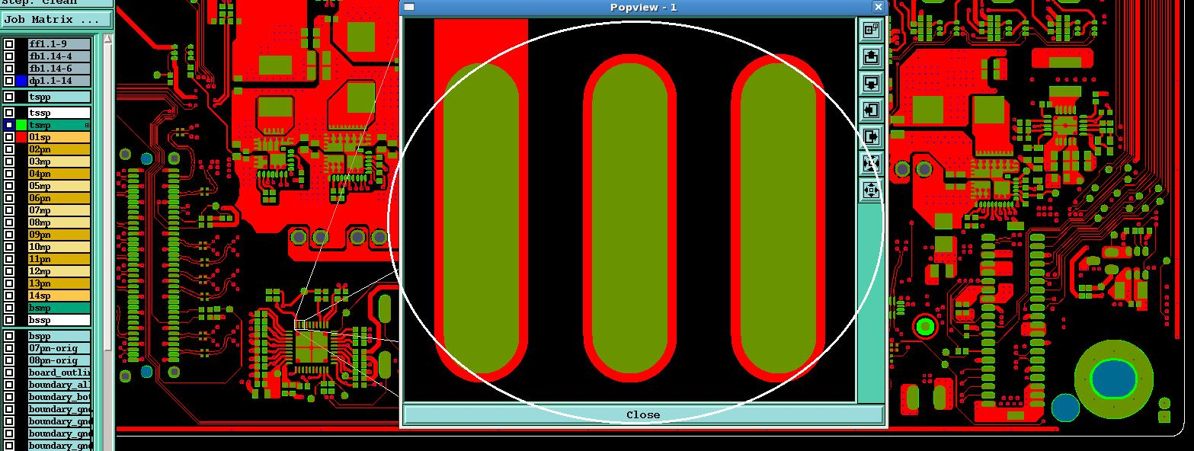

#12
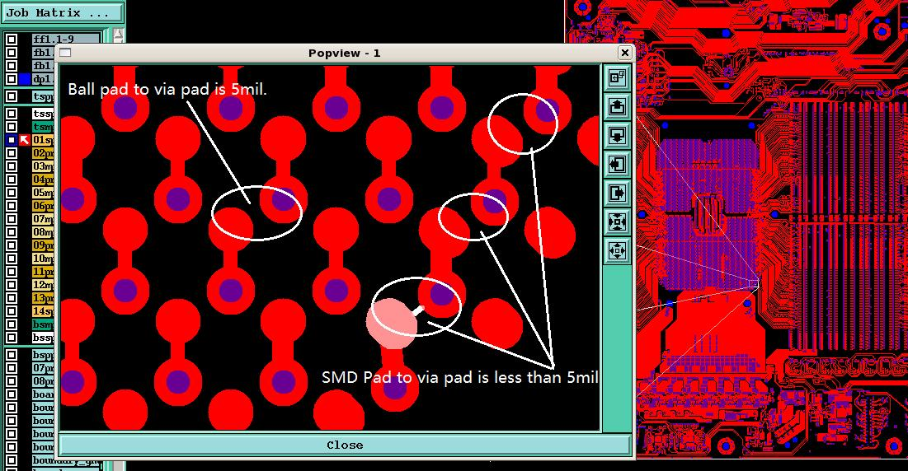

#13
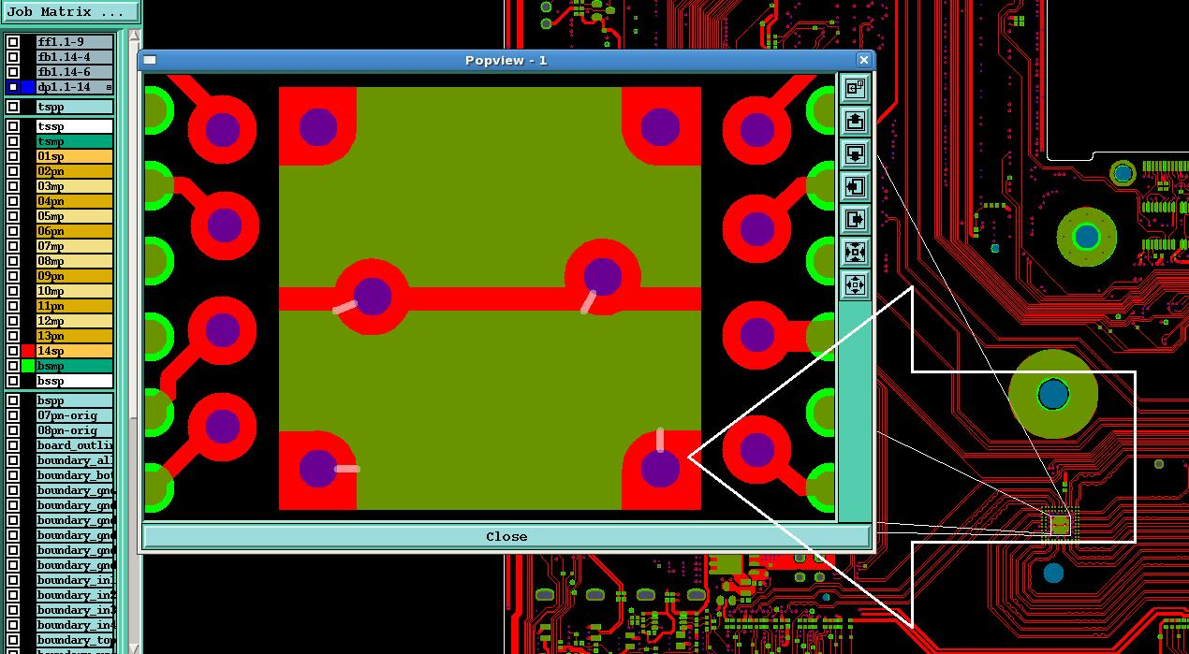

#14
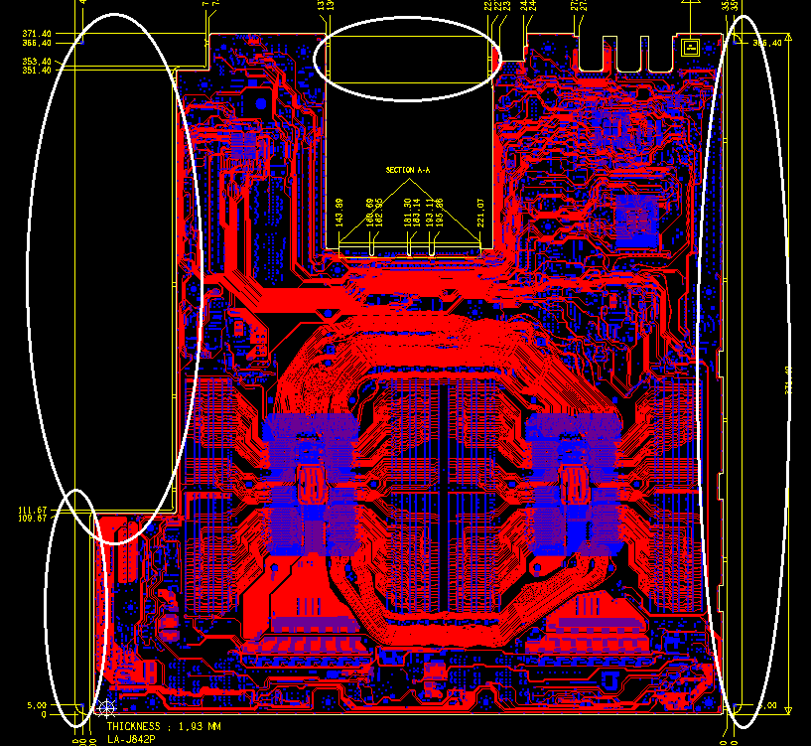

#16
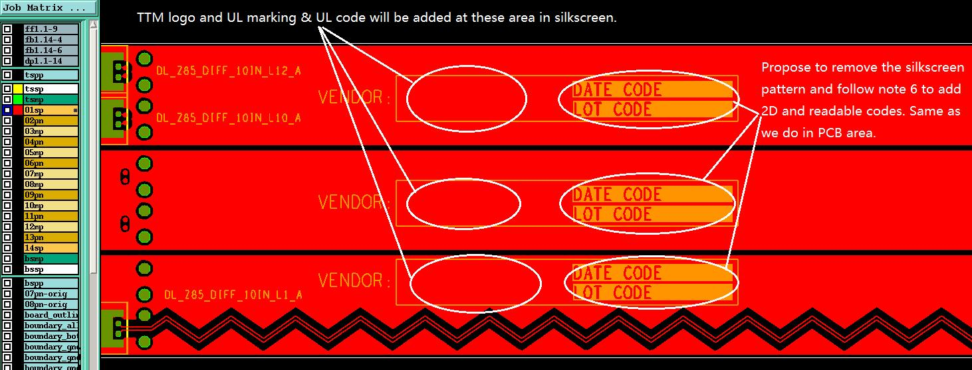

#17
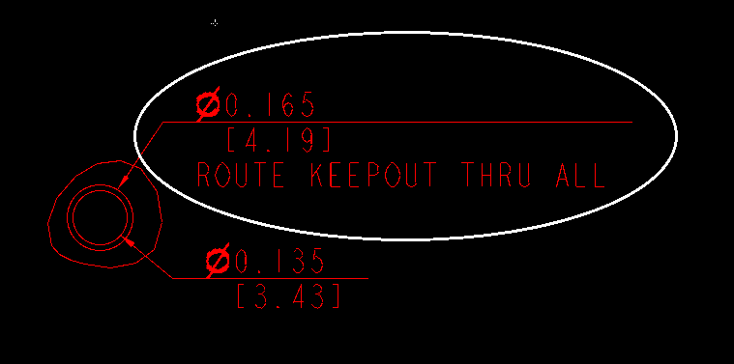

#18
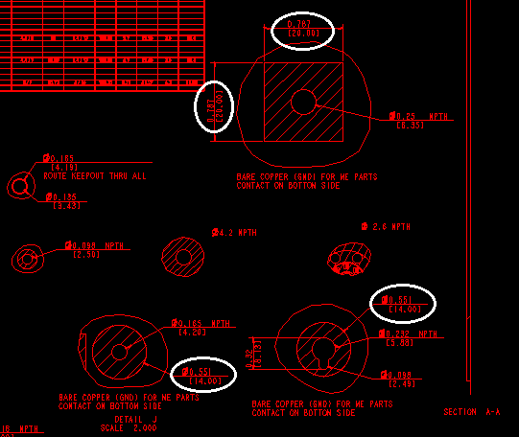

#19
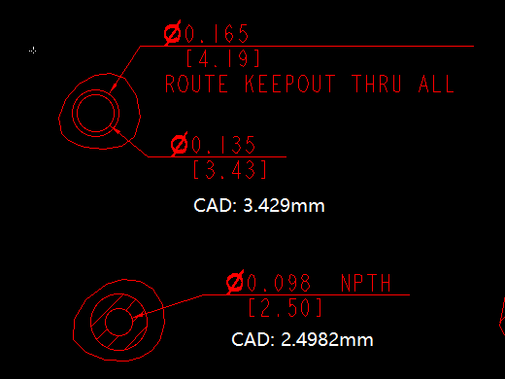

#20
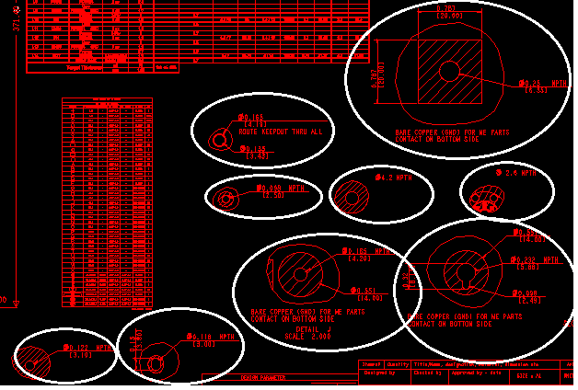

#21
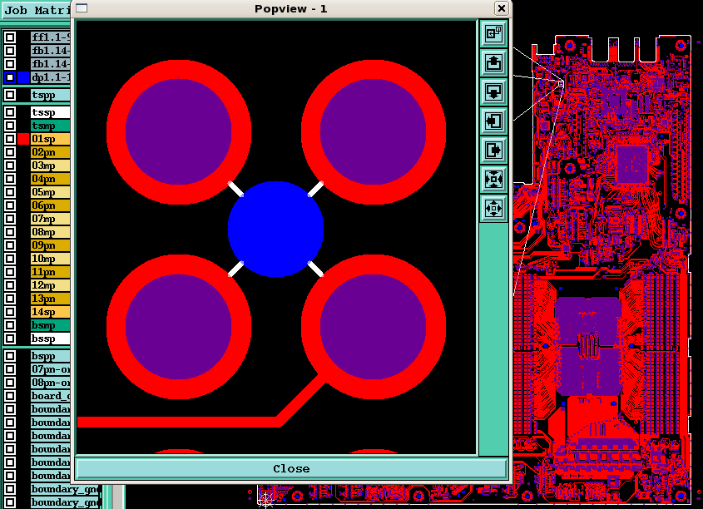
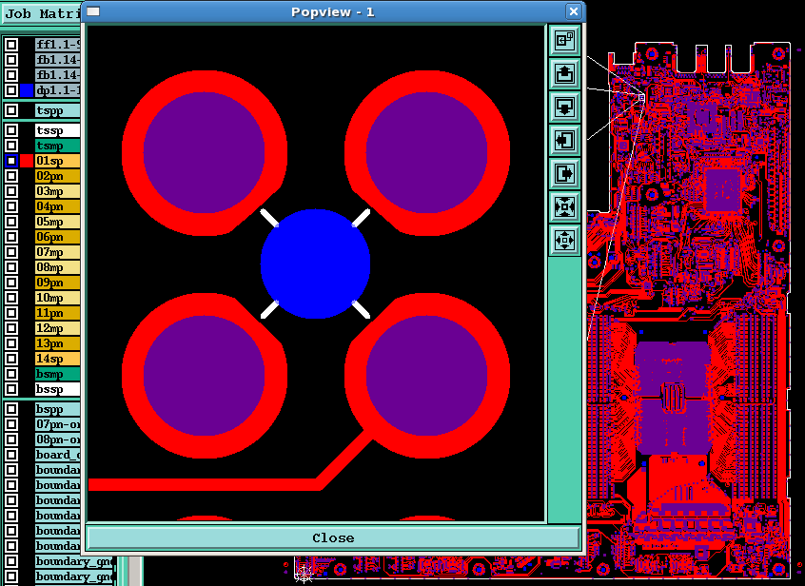

#22
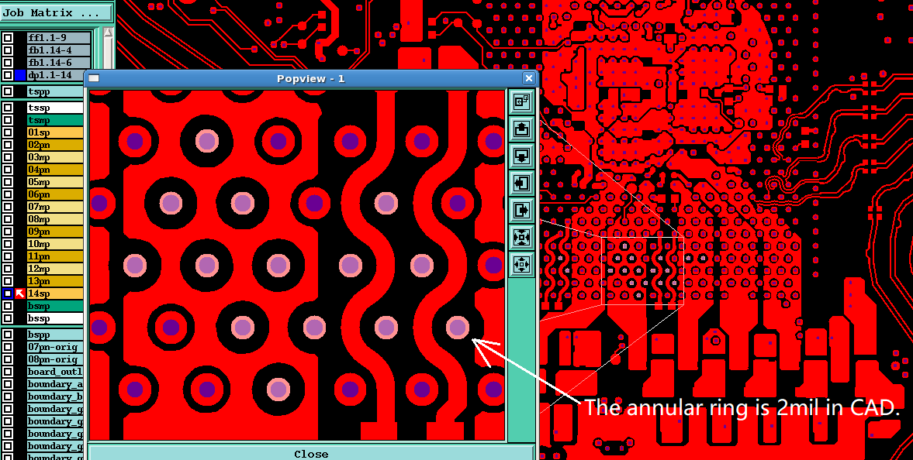

#25
