Sheet1

 |  |  | Republic of the Philippines |  |  | Surveillance Monitoring
 |  |  | City of General Trias - Office of the City Health Officer |  |  | EPIDEMIC-PRONE DISEASES
 |  |  | CITY EPIDEMIOLOGY AND SURVEILLANCE UNIT (CESU)
 |  |  | Hospital Rd., Brgy. Pinagtipunan, General Trias, Cavite
 |  |  | Telephone No.: (046) 509-5289 / (046) 437-9195
 |  |  | E-mail: cesu.gentrias@gmail.com

Notifiable Diseases/Syndromes
CASES | VACCINE-PREVENTABLE DISEASES (VPDs) |  |  | CASES | ZOONOTIC/VECTOR-BORNE DISEASES

0 | ACUTE FLACCID PARALYSIS |  |  | 0 | CHIKUNGUNYA
0 | DIPHTHERIA |  |  | 0 | DENGUE
0 | MEASLES-RUBELLA |  |  | 0 | LEPTOSPIROSIS
0 | NEONATAL TETANUS |  |  | 0 | RABIES
0 | NON-NEONATAL TETANUS
0 | PERTUSSIS

CASES | FOOD AND WATERBORNE DISEASES (FWBDs) |  |  | CASES | OTHER DISEASES

0 | ACUTE BLOODY DIARRHEA |  |  | 0 | INFLUENZA-LIKE ILLNESS
0 | ACUTE VIRAL HEPATITIS |  |  | 0 | ACUTE MENINGITIS ENCEPHALITIS SYNDROME
0 | CHOLERA |  |  | 0 | HFMD
0 | ROTAVIRUS |  |  | 0 | MENINGOCOCCEMIA
0 | TYPHOID FEVER |  |  | 0 | SEVERE ACUTE RESPIRATORY INFECTION

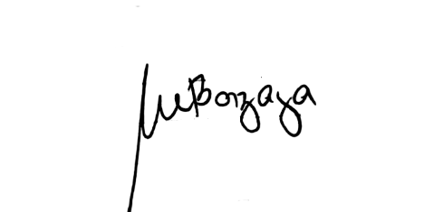
Date Published:

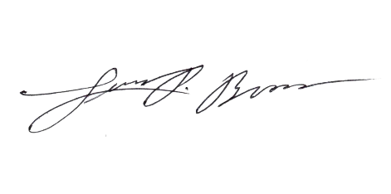
Prepared by: |  | Analyn C. Barzaga
 |  | Job Order Encoder

Noted by: |  | Luis P. Broas, RN, RPh, MAN, CAE
 |  | Nurse III-CESU Designated Head

Approved by: |  | Jonathan P. Luseco, MD
 |  | City Health Officer II

DISCLAIMER: Every effort has been made to provide accurate and updated information, however, errors can still occur. By using the information contained in this summary report, the reader assumes all risks in connection with such use. The City Epidemiology and Surveillance Unit of General Trias, Cavite shall not be held responsible for errors from use or reliance upon this material.

