Sheet1
序号 | 名称 | 数量 | 价格 | 备注 | 淘宝链接
1 | PCB | 1 | 7
2 | USB-B插座 | 1 | 0.17 |  | https://item.taobao.com/item.htm?spm=a1z09.2.0.0.63e62e8dYy8Pas&id=17083493293&_u=810rdj606bff
3 | VGA母头(HDR15) | 1 | 0.32 |  | https://item.taobao.com/item.htm?spm=a1z09.2.0.0.63e62e8dYy8Pas&id=38113167796&_u=810rdj60ab62
4 | RCA莲花头 | 1 |  |  | 不合适
5 | PS2母头6pin | 1 | 0.41 |  | https://item.taobao.com/item.htm?spm=a1z09.2.0.0.63e62e8dYy8Pas&id=44721672451&_u=810rdj604da5
6 | 28pin dip插座（窄体） | 1 | 0.73 |  | https://item.taobao.com/item.htm?spm=a1z09.2.0.0.63e62e8dYy8Pas&id=43481791099&_u=810rdj603636
 |  | 1
1 | PIC32MX250F128B | 1 | 25 | 和卖家要DIP封装的 | https://item.taobao.com/item.htm?spm=a1z09.2.0.0.63e62e8dYy8Pas&id=561593457836&_u=810rdj60c2b9
2 | MCP1700-3302E | 1 | 0.9 |  | https://item.taobao.com/item.htm?spm=a1z09.2.0.0.63e62e8dYy8Pas&id=582007527149&_u=810rdj6041b9

1 | 独石电容10uf | 3 | 0.08 |  | https://item.taobao.com/item.htm?spm=a1z09.2.0.0.63e62e8dYy8Pas&id=582771117114&_u=810rdj6043ad
2 | 独石电容100nf | 2 | 0.03 |  | https://item.taobao.com/item.htm?spm=a1z09.2.0.0.63e62e8dYy8Pas&id=580019446631&_u=810rdj605df6
3 | 起振电容22pf | 2 | 0.04 |  | https://item.taobao.com/item.htm?spm=a1z09.2.0.0.63e62e8dYy8Pas&id=579801964857&_u=810rdj6001ce
4 | 晶振8M | 1 | 0.14 |  | https://item.taobao.com/item.htm?spm=a1z10.3-c.w4002-21036452729.28.1c7826a4njOpvk&id=580108046406
5 | 电阻82Ω | 1
6 | 电阻150Ω | 1
7 | 电阻220Ω | 1
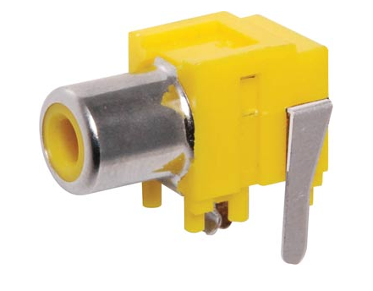
8 | 电阻470Ω | 1
9 | 电阻4.7KΩ | 4
10 | 电阻10KΩ | 1
11 | 电阻100KΩ | 1
12 | 0603LED红 | 1
13 | 排针2p | 6
14 | 排针4p | 1

1 | PIC32编程器 | 1 | 45.3 |  | https://item.taobao.com/item.htm?spm=a1z09.2.0.0.63e62e8dYy8Pas&id=562116170037&_u=810rdj608cc3

