3.1 MIXTAS
...
0 | 500 | 0
0 | 600 | 0
0 | 800 | 0
0 | 1100 | 0
...
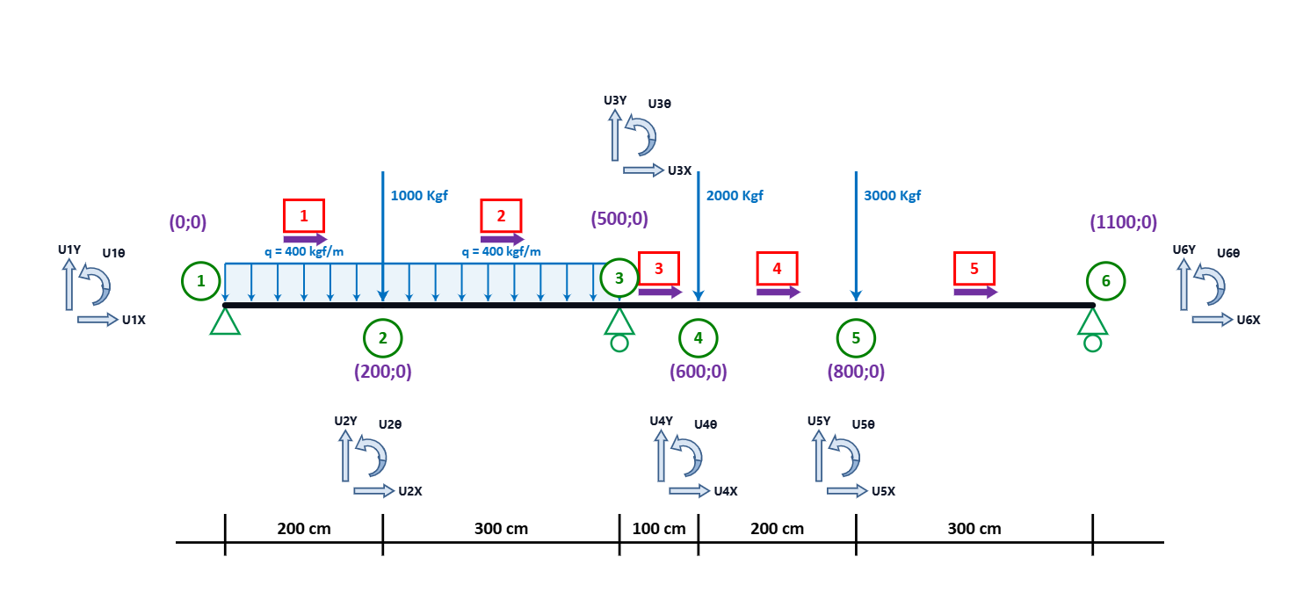
 |  | FIN
Y | θ | X | Y | θ
...
U1θ | U2X | U2Y | U2θ | U3X | U3Y | U3θ | U4X | U4Y | U4θ | U5X | U5Y | U5θ | U6X | U6Y | U6θ | U7X | U7Y | U7θ | U8X | U8Y
...

