Sheet1
参数 | 第一张图片 | 第二张图片 | 参数 | 第一张图片 | 第二张图片
brand | GREE | GREE | brand | GREE | GREE
product_type | SPLIT AIR CONDITIONER INDOOR UNIT | SPLIT AIR CONDITIONER INDOOR UNIT | product_type | SPLIT AIR CONDITIONER INDOOR UNIT | SPLIT AIR CONDITIONER INDOOR UNIT
model_number | GWH12ACBXB-K3NNA1B/I | GWH12ACBXB-K3NNA1B/I | model_number | GWH18AAD-K6DNA2E/I | GWH18AAD-K6DNA2E/I
voltage | 220-240V~ | 220-240V~ | voltage | 220-240V~ | 220-240V~
frequency | 50Hz | 50Hz | frequency | 50Hz | 50Hz
heating_capacity | 3400W | 3400W | heating_capacity | 5.20kW | 5.20kW
cooling_capacity | 3250W | 3250W | cooling_capacity | 4.60kW | 4.60kW
air_volume | 590m³/h | 590m³/h | air_volume | 850m³/h | 850m³/h
weight | 8.5kg | 8.5kg | weight | 13.5kg | 13.5kg
noise | 37dB(A) | 37dB(A) | noise | 46dB(A) | 46dB(A)
mfg_date | 2025.12 | 2025.12 | mfg_date | 2026.01 | 2026.01
manufacturer | GREE ELECTRIC APPLIANCES,INC.OF ZHUHAI | GREE ELECTRIC APPLIANCES,INC.OF ZHUHAI | manufacturer | GREE ELECTRIC APPLIANCES,INC.OF ZHUHAI | GREE ELECTRIC APPLIANCES,INC.OF ZHUHAI
address | West Jinji Rd, Qianshan, Zhuhai, Guangdong, China, 519070 | West Jinji Rd, Qianshan, Zhuhai, Guangdong, China, 519070 | address | West Jinji Rd, Qianshan, Zhuhai, Guangdong, China, 519070 | West Jinji Rd, Qianshan, Zhuhai, Guangdong, China, 519070
barcode | 600004078454 | 600004078454 | barcode | 600004075219 | 600004075219
运行时间 | 16.634367943 | 42.585250854 | 运行时间 | 16.017904282 | 45.446773529
 | 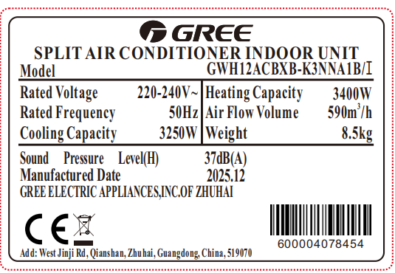 | 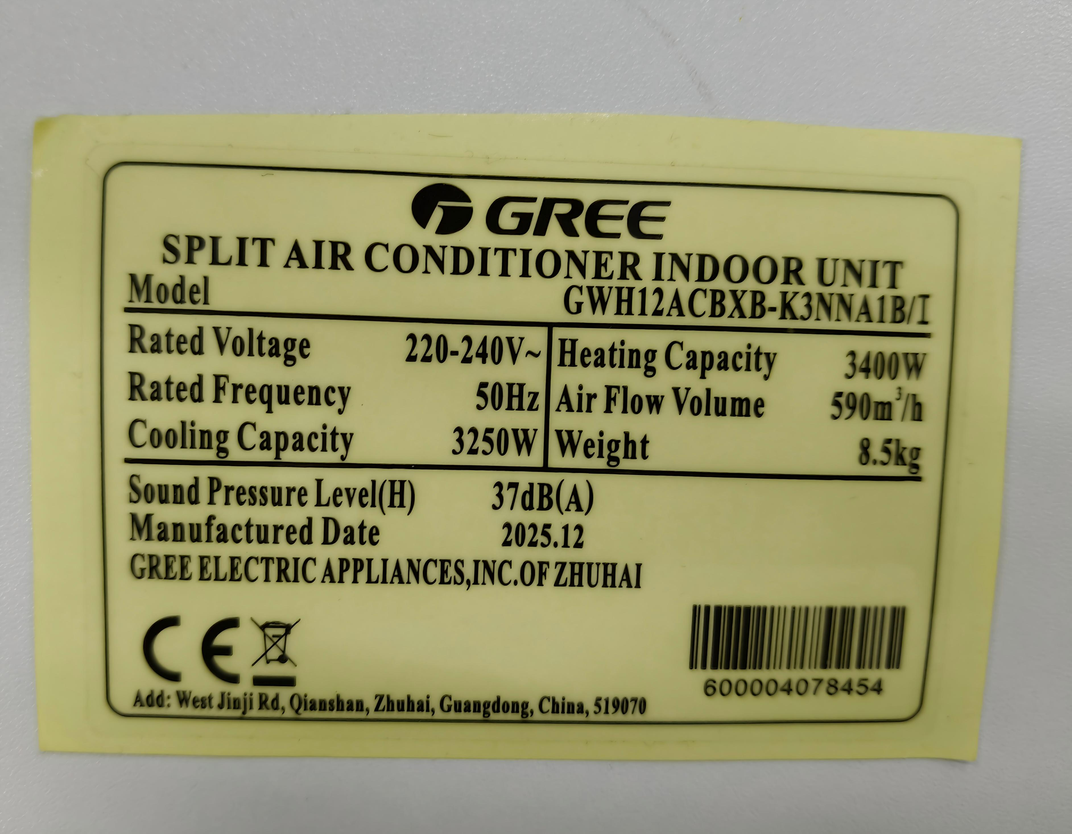 |  | 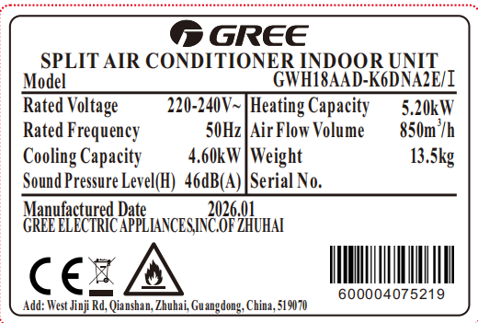 | 