Sheet1
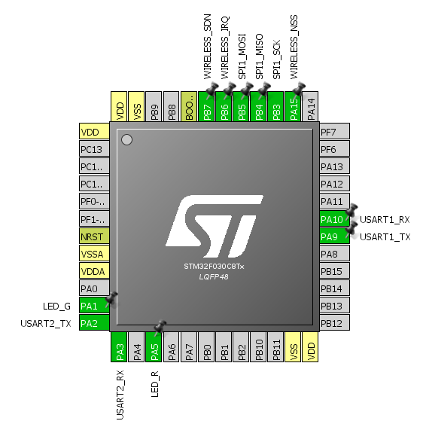
管脚号 | 管脚标识 | 功能
30 | PA9 | 升级串口UART1_TX
31 | PA10 | 升级串口UART1_RX
12 | PA2 | 通信串口UART2_TX
13 | PA3 | 通信串口UART2_RX
39 | PB3 | SI4438_SPI_SCK
40 | PB4 | SI4438_SPI_MISO
41 | PB5 | SI4438_SPI_MOSI
38 | PA15 | SI4438_SPI_NSS
43 | PB7 | SI4438_SPI_SDN
42 | PB6 | SI4438_SPI_nIRQ
11 | PA1 | TEST_LEDG
15 | PA5 | TEST_LEDR

