INSTRUCTIONS
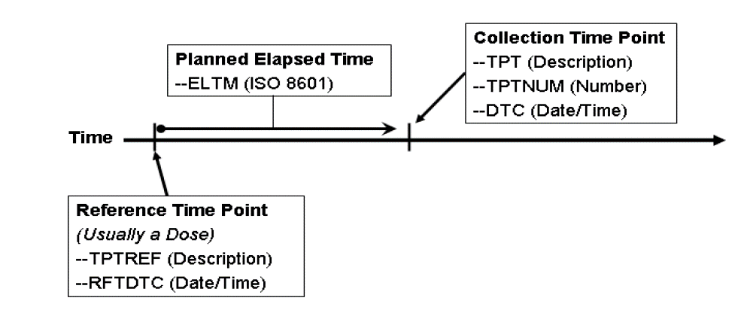
Time Point Definition: What is a planned time point in SDTM?
← Click to expand/minimize 

Variable Descriptions: What are the descriptions for each of the time point variables?
← Click to expand/minimize 

Naming Convention: How to name the tab & template for your study
← Click to expand/minimize 

Implementation Steps: A set of recommended steps to ensure appropriate time point implementation and representation
← Click to expand/minimize 

Conformance: SDTM and FDA time point conformance rules* (based on FDA 1.0 validation rules)
← Click to expand/minimize 

General: General SDTM information regarding the use of time points
← Click to expand/minimize 

Visual Reference: How time points are constructed via visual reference

