ablation
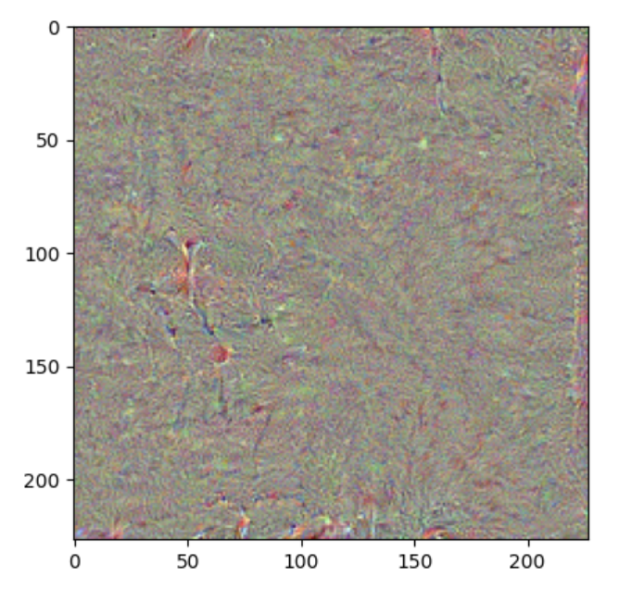
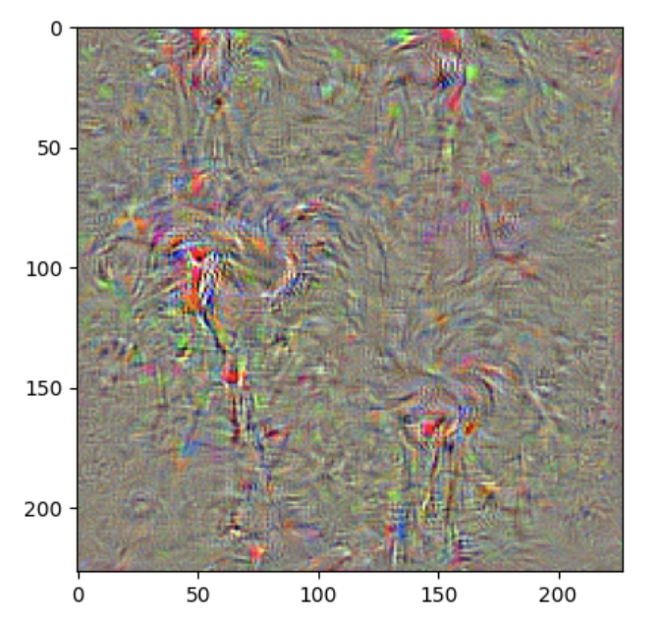
resnet | Alpha | steps | ResNet50 | probability | alexnet | alpha | steps | AlexNet | probability
 | 0.25 | 100 | 119.742 |  |  | 0.25 | 100 | 146.939
 | 0.5 | 100 | 151.867 |  |  | 0.5 | 100 | 337.485
 | 1 | 100 | 183.017 |  |  | 1 | 100 | 584.25
 | 3 | 100 | 190.818 |  |  | 3 | 100 | 780.478
 | 4 | 100 | 184.91987457 |  |  | 4 | 100 | 762.98673706
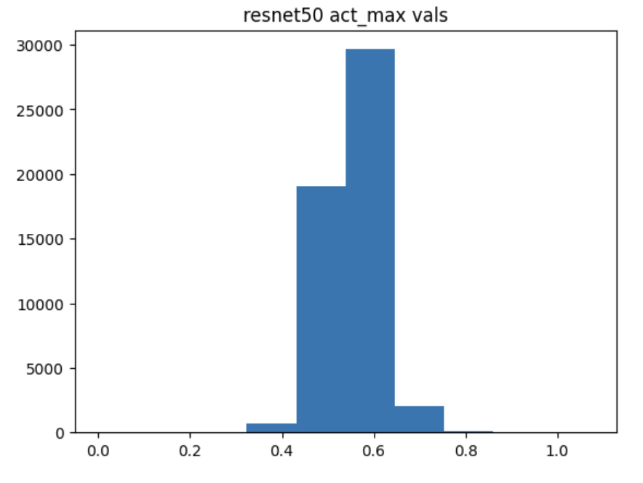
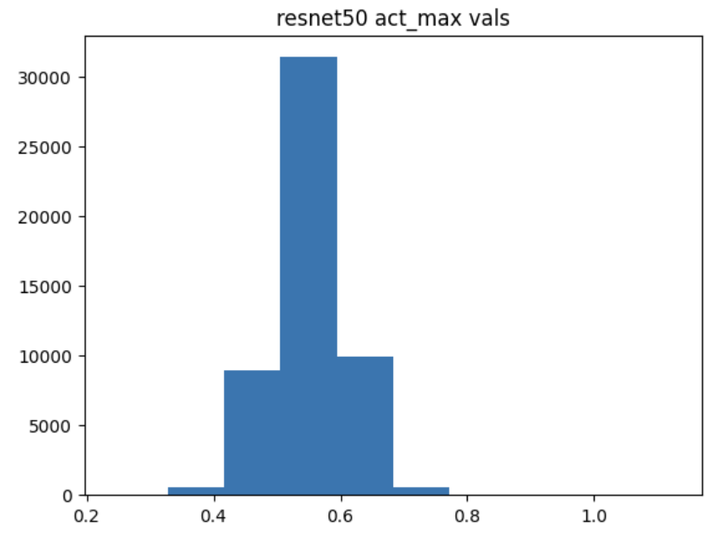
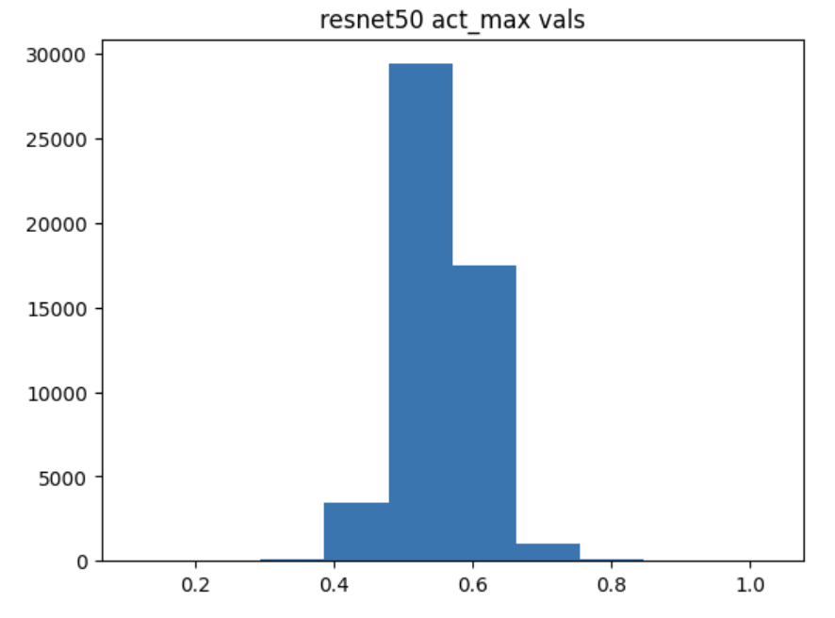
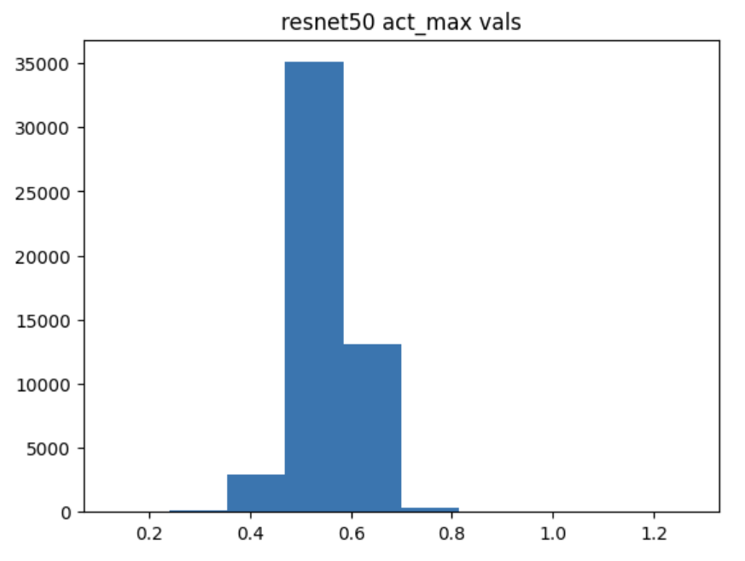
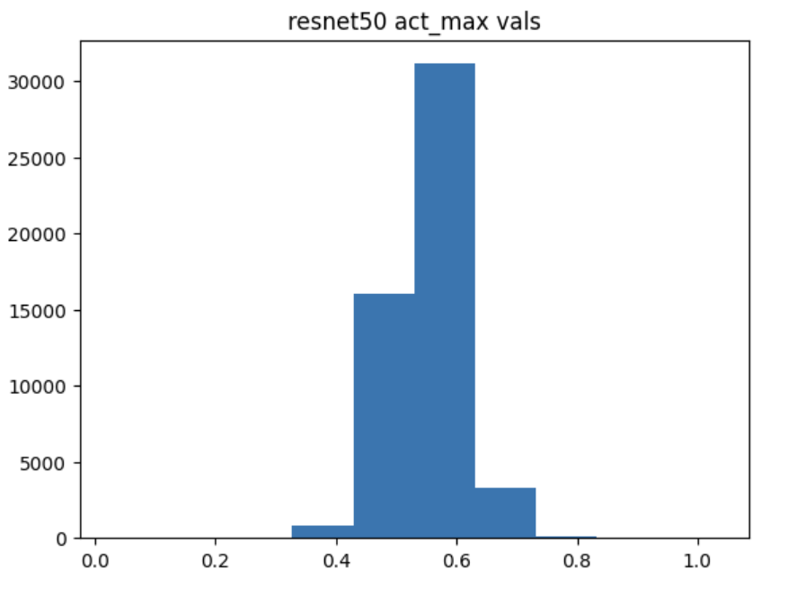
 |  | Number of steps | ResNet50 |  |  |  |  | AlexNet
 | 1 | 25 | 70.7304 |  |  | 1 | 25 | 128.442
 | 1 | 50 | 121.727 |  |  | 1 | 50 | 338.63
 | 1 | 100 | 183.017 |  |  | 1 | 100 | 584.25
 | 1 | 200 | 235.505 |  |  | 1 | 200 | 762.864
 | 1 | 400 | 274.50207214 |  |  | 1 | 400 | 814.9725647
 | 1 | 800 | 305.08829956 |  |  | 1 | 800 | 856.96938477
Activation Score vs. Alpha ResNet50, 100 steps
Activation Score vs. Alpha Alexnet, 100 steps

Activation Score vs. Gamma

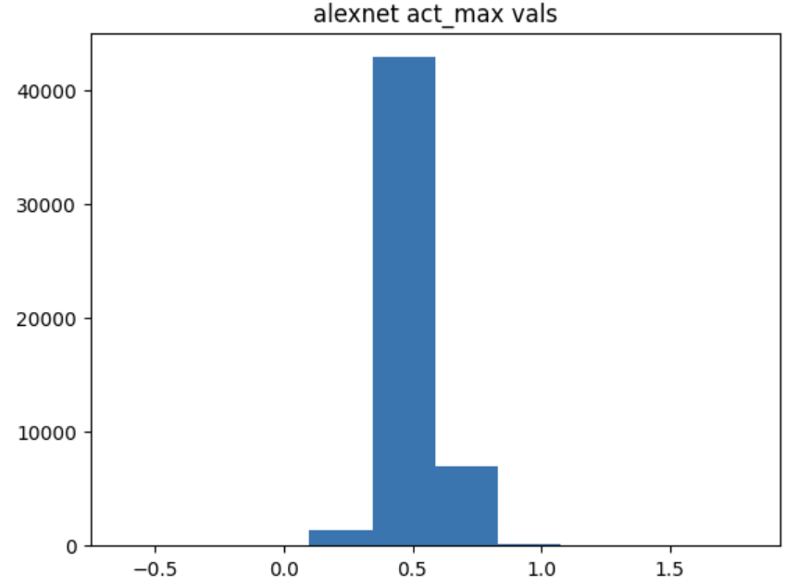
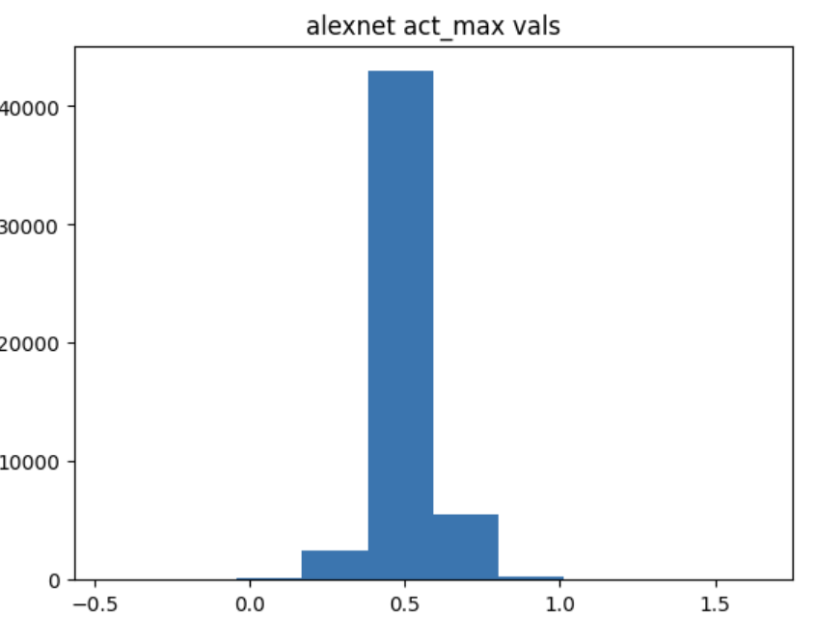
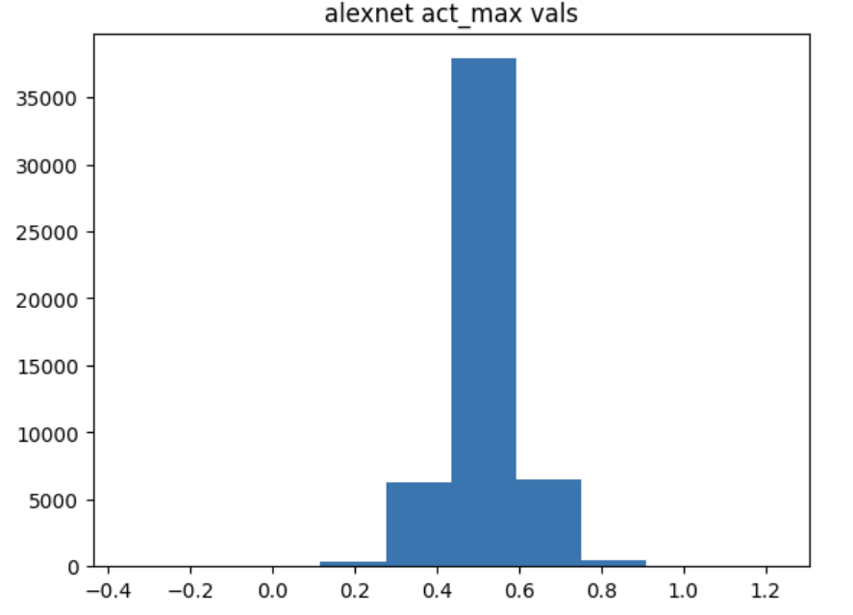
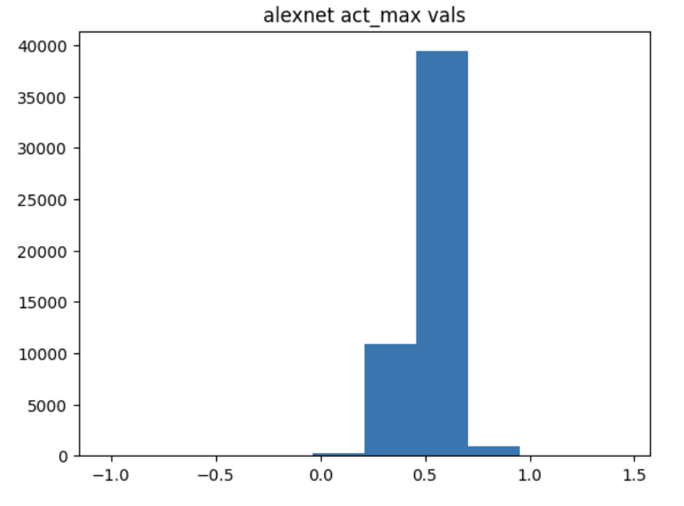
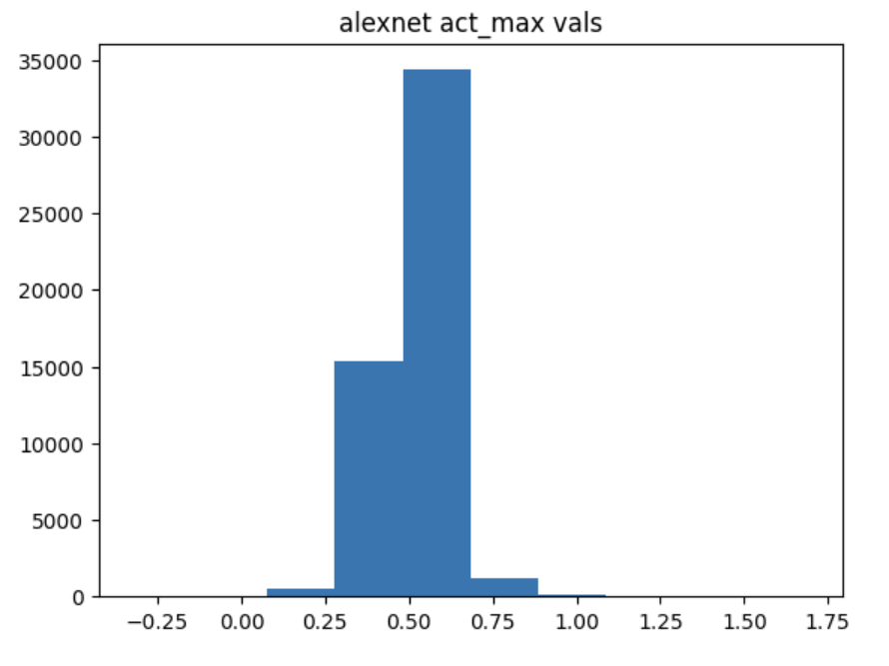

Activation Score vs. Steps ResNet50, Alpha=1
Activation Score vs. Steps AlexNet, Alpha=1
Activation Score vs. Steps

regularization
Activation vs. Jitter alpha
Jitter loss vs. Jitter alpha
TV loss vs. Jitter alpha
Resnet50 | Jitter_alpha | Resnet50 | Alexnet | Resnet50 Jitter loss | Alexnet Jitter loss | Resnet50 TV loss | Alexnet TV loss
 | 0.005 | 248.7491255 | 784.4602699 | 28.92892043 | 578.2272339 | 0.2626910537 | 0.308769742
 | 0.01 | 251.2247476 | 782.7809868 | 50.72987858 | 584.3592033 | 0.2399337628 | 0.2992262766
 | 0.05 | 213.0795727 | 750.3085022 | 28.24103905 | 519.1837883 | 0.07094229781 | 0.2584560971
 | 0.1 | 183.135376 | 684.2533607 | 38.63131523 | 409.939311 | 0.04328999519 | 0.1789334397

 | Jitter_t | Resnet50 Activation | Alexnet Activation | Resnet50 Jitter loss | Alexnet Jitter loss | Resnet50 TV loss | Alexnet TV loss
 | 5 | 219.9296007 | 749.0053596 | 62.84031522 | 634.3326187 | 0.160408494 | 0.2589284945
 | 8 | 227.0580826 | 754.0848427 | 46.56228137 | 543.7478199 | 0.1503116936 | 0.2594919158
 | 10 | 223.9132719 | 742.5171394 | 24.70897837 | 494.7529373 | 0.1498546153 | 0.2648337864
 | 15 | 225.2878666 | 756.1957779 | 12.41957831 | 418.8761606 | 0.1562823066 | 0.2621313586

Activation vs. Jitter T
Jitter loss vs. Jitter T
TV loss vs. Jitter T
 | TV_alpha | Resnet50 Activation | Alexnet Activation | Resnet50 Jitter loss | Alexnet Jitter loss | Resnet50 TV loss | Alexnet TV loss
 | 0.0005 | 222.3951702 | 746.1839943 | 31.85084528 | 516.7566471 | 0.1137131087 | 0.2536678697
 | 0.0008 | 223.0465899 | 746.9243889 | 36.70774403 | 523.9641476 | 0.1303766332 | 0.2563508199
 | 0.001 | 221.5107117 | 750.8495674 | 32.95005775 | 525.5353155 | 0.1330935271 | 0.2572771766
 | 0.003 | 229.2363501 | 757.8451691 | 45.02250622 | 525.4534264 | 0.2396738404 | 0.2780896891

Activation vs. TV alpha
Jitter loss vs. TV alpha
TV loss vs. TV alpha

