ablation
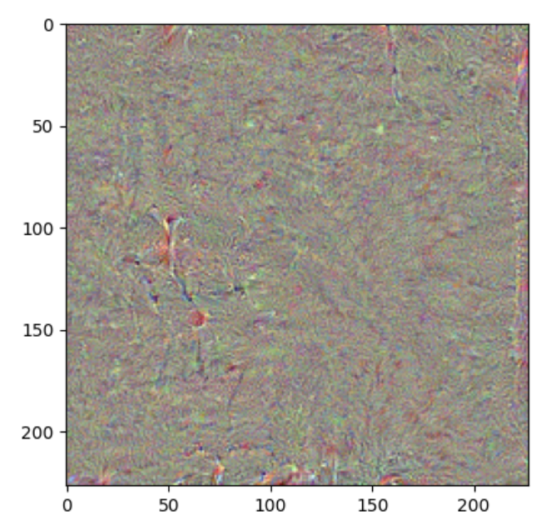
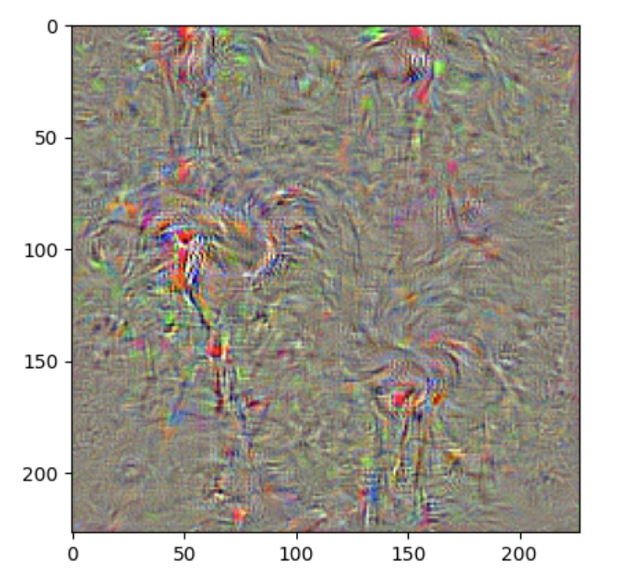
resnet | Alpha | steps | ResNet50 | probability | alexnet | alpha | steps | AlexNet | probability
 | 0.25 | 100 | 119.742 |  |  | 0.25 | 100 | 146.939
 | 0.5 | 100 | 151.867 |  |  | 0.5 | 100 | 337.485
 | 1 | 100 | 183.017 |  |  | 1 | 100 | 584.25
 | 3 | 100 | 190.818 |  |  | 3 | 100 | 780.478
 | 4 | 100 | 184.91987457 |  |  | 4 | 100 | 762.98673706
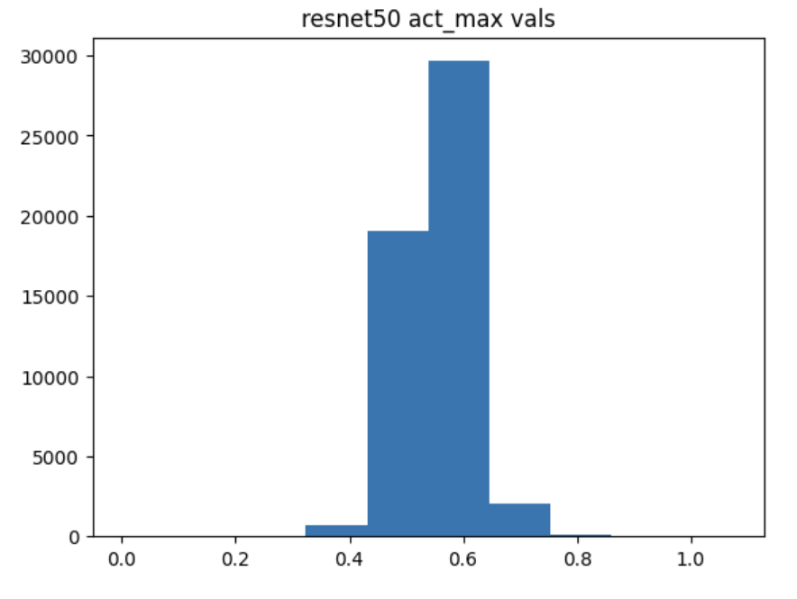
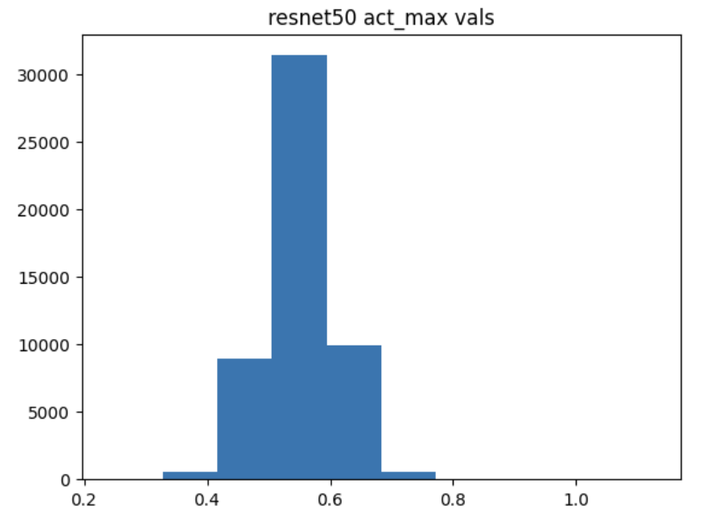
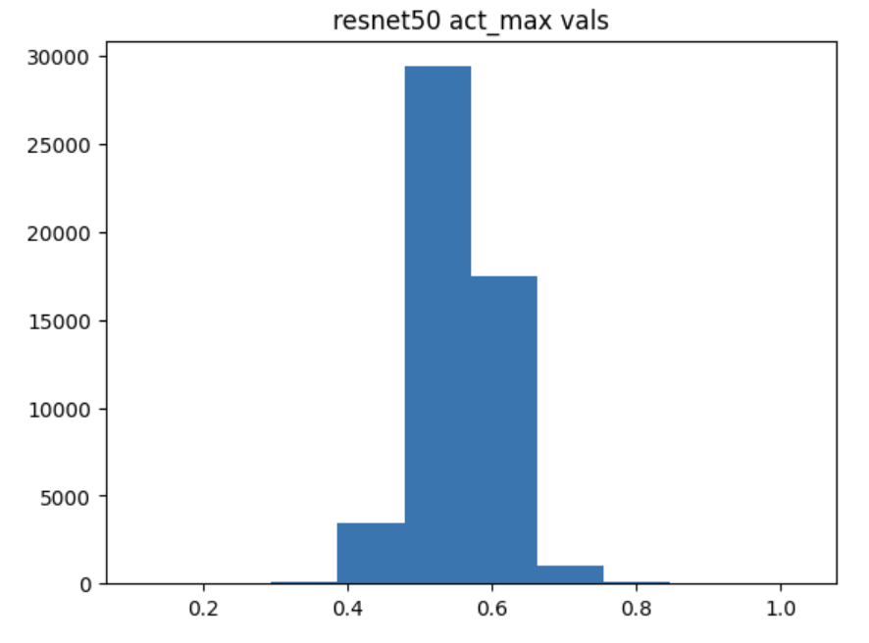
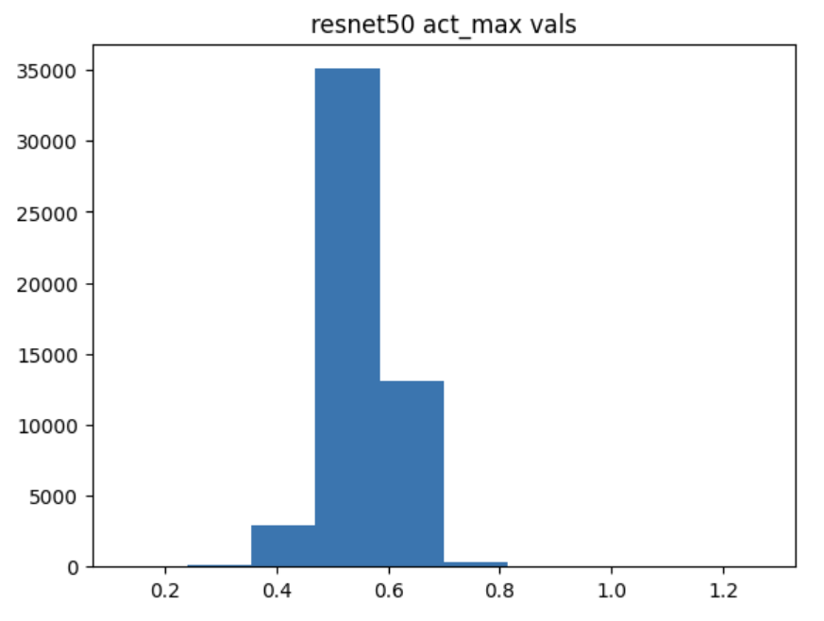
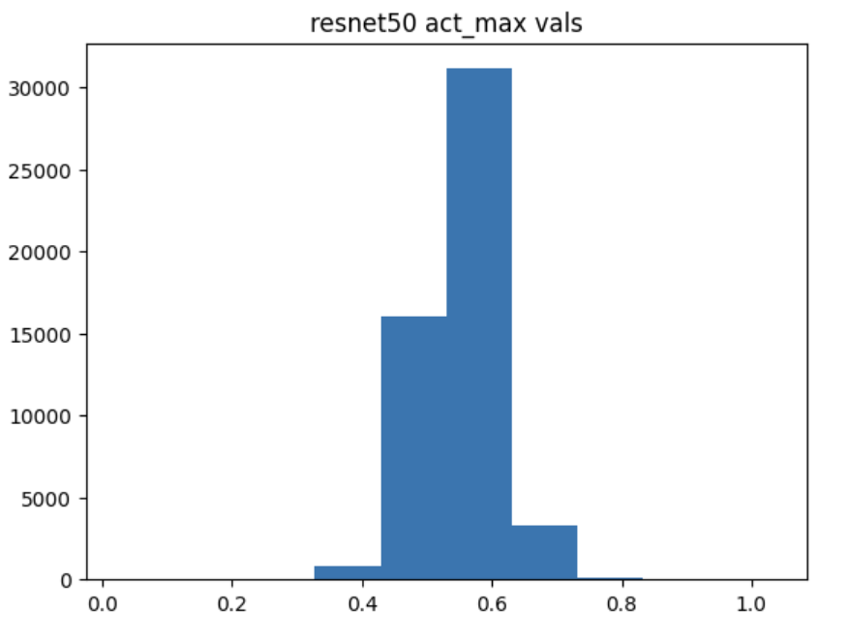
 |  | Number of steps | ResNet50 |  |  |  |  | AlexNet
 | 1 | 25 | 70.7304 |  |  | 1 | 25 | 128.442
 | 1 | 50 | 121.727 |  |  | 1 | 50 | 338.63
 | 1 | 100 | 183.017 |  |  | 1 | 100 | 584.25
 | 1 | 200 | 235.505 |  |  | 1 | 200 | 762.864
 | 1 | 400 | 274.50207214 |  |  | 1 | 400 | 814.9725647
 | 1 | 800 | 305.08829956 |  |  | 1 | 800 | 856.96938477
Activation Score vs. Alpha ResNet50, 100 steps
Activation Score vs. Alpha Alexnet, 100 steps

Activation Score vs. Gamma

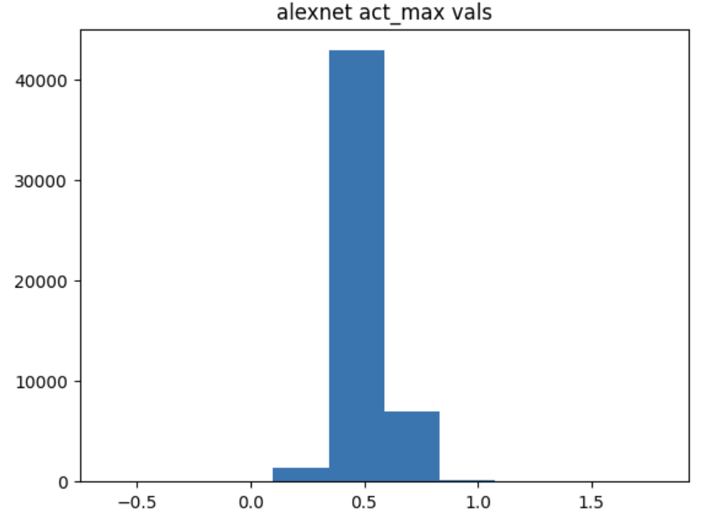
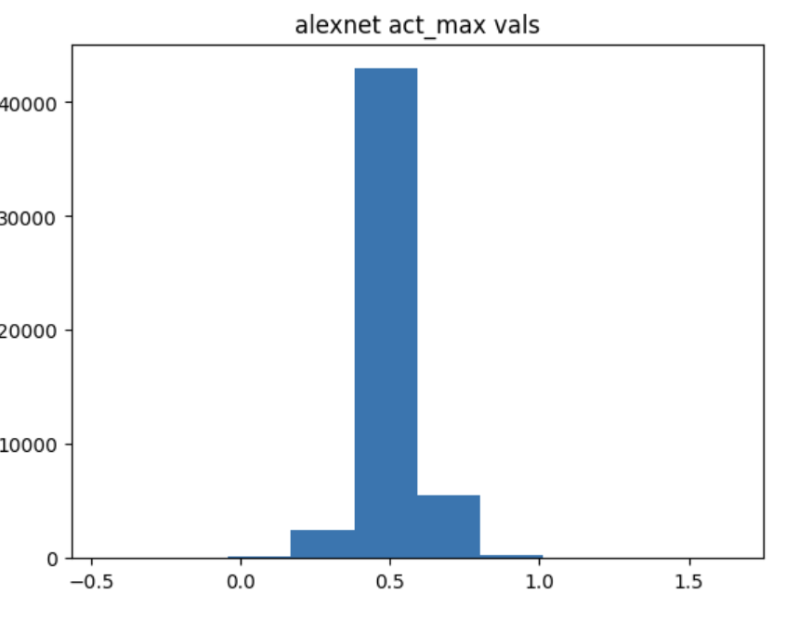
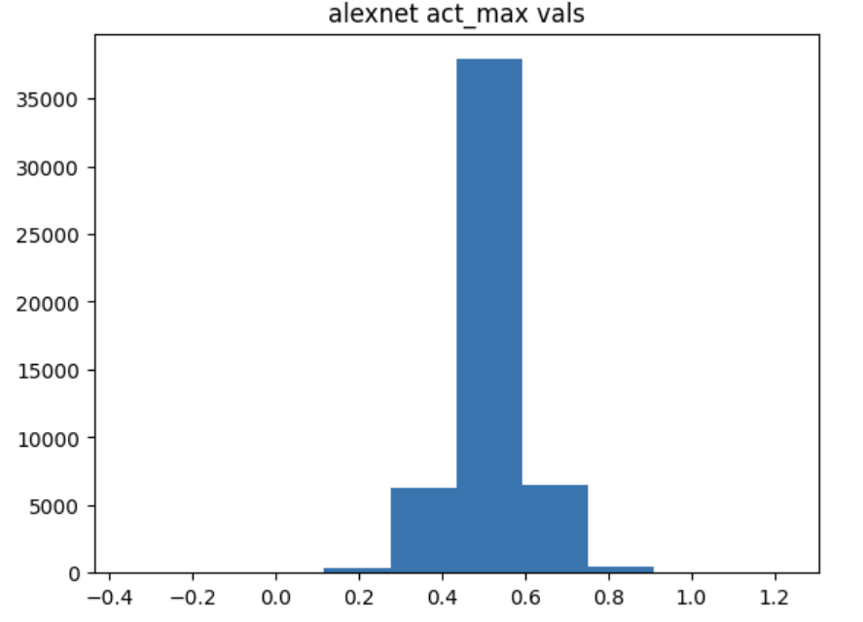
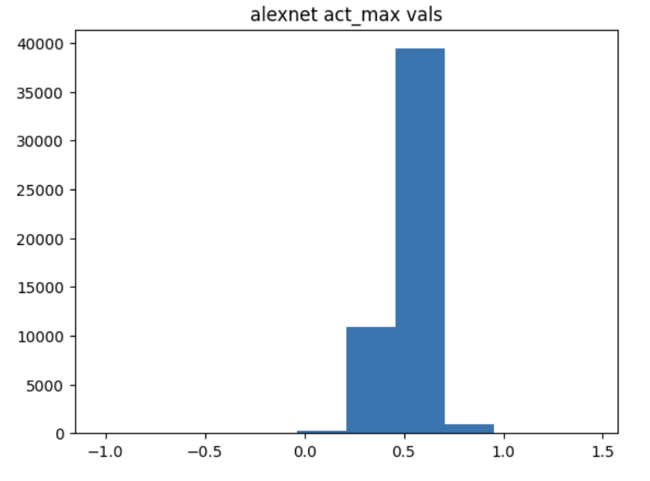
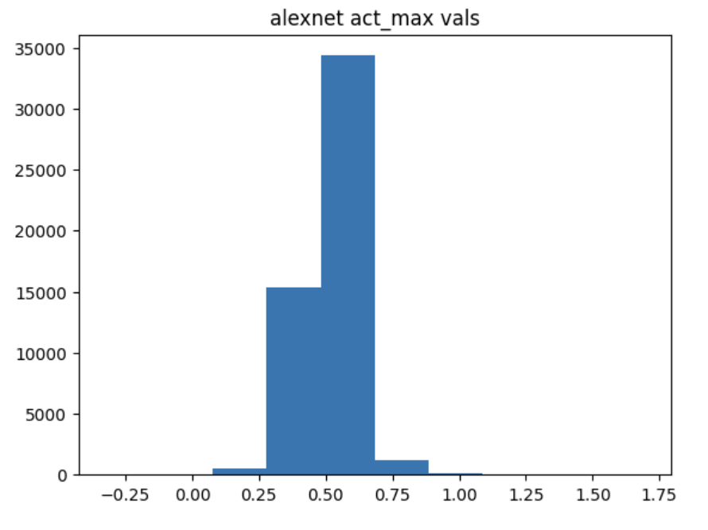

Activation Score vs. Steps ResNet50, Alpha=1
Activation Score vs. Steps AlexNet, Alpha=1
Activation Score vs. Steps

