Ranks
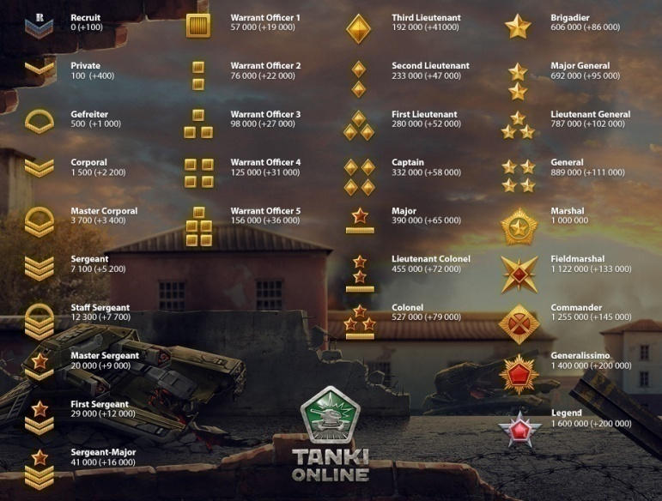

Calendar
2016-12-30 | 50% | 84772 | 488 | 807 | 579 | 419 | 454 | 54
2017-01-01 | 0% | 134956 | 19 | 420 | 180 | 229 | 181 | 155
2017-01-21 | 50% | 50620 | 526 | 948 | 836 | 736 | 834 | 55
2017-02-14 | 50% | 100639 | 274 | 188 | 694 | 225 | 320 | 105
2017-02-26 | 50% |  |  |  |  |  |  |  | harshitkapur1997
2017-03-30 | 25%
2017-04-12 | 25%
2017-04-29 | 30%
2017-06-04 | 25%
2017-07-09 | 25% |  |  |  |  |  |  |  |  | 1997
2017-07-22 | 50% |  |  |  |  |  |  |  |  | 0
2017-08-06 | 25% |  |  |  |  |  |  |  |  | 1
2017-08-27 | 25% |  |  |  |  |  |  |  |  | 2
2017-09-10 | 50% |  |  |  |  |  |  |  |  | 3
2017-11-03 | 50% |  |  |  |  |  |  |  |  | 4
2017-12-30 | 50% |  |  |  |  |  |  |  |  | 5
 |  |  |  |  |  |  |  |  |  | 6
2018-01-01 | 0% |  |  |  |  |  |  |  |  | 7
2018-01-28 | 25% |  |  |  |  |  |  |  |  | 8
2018-02-14 | 25% |  |  |  |  |  |  |  |  | 9
2018-02-25 | 50%
2018-03-11 | 50%
2018-03-25 | 50%
2018-04-14 | 50%
2018-04-29 | 50%
2018-05-20 | 25%
2018-06-10 | 50%
2018-06-24 | 25%
2018-07-08 | 50%
2018-08-27 | 0%
2018-09-10 | 0%
2018-11-03 | 0%
2018-12-30 | 0%

