dashboard
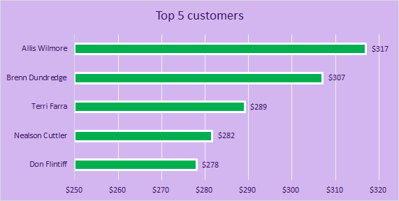
Coffee Sales Dashboard


Total Sales Over Time
`
TOTAL SALES OVER TIME
 | Arabica | Excelsa | Liberica | Robusta
Jan | 187 | 306 | 213 | 123
Feb | 252 | 129 | 434 | 172
Mar | 225 | 349 | 321 | 126
Apr | 307 | 681 | 534 | 159
May | 54 | 83 | 194 | 68
Jun | 163 | 678 | 171 | 372
Jul | 345 | 274 | 184 | 201
Aug | 335 | 71 | 134 | 166
DD | 179 | 166 | 439 | 493
Oct | 302 | 154 | 216 | 214
Nov | 313 | 63 | 351 | 96
Dec | 266 | 527 | 187 | 211
Jan | 47 | 66 | 275 | 179
Feb | 745 | 429 | 194 | 430
Mar | 130 | 271 | 281 | 232
Apr | 27 | 347 | 148 | 240
May | 255 | 542 | 83 | 59
Jun | 585 | 357 | 355 | 141
Jul | 431 | 227 | 236 | 415
Aug | 23 | 78 | 61 | 140
DD | 126 | 195 | 89 | 303
Oct | 376 | 523 | 441 | 174
Nov | 515 | 143 | 347 | 104
Dec | 96 | 485 | 94 | 77
Jan | 258 | 140 | 280 | 160
Feb | 342 | 284 | 252 | 81
Mar | 418 | 468 | 405 | 253
Apr | 102 | 242 | 555 | 106
May | 235 | 133 | 267 | 273
Jun | 430 | 136 | 210 | 88
Jul | 109 | 394 | 61 | 199
Aug | 288 | 289 | 126 | 374
DD | 841 | 410 | 171 | 221
Oct | 299 | 260 | 585 | 256
Nov | 323 | 566 | 538 | 189
Dec | 399 | 148 | 388 | 212
Jan | 113 | 166 | 844 | 147
Feb | 115 | 134 | 91 | 54
Mar | 278 | 175 | 463 | 400
Apr | 198 | 290 | 89 | 200
May | 193 | 212 | 292 | 304
Jun | 180 | 426 | 170 | 379
Jul | 247 | 247 | 271 | 142
Aug | 116 | 41 | 16 | 71
Filters Area

sales by country
 | Total
United Kingdom | $2,799
Ireland | $6,697
United States | $35,639
Sales by Country

